Review_1_5 N NO 1_ch00.tif
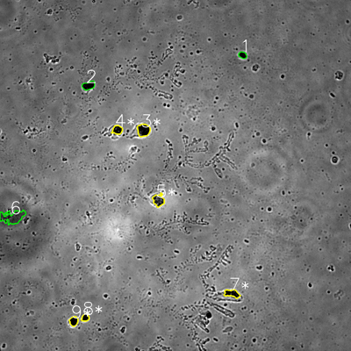
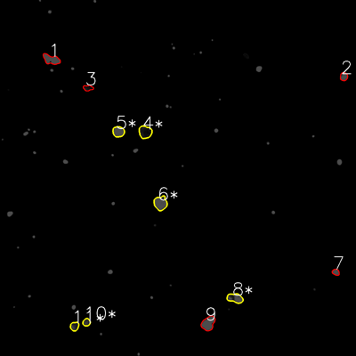

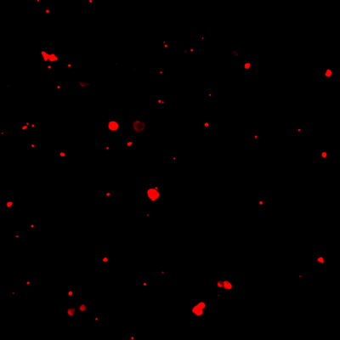
═══════════════ DETECTION REPORT ═══════════════ Source: 5 N NO 1_ch00.tif Parameters: Gray Thresh=53, Fluor Thresh=5, Overlap=80% ┌─── SUMMARY ───┐ Grayscale bacteria: 9 Fluorescence bacteria: 11 Co-localized pairs: 6 Co-localization rate: 66.7% ┌─── CO-LOCALIZED PAIRS (6) ───┐ Gray Fluor Overlap G.Area F.Area Intersect ──────────────────────────────────────────────────────────── 3 4 93.8% 1523 1481 1428 4 5 98.9% 824 1130 815 5 6 99.8% 1236 1654 1234 7 8 99.0% 1049 1311 1038 8 10 93.1% 524 514 488 9 11 85.6% 764 687 654 ┌─── GRAYSCALE CHANNEL (9 bacteria) ───┐ ID * Area Mode Max Centroid (Y, X) ─────────────────────────────────────────────────────── 1 513 0.0 80 (188.4, 829.4) 2 978 0.0 93 (292.3, 302.7) 3 * 1523 0.0 157 (445.0, 490.6) 4 * 824 0.0 141 (444.0, 401.0) 5 * 1236 34.0 221 (684.5, 541.9) 6 2670 63.0 127 (741.8, 42.9) 7 * 1049 0.0 150 (1003.3, 792.8) 8 * 524 0.0 124 (1085.7, 291.5) 9 * 764 0.0 114 (1097.9, 252.1) ─────────────────────────────────────────────────────── Stats: Area μ=1120.1 σ=627.3 | Intensity(mode) μ=10.8 ┌─── FLUORESCENCE CHANNEL (11 bacteria) ───┐ ID * Area Mode Max Centroid (Y, X) ─────────────────────────────────────────────────────── 1 1387 76.0 76 (200.4, 173.0) 2 580 76.0 76 (258.0, 1158.9) 3 499 0.0 41 (296.4, 296.7) 4 * 1481 16.0 54 (445.1, 489.4) 5 * 1130 76.0 76 (443.9, 399.2) 6 * 1654 76.0 76 (684.8, 541.0) 7 416 76.0 76 (917.4, 1131.9) 8 * 1311

Review_2_5 N NO 2_ch00.tif
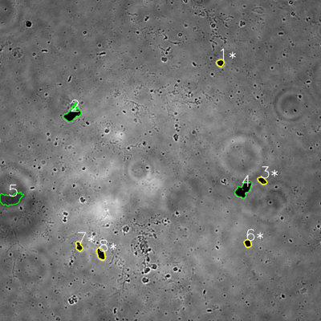
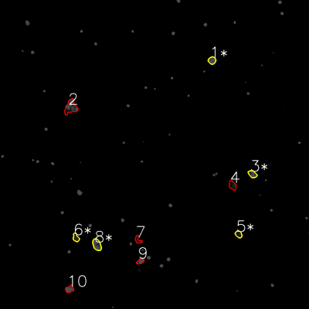

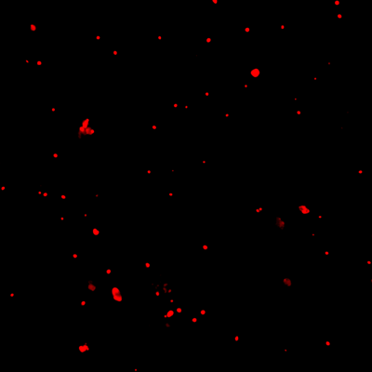
═══════════════ DETECTION REPORT ═══════════════ Source: 5 N NO 2_ch00.tif Parameters: Gray Thresh=53, Fluor Thresh=5, Overlap=80% ┌─── SUMMARY ───┐ Grayscale bacteria: 8 Fluorescence bacteria: 10 Co-localized pairs: 5 Co-localization rate: 62.5% ┌─── CO-LOCALIZED PAIRS (5) ───┐ Gray Fluor Overlap G.Area F.Area Intersect ──────────────────────────────────────────────────────────── 1 1 100.0% 554 675 554 3 3 99.1% 652 699 646 6 5 88.9% 606 547 539 7 6 85.8% 632 571 542 8 8 98.8% 1019 1160 1007 ┌─── GRAYSCALE CHANNEL (8 bacteria) ───┐ ID * Area Mode Max Centroid (Y, X) ─────────────────────────────────────────────────────── 1 * 554 0.0 136 (234.9, 823.6) 2 2024 0.0 186 (426.5, 270.5) 3 * 652 0.0 152 (675.2, 980.3) 4 2327 0.0 183 (707.9, 910.5) 5 2977 58.0 96 (743.8, 39.7) 6 * 606 0.0 79 (909.7, 926.1) 7 * 632 0.0 166 (921.4, 295.4) 8 * 1019 0.0 119 (949.4, 377.1) ─────────────────────────────────────────────────────── Stats: Area μ=1348.9 σ=891.3 | Intensity(mode) μ=7.2 ┌─── FLUORESCENCE CHANNEL (10 bacteria) ───┐ ID * Area Mode Max Centroid (Y, X) ─────────────────────────────────────────────────────── 1 * 675 76.0 76 (234.5, 823.3) 2 1919 76.0 76 (416.0, 274.7) 3 * 699 76.0 76 (676.0, 980.4) 4 771 9.0 51 (719.7, 902.9) 5 * 547 32.0 61 (909.6, 926.6) 6 * 571 9.0 57 (922.9, 294.6) 7 471 0.0 63 (931.0, 536.1) 8 * 1160 76.0 76 (950.1, 376.1) 9 503 76.0 76 (1013.3, 545.8) 10 683

Review_3_5 N NO 3_ch00.tif
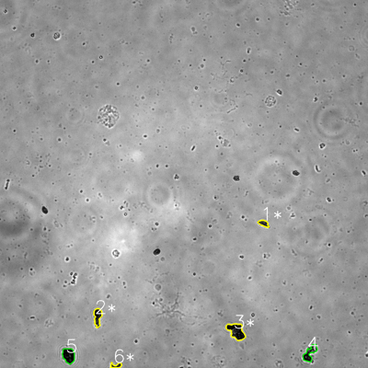
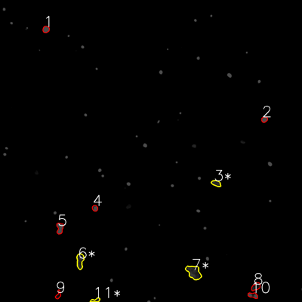

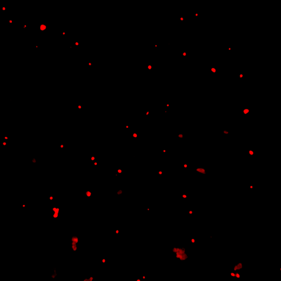
═══════════════ DETECTION REPORT ═══════════════ Source: 5 N NO 3_ch00.tif Parameters: Gray Thresh=53, Fluor Thresh=5, Overlap=80% ┌─── SUMMARY ───┐ Grayscale bacteria: 6 Fluorescence bacteria: 11 Co-localized pairs: 4 Co-localization rate: 66.7% ┌─── CO-LOCALIZED PAIRS (4) ───┐ Gray Fluor Overlap G.Area F.Area Intersect ──────────────────────────────────────────────────────────── 1 3 100.0% 537 673 537 2 6 95.5% 1155 1308 1103 3 7 96.4% 2225 2320 2144 6 11 90.7% 428 415 388 ┌─── GRAYSCALE CHANNEL (6 bacteria) ───┐ ID * Area Mode Max Centroid (Y, X) ─────────────────────────────────────────────────────── 1 * 537 40.0 103 (728.3, 859.5) 2 * 1155 15.0 122 (1033.0, 318.1) 3 * 2225 0.0 136 (1080.3, 770.5) 4 1287 0.0 173 (1151.7, 1010.2) 5 1589 0.0 87 (1159.2, 223.7) 6 * 428 28.0 105 (1192.4, 378.6) ─────────────────────────────────────────────────────── Stats: Area μ=1203.5 σ=612.0 | Intensity(mode) μ=13.8 ┌─── FLUORESCENCE CHANNEL (11 bacteria) ───┐ ID * Area Mode Max Centroid (Y, X) ─────────────────────────────────────────────────────── 1 569 76.0 76 (116.8, 182.6) 2 423 76.0 76 (474.9, 1050.5) 3 * 673 37.0 60 (728.5, 859.1) 4 422 76.0 76 (827.3, 377.2) 5 899 76.0 76 (906.5, 237.9) 6 * 1308 37.0 76 (1036.4, 318.1) 7 * 2320 30.0 71 (1082.1, 770.2) 8 771 25.0 51 (1139.2, 1016.8) 9 407 0.0 36 (1172.0, 231.5) 10 647 76.0 76 (1173.6, 1005.1) 11 * 415 18.0 58 (1193.1, 379.5) ─────────────────────────────────────────────────

Review_4_5 N NO 4_ch00.tif
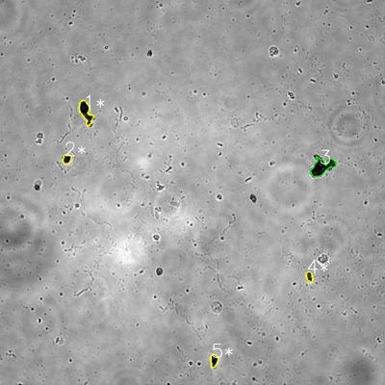
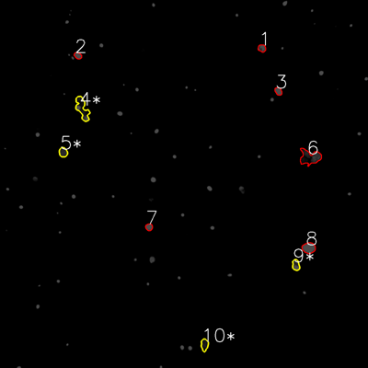

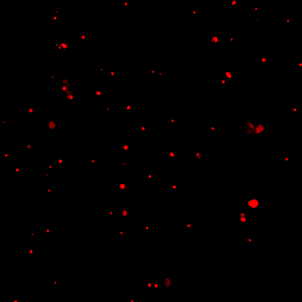
═══════════════ DETECTION REPORT ═══════════════ Source: 5 N NO 4_ch00.tif Parameters: Gray Thresh=53, Fluor Thresh=5, Overlap=80% ┌─── SUMMARY ───┐ Grayscale bacteria: 5 Fluorescence bacteria: 10 Co-localized pairs: 4 Co-localization rate: 80.0% ┌─── CO-LOCALIZED PAIRS (4) ───┐ Gray Fluor Overlap G.Area F.Area Intersect ──────────────────────────────────────────────────────────── 1 4 90.3% 1845 1931 1666 2 5 88.3% 635 690 561 4 9 100.0% 498 680 498 5 10 97.6% 711 740 694 ┌─── GRAYSCALE CHANNEL (5 bacteria) ───┐ ID * Area Mode Max Centroid (Y, X) ─────────────────────────────────────────────────────── 1 * 1845 0.0 142 (349.2, 267.3) 2 * 635 0.0 98 (495.4, 208.4) 3 2569 6.0 113 (520.4, 1003.6) 4 * 498 23.0 131 (862.6, 964.6) 5 * 711 0.0 91 (1124.1, 667.1) ─────────────────────────────────────────────────────── Stats: Area μ=1251.6 σ=815.8 | Intensity(mode) μ=5.8 ┌─── FLUORESCENCE CHANNEL (10 bacteria) ───┐ ID * Area Mode Max Centroid (Y, X) ─────────────────────────────────────────────────────── 1 494 76.0 76 (157.1, 854.0) 2 411 76.0 76 (181.3, 253.9) 3 466 76.0 76 (297.4, 907.7) 4 * 1931 76.0 76 (354.0, 268.1) 5 * 690 37.0 61 (496.5, 206.0) 6 2391 0.0 71 (512.8, 1010.7) 7 422 76.0 76 (740.5, 486.0) 8 1228 76.0 76 (808.4, 1006.8) 9 * 680 76.0 76 (864.2, 964.8) 10 * 740 25.0 40 (1124.2, 666.9) ─────────────────────────────────────────────────────── Stats: Area μ=945.3 σ=656.7 | Intensity(mode) μ=59.4 Legend: * = Co-localized | Yellow contours = Co-localized

Review_5_5 N NO 5_ch00.tif
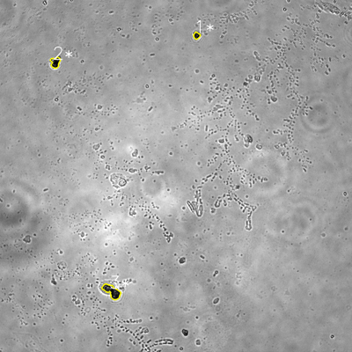
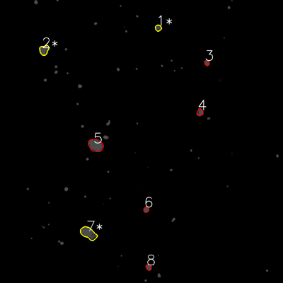

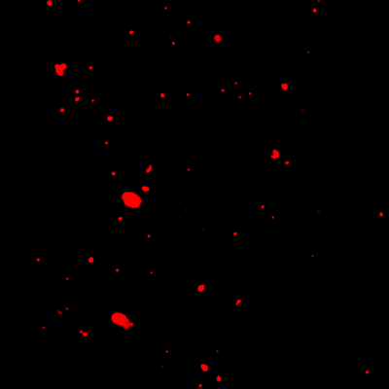
═══════════════ DETECTION REPORT ═══════════════ Source: 5 N NO 5_ch00.tif Parameters: Gray Thresh=53, Fluor Thresh=5, Overlap=80% ┌─── SUMMARY ───┐ Grayscale bacteria: 3 Fluorescence bacteria: 8 Co-localized pairs: 3 Co-localization rate: 100.0% ┌─── CO-LOCALIZED PAIRS (3) ───┐ Gray Fluor Overlap G.Area F.Area Intersect ──────────────────────────────────────────────────────────── 1 1 96.1% 407 534 391 2 2 100.0% 898 1237 898 3 7 96.1% 1821 2577 1750 ┌─── GRAYSCALE CHANNEL (3 bacteria) ───┐ ID * Area Mode Max Centroid (Y, X) ─────────────────────────────────────────────────────── 1 * 407 24.0 98 (121.2, 670.3) 2 * 898 0.0 255 (212.8, 188.6) 3 * 1821 24.0 192 (993.2, 381.3) ─────────────────────────────────────────────────────── Stats: Area μ=1042.0 σ=586.2 | Intensity(mode) μ=16.0 ┌─── FLUORESCENCE CHANNEL (8 bacteria) ───┐ ID * Area Mode Max Centroid (Y, X) ─────────────────────────────────────────────────────── 1 * 534 76.0 76 (118.6, 671.0) 2 * 1237 76.0 76 (212.4, 186.9) 3 405 76.0 76 (266.6, 877.4) 4 655 76.0 76 (476.2, 847.9) 5 2698 76.0 76 (616.2, 405.9) 6 447 76.0 76 (888.6, 620.3) 7 * 2577 76.0 76 (989.2, 375.2) 8 465 76.0 76 (1133.6, 630.1) ─────────────────────────────────────────────────────── Stats: Area μ=1127.2 σ=906.8 | Intensity(mode) μ=76.0 Legend: * = Co-localized | Yellow contours = Co-localized

