Review_1_6 P 1_ch00.tif
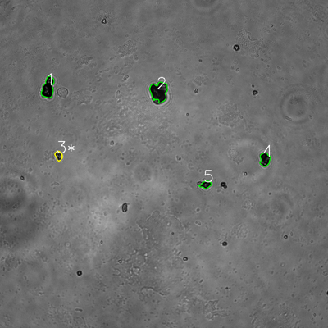
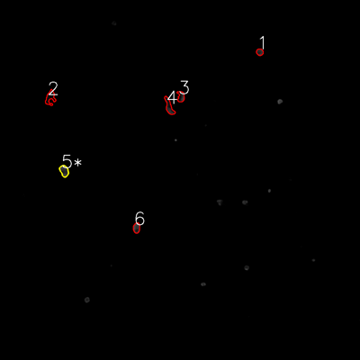


═══════════════ DETECTION REPORT ═══════════════ Source: 6 P 1_ch00.tif Parameters: Gray Thresh=53, Fluor Thresh=5, Overlap=80% ┌─── SUMMARY ───┐ Grayscale bacteria: 5 Fluorescence bacteria: 6 Co-localized pairs: 1 Co-localization rate: 20.0% ┌─── CO-LOCALIZED PAIRS (1) ───┐ Gray Fluor Overlap G.Area F.Area Intersect ──────────────────────────────────────────────────────────── 3 5 99.4% 705 842 701 ┌─── GRAYSCALE CHANNEL (5 bacteria) ───┐ ID * Area Mode Max Centroid (Y, X) ─────────────────────────────────────────────────────── 1 2576 0.0 138 (321.1, 175.9) 2 3520 12.0 140 (335.3, 581.6) 3 * 705 18.0 161 (569.7, 214.8) 4 1465 8.0 192 (583.3, 969.0) 5 818 9.0 170 (675.4, 752.3) ─────────────────────────────────────────────────────── Stats: Area μ=1816.8 σ=1080.3 | Intensity(mode) μ=9.4 ┌─── FLUORESCENCE CHANNEL (6 bacteria) ───┐ ID * Area Mode Max Centroid (Y, X) ─────────────────────────────────────────────────────── 1 423 37.0 76 (173.5, 865.8) 2 971 0.0 30 (325.3, 167.6) 3 650 0.0 76 (322.1, 602.9) 4 965 0.0 71 (355.2, 563.8) 5 * 842 42.0 76 (569.6, 213.7) 6 633 76.0 76 (759.5, 455.1) ─────────────────────────────────────────────────────── Stats: Area μ=747.3 σ=197.5 | Intensity(mode) μ=25.8 Legend: * = Co-localized | Yellow contours = Co-localized

Review_2_6 P 2_ch00.tif
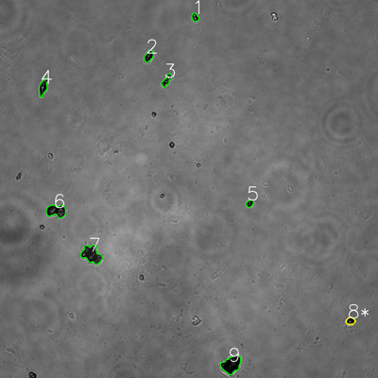
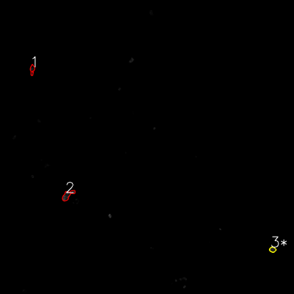


═══════════════ DETECTION REPORT ═══════════════ Source: 6 P 2_ch00.tif Parameters: Gray Thresh=53, Fluor Thresh=5, Overlap=80% ┌─── SUMMARY ───┐ Grayscale bacteria: 9 Fluorescence bacteria: 3 Co-localized pairs: 1 Co-localization rate: 11.1% ┌─── CO-LOCALIZED PAIRS (1) ───┐ Gray Fluor Overlap G.Area F.Area Intersect ──────────────────────────────────────────────────────────── 8 3 82.4% 527 434 434 ┌─── GRAYSCALE CHANNEL (9 bacteria) ───┐ ID * Area Mode Max Centroid (Y, X) ─────────────────────────────────────────────────────── 1 448 13.0 229 (54.6, 619.1) 2 739 0.0 185 (178.3, 472.3) 3 717 20.0 243 (255.0, 529.2) 4 1068 11.0 192 (275.9, 137.1) 5 411 16.0 136 (645.9, 792.9) 6 1928 9.0 176 (669.7, 178.3) 7 2624 23.0 172 (808.0, 290.3) 8 * 527 0.0 213 (1019.0, 1112.5) 9 2577 0.0 107 (1157.3, 734.3) ─────────────────────────────────────────────────────── Stats: Area μ=1226.6 σ=853.2 | Intensity(mode) μ=10.2 ┌─── FLUORESCENCE CHANNEL (3 bacteria) ───┐ ID * Area Mode Max Centroid (Y, X) ─────────────────────────────────────────────────────── 1 536 0.0 60 (283.9, 131.4) 2 1107 0.0 76 (796.7, 276.0) 3 * 434 10.0 59 (1018.6, 1112.6) ─────────────────────────────────────────────────────── Stats: Area μ=692.3 σ=296.2 | Intensity(mode) μ=3.3 Legend: * = Co-localized | Yellow contours = Co-localized

Review_3_6 P 3_ch00.tif
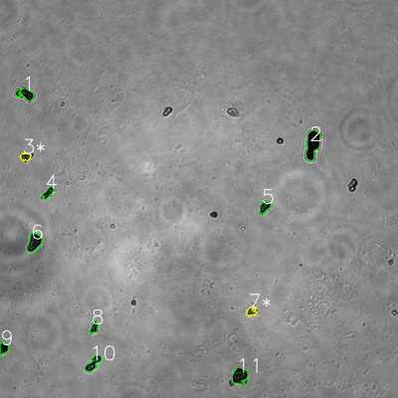
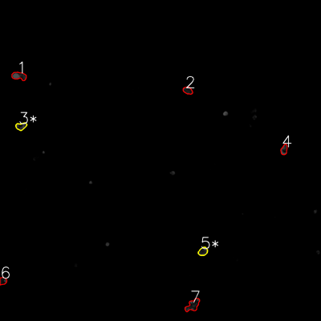


═══════════════ DETECTION REPORT ═══════════════ Source: 6 P 3_ch00.tif Parameters: Gray Thresh=53, Fluor Thresh=5, Overlap=80% ┌─── SUMMARY ───┐ Grayscale bacteria: 11 Fluorescence bacteria: 7 Co-localized pairs: 2 Co-localization rate: 18.2% ┌─── CO-LOCALIZED PAIRS (2) ───┐ Gray Fluor Overlap G.Area F.Area Intersect ──────────────────────────────────────────────────────────── 3 3 99.3% 545 819 541 7 5 99.7% 576 824 574 ┌─── GRAYSCALE CHANNEL (11 bacteria) ───┐ ID * Area Mode Max Centroid (Y, X) ─────────────────────────────────────────────────────── 1 1305 0.0 136 (283.6, 76.4) 2 2900 0.0 72 (434.7, 942.5) 3 * 545 28.0 191 (472.5, 76.5) 4 776 21.0 143 (580.7, 145.5) 5 878 21.0 136 (623.8, 798.2) 6 1823 14.0 117 (730.7, 102.5) 7 * 576 39.0 193 (939.2, 757.4) 8 631 21.0 112 (986.8, 284.1) 9 751 0.0 71 (1049.8, 11.0) 10 1293 14.0 207 (1095.8, 280.7) 11 1845 0.0 142 (1133.3, 722.6) ─────────────────────────────────────────────────────── Stats: Area μ=1211.2 σ=696.7 | Intensity(mode) μ=14.4 ┌─── FLUORESCENCE CHANNEL (7 bacteria) ───┐ ID * Area Mode Max Centroid (Y, X) ─────────────────────────────────────────────────────── 1 1248 76.0 76 (283.8, 71.2) 2 749 27.0 76 (338.2, 701.9) 3 * 819 39.0 76 (472.0, 78.7) 4 723 76.0 76 (559.5, 1062.2) 5 * 824 35.0 75 (939.9, 758.8) 6 591 13.0 76 (1050.4, 10.9) 7 1572 22.0 76 (1140.9, 720.8) ─────────────────────────────────────────────────────── Stats: Area μ=932.3 σ=322.3 | Intensity(mode) μ=41.1 Le

Review_4_6 P 4_ch00.tif
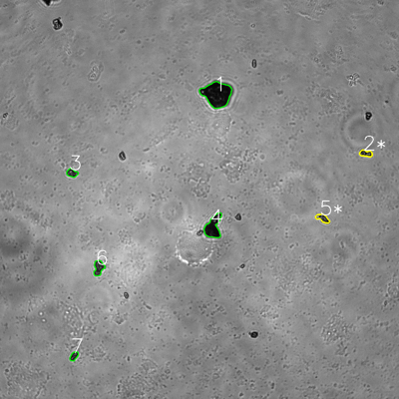
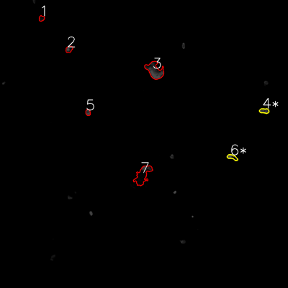

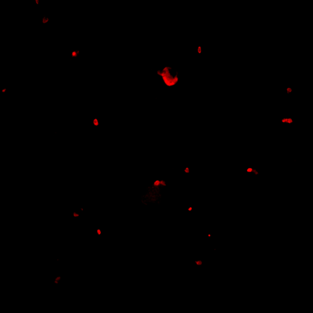
═══════════════ DETECTION REPORT ═══════════════ Source: 6 P 4_ch00.tif Parameters: Gray Thresh=53, Fluor Thresh=5, Overlap=80% ┌─── SUMMARY ───┐ Grayscale bacteria: 7 Fluorescence bacteria: 7 Co-localized pairs: 2 Co-localization rate: 28.6% ┌─── CO-LOCALIZED PAIRS (2) ───┐ Gray Fluor Overlap G.Area F.Area Intersect ──────────────────────────────────────────────────────────── 2 4 95.9% 605 648 580 5 6 80.2% 691 626 554 ┌─── GRAYSCALE CHANNEL (7 bacteria) ───┐ ID * Area Mode Max Centroid (Y, X) ─────────────────────────────────────────────────────── 1 5193 14.0 171 (283.3, 652.4) 2 * 605 28.0 159 (461.5, 1100.4) 3 629 32.0 215 (520.2, 216.3) 4 2455 17.0 147 (682.3, 641.2) 5 * 691 36.0 255 (656.3, 970.6) 6 1073 46.0 159 (805.5, 296.5) 7 491 43.0 148 (1071.1, 222.3) ─────────────────────────────────────────────────────── Stats: Area μ=1591.0 σ=1599.4 | Intensity(mode) μ=30.9 ┌─── FLUORESCENCE CHANNEL (7 bacteria) ───┐ ID * Area Mode Max Centroid (Y, X) ─────────────────────────────────────────────────────── 1 415 13.0 35 (76.6, 173.0) 2 583 76.0 76 (205.1, 288.0) 3 3480 76.0 76 (293.9, 644.6) 4 * 648 44.0 76 (461.9, 1101.0) 5 434 44.0 76 (468.3, 366.6) 6 * 626 76.0 76 (655.1, 967.8) 7 3172 0.0 76 (729.7, 594.6) ─────────────────────────────────────────────────────── Stats: Area μ=1336.9 σ=1263.4 | Intensity(mode) μ=47.0 Legend: * = Co-localized | Yellow contours = Co-localized

Review_5_6 P 5_ch00.tif
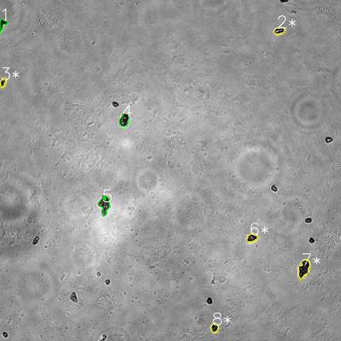
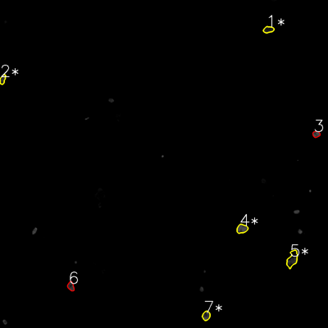

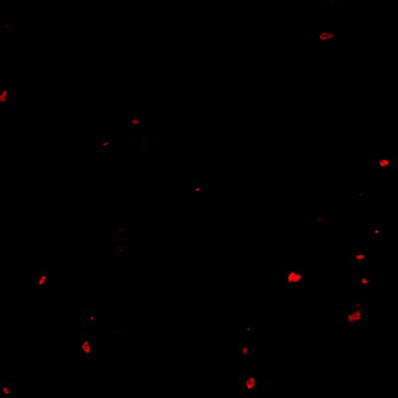
═══════════════ DETECTION REPORT ═══════════════ Source: 6 P 5_ch00.tif Parameters: Gray Thresh=53, Fluor Thresh=5, Overlap=80% ┌─── SUMMARY ───┐ Grayscale bacteria: 8 Fluorescence bacteria: 7 Co-localized pairs: 5 Co-localization rate: 62.5% ┌─── CO-LOCALIZED PAIRS (5) ───┐ Gray Fluor Overlap G.Area F.Area Intersect ──────────────────────────────────────────────────────────── 2 1 96.1% 699 705 672 3 2 98.6% 498 531 491 6 4 100.0% 827 1022 827 7 5 85.2% 1867 1654 1590 8 7 99.2% 642 753 637 ┌─── GRAYSCALE CHANNEL (8 bacteria) ───┐ ID * Area Mode Max Centroid (Y, X) ─────────────────────────────────────────────────────── 1 625 0.0 111 (84.1, 8.9) 2 * 699 0.0 255 (108.1, 982.2) 3 * 498 0.0 255 (290.5, 9.9) 4 1186 22.0 255 (422.0, 437.2) 5 1657 48.0 242 (720.8, 367.6) 6 * 827 25.0 192 (837.2, 885.7) 7 * 1867 0.0 149 (945.5, 1068.6) 8 * 642 0.0 152 (1153.5, 754.7) ─────────────────────────────────────────────────────── Stats: Area μ=1000.1 σ=482.1 | Intensity(mode) μ=11.9 ┌─── FLUORESCENCE CHANNEL (7 bacteria) ───┐ ID * Area Mode Max Centroid (Y, X) ─────────────────────────────────────────────────────── 1 * 705 22.0 56 (108.3, 982.1) 2 * 531 42.0 70 (290.5, 9.6) 3 485 76.0 76 (491.0, 1156.9) 4 * 1022 76.0 76 (836.9, 885.4) 5 * 1654 0.0 73 (947.7, 1069.4) 6 612 48.0 76 (1047.5, 259.3) 7 * 753 76.0 76 (1154.9, 754.4) ─────────────────────────────────────────────────────── Stats: Area μ=823.1 σ=376.6 | Intensity(mode) μ=48.6 Legend: * = Co-loc

