Review_1_7 P 1_ch00.tif
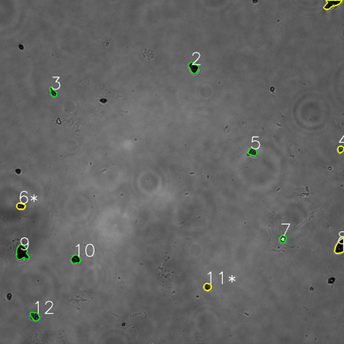
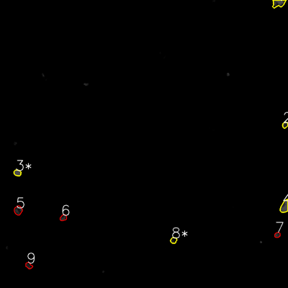

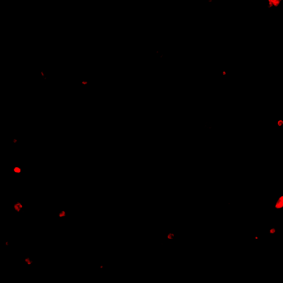
═══════════════ DETECTION REPORT ═══════════════ Source: 7 P 1_ch00.tif Parameters: Gray Thresh=53, Fluor Thresh=5, Overlap=80% ┌─── SUMMARY ───┐ Grayscale bacteria: 12 Fluorescence bacteria: 9 Co-localized pairs: 5 Co-localization rate: 41.7% ┌─── CO-LOCALIZED PAIRS (5) ───┐ Gray Fluor Overlap G.Area F.Area Intersect ──────────────────────────────────────────────────────────── 1 1 91.1% 1244 1332 1133 4 2 100.0% 409 449 409 6 3 98.7% 541 612 534 8 4 99.0% 1275 1315 1262 11 8 92.6% 527 515 488 ┌─── GRAYSCALE CHANNEL (12 bacteria) ───┐ ID * Area Mode Max Centroid (Y, X) ─────────────────────────────────────────────────────── 1 * 1244 0.0 129 (12.8, 1157.4) 2 924 7.0 78 (235.6, 674.7) 3 500 17.0 171 (321.6, 184.8) 4 * 409 14.0 154 (520.7, 1188.0) 5 625 40.0 122 (529.5, 881.0) 6 * 541 9.0 132 (719.2, 72.3) 7 457 255.0 255 (833.5, 986.5) 8 * 1275 0.0 89 (860.3, 1185.5) 9 1631 0.0 107 (881.1, 76.3) 10 726 14.0 111 (904.5, 263.4) 11 * 527 38.0 129 (1000.6, 723.5) 12 694 26.0 136 (1103.0, 121.5) ─────────────────────────────────────────────────────── Stats: Area μ=796.1 σ=373.9 | Intensity(mode) μ=35.0 ┌─── FLUORESCENCE CHANNEL (9 bacteria) ───┐ ID * Area Mode Max Centroid (Y, X) ─────────────────────────────────────────────────────── 1 * 1332 76.0 76 (13.1, 1160.7) 2 * 449 35.0 76 (520.7, 1187.8) 3 * 612 76.0 76 (720.1, 72.6) 4 * 1315 76.0 76 (860.8, 1185.6) 5 989 35.0 68 (876.5, 75.6) 6 555

Review_2_7 P 2_ch00.tif
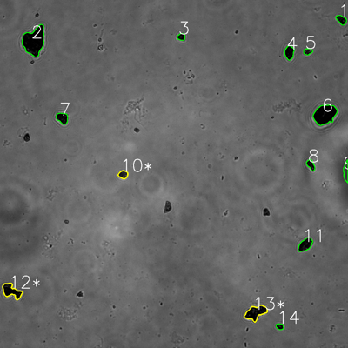
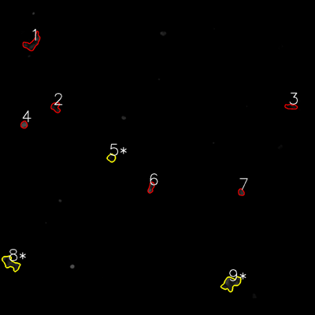

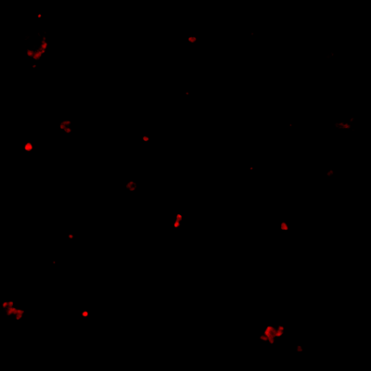
═══════════════ DETECTION REPORT ═══════════════ Source: 7 P 2_ch00.tif Parameters: Gray Thresh=53, Fluor Thresh=5, Overlap=80% ┌─── SUMMARY ───┐ Grayscale bacteria: 14 Fluorescence bacteria: 9 Co-localized pairs: 3 Co-localization rate: 21.4% ┌─── CO-LOCALIZED PAIRS (3) ───┐ Gray Fluor Overlap G.Area F.Area Intersect ──────────────────────────────────────────────────────────── 10 5 94.6% 728 714 689 12 8 90.6% 2142 2064 1941 13 9 90.7% 2560 2542 2321 ┌─── GRAYSCALE CHANNEL (14 bacteria) ───┐ ID * Area Mode Max Centroid (Y, X) ─────────────────────────────────────────────────────── 1 827 0.0 64 (68.0, 1177.0) 2 5598 0.0 78 (141.9, 117.2) 3 537 0.0 50 (127.1, 625.0) 4 1218 0.0 45 (181.2, 997.7) 5 527 0.0 117 (177.6, 1061.4) 6 4266 0.0 79 (394.8, 1119.9) 7 1204 2.0 44 (407.2, 214.8) 8 727 8.0 78 (568.2, 1071.5) 9 883 54.0 69 (591.9, 1193.1) 10 * 728 24.0 97 (601.9, 424.6) 11 1609 0.0 79 (843.8, 1052.9) 12 * 2142 0.0 76 (1003.7, 39.2) 13 * 2560 0.0 77 (1077.7, 881.3) 14 436 0.0 68 (1125.9, 964.8) ─────────────────────────────────────────────────────── Stats: Area μ=1661.6 σ=1483.9 | Intensity(mode) μ=6.3 ┌─── FLUORESCENCE CHANNEL (9 bacteria) ───┐ ID * Area Mode Max Centroid (Y, X) ─────────────────────────────────────────────────────── 1 1975 0.0 62 (163.4, 123.3) 2 951 13.0 45 (408.3, 212.2) 3 698 0.0 36 (406.4, 1108.4) 4 545 76.0 76 (475.0, 91.4) 5 * 714 0.0 35 (601.5, 424.3) 6

Review_3_7 P 3_ch00.tif
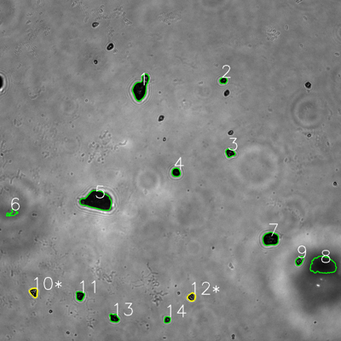
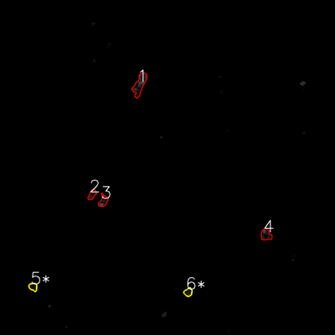


═══════════════ DETECTION REPORT ═══════════════ Source: 7 P 3_ch00.tif Parameters: Gray Thresh=53, Fluor Thresh=5, Overlap=80% ┌─── SUMMARY ───┐ Grayscale bacteria: 14 Fluorescence bacteria: 6 Co-localized pairs: 2 Co-localization rate: 14.3% ┌─── CO-LOCALIZED PAIRS (2) ───┐ Gray Fluor Overlap G.Area F.Area Intersect ──────────────────────────────────────────────────────────── 10 5 88.5% 714 655 632 12 6 96.2% 633 683 609 ┌─── GRAYSCALE CHANNEL (14 bacteria) ───┐ ID * Area Mode Max Centroid (Y, X) ─────────────────────────────────────────────────────── 1 3202 0.0 196 (309.4, 495.6) 2 495 0.0 104 (282.8, 786.1) 3 750 0.0 126 (538.1, 809.4) 4 751 0.0 86 (606.5, 619.4) 5 5314 11.0 79 (706.2, 342.2) 6 481 82.0 105 (749.6, 43.4) 7 2121 0.0 79 (840.9, 952.0) 8 4348 34.0 60 (933.1, 1136.5) 9 644 16.0 194 (917.5, 1053.6) 10 * 714 0.0 202 (1028.7, 119.1) 11 784 0.0 86 (1041.0, 281.6) 12 * 633 25.0 158 (1045.1, 674.2) 13 775 0.0 156 (1119.3, 401.6) 14 425 0.0 130 (1125.1, 588.3) ─────────────────────────────────────────────────────── Stats: Area μ=1531.2 σ=1544.4 | Intensity(mode) μ=12.0 ┌─── FLUORESCENCE CHANNEL (6 bacteria) ───┐ ID * Area Mode Max Centroid (Y, X) ─────────────────────────────────────────────────────── 1 2371 0.0 76 (303.1, 500.0) 2 690 10.0 53 (697.3, 329.2) 3 909 76.0 76 (720.2, 369.9) 4 1203 0.0 76 (841.3, 952.7) 5 * 655 19.0 54 (1027.4, 118.6) 6 * 683 25.0 54 (1046.4, 674.

Review_4_7 P 4_ch00.tif
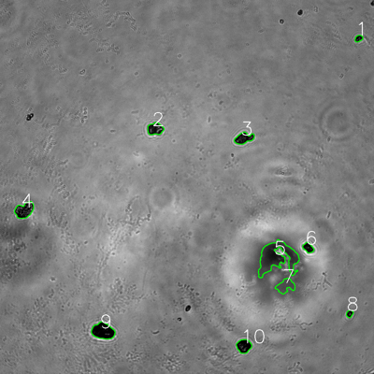
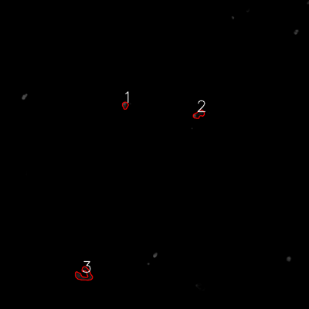


═══════════════ DETECTION REPORT ═══════════════ Source: 7 P 4_ch00.tif Parameters: Gray Thresh=53, Fluor Thresh=5, Overlap=80% ┌─── SUMMARY ───┐ Grayscale bacteria: 10 Fluorescence bacteria: 3 Co-localized pairs: 0 Co-localization rate: 0.0% ┌─── CO-LOCALIZED PAIRS ───┐ No co-localized bacteria detected ┌─── GRAYSCALE CHANNEL (10 bacteria) ───┐ ID * Area Mode Max Centroid (Y, X) ─────────────────────────────────────────────────────── 1 426 0.0 122 (123.3, 1150.7) 2 1596 16.0 218 (413.4, 498.0) 3 1630 16.0 138 (443.7, 782.1) 4 2313 0.0 184 (674.4, 77.9) 5 8234 68.0 102 (826.9, 888.4) 6 821 0.0 91 (794.7, 988.8) 7 1866 80.0 101 (917.5, 916.1) 8 407 0.0 142 (1006.4, 1121.7) 9 3059 0.0 93 (1062.4, 330.4) 10 1677 0.0 139 (1110.2, 782.4) ─────────────────────────────────────────────────────── Stats: Area μ=2202.9 σ=2156.3 | Intensity(mode) μ=18.0 ┌─── FLUORESCENCE CHANNEL (3 bacteria) ───┐ ID * Area Mode Max Centroid (Y, X) ─────────────────────────────────────────────────────── 1 487 0.0 76 (408.9, 486.0) 2 909 0.0 76 (443.6, 772.2) 3 1819 0.0 51 (1067.1, 326.7) ─────────────────────────────────────────────────────── Stats: Area μ=1071.7 σ=555.8 | Intensity(mode) μ=0.0 Legend: * = Co-localized | Yellow contours = Co-localized

Review_5_7 P 5_ch00.tif
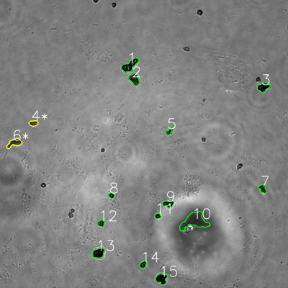
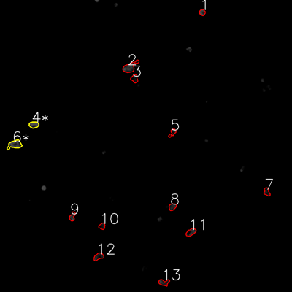

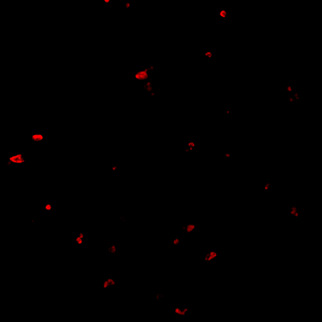
═══════════════ DETECTION REPORT ═══════════════ Source: 7 P 5_ch00.tif Parameters: Gray Thresh=53, Fluor Thresh=5, Overlap=80% ┌─── SUMMARY ───┐ Grayscale bacteria: 15 Fluorescence bacteria: 13 Co-localized pairs: 2 Co-localization rate: 13.3% ┌─── CO-LOCALIZED PAIRS (2) ───┐ Gray Fluor Overlap G.Area F.Area Intersect ──────────────────────────────────────────────────────────── 4 4 100.0% 681 844 681 6 6 88.4% 1441 1470 1274 ┌─── GRAYSCALE CHANNEL (15 bacteria) ───┐ ID * Area Mode Max Centroid (Y, X) ─────────────────────────────────────────────────────── 1 2162 13.0 237 (272.5, 540.4) 2 1457 19.0 133 (330.8, 559.8) 3 1404 0.0 85 (363.5, 1097.1) 4 * 681 30.0 163 (513.3, 139.3) 5 624 36.0 151 (546.9, 705.5) 6 * 1441 39.0 188 (595.3, 60.3) 7 798 16.0 146 (786.3, 1094.6) 8 451 28.0 157 (814.4, 464.3) 9 1050 11.0 162 (849.2, 701.5) 10 5087 53.0 103 (921.6, 810.1) 11 462 16.0 138 (900.0, 656.8) 12 679 36.0 175 (930.5, 420.8) 13 1637 8.0 86 (1054.6, 409.7) 14 654 0.0 121 (1102.2, 596.1) 15 1603 0.0 107 (1161.8, 672.7) ─────────────────────────────────────────────────────── Stats: Area μ=1346.0 σ=1116.4 | Intensity(mode) μ=20.3 ┌─── FLUORESCENCE CHANNEL (13 bacteria) ───┐ ID * Area Mode Max Centroid (Y, X) ─────────────────────────────────────────────────────── 1 486 76.0 76 (51.0, 831.2) 2 1631 0.0 76 (276.2, 533.6) 3 696 0.0 43 (323.4, 552.5) 4 * 844 76.0 76 (512.6, 139.1) 5 526 0.0 75 (545.2, 709.0)

