Review_1_8 P 1_ch00.tif
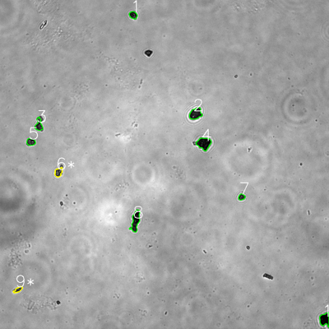
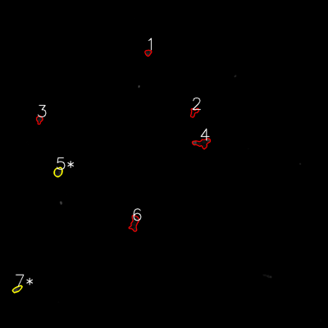


═══════════════ DETECTION REPORT ═══════════════ Source: 8 P 1_ch00.tif Parameters: Gray Thresh=53, Fluor Thresh=5, Overlap=80% ┌─── SUMMARY ───┐ Grayscale bacteria: 10 Fluorescence bacteria: 7 Co-localized pairs: 2 Co-localization rate: 20.0% ┌─── CO-LOCALIZED PAIRS (2) ───┐ Gray Fluor Overlap G.Area F.Area Intersect ──────────────────────────────────────────────────────────── 6 5 97.3% 696 801 677 9 7 96.4% 422 529 407 ┌─── GRAYSCALE CHANNEL (10 bacteria) ───┐ ID * Area Mode Max Centroid (Y, X) ─────────────────────────────────────────────────────── 1 606 13.0 122 (55.0, 485.8) 2 1420 27.0 170 (414.6, 713.4) 3 836 29.0 178 (455.6, 141.5) 4 1733 12.0 84 (523.0, 743.7) 5 658 45.0 184 (517.6, 112.5) 6 * 696 38.0 179 (628.2, 213.3) 7 413 23.0 120 (718.5, 881.1) 8 1650 16.0 134 (805.5, 494.2) 9 * 422 31.0 141 (1056.6, 65.6) 10 1336 0.0 79 (1164.7, 1184.2) ─────────────────────────────────────────────────────── Stats: Area μ=977.0 σ=481.0 | Intensity(mode) μ=23.4 ┌─── FLUORESCENCE CHANNEL (7 bacteria) ───┐ ID * Area Mode Max Centroid (Y, X) ─────────────────────────────────────────────────────── 1 408 25.0 56 (192.7, 541.7) 2 588 0.0 28 (410.4, 709.8) 3 492 28.0 48 (437.2, 143.9) 4 1342 0.0 76 (523.1, 739.1) 5 * 801 14.0 56 (629.2, 212.8) 6 1229 14.0 51 (816.2, 491.5) 7 * 529 49.0 75 (1057.4, 62.8) ─────────────────────────────────────────────────────── Stats: Area μ=769.9 σ=346.1 | Intensity(mode) μ=18.6 Legend: * = Co-localized | Yellow contours = Co-localiz

Review_2_8 P 2_ch00.tif
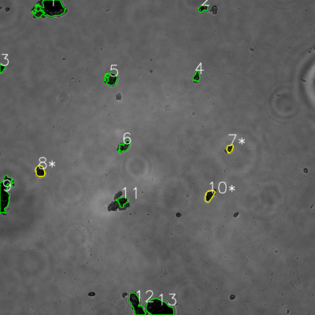
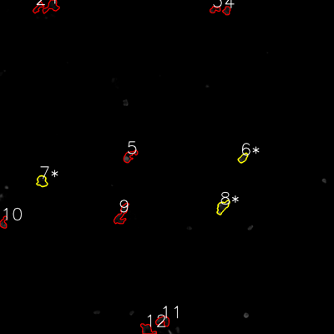


═══════════════ DETECTION REPORT ═══════════════ Source: 8 P 2_ch00.tif Parameters: Gray Thresh=53, Fluor Thresh=5, Overlap=80% ┌─── SUMMARY ───┐ Grayscale bacteria: 13 Fluorescence bacteria: 12 Co-localized pairs: 3 Co-localization rate: 23.1% ┌─── CO-LOCALIZED PAIRS (3) ───┐ Gray Fluor Overlap G.Area F.Area Intersect ──────────────────────────────────────────────────────────── 7 6 93.8% 581 729 545 8 7 85.2% 1205 1107 1027 10 8 96.7% 1083 1304 1047 ┌─── GRAYSCALE CHANNEL (13 bacteria) ───┐ ID * Area Mode Max Centroid (Y, X) ─────────────────────────────────────────────────────── 1 5318 0.0 87 (32.2, 192.0) 2 778 10.0 157 (30.3, 773.5) 3 456 0.0 55 (259.6, 7.7) 4 682 18.0 110 (291.6, 749.1) 5 1571 18.0 64 (300.8, 423.8) 6 1148 24.0 102 (558.4, 473.5) 7 * 581 24.0 139 (565.6, 875.4) 8 * 1205 11.0 69 (652.3, 152.7) 9 4191 0.0 107 (737.1, 17.6) 10 * 1083 11.0 86 (745.2, 797.6) 11 1050 18.0 84 (766.8, 466.3) 12 2910 0.0 79 (1159.6, 519.3) 13 5016 0.0 74 (1172.7, 605.4) ─────────────────────────────────────────────────────── Stats: Area μ=1999.2 σ=1679.0 | Intensity(mode) μ=10.3 ┌─── FLUORESCENCE CHANNEL (12 bacteria) ───┐ ID * Area Mode Max Centroid (Y, X) ─────────────────────────────────────────────────────── 1 1411 0.0 35 (22.6, 185.2) 2 667 0.0 39 (26.7, 136.9) 3 574 0.0 46 (34.3, 771.8) 4 596 23.0 61 (38.1, 814.9) 5 1113 76.0 76 (561.0, 465.0) 6 * 729 27.0 63 (567.6, 873.2) 7 * 1107

Review_3_8 P 3_ch00.tif
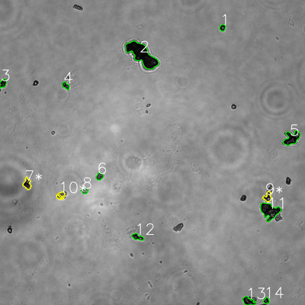
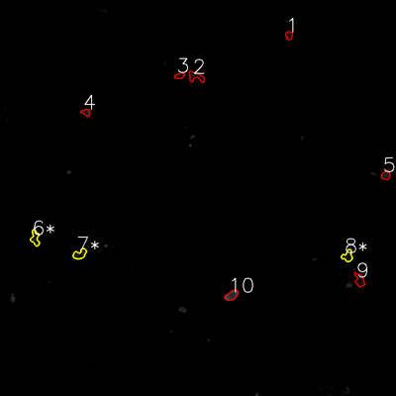


═══════════════ DETECTION REPORT ═══════════════ Source: 8 P 3_ch00.tif Parameters: Gray Thresh=53, Fluor Thresh=5, Overlap=80% ┌─── SUMMARY ───┐ Grayscale bacteria: 14 Fluorescence bacteria: 10 Co-localized pairs: 3 Co-localization rate: 21.4% ┌─── CO-LOCALIZED PAIRS (3) ───┐ Gray Fluor Overlap G.Area F.Area Intersect ──────────────────────────────────────────────────────────── 7 6 82.8% 928 816 768 9 8 90.4% 802 764 725 10 7 81.4% 617 835 502 ┌─── GRAYSCALE CHANNEL (14 bacteria) ───┐ ID * Area Mode Max Centroid (Y, X) ─────────────────────────────────────────────────────── 1 489 8.0 181 (108.9, 875.2) 2 6975 8.0 96 (214.7, 558.3) 3 689 8.0 113 (328.0, 11.7) 4 580 33.0 130 (336.9, 258.4) 5 2355 0.0 168 (543.2, 1148.1) 6 646 46.0 164 (693.5, 392.0) 7 * 928 20.0 252 (722.9, 106.7) 8 449 63.0 227 (751.1, 333.3) 9 * 802 20.0 204 (774.8, 1052.8) 10 * 617 42.0 188 (768.9, 239.1) 11 3431 16.0 180 (830.2, 1060.9) 12 817 20.0 217 (932.6, 540.9) 13 1180 0.0 114 (1185.4, 978.1) 14 416 8.0 176 (1182.9, 1048.1) ─────────────────────────────────────────────────────── Stats: Area μ=1455.3 σ=1734.2 | Intensity(mode) μ=20.9 ┌─── FLUORESCENCE CHANNEL (10 bacteria) ───┐ ID * Area Mode Max Centroid (Y, X) ─────────────────────────────────────────────────────── 1 404 0.0 42 (107.2, 875.8) 2 902 0.0 33 (232.2, 593.5) 3 407 9.0 50 (229.7, 544.3) 4 426 9.0 58 (340.6, 261.1) 5 570 32.0 48 (530.9, 1169.5) 6

Review_4_8 P 4_ch00.tif
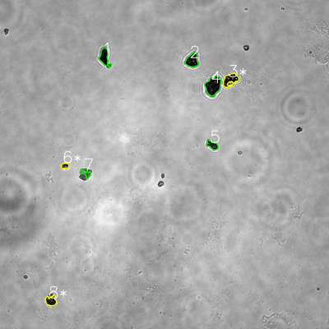
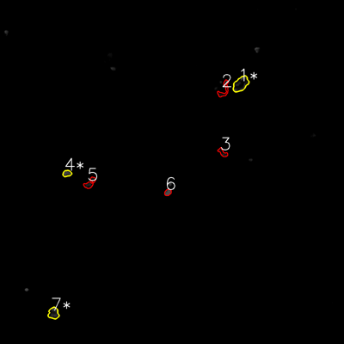


═══════════════ DETECTION REPORT ═══════════════ Source: 8 P 4_ch00.tif Parameters: Gray Thresh=53, Fluor Thresh=5, Overlap=80% ┌─── SUMMARY ───┐ Grayscale bacteria: 8 Fluorescence bacteria: 7 Co-localized pairs: 3 Co-localization rate: 37.5% ┌─── CO-LOCALIZED PAIRS (3) ───┐ Gray Fluor Overlap G.Area F.Area Intersect ──────────────────────────────────────────────────────────── 3 1 91.9% 1830 2067 1681 6 4 93.6% 481 542 450 8 7 83.3% 1159 1171 965 ┌─── GRAYSCALE CHANNEL (8 bacteria) ───┐ ID * Area Mode Max Centroid (Y, X) ─────────────────────────────────────────────────────── 1 1558 0.0 119 (208.3, 381.4) 2 1712 13.0 125 (220.5, 700.6) 3 * 1830 14.0 255 (290.6, 840.1) 4 2913 13.0 98 (312.7, 777.6) 5 868 19.0 202 (529.4, 774.7) 6 * 481 34.0 210 (604.7, 236.3) 7 591 54.0 172 (631.1, 313.4) 8 * 1159 16.0 101 (1097.2, 185.9) ─────────────────────────────────────────────────────── Stats: Area μ=1389.0 σ=744.6 | Intensity(mode) μ=20.4 ┌─── FLUORESCENCE CHANNEL (7 bacteria) ───┐ ID * Area Mode Max Centroid (Y, X) ─────────────────────────────────────────────────────── 1 * 2067 0.0 76 (293.0, 839.8) 2 840 0.0 76 (312.4, 781.3) 3 530 0.0 51 (532.4, 776.7) 4 * 542 54.0 76 (604.9, 233.7) 5 813 0.0 45 (639.0, 313.6) 6 424 76.0 76 (671.0, 585.4) 7 * 1171 16.0 76 (1092.8, 186.7) ─────────────────────────────────────────────────────── Stats: Area μ=912.4 σ=526.0 | Intensity(mode) μ=20.9 Legend: * = Co-localized | Yellow contours = Co-localized

Review_5_8 P 5_ch00.tif
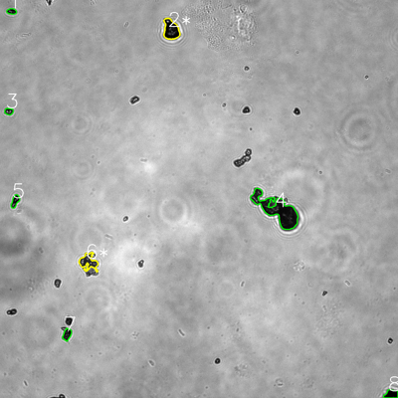
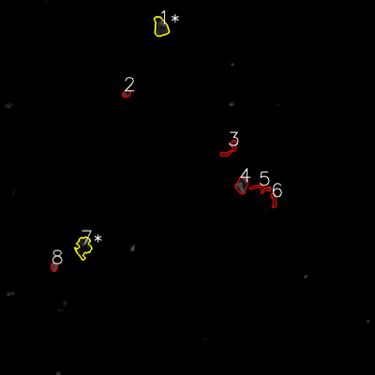

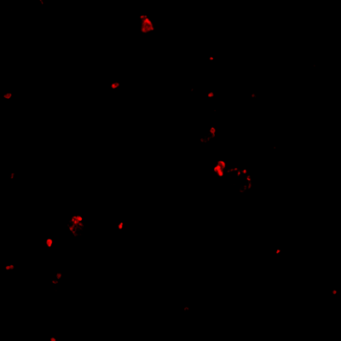
═══════════════ DETECTION REPORT ═══════════════ Source: 8 P 5_ch00.tif Parameters: Gray Thresh=53, Fluor Thresh=5, Overlap=80% ┌─── SUMMARY ───┐ Grayscale bacteria: 8 Fluorescence bacteria: 8 Co-localized pairs: 2 Co-localization rate: 25.0% ┌─── CO-LOCALIZED PAIRS (2) ───┐ Gray Fluor Overlap G.Area F.Area Intersect ──────────────────────────────────────────────────────────── 2 1 89.7% 2288 2143 2052 6 7 83.9% 1662 2298 1395 ┌─── GRAYSCALE CHANNEL (8 bacteria) ───┐ ID * Area Mode Max Centroid (Y, X) ─────────────────────────────────────────────────────── 1 407 9.0 132 (34.2, 34.8) 2 * 2288 0.0 255 (89.5, 515.6) 3 424 18.0 251 (335.7, 26.6) 4 6936 15.0 214 (633.3, 836.9) 5 663 10.0 155 (606.2, 45.5) 6 * 1662 46.0 202 (790.8, 266.3) 7 704 13.0 144 (1008.4, 202.0) 8 885 0.0 74 (1188.6, 1179.9) ─────────────────────────────────────────────────────── Stats: Area μ=1746.1 σ=2054.8 | Intensity(mode) μ=13.9 ┌─── FLUORESCENCE CHANNEL (8 bacteria) ───┐ ID * Area Mode Max Centroid (Y, X) ─────────────────────────────────────────────────────── 1 * 2143 32.0 76 (86.4, 514.4) 2 440 18.0 76 (300.3, 404.7) 3 856 0.0 65 (476.1, 737.1) 4 1590 76.0 76 (591.8, 774.2) 5 730 0.0 71 (602.2, 836.1) 6 526 0.0 76 (639.8, 876.4) 7 * 2298 0.0 76 (790.6, 267.0) 8 465 76.0 76 (853.5, 173.1) ─────────────────────────────────────────────────────── Stats: Area μ=1131.0 σ=717.7 | Intensity(mode) μ=25.2 Legend: * = Co-localized | Yellow contours = Co-localized

