Review_1_9 N NO 1_ch00.tif
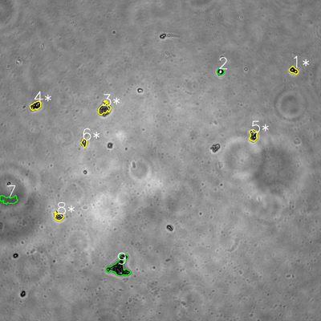
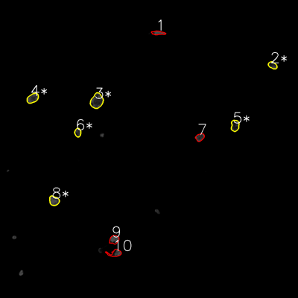

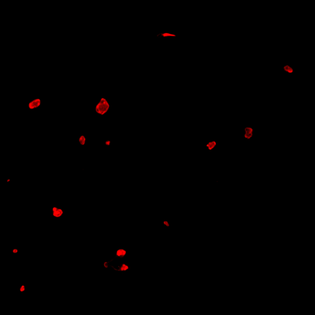
═══════════════ DETECTION REPORT ═══════════════ Source: 9 N NO 1_ch00.tif Parameters: Gray Thresh=53, Fluor Thresh=5, Overlap=80% ┌─── SUMMARY ───┐ Grayscale bacteria: 9 Fluorescence bacteria: 10 Co-localized pairs: 6 Co-localization rate: 66.7% ┌─── CO-LOCALIZED PAIRS (6) ───┐ Gray Fluor Overlap G.Area F.Area Intersect ──────────────────────────────────────────────────────────── 1 2 100.0% 621 756 621 3 3 100.0% 1324 2384 1324 4 4 100.0% 959 1367 959 5 5 100.0% 996 1198 996 6 6 100.0% 492 710 492 8 8 100.0% 743 1209 743 ┌─── GRAYSCALE CHANNEL (9 bacteria) ───┐ ID * Area Mode Max Centroid (Y, X) ─────────────────────────────────────────────────────── 1 * 621 0.0 255 (262.9, 1097.5) 2 432 16.0 108 (266.8, 824.6) 3 * 1324 38.0 255 (405.6, 389.9) 4 * 959 0.0 255 (394.9, 133.3) 5 * 996 22.0 255 (505.5, 946.5) 6 * 492 24.0 255 (533.4, 314.6) 7 1456 83.0 106 (746.4, 32.3) 8 * 743 52.0 255 (809.5, 220.0) 9 3312 0.0 255 (997.0, 446.6) ─────────────────────────────────────────────────────── Stats: Area μ=1148.3 σ=833.5 | Intensity(mode) μ=26.1 ┌─── FLUORESCENCE CHANNEL (10 bacteria) ───┐ ID * Area Mode Max Centroid (Y, X) ─────────────────────────────────────────────────────── 1 664 76.0 76 (132.5, 636.8) 2 * 756 28.0 76 (263.0, 1097.6) 3 * 2384 39.0 76 (406.5, 389.8) 4 * 1367 76.0 76 (395.4, 131.7) 5 * 1198 23.0 75 (505.7, 946.3) 6 * 710 43.0 76 (533.7, 313.2) 7 828 76.0 76 (552.7, 804.9) 8 * 1209 76

Review_2_9 N NO 2_ch00.tif
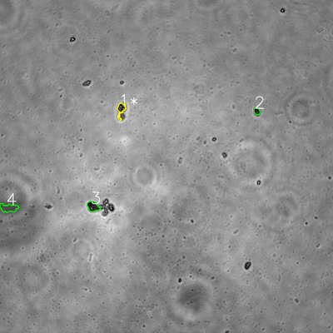
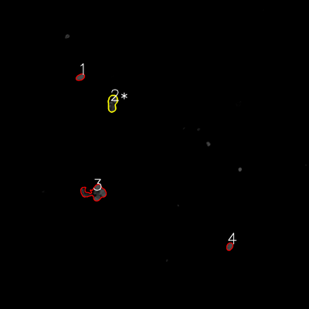

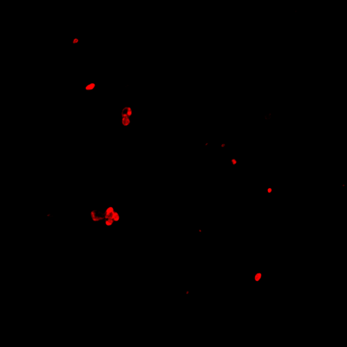
═══════════════ DETECTION REPORT ═══════════════ Source: 9 N NO 2_ch00.tif Parameters: Gray Thresh=53, Fluor Thresh=5, Overlap=80% ┌─── SUMMARY ───┐ Grayscale bacteria: 4 Fluorescence bacteria: 4 Co-localized pairs: 1 Co-localization rate: 25.0% ┌─── CO-LOCALIZED PAIRS (1) ───┐ Gray Fluor Overlap G.Area F.Area Intersect ──────────────────────────────────────────────────────────── 1 2 100.0% 922 1869 922 ┌─── GRAYSCALE CHANNEL (4 bacteria) ───┐ ID * Area Mode Max Centroid (Y, X) ─────────────────────────────────────────────────────── 1 * 922 44.0 255 (393.6, 435.9) 2 450 0.0 148 (400.5, 925.3) 3 1202 33.0 174 (744.1, 334.5) 4 1496 80.0 104 (749.3, 31.2) ─────────────────────────────────────────────────────── Stats: Area μ=1017.5 σ=385.4 | Intensity(mode) μ=39.2 ┌─── FLUORESCENCE CHANNEL (4 bacteria) ───┐ ID * Area Mode Max Centroid (Y, X) ─────────────────────────────────────────────────────── 1 642 76.0 76 (299.7, 311.8) 2 * 1869 76.0 76 (400.7, 436.6) 3 3489 76.0 76 (748.0, 367.9) 4 570 76.0 76 (957.1, 891.7) ─────────────────────────────────────────────────────── Stats: Area μ=1642.5 σ=1184.5 | Intensity(mode) μ=76.0 Legend: * = Co-localized | Yellow contours = Co-localized

Review_3_9 N NO 3_ch00.tif
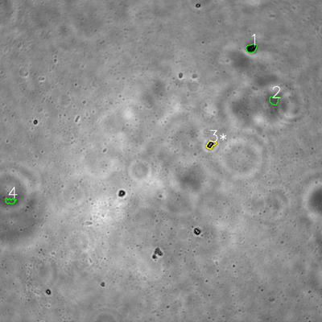
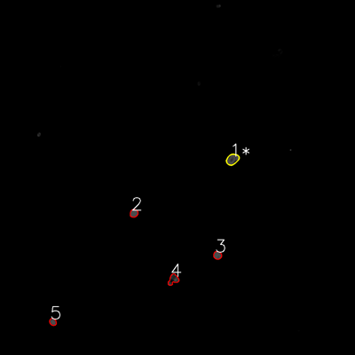

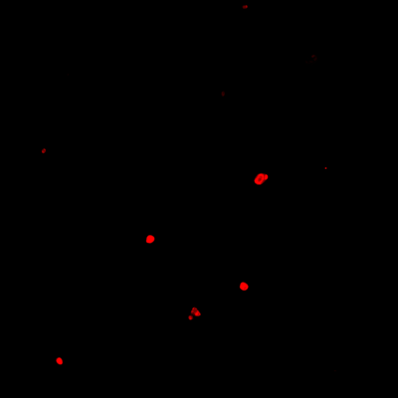
═══════════════ DETECTION REPORT ═══════════════ Source: 9 N NO 3_ch00.tif Parameters: Gray Thresh=53, Fluor Thresh=5, Overlap=80% ┌─── SUMMARY ───┐ Grayscale bacteria: 4 Fluorescence bacteria: 5 Co-localized pairs: 1 Co-localization rate: 25.0% ┌─── CO-LOCALIZED PAIRS (1) ───┐ Gray Fluor Overlap G.Area F.Area Intersect ──────────────────────────────────────────────────────────── 3 1 100.0% 699 1190 699 ┌─── GRAYSCALE CHANNEL (4 bacteria) ───┐ ID * Area Mode Max Centroid (Y, X) ─────────────────────────────────────────────────────── 1 973 0.0 197 (179.5, 937.0) 2 807 82.0 103 (374.3, 1020.9) 3 * 699 0.0 255 (538.7, 785.5) 4 554 83.0 109 (749.1, 38.3) ─────────────────────────────────────────────────────── Stats: Area μ=758.2 σ=153.1 | Intensity(mode) μ=41.2 ┌─── FLUORESCENCE CHANNEL (5 bacteria) ───┐ ID * Area Mode Max Centroid (Y, X) ─────────────────────────────────────────────────────── 1 * 1190 76.0 76 (538.7, 785.8) 2 588 76.0 76 (720.9, 452.5) 3 597 76.0 76 (862.9, 735.1) 4 880 76.0 76 (944.7, 585.6) 5 451 76.0 76 (1088.0, 178.6) ─────────────────────────────────────────────────────── Stats: Area μ=741.2 σ=264.3 | Intensity(mode) μ=76.0 Legend: * = Co-localized | Yellow contours = Co-localized

Review_4_9 N NO 4_ch00.tif
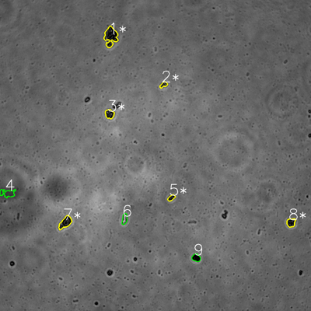
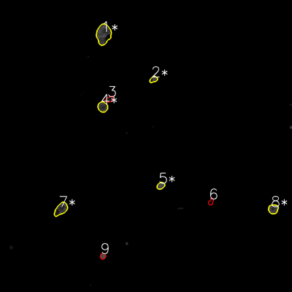

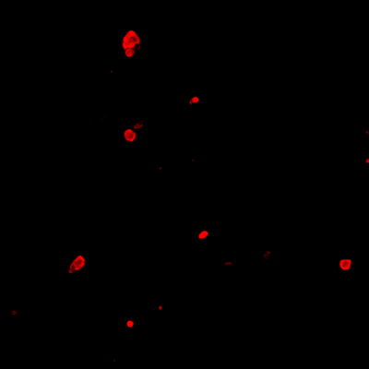
═══════════════ DETECTION REPORT ═══════════════ Source: 9 N NO 4_ch00.tif Parameters: Gray Thresh=53, Fluor Thresh=5, Overlap=80% ┌─── SUMMARY ───┐ Grayscale bacteria: 9 Fluorescence bacteria: 9 Co-localized pairs: 6 Co-localization rate: 66.7% ┌─── CO-LOCALIZED PAIRS (6) ───┐ Gray Fluor Overlap G.Area F.Area Intersect ──────────────────────────────────────────────────────────── 1 1 100.0% 2651 3952 2651 2 2 99.8% 438 611 437 3 4 100.0% 964 1373 964 5 5 100.0% 455 708 455 7 7 100.0% 1563 2036 1563 8 8 100.0% 893 1252 893 ┌─── GRAYSCALE CHANNEL (9 bacteria) ───┐ ID * Area Mode Max Centroid (Y, X) ─────────────────────────────────────────────────────── 1 * 2651 0.0 192 (140.5, 427.6) 2 * 438 25.0 135 (326.9, 631.3) 3 * 964 0.0 171 (439.8, 422.6) 4 1218 61.0 76 (745.7, 28.8) 5 * 455 0.0 103 (763.2, 661.1) 6 668 255.0 255 (845.0, 480.6) 7 * 1563 0.0 141 (858.6, 252.2) 8 * 893 0.0 108 (858.9, 1122.9) 9 769 0.0 60 (994.7, 757.0) ─────────────────────────────────────────────────────── Stats: Area μ=1068.8 σ=652.9 | Intensity(mode) μ=37.9 ┌─── FLUORESCENCE CHANNEL (9 bacteria) ───┐ ID * Area Mode Max Centroid (Y, X) ─────────────────────────────────────────────────────── 1 * 3952 76.0 76 (140.6, 425.6) 2 * 611 76.0 76 (326.3, 630.9) 3 573 7.0 50 (407.5, 450.0) 4 * 1373 76.0 76 (439.4, 422.0) 5 * 708 76.0 76 (763.1, 660.6) 6 419 4.0 36 (828.7, 867.1) 7 * 2036 76.0 76 (859.2, 250.6) 8 * 1252 76.

Review_5_9 N NO 5_ch00.tif
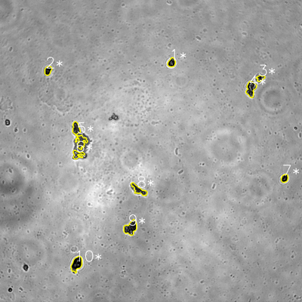
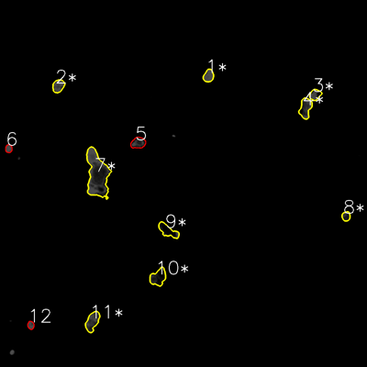

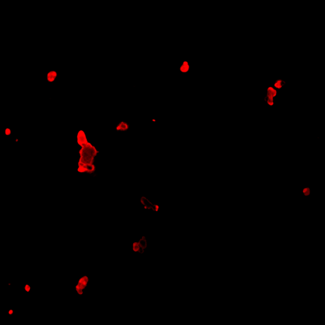
═══════════════ DETECTION REPORT ═══════════════ Source: 9 N NO 5_ch00.tif Parameters: Gray Thresh=53, Fluor Thresh=5, Overlap=80% ┌─── SUMMARY ───┐ Grayscale bacteria: 10 Fluorescence bacteria: 12 Co-localized pairs: 10 Co-localization rate: 100.0% ┌─── CO-LOCALIZED PAIRS (10) ───┐ Gray Fluor Overlap G.Area F.Area Intersect ──────────────────────────────────────────────────────────── 1 1 100.0% 845 1091 845 2 2 100.0% 781 1280 781 3 3 98.7% 539 1025 532 4 4 96.4% 1718 1984 1657 5 7 100.0% 2585 8322 2585 6 7 100.0% 899 8322 899 7 8 90.0% 719 677 647 8 9 99.9% 1311 1820 1310 9 10 96.4% 2065 2140 1991 10 11 94.8% 1902 2052 1804 ┌─── GRAYSCALE CHANNEL (10 bacteria) ───┐ ID * Area Mode Max Centroid (Y, X) ─────────────────────────────────────────────────────── 1 * 845 16.0 164 (248.6, 681.9) 2 * 781 0.0 111 (280.2, 190.7) 3 * 539 33.0 221 (310.0, 1034.8) 4 * 1718 0.0 255 (353.0, 997.1) 5 * 2585 66.0 182 (539.3, 313.3) 6 * 899 61.0 255 (613.9, 308.4) 7 * 719 0.0 173 (708.4, 1130.8) 8 * 1311 38.0 216 (754.7, 552.0) 9 * 2065 0.0 255 (905.3, 518.9) 10 * 1902 0.0 176 (1048.8, 304.3) ─────────────────────────────────────────────────────── Stats: Area μ=1336.4 σ=656.8 | Intensity(mode) μ=21.4 ┌─── FLUORESCENCE CHANNEL (12 bacteria) ───┐ ID * Area Mode Max Centroid (Y, X) ─────────────────────────────────────────────────────── 1 * 1091 76.0 76 (247.9, 681.8) 2 * 1280 76.0 76 (281.1, 190.7) 3 * 1025 76.0 76

