diagram
cables

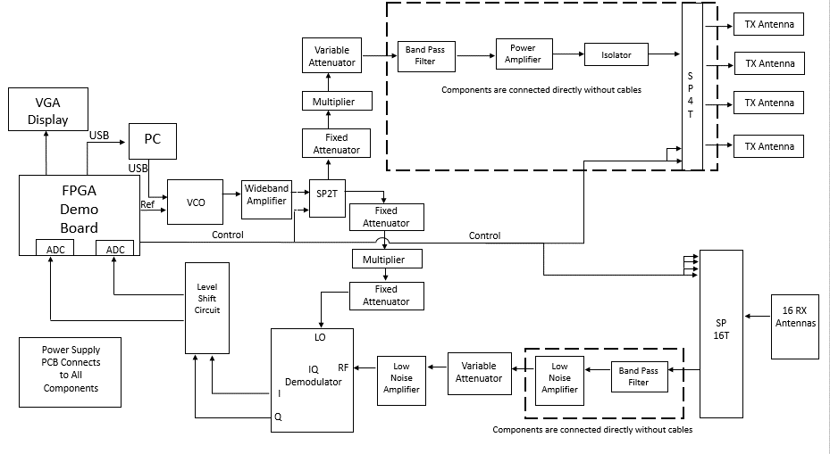

Suggested seperate Power Supply. Rationale is that the re could be leakage back through common supply
that causes a loop oscillation. Especially with LNAs where there is a lot of gain.

Level Shift
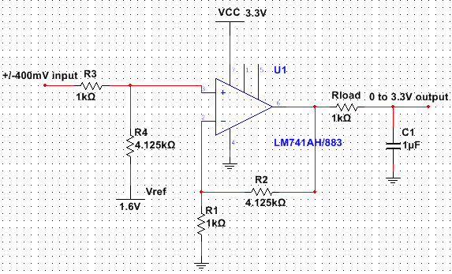
level shift

Rx chain
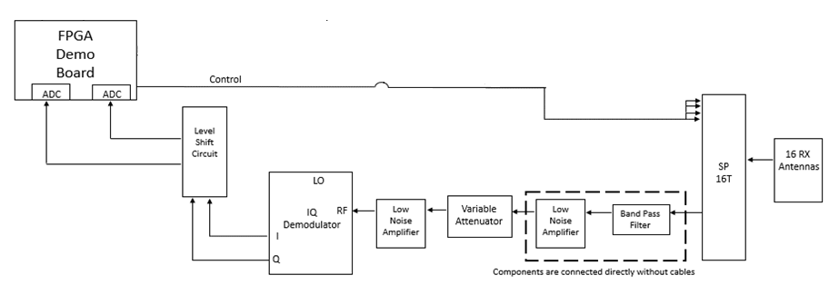
 | Pin (dBM) | Gain (dB) | Gain(magntude) | Pout (dBM) | Pout (mW) | Pout (W) | NF (dB) | NF | NF (cascade) | Noise Temp (K) | Noise Temp cascade (K)
cable (from RX antenna) | -46.295 | -1 | 0.794 | -47.295 | 1.86E-05 | 1.86E-08 | 1 | 1.259 | 1.259 | 75.08837 | 97.5168
SP16T | -47.295 | -4.7 | 0.339 | -51.995 | 6.32E-06 | 6.32E-09 | 4.7 | 2.951 | 3.715 | 565.8507 | 392.2338
cable | -51.995 | -1 | 0.794 | -52.995 | 5.02E-06 | 5.02E-09 | 1 | 1.259 | 4.677 | 75.08837 | 561.399
band pass filter | -52.995 | -3 | 0.501 | -55.995 | 2.51E-06 | 2.51E-09 | 3 | 1.995 | 9.333 | 288.6261 | 2196.866
cable | -55.995 | -1 | 0.794 | -56.995 | 2.00E-06 | 2.00E-09 | 1 | 1.259 | 11.749 | 75.08837 | 4048.06
LNA | -56.995 | 38 | 6309.573 | -18.995 | 0.012604 | 1.26E-05 | 2.2 | 1.660 | 19.498 | 191.2802 | 25547.03
cable | -18.995 | -1 | 0.794 | -19.995 | 0.010012 | 1.00E-05 | 1 | 1.259 | 19.499 | 75.08837 | 25549.9
Var_Atten: SA4077 | -19.995 | -5 | 0.316 | -24.995 | 0.003166 | 3.17E-06 | 5 | 3.162 | 19.504 | 627.0605 | 25580.08
LNA | -24.995 | 38 | 6309.573 | 13.005 | 19.9764 | 0.019976 | 2.2 | 1.660 | 19.505 | 191.2802 | 25586.3
cable | 13.005 | -1 | 0.794 | 12.005 | 15.86782 | 0.015868 | 1 | 1.259 | 19.506 | 75.08837 | 25591.51
RF (IQ Demodulator) | 12.005 | -7 | 0.200 | 5.005 | 3.166046 | 0.003166 | 7 | 5.012 | 19.536 | 1163.443 | 25769.36

 | cable (from RX antenna) | SP16T | cable | band pass filter | cable | LNA | cable | Var_Atten: SA4077 | LNA | cable | RF (IQ Demodulator)
Pin (dBM) | -46.294827192 | -46.494827192 | -51.194827192 | -51.394827192 | -54.394827192 | -54.594827192 | -16.594827192 | -16.794827192 | -25.794827192 | 12.205172808 | 12.005172808
Pin (mW) | 2.3470226503E-05 | 2.2413892302E-05 | 7.594816423E-06 | 7.2529933762E-06 | 3.6351076857E-06 | 3.4715008893E-06 | 0.021903689824 | 0.020917861389 | 0.0026334027263 | 16.615647911 | 15.867820567
Gain (dB) | -0.2 | -4.7 | -0.2 | -3 | -0.2 | 38 | -0.2 | -9 | 38 | -0.2 | -7
Gain(magntude) | 0.95499258602 | 0.33884415614 | 0.95499258602 | 0.50118723363 | 0.95499258602 | 6309.5734448 | 0.95499258602 | 0.12589254118 | 6309.5734448 | 0.95499258602 | 0.1995262315
Pout (dBM) | -46.494827192 | -51.194827192 | -51.394827192 | -54.394827192 | -54.594827192 | -16.594827192 | -16.794827192 | -25.794827192 | 12.205172808 | 12.005172808 | 5.0051728084
Pout (mW) | 2.2413892302E-05 | 7.594816423E-06 | 7.2529933762E-06 | 3.6351076857E-06 | 3.4715008893E-06 | 0.021903689824 | 0.020917861389 | 0.0026334027263 | 16.615647911 | 15.867820567 | 3.1660464398
Pout (W) | 2.2413892302E-08 | 7.594816423E-09 | 7.2529933762E-09 | 3.6351076857E-09 | 3.4715008893E-09 | 2.1903689824E-05 | 2.0917861389E-05 | 2.6334027263E-06 | 0.016615647911 | 0.015867820567 | 0.0031660464398
NF (dB) | 0.2 | 4.7 | 0.2 | 3 | 0.2 | 2.2 | 0.2 | 9 | 2.2 | 0.2 | 7
NF | 1.0471285481 | 2.9512092267 | 1.0471285481 | 1.995262315 | 1.0471285481 | 1.6595869074 | 1.0471285481 | 7.9432823472 | 1.6595869074 | 1.0471285481 | 5.0118723363
NF (cascade) | 1.0471285481 | 3.0902954325 | 3.2359365693 | 6.4565422903 | 6.7608297539 | 11.220184543 | 11.220235042 | 11.228025533 | 11.229842186 | 11.228445567 | 11.264201417
Noise Temp (K) | 13.667278935 | 565.85067573 | 13.667278935 | 288.62607134 | 13.667278935 | 191.28020316 | 13.667278935 | 2013.5518807 | 191.28020316 | 13.667278935 | 1163.4429775
Noise Temp cascade (K) | 79.071791305 | 300.78238964 | 320.93028548 | 992.4848011 | 1085.5645446 | 3550.7536522 | 3550.7983122 | 3557.6942224 | 3559.3040491 | 3558.0663753 | 3589.8786238

IQ demod
Components | Input Power (dBm) | Input Power (mW) | Gain (dB) | Output Power (dBm) | Output Power (mW) | P1db Compression (dBm)
VCO | 0 | 1 | 0 | -4 | 0.39810717055 | -
Cable | -4 | 0.39810717055 | -0.2 | -4.2 | 0.38018939632 | -
Wideband Amplifier | -4.2 | 0.38018939632 | 26 | 21.8 | 151.35612484 | 24
Cable | 21.8 | 151.35612484 | -0.2 | 21.6 | 144.54397707 | -
SPDT | 21.6 | 144.54397707 | -2 | 19.6 | 91.201083936 | 27
Cable | 19.6 | 91.201083936 | -0.2 | 19.4 | 87.096358996 | -
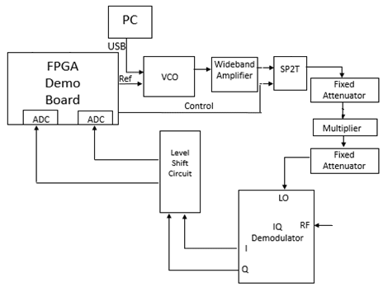
Fixed Attenuator | 19.4 | 87.096358996 | -10 | 9.4 | 8.7096358996 | -
Cable | 9.4 | 8.7096358996 | -0.2 | 9.2 | 8.317637711 | -
X2 Frequency Multiplier | 6 | 3.9810717055 | 0 | 14 | 25.118864315 | -
Cable | 14 | 25.118864315 | -0.2 | 13.8 | 23.98832919 | -
Fixed Attenuator | 13.8 | 23.98832919 | -7 | 6.8 | 4.7863009232 | 37
Cable | 6.8 | 4.7863009232 | -0.2 | 6.6 | 4.5708818961 | -
LO IQ Demodulator | 6.6 | 4.5708818961 | - | - | - | -

