Network Components
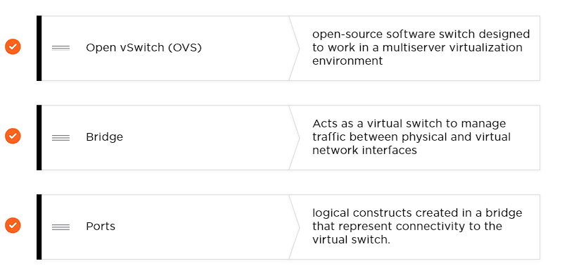
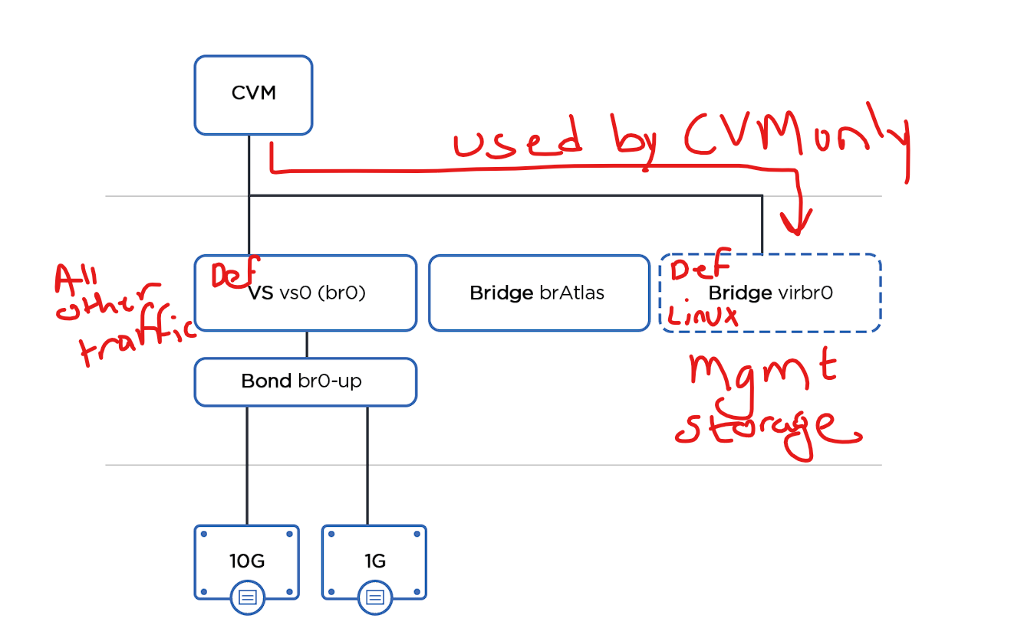
AHV Term | VMware Term | Microsoft Hyper-V or SCVMM Term
Bridge | vSwitch, Distributed Virtual Switch | Virtual switch, logical switch
Bond | NIC team | Team or uplink port profile
Port or tap | Port | N/A
Network | Port group | VLAN tag or logical network
Uplink | pNIC or vmnic | Physical NIC or pNIC
VM NIC | vNIC | VM NIC
Internal port | VM kernel port | Virtual NIC
Active-backup | Active-standby | Active-standby
Balance-slb | Route based on source MAC hash combined with route based on physical NIC load | Switch independent / dynamic
LACP with balance-tcp | LACP and route based on IP hash | Switch dependent (LACP) / address hash

