Ex2-002
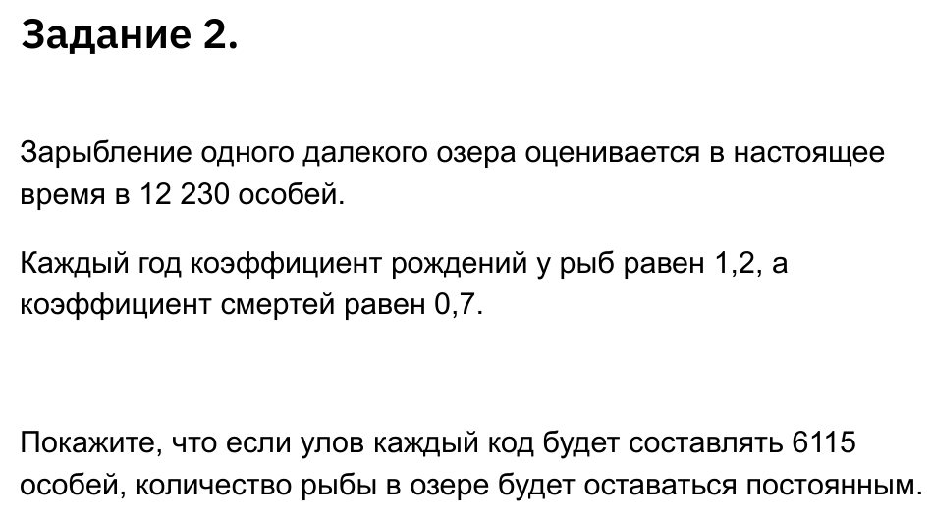
12,230 | 0.7 | 1.2 | 6,115
 |  |  | 0.5

 | 10,273 |  | 7,338
 | 8,629 |  | 7,338
 | 7,249 |  | 7,338
 | 6,089 |  | 7,338
 | 5,115 |  | 7,338
 | 4,296 |  | 7,338
 | 3,609 |  | 7,338
 | 3,032 |  | 7,338
 | 2,546 |  | 7,338

