Reynolds
Months | Sales
41 | 275
106 | 296
76 | 317
Months Line Fit Plot (1st Order)
Months Line Fit Plot (2nd Order)
104 | 376
22 | 162
12 | 150
85 | 367
111 | 308
40 | 189
51 | 235
9 | 83
12 | 112
6 | 67
56 | 325
19 | 189

SUMMARY OUTPUT

Regression Statistics
Multiple R | 0.88384023269
R Square | 0.78117355692
Adjusted R Square | 0.76434075361
Standard Error | 49.51580061
Observations | 15

ANOVA
 | df | SS | MS | F | Significance F
Regression | 1 | 113783.3447 | 113783.3447 | 46.407811128 | 1.2390629102E-05
Residual | 13 | 31873.588631 | 2451.8145101
Total | 14 | 145656.93333

 | Coefficients | Standard Error | t Stat | P-value | Lower 95% | Upper 95% | Lower 95.0% | Upper 95.0%
Intercept | 111.22792176 | 21.62800198 | 5.1427737921 | 0.00018904445679 | 64.503464177 | 157.95237933 | 64.503464177 | 157.95237933
Months | 2.3767748982 | 0.34889320369 | 6.8123278788 | 1.2390629102E-05 | 1.6230369565 | 3.1305128399 | 1.6230369565 | 3.1305128399

Months Residual Plot

RESIDUAL OUTPUT

Observation | Predicted Sales | Residuals | Standard Residuals
1 | 208.67569258 | 66.324307417 | 1.3900206747
2 | 363.16606097 | -67.166060967 | -1.4076620928
3 | 291.86281402 | 25.13718598 | 0.52682356704
4 | 358.41251117 | 17.587488829 | 0.36859748772
5 | 163.51696952 | -1.5169695164 | -0.031792551974
6 | 139.74922053 | 10.250779466 | 0.21483519307
7 | 313.2537881 | 53.746211896 | 1.1264097377
8 | 375.04993546 | -67.049935458 | -1.4052283417
9 | 206.29891768 | -17.298917684 | -0.36254963176
10 | 232.44344156 | 2.5565584351 | 0.053580191324
11 | 132.61889584 | -49.61889584 | -1.0399097067
12 | 139.74922053 | -27.749220534 | -0.5815664234
13 | 125.48857114 | -58.488571145 | -1.2257998054
14 | 244.32731606 | 80.672683944 | 1.6907330499
15 | 156.38664482 | 32.613355178 | 0.68350865216

 |  | Predicted Sales | Standard Residuals
 |  | 208.67569258 | 1.3900206747
 |  | 363.16606097 | -1.4076620928
The standardized residual plot suggests that a curvilinear relationship is present.
 |  | 291.86281402 | 0.52682356704
 |  | 358.41251117 | 0.36859748772
 |  | 163.51696952 | -0.031792551974
 |  | 139.74922053 | 0.21483519307
 |  | 313.2537881 | 1.1264097377
 |  | 375.04993546 | -1.4052283417
 |  | 206.29891768 | -0.36254963176
 |  | 232.44344156 | 0.053580191324
 |  | 132.61889584 | -1.0399097067
 |  | 139.74922053 | -0.5815664234
 |  | 125.48857114 | -1.2257998054
 |  | 244.32731606 | 1.6907330499
 |  | 156.38664482 | 0.68350865216

Months | Month ^2 | Sales
41 | 1681 | 275
106 | 11236 | 296
Months Line Fit Plot
76 | 5776 | 317
104 | 10816 | 376
22 | 484 | 162
12 | 144 | 150
85 | 7225 | 367
111 | 12321 | 308
40 | 1600 | 189
51 | 2601 | 235
9 | 81 | 83
12 | 144 | 112
6 | 36 | 67
Month ^2 Line Fit Plot
56 | 3136 | 325
19 | 361 | 189

SUMMARY OUTPUT

Regression Statistics
Multiple R | 0.94984690011
R Square | 0.90220913365
Adjusted R Square | 0.88591065592
Standard Error | 34.452766823
Observations | 15

ANOVA
 | df | SS | MS | F | Significance F
Regression | 2 | 131413.01563 | 65706.507816 | 55.3554233 | 8.7456030612E-07
Residual | 12 | 14243.917701 | 1186.9931418
Total | 14 | 145656.93333

 | Coefficients | Standard Error | t Stat | P-value | Lower 95% | Upper 95% | Lower 95.0% | Upper 95.0%
Intercept | 45.347578881 | 22.774654134 | 1.9911423732 | 0.069729610002 | -4.2741297373 | 94.9692875 | -4.2741297373 | 94.9692875
Months | 6.3448071032 | 1.0578514378 | 5.9978243415 | 6.2375296752E-05 | 4.0399468187 | 8.6496673877 | 4.0399468187 | 8.6496673877
Month ^2 | -0.034485600961 | 0.0089482848491 | -3.8538783178 | 0.0022939644433 | -0.053982238794 | -0.014988963128 | -0.053982238794 | -0.014988963128

Month ^2 Residual Plot

RESIDUAL OUTPUT

Observation | Predicted Sales | Residuals | Standard Residuals
1 | 247.5143749 | 27.485625104 | 0.86169764995
2 | 330.41691942 | -34.416919419 | -1.0789996032
3 | 328.36408757 | -11.364087571 | -0.35627378009
4 | 332.21125762 | 43.788742383 | 1.3728141988
5 | 168.24230429 | -6.2423042858 | -0.19570153172
6 | 116.51933758 | 33.480662419 | 1.0496471525
Months Residual Plot
7 | 335.49771571 | 31.502284293 | 0.98762332092
8 | 324.72407789 | -16.724077892 | -0.52431402098
9 | 243.96290147 | -54.96290147 | -1.7231335599
10 | 279.23569304 | -44.235693043 | -1.3868264809
11 | 99.657509132 | -16.657509132 | -0.52222703389
12 | 116.51933758 | -4.5193375808 | -0.14168506475
13 | 82.174939866 | -15.174939866 | -0.47574723044
14 | 292.50993204 | 32.490067955 | 1.0185911762
15 | 153.44961189 | 35.550388106 | 1.1145348075

 |  | Predicted Sales | Standard Residuals
 |  | 247.5143749 | 0.86169764995
 |  | 330.41691942 | -1.0789996032
 |  | 328.36408757 | -0.35627378009
 |  | 332.21125762 | 1.3728141988
 |  | 168.24230429 | -0.19570153172
 |  | 116.51933758 | 1.0496471525
 |  | 335.49771571 | 0.98762332092
 |  | 324.72407789 | -0.52431402098
 |  | 243.96290147 | -1.7231335599
 |  | 279.23569304 | -1.3868264809
 |  | 99.657509132 | -0.52222703389
 |  | 116.51933758 | -0.14168506475
 |  | 82.174939866 | -0.47574723044
 |  | 292.50993204 | 1.0185911762
 |  | 153.44961189 | 1.1145348075

Tyler

Price | Advert ($1000) | Sales |  | Average of Sales | Advert ($1000)
$2.0 | $50 | $478 |  | Price | $50 | $100
$2.5 | $50 | $373 |  | $2.0 | 461 | 808
$3.0 | $50 | $335 |  | $2.5 | 364 | 646
$2.0 | $50 | $473 |  | $3.0 | 332 | 375
$2.5 | $50 | $358
Sales: Function of Price and Ads
$3.0 | $50 | $329
$2.0 | $50 | $456
$2.5 | $50 | $360
$3.0 | $50 | $322
$2.0 | $50 | $437
$2.5 | $50 | $365
$3.0 | $50 | $342
$2.0 | $100 | $810
$2.5 | $100 | $653
$3.0 | $100 | $345
$2.0 | $100 | $832
$2.5 | $100 | $641
$3.0 | $100 | $372
$2.0 | $100 | $800
$2.5 | $100 | $620
$3.0 | $100 | $390
$2.0 | $100 | $790
$2.5 | $100 | $670
$3.0 | $100 | $393

Price | Advert | Price*Advert | Sales
2.0 | 50 | 100 | 478
2.5 | 50 | 125 | 373
3.0 | 50 | 150 | 335
2.0 | 50 | 100 | 473
2.5 | 50 | 125 | 358
3.0 | 50 | 150 | 329
2.0 | 50 | 100 | 456
2.5 | 50 | 125 | 360
3.0 | 50 | 150 | 322
2.0 | 50 | 100 | 437
2.5 | 50 | 125 | 365
3.0 | 50 | 150 | 342
2.0 | 100 | 200 | 810
2.5 | 100 | 250 | 653
3.0 | 100 | 300 | 345 | SUMMARY OUTPUT
2.0 | 100 | 200 | 832
2.5 | 100 | 250 | 641 | Regression Statistics
3.0 | 100 | 300 | 372 | Multiple R | 0.98899381483
2.0 | 100 | 200 | 800 | R Square | 0.97810876578
2.5 | 100 | 250 | 620 | Adjusted R Square | 0.97482508065
3.0 | 100 | 300 | 390 | Standard Error | 28.173864958
2.0 | 100 | 200 | 790 | Observations | 24
2.5 | 100 | 250 | 670
3.0 | 100 | 300 | 393 | ANOVA
 |  |  |  |  | df | SS | MS | F | Significance F
 |  |  |  | Regression | 3 | 709316 | 236438.66667 | 297.86923109 | 9.2588099326E-17
 |  |  |  | Residual | 20 | 15875.333333 | 793.76666667
 |  |  |  | Total | 23 | 725191.33333

 |  |  |  |  | Coefficients | Standard Error | t Stat | P-value | Lower 95% | Upper 95% | Lower 95.0% | Upper 95.0%
 |  |  |  | Intercept | -275.83333333 | 112.8421033 | -2.4444185748 | 0.023898350951 | -511.21783614 | -40.448830531 | -511.21783614 | -40.448830531
 |  |  |  | Price | 175 | 44.546791879 | 3.9284534895 | 0.00083159990152 | 82.077020448 | 267.92297955 | 82.077020448 | 267.92297955
 |  |  |  | Advert | 19.68 | 1.4273522496 | 13.787766829 | 1.1262968574E-11 | 16.702595381 | 22.657404619 | 16.702595381 | 22.657404619
 |  |  |  | Price*Advert | -6.08 | 0.56347729916 | -10.790141873 | 8.677209807E-10 | -7.2553930494 | -4.9046069506 | -7.2553930494 | -4.9046069506

 |  |  |  |  | For each unit increase in the product of Price and Advert, holding all other variables constant, the Sales are expected to decrease by 6.08 units.

MPG Weight
Weight | MPG
2289 | 28.7
2113 | 29.2
2180 | 34.2
Weight Line Fit Plot
2448 | 27.9
2026 | 33.3
2702 | 26.4
2657 | 23.9
2106 | 30.5
3226 | 18.1
3213 | 19.5
3607 | 14.3
2888 | 20.9

SUMMARY OUTPUT

Regression Statistics
Multiple R | 0.96715244041
R Square | 0.93538384299
Adjusted R Square | 0.92892222729
Standard Error | 1.6705264868
Observations | 12

ANOVA
 | df | SS | MS | F | Significance F
Regression | 1 | 403.97591257 | 403.97591257 | 144.7600548 | 2.8499707985E-07
Residual | 10 | 27.90658743 | 2.790658743
Total | 11 | 431.8825

 | Coefficients | Standard Error | t Stat | P-value | Lower 95% | Upper 95% | Lower 95.0% | Upper 95.0%
Intercept | 56.095680031 | 2.5821354236 | 21.724530603 | 9.546759808E-10 | 50.342323772 | 61.849036289 | 50.342323772 | 61.849036289
Weight | -0.011643559382 | 0.00096774601801 | -12.031627272 | 2.8499707985E-07 | -0.013799831884 | -0.0094872868807 | -0.013799831884 | -0.0094872868807

Weight Residual Plot
RESIDUAL OUTPUT

Observation | Predicted MPG | Residuals | Standard Residuals
1 | 29.443572605 | -0.74357260477 | -0.46683816948
2 | 31.492839056 | -2.2928390561 | -1.4395161696
3 | 30.712720577 | 3.4872794226 | 2.1894232408
4 | 27.592246663 | 0.30775333701 | 0.19321718361
5 | 32.505828722 | 0.79417127768 | 0.49860560104
6 | 24.63478258 | 1.7652174201 | 1.1082587818
7 | 25.158742752 | -1.2587427521 | -0.79027812274
8 | 31.574343972 | -1.0743439717 | -0.6745067932
9 | 18.533557464 | -0.43355746355 | -0.27220095435
10 | 18.684923736 | 0.81507626448 | 0.51173040649
11 | 14.097361339 | 0.20263866112 | 0.12722289796
12 | 22.469080535 | -1.5690805348 | -0.98511790229

Standardized residual plot shows wedge shaped pattern indicative of a nonconstant variance.
 |  | Predicted MPG | Standard Residuals
 |  | 29.443572605 | -0.46683816948
 |  | 31.492839056 | -1.4395161696
 |  | 30.712720577 | 2.1894232408
 |  | 27.592246663 | 0.19321718361
 |  | 32.505828722 | 0.49860560104
 |  | 24.63478258 | 1.1082587818
 |  | 25.158742752 | -0.79027812274
 |  | 31.574343972 | -0.6745067932
 |  | 18.533557464 | -0.27220095435
 |  | 18.684923736 | 0.51173040649
 |  | 14.097361339 | 0.12722289796
 |  | 22.469080535 | -0.98511790229

Weight Line Fit Plot
Weight | MPG | LnMPG
2289 | 28.7 | 3.3568971228 | =LN(B69)
2113 | 29.2 | 3.3741687093 | =LN(B70)
2180 | 34.2 | 3.5322256441 | =LN(B71)
2448 | 27.9 | 3.3286266888 | =LN(B72)
2026 | 33.3 | 3.505557397 | =LN(B73)
2702 | 26.4 | 3.2733640102 | =LN(B74)
2657 | 23.9 | 3.1738784589 | =LN(B75)
2106 | 30.5 | 3.4177266836 | =LN(B76)
3226 | 18.1 | 2.8959119383 | =LN(B77)
3213 | 19.5 | 2.9704144656 | =LN(B78)
3607 | 14.3 | 2.6602595373 | =LN(B79)
2888 | 20.9 | 3.039749159 | =LN(B80)

SUMMARY OUTPUT

Regression Statistics
Multiple R | 0.97350162882
R Square | 0.94770542132
Adjusted R Square | 0.94247596345
Standard Error | 0.064254713299
Observations | 12

ANOVA
 | df | SS | MS | F | Significance F
Regression | 1 | 0.74821545878 | 0.74821545878 | 181.22441087 | 9.8416727813E-08
Residual | 10 | 0.041286681811 | 0.0041286681811
Total | 11 | 0.78950214059

 | Coefficients | Standard Error | t Stat | P-value | Lower 95% | Upper 95% | Lower 95.0% | Upper 95.0%
Intercept | 4.5242308403 | 0.099318611621 | 45.552699201 | 6.2573372761E-13 | 4.302935183 | 4.7455264975 | 4.302935183 | 4.7455264975
Weight | -0.00050109649558 | 3.7223140983E-05 | -13.461961628 | 9.8416727813E-08 | -0.0005840348222 | -0.00041815816896 | -0.0005840348222 | -0.00041815816896

Weight Residual Plot
RESIDUAL OUTPUT

Observation | Predicted LnMPG | Residuals | Standard Residuals
1 | 3.3772209619 | -0.020323839117 | -0.33173943514
2 | 3.4654139451 | -0.091245235831 | -1.4893663948
3 | 3.4318404799 | 0.10038516417 | 1.638554481
4 | 3.2975466191 | 0.031080069742 | 0.50730989952
5 | 3.5090093402 | -0.0034519432342 | -0.05634494999
6 | 3.1702681092 | 0.10309590095 | 1.6828009584
7 | 3.1928174515 | -0.018938992571 | -0.30913503405
8 | 3.4689216206 | -0.051194936961 | -0.83563835413
9 | 2.9076935455 | -0.01178160725 | -0.19230735451
10 | 2.9142078 | 0.056206665605 | 0.91744317555
11 | 2.7167757807 | -0.056516243439 | -0.92249631414
12 | 3.077064161 | -0.037315002058 | -0.6090806778

After ln transformation, the wedge-shaped pattern has disappeared.
 |  | Predicted LnMPG | Standard Residuals
 |  | 3.3772209619 | -0.33173943514
 |  | 3.4654139451 | -1.4893663948
 |  | 3.4318404799 | 1.638554481
 |  | 3.2975466191 | 0.50730989952
 |  | 3.5090093402 | -0.05634494999
 |  | 3.1702681092 | 1.6828009584
 |  | 3.1928174515 | -0.30913503405
 |  | 3.4689216206 | -0.83563835413
 |  | 2.9076935455 | -0.19230735451
 |  | 2.9142078 | 0.91744317555
 |  | 2.7167757807 | -0.92249631414
 |  | 3.077064161 | -0.6090806778

Q5-Traffic Flow
Vehicle Speed (x) | Traffic Flow (y)
35.00 | 1256.00
40.00 | 1329.00
30.00 | 1226.00
45.00 | 1335.00
50.00 | 1349.00
25.00 | 1124.00

x^2 Residual Plot
Vehicle Speed (x) | x^2 | Traffic Flow (y)
35.00 | 1225.00 | 1256.00
40.00 | 1600.00 | 1329.00
Vehicle Speed (x) Line Fit Plot
30.00 | 900.00 | 1226.00
45.00 | 2025.00 | 1335.00
50.00 | 2500.00 | 1349.00
25.00 | 625.00 | 1124.00

SUMMARY OUTPUT

Regression Statistics
Multiple R | 0.98990178856
R Square | 0.979905551
Adjusted R Square | 0.96650925166
Standard Error | 15.826439602
x^2 Line Fit Plot
Observations | 6

ANOVA
 | df | SS | MS | F | Significance F
Regression | 2 | 36643.404762 | 18321.702381 | 73.147480989 | 0.0028484864199
Residual | 3 | 751.42857143 | 250.47619048
Total | 5 | 37394.833333

 | Coefficients | Standard Error | t Stat | P-value | Lower 95% | Upper 95% | Lower 95.0% | Upper 95.0%
Intercept | 432.57142857 | 141.17630219 | 3.064051274 | 0.054818053405 | -16.714572719 | 881.85742986 | -16.714572719 | 881.85742986
Vehicle Speed (x) | 37.428571429 | 7.8073792061 | 4.7939994255 | 0.017266786565 | 12.58200632 | 62.275136537 | 12.58200632 | 62.275136537
Vehicle Speed (x) Residual Plot
x^2 | -0.38285714286 | 0.1036083678 | -3.695233802 | 0.034391420426 | -0.71258521015 | -0.053129075565 | -0.71258521015 | -0.053129075565

RESIDUAL OUTPUT

Observation | Predicted Traffic Flow (y) | Residuals | Standard Residuals
1 | 1273.5714286 | -17.571428571 | -1.4333367019
2 | 1317.1428571 | 11.857142857 | 0.96721094519
3 | 1210.8571429 | 15.142857143 | 1.2352332553
4 | 1341.5714286 | -6.5714285714 | -0.53604462023
5 | 1346.8571429 | 2.1428571429 | 0.17479715877
6 | 1129 | -5 | -0.40786003713

Chemitech (Anova Single)
Method A | Method B | Method C
58 | 58 | 48 |  |  |  |  | Completely Random Design (ANOVA Single Factor)
64 | 69 | 57
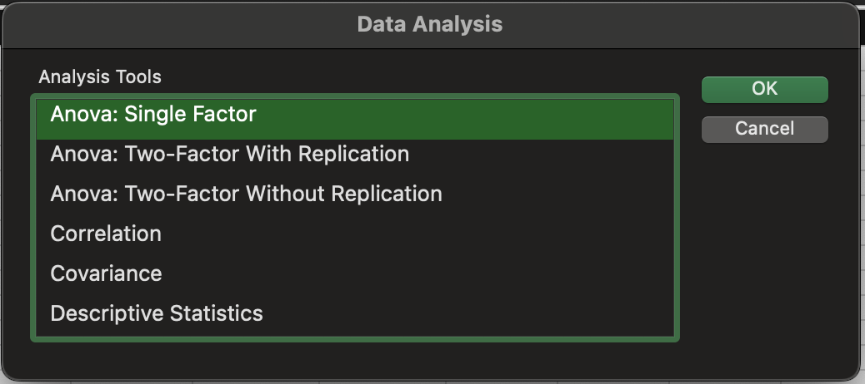
55 | 71 | 59
66 | 64 | 47
67 | 68 | 49

Anova: Single Factor

SUMMARY
Groups | Count | Sum | Average | Variance
Method A | 5 | 310 | 62 | 27.5
Method B | 5 | 330 | 66 | 26.5
Method C | 5 | 260 | 52 | 31
- Chemitech developed a new filtration system for municipal water supplies.
- They have three assembly methos: A, B, C
- Managers at Chemitech want to find out if these methods are different.

ANOVA
Source of Variation | SS | df | MS | F | P-value | F crit
Between Groups | 520 | 2 | 260 | 9.1764705882 | 0.0038184120755 | 3.8852938347
Within Groups | 340 | 12 | 28.333333333

Total | 860 | 14
Sig. Diff. between methods

Air Traffic (Anova 2F wo)
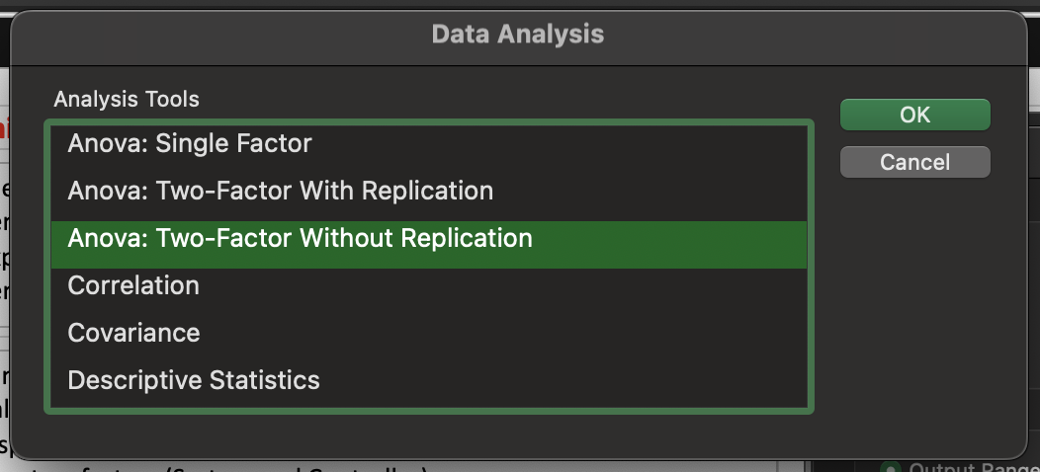
A completely randomized design is useful when the experimental units are homogeneous.
If the experimental units are heterogeneous, blocking is often used to form homogeneous groups.
Controller | System A | System B | System C
1 | 15 | 15 | 18 |  | Randomized Block Design (Two Factor ANOVA w/o Replication)
2 | 14 | 14 | 14
3 | 10 | 11 | 15
4 | 13 | 12 | 17
5 | 16 | 13 | 16
6 | 13 | 13 | 13
A study measuring the fatigue and stress of air traffic controllers resulted in proposals for modification and redesign of the controller’s workstation.
- Three specific alternatives are selected
- We have two factors (System and Controller) - Every ontroller is using all three systems.

Anova: Two-Factor Without Replication
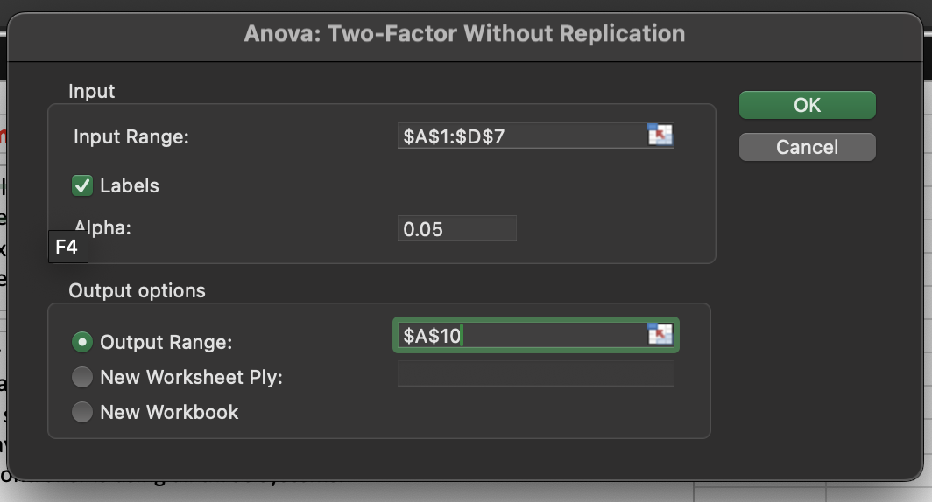
SUMMARY | Count | Sum | Average | Variance
1 | 3 | 48 | 16 | 3
2 | 3 | 42 | 14 | 0
3 | 3 | 36 | 12 | 7
4 | 3 | 42 | 14 | 7
5 | 3 | 45 | 15 | 3
6 | 3 | 39 | 13 | 0

System A | 6 | 81 | 13.5 | 4.3
System B | 6 | 78 | 13 | 2
System C | 6 | 93 | 15.5 | 3.5

Sig. Diff. between systems
No Sig. Diff. between controllers
ANOVA
Source of Variation | SS | df | MS | F | P-value | F crit
Rows | 30 | 5 | 6 | 3.1578947368 | 0.057399161578 | 3.3258345304
Columns | 21 | 2 | 10.5 | 5.5263157895 | 0.024180654297 | 4.1028210151
Error | 19 | 10 | 1.9

Total | 70 | 17

GMAT (Anova 2F w)
A factorial experiment is an experimental design that allows simultaneous conclusions about two or more factors.
- The term factorial is used because the experimental conditions include all possible combinations of the factors.
Preparation | Business | Engineering | Arts and Sciences
3-hour review | 500 | 540 | 480 |  |  |  | Factorial Experiment (Two Factor ANOVA with Replication)
3-hour review | 580 | 460 | 400
1-day program | 460 | 560 | 420
1-day program | 540 | 620 | 480
10-week course | 560 | 600 | 480
Three GMAT preparation programs:
- A three-hour review
- A one-day program
- An intensive 10-week course
- One factor in this study is the GMAT preparation program
- Second factor, undergraduate college
- This also has three treatments: business, engineering, and arts and sciences
10-week course | 600 | 580 | 410

Anova: Two-Factor With Replication

SUMMARY | Business | Engineering | Arts and Sciences | Total
3-hour review
Count | 2 | 2 | 2 | 6
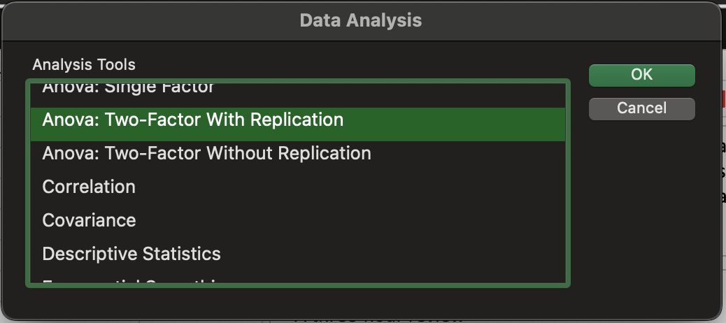
Sum | 1080 | 1000 | 880 | 2960
Average | 540 | 500 | 440 | 493.33333333
Variance | 3200 | 3200 | 3200 | 3946.6666667

1-day program
Count | 2 | 2 | 2 | 6
Sum | 1000 | 1180 | 900 | 3080
Average | 500 | 590 | 450 | 513.33333333
Variance | 3200 | 1800 | 1800 | 5386.6666667
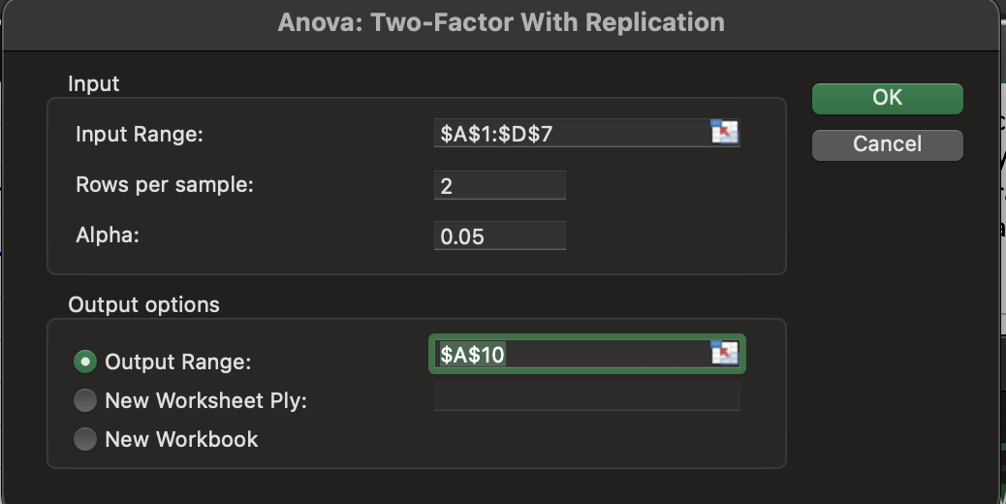
10-week course
Count | 2 | 2 | 2 | 6
Sum | 1160 | 1180 | 890 | 3230
Average | 580 | 590 | 445 | 538.33333333
Variance | 800 | 200 | 2450 | 5936.6666667

Total
Count | 6 | 6 | 6
Sum | 3240 | 3360 | 2670
Average | 540 | 560 | 445
Variance | 2720 | 3200 | 1510

Sig. Diff. between Colleges
No Sig. Diff. between Programs
ANOVA
Source of Variation | SS | df | MS | F | P-value | F crit
Sample (Rows) | 6100 | 2 | 3050 | 1.3828715365 | 0.29943610857 | 4.2564947291
Columns (UG) | 45300 | 2 | 22650 | 10.269521411 | 0.0047567180494 | 4.2564947291
Interaction | 11200 | 4 | 2800 | 1.2695214106 | 0.35032776933 | 3.6330885114
Within | 19850 | 9 | 2205.5555556

Total | 82450 | 17

Chemitech (Reg)
Method A | Method B | Method C |  |  |  | A | B | y
58 | 58 | 48 |  |  |  | 1 | 0 | 58
64 | 69 | 57 |  |  |  | 1 | 0 | 64
55 | 71 | 59 |  |  |  | 1 | 0 | 55
66 | 64 | 47 |  |  |  | 1 | 0 | 66
67 | 68 | 49 |  |  |  | 1 | 0 | 67
 |  |  |  |  |  | 0 | 1 | 58
 |  |  |  |  |  | 0 | 1 | 69
 |  |  |  |  |  | 0 | 1 | 71
 |  |  |  |  |  | 0 | 1 | 64
 |  |  |  |  |  | 0 | 1 | 68
 |  |  |  |  |  | 0 | 0 | 48
 |  |  |  |  |  | 0 | 0 | 57
 |  |  |  |  |  | 0 | 0 | 59
 |  |  |  |  |  | 0 | 0 | 47
 |  |  |  |  |  | 0 | 0 | 49

SUMMARY OUTPUT

F is sig: means for the three assembly methods are not the same.
t-test p-values of .0117 and .0013
Hence, both parameters are statistically significant.
Thus, we can also conclude that the means for methods A and C are different and that the means for methods B and C are different.
Regression Statistics
Multiple R | 0.77759318592
R Square | 0.60465116279
Adjusted R Square | 0.53875968992
Standard Error | 5.3229064742
Observations | 15

ANOVA
 | df | SS | MS | F | Significance F
Regression | 2 | 520 | 260 | 9.1764705882 | 0.0038184120755
Residual | 12 | 340 | 28.333333333
Total | 14 | 860

 | Coefficients | Standard Error | t Stat | P-value | Lower 95% | Upper 95% | Lower 95.0% | Upper 95.0%
Intercept | 52 | 2.3804761428 | 21.844369311 | 4.9684652474E-11 | 46.813388039 | 57.186611961 | 46.813388039 | 57.186611961
A | 10 | 3.3665016461 | 2.9704426289 | 0.011691565553 | 2.6650230223 | 17.334976978 | 2.6650230223 | 17.334976978
B | 14 | 3.3665016461 | 4.1586196805 | 0.0013260532638 | 6.6650230223 | 21.334976978 | 6.6650230223 | 21.334976978

