Ch13 DOE Single Factor
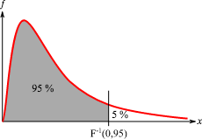
ANOVA Single Factor (completely Randomized Design)
In this example:
Factor is: Method
Levels: 3 (A, B, C)
Response Var (y): # units assembeled
ANOVA Single Factor (completely Randomized Design)
Suppose a random sample of three employees (or 3x5=15) is selected from all assembly workers at the Chemitech production facility.
In experimental design terminology, the three randomly selected workers are the experimental units.
The experimental design that we will use for the Chemitech problem is called a completely randomized design.
This type of design requires that each of the three assembly methods or treatments be assigned randomly to one of the experimental units or workers.
For example, method A might be randomly assigned to the second worker, method B to the first worker, and method C to the third worker.
The concept of randomization, as illustrated in this example, is an important principle of all experimental designs.
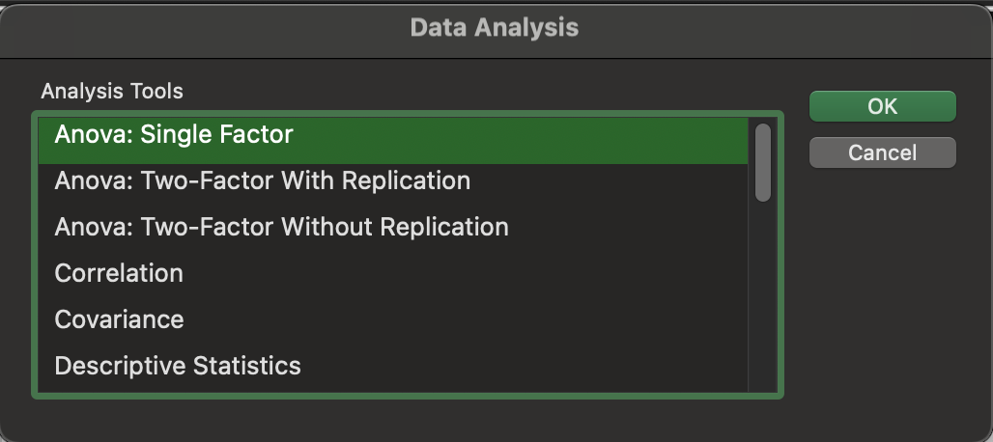
Method A | Method B | Method C
58 | 58 | 48
64 | 69 | 57
55 | 71 | 59
66 | 64 | 47
67 | 68 | 49

Anova: Single Factor

SUMMARY
Groups | Count | Sum | Average | Variance
Method A | 5 | 310 | 62 | 27.5
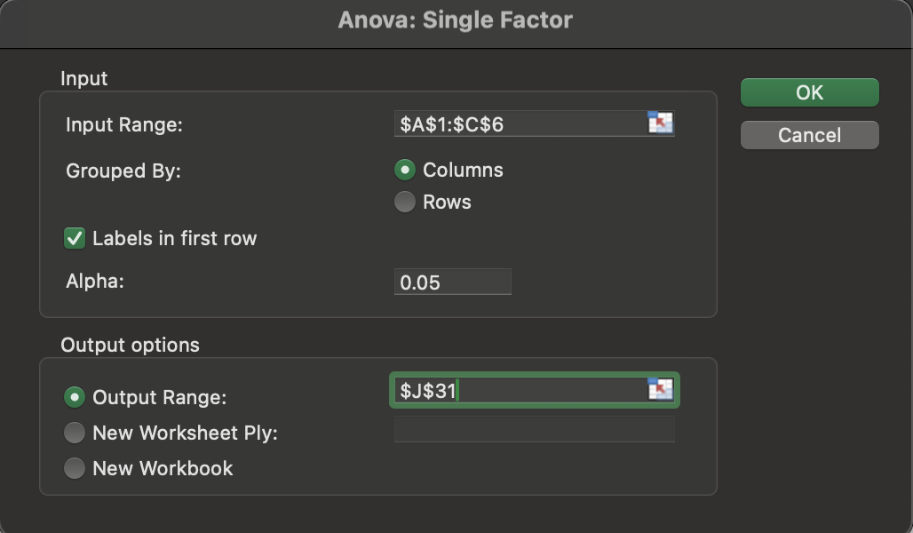
Method B | 5 | 330 | 66 | 26.5
Method C | 5 | 260 | 52 | 31

ANOVA
Source of Variation | SS | df | MS | F | P-value | F crit
Between Groups | 520 | 2 | 260 | 9.1764705882 | 0.0038184120755 | 3.8852938347
Within Groups | 340 | 12 | 28.333333333

Total | 860 | 14

Ch13 DOE 2 Factors
ANOVA 2 Factor w/o Replication
(Randomized Block Design)
In this example:
Factor 1 is System, Levels: 3 (A, B, C)
Factor 2 is Controller, Levels 6 (1 to 6)
Response Var (y): Stress Level
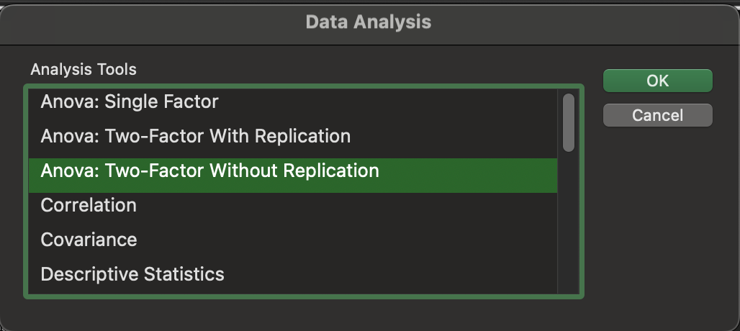
Controller | System A | System B | System C
1 | 15 | 15 | 18
2 | 14 | 14 | 14
3 | 10 | 11 | 15
4 | 13 | 12 | 17
5 | 16 | 13 | 16
6 | 13 | 13 | 13

Anova: Two-Factor Without Replication
SUMMARY | Count | Sum | Average | Variance
1 | 3 | 48 | 16.00 | 3
2 | 3 | 42 | 14.00 | 0
3 | 3 | 36 | 12.00 | 7
4 | 3 | 42 | 14.00 | 7
5 | 3 | 45 | 15.00 | 3
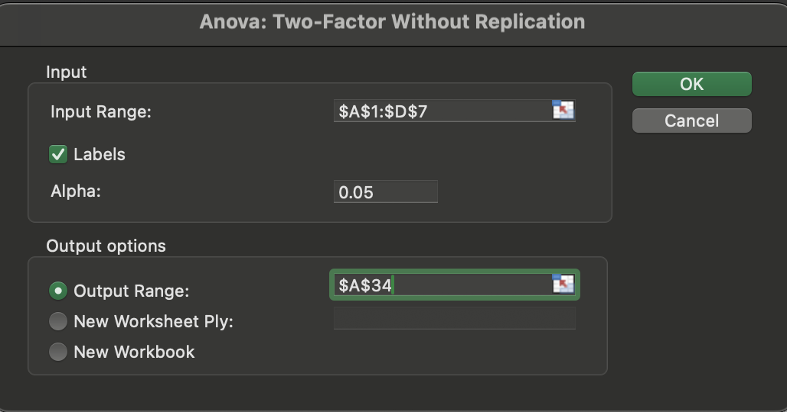
6 | 3 | 39 | 13.00 | 0
Stress levels NOT sig. for the 6 controllers.
System A | 6 | 81 | 13.5 | 4.3
System B | 6 | 78 | 13 | 2
System C | 6 | 93 | 15.5 | 3.5

ANOVA
Source of Variation | SS | df | MS | F | P-value | F crit
Rows | 30 | 5 | 6 | 3.1578947368 | 0.057399161578 | 3.3258345304
Columns | 21 | 2 | 10.5 | 5.5263157895 | 0.024180654297 | 4.1028210151
Stress levels differ sig. for the three workstation alternatives.
Error | 19 | 10 | 1.9

Total | 70 | 17

Ch13 DOE Factorial
ANOVA 2 Factor with Replication (Randomized Block Design)
In this example:
Factor 1 is Major, Levels: 3 (Bus, Eng, Art)
Factor 2 is Prep, Levels: 3 (3hr, 1Day, 10week)
Repetition: 2 (Rows per Sample: 2)
Response Var (y): GMAT Score
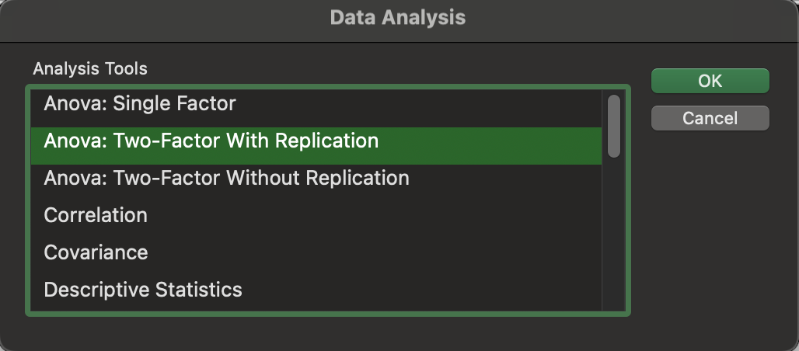
Preparation | Business | Engineering | Arts and Sciences
3-hour review | 500 | 540 | 480
3-hour review | 580 | 460 | 400
1-day program | 460 | 560 | 420
1-day program | 540 | 620 | 480
10-week course | 560 | 600 | 480
10-week course | 600 | 580 | 410

Anova: Two-Factor With Replication

SUMMARY | Business | Engineering | Arts and Sciences | Total
3-hour review
Count | 2 | 2 | 2 | 6
Sum | 1080 | 1000 | 880 | 2960
Average | 540 | 500 | 440 | 493.33333333
Variance | 3200 | 3200 | 3200 | 3946.6666667

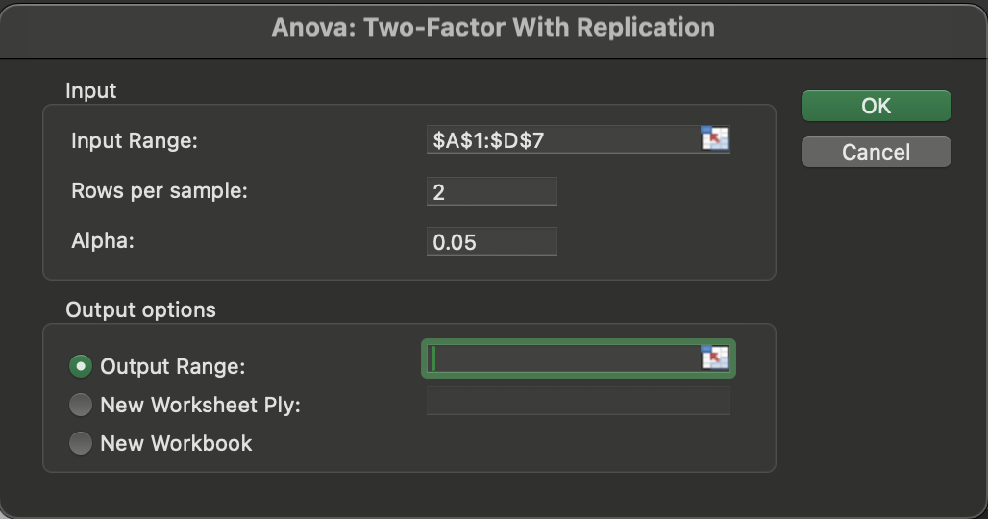
1-day program
Count | 2 | 2 | 2 | 6
Sum | 1000 | 1180 | 900 | 3080
Average | 500 | 590 | 450 | 513.33333333
Variance | 3200 | 1800 | 1800 | 5386.6666667

10-week course
Count | 2 | 2 | 2 | 6
Sum | 1160 | 1180 | 890 | 3230
Average | 580 | 590 | 445 | 538.33333333
Variance | 800 | 200 | 2450 | 5936.6666667

Total
Count | 6 | 6 | 6
Sum | 3240 | 3360 | 2670
Average | 540 | 560 | 445
Variance | 2720 | 3200 | 1510

No sig. difference between programs.
ANOVA
Source of Variation | SS | df | MS | F | P-value | F crit
Sample | 6100 | 2 | 3050 | 1.3828715365 | 0.29943610857 | 4.2564947291
Columns | 45300 | 2 | 22650 | 10.269521411 | 0.0047567180494 | 4.2564947291
Colleges sig. different
Interaction | 11200 | 4 | 2800 | 1.2695214106 | 0.35032776933 | 3.6330885114
Within | 19850 | 9 | 2205.5555556

Total | 82450 | 17

Interaction not sig.

