Butler
Scatter Diagram for Butler Trucking
Assignment | Miles | Deliveries | Time |  | Miles | Time
1 | 100 | 4 | 9.3 |  | 100 | 9.3
2 | 50 | 3 | 4.8 |  | 50 | 4.8
3 | 100 | 4 | 8.9 |  | 100 | 8.9
4 | 100 | 2 | 6.5 |  | 100 | 6.5
5 | 50 | 2 | 4.2 |  | 50 | 4.2
6 | 80 | 2 | 6.2 |  | 80 | 6.2
7 | 75 | 3 | 7.4 |  | 75 | 7.4
8 | 65 | 4 | 6.0 |  | 65 | 6.0
9 | 90 | 3 | 7.6 |  | 90 | 7.6
10 | 90 | 2 | 6.1 |  | 90 | 6.1

SUMMARY OUTPUT |  |  |  |  |  |  |  |  | SUMMARY OUTPUT

Regression Statistics |  |  |  |  |  |  |  |  | Regression Statistics
Multiple R | 0.8149057072 |  |  |  |  |  |  |  | Multiple R | 0.9506781661
R Square | 0.66407131162 |  |  |  |  |  |  |  | R Square | 0.90378897549
Adjusted R Square | 0.62208022558 |  |  |  |  |  |  |  | Adjusted R Square | 0.87630011135
Standard Error | 1.0017918729 |  |  |  |  |  |  |  | Standard Error | 0.57314215212
Observations | 10 |  |  |  |  |  |  |  | Observations | 10

ANOVA |  |  |  |  |  |  |  |  | ANOVA
 | df | SS | MS | F | Significance F |  |  |  |  | df | SS | MS | F | Significance F
Regression | 1 | 15.871304348 | 15.871304348 | 15.814578144 | 0.0040801766798 |  |  |  | Regression | 2 | 21.600556514 | 10.800278257 | 32.878367426 | 0.00027624023671
Residual | 8 | 8.0286956522 | 1.0035869565 |  |  |  |  |  | Residual | 7 | 2.2994434858 | 0.32849192654
Total | 9 | 23.9 |  |  |  |  |  |  | Total | 9 | 23.9

 | Coefficients | Standard Error | t Stat | P-value | Lower 95% | Upper 95% | Lower 99.0% | Upper 99.0% |  | Coefficients | Standard Error | t Stat | P-value | Lower 95% | Upper 95% | Lower 99.0% | Upper 99.0%
Intercept | 1.2739130435 | 1.4007445248 | 0.90945423733 | 0.38968736066 | -1.956209623 | 4.50403571 | -3.4261273894 | 5.9739534763 | Intercept | -0.86870146678 | 0.95154772467 | -0.91293525723 | 0.39163430402 | -3.1187542931 | 1.3813513595 | -4.1986268359 | 2.4612239023
Miles | 0.067826086957 | 0.017055637485 | 3.9767547251 | 0.0040801766798 | 0.028495716388 | 0.10715645752 | 0.010597817013 | 0.1250543569 | Miles | 0.061134598792 | 0.0098884945762 | 6.1823969585 | 0.00045296079321 | 0.037752024705 | 0.084517172879 | 0.026529977187 | 0.095739220397
 |  |  |  |  |  |  |  |  | Deliveries | 0.9234253667 | 0.22111346067 | 4.1762512507 | 0.0041566220113 | 0.40057511523 | 1.4462756182 | 0.14964250424 | 1.6972082291

RESIDUAL OUTPUT |  |  |  |  | PROBABILITY OUTPUT

Observation | Predicted Time | Residuals | Standard Residuals |  | Percentile | Time
1 | 8.0565217391 | 1.2434782609 | 1.3165487778 |  | 5 | 4.2
2 | 4.6652173913 | 0.1347826087 | 0.14270283955 |  | 15 | 4.8
3 | 8.0565217391 | 0.84347826087 | 0.89304357652 |  | 25 | 6
4 | 8.0565217391 | -1.5565217391 | -1.6479876309 |  | 35 | 6.1
5 | 4.6652173913 | -0.4652173913 | -0.49255496231 |  | 45 | 6.2
6 | 6.7 | -0.5 | -0.52938150155 |  | 55 | 6.5
7 | 6.3608695652 | 1.0391304348 | 1.1001928597 |  | 65 | 7.4
8 | 5.6826086957 | 0.31739130435 | 0.33604217055 |  | 75 | 7.6
9 | 7.3782608696 | 0.22173913043 | 0.23476918764 |  | 85 | 8.9
10 | 7.3782608696 | -1.2782608696 | -1.353375317 |  | 95 | 9.3

Johnson
Months Since Last Service | Type of Repair | Repair Time (hours) |  |  | Months Since Last Service | Type of Repair (Inverse) | Formula | Repair Time (hours) |  | SUMMARY OUTPUT
2 | 1 | 2.9 |  |  | 2 | 0 | =--XOR(B2,1) | 2.9
6 | 0 | 3.0 |  |  | 6 | 1 | =--XOR(B3,1) | 3.0 |  | Regression Statistics
8 | 1 | 4.8 |  |  | 8 | 0 | =--XOR(B4,1) | 4.8 |  | Multiple R | 0.92692750376
3 | 0 | 1.8 |  |  | 3 | 1 | =--XOR(B5,1) | 1.8 |  | R Square | 0.85919459723
2 | 1 | 2.9 |  |  | 2 | 0 | =--XOR(B6,1) | 2.9 |  | Adjusted R Square | 0.81896448216
7 | 1 | 4.9 |  |  | 7 | 0 | =--XOR(B7,1) | 4.9 |  | Standard Error | 0.45904830113
9 | 0 | 4.2 |  |  | 9 | 1 | =--XOR(B8,1) | 4.2 |  | Observations | 10
8 | 0 | 4.8 |  |  | 8 | 1 | =--XOR(B9,1) | 4.8
4 | 1 | 4.4 |  |  | 4 | 0 | =--XOR(B10,1) | 4.4 |  | ANOVA
6 | 1 | 4.5 |  |  | 6 | 0 | =--XOR(B11,1) | 4.5 |  |  | df | SS | MS | F | Significance F
 |  |  |  |  |  |  |  |  |  | Regression | 2 | 9.0009226006 | 4.5004613003 | 21.357000735 | 0.0010475327683
SUMMARY OUTPUT |  |  |  |  |  |  |  |  |  | Residual | 7 | 1.4750773994 | 0.21072534277
 |  |  | 0: Mechanical |  |  |  |  |  |  | Total | 9 | 10.476
Regression Statistics |  |  | 1: Electrical
Multiple R | 0.92692750376 |  |  |  |  |  |  |  |  |  | Coefficients | Standard Error | t Stat | P-value | Lower 95% | Upper 95% | Lower 95.0% | Upper 95.0%
R Square | 0.85919459723 |  |  |  |  |  |  |  |  | Intercept | 2.1931888545 | 0.35576071417 | 6.1647865183 | 0.00046082101832 | 1.351948442 | 3.034429267 | 1.351948442 | 3.034429267
Adjusted R Square | 0.81896448216 |  |  |  |  |  |  |  |  | Months Since Last Service | 0.38761609907 | 0.062565187221 | 6.1953958149 | 0.00044725526187 | 0.23967294006 | 0.53555925808 | 0.23967294006 | 0.53555925808
Standard Error | 0.45904830113 |  |  |  |  |  |  |  |  | Type of Repair (Inverse) | -1.2626934985 | 0.31412667326 | -4.0196952565 | 0.0050615648971 | -2.0054850481 | -0.51990194879 | -2.0054850481 | -0.51990194879
Observations | 10

ANOVA
 | df | SS | MS | F | Significance F
Regression | 2 | 9.0009226006 | 4.5004613003 | 21.357000735 | 0.0010475327683
Residual | 7 | 1.4750773994 | 0.21072534277
Total | 9 | 10.476

 | Coefficients | Standard Error | t Stat | P-value | Lower 95% | Upper 95% |  | Lower 95.0% | Upper 95.0%
Intercept | 0.93049535604 | 0.46697414033 | 1.9926057477 | 0.086558043114 | -0.17372302106 | 2.0347137331 |  | -0.17372302106 | 2.0347137331
Months Since Last Service | 0.38761609907 | 0.062565187221 | 6.1953958149 | 0.00044725526187 | 0.23967294006 | 0.53555925808 |  | 0.23967294006 | 0.53555925808
Type of Repair | 1.2626934985 | 0.31412667326 | 4.0196952565 | 0.0050615648971 | 0.51990194879 | 2.0054850481 |  | 0.51990194879 | 2.0054850481
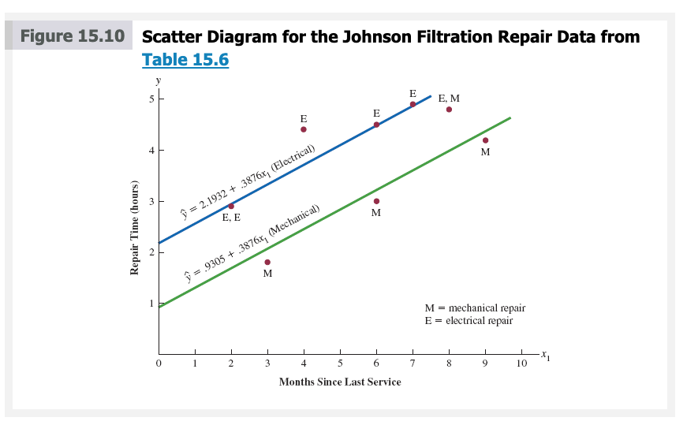

In effect, the use of a dummy variable for type of repair provides two estimated regression equations that can be used to predict the repair time, one corresponding to mechanical repairs and one corresponding to electrical repairs.
0: Mechanical 1: Electrical
In addition, with , we learn that, on average, electrical repairs require 1.2627 hours longer than mechanical repairs.
 |  |  |  |  |  |  | Page 759

Butler (Residual)
Assignment | Miles | Deliveries | Time
1 | 100 | 4 | 9.3
2 | 50 | 3 | 4.8
3 | 100 | 4 | 8.9
4 | 100 | 2 | 6.5
5 | 50 | 2 | 4.2
Deliveries Residual Plot
6 | 80 | 2 | 6.2
7 | 75 | 3 | 7.4
8 | 65 | 4 | 6.0
9 | 90 | 3 | 7.6
10 | 90 | 2 | 6.1

SUMMARY OUTPUT

Regression Statistics
Multiple R | 0.9506781661
R Square | 0.90378897549
Miles Residual Plot
Adjusted R Square | 0.87630011135
Standard Error | 0.57314215212
Observations | 10

ANOVA
 | df | SS | MS | F | Significance F
Regression | 2 | 21.600556514 | 10.800278257 | 32.878367426 | 0.00027624023671
Residual | 7 | 2.2994434858 | 0.32849192654
Total | 9 | 23.9

Normal Probability Plot
 | Coefficients | Standard Error | t Stat | P-value | Lower 95% | Upper 95% | Lower 95.0% | Upper 95.0%
Intercept | -0.86870146678 | 0.95154772467 | -0.91293525723 | 0.39163430402 | -3.1187542931 | 1.3813513595 | -3.1187542931 | 1.3813513595
Miles | 0.061134598792 | 0.0098884945762 | 6.1823969585 | 0.00045296079321 | 0.037752024705 | 0.084517172879 | 0.037752024705 | 0.084517172879
Deliveries | 0.9234253667 | 0.22111346067 | 4.1762512507 | 0.0041566220113 | 0.40057511523 | 1.4462756182 | 0.40057511523 | 1.4462756182

RESIDUAL OUTPUT |  |  |  |  | PROBABILITY OUTPUT

Observation | Predicted Time | Residuals | Standard Residuals |  | Percentile | Time
1 | 8.9384598792 | 0.36154012079 | 0.71526402685 |  | 5 | 4.2
2 | 4.9583045729 | -0.15830457291 | -0.31318672472 |  | 15 | 4.8
3 | 8.9384598792 | -0.038459879206 | -0.076088285894 |  | 25 | 6
4 | 7.0916091458 | -0.59160914582 | -1.1704281645 |  | 35 | 6.1
5 | 4.0348792062 | 0.16512079379 | 0.32667180511 |  | 45 | 6.2
6 | 5.86891717 | 0.33108283003 | 0.65500790813 |  | 55 | 6.5
7 | 6.4866695427 | 0.91333045729 | 1.8069154242 |  | 65 | 7.4
8 | 6.7987489215 | -0.79874892148 | -1.5802295158 |  | 75 | 7.6
9 | 7.4036885246 | 0.19631147541 | 0.38837885021 |  | 85 | 8.9
10 | 6.4802631579 | -0.38026315789 | -0.75230532363 |  | 95 | 9.3

Standard Residuals

 |  | Predicted Time | Standard Residuals
 |  | 8.9384598792 | 0.71526402685
 |  | 4.9583045729 | -0.31318672472
 |  | 8.9384598792 | -0.076088285894
 |  | 7.0916091458 | -1.1704281645
 |  | 4.0348792062 | 0.32667180511
 |  | 5.86891717 | 0.65500790813
 |  | 6.4866695427 | 1.8069154242
 |  | 6.7987489215 | -1.5802295158
 |  | 7.4036885246 | 0.38837885021
 |  | 6.4802631579 | -0.75230532363

Log Reg (Simmons)
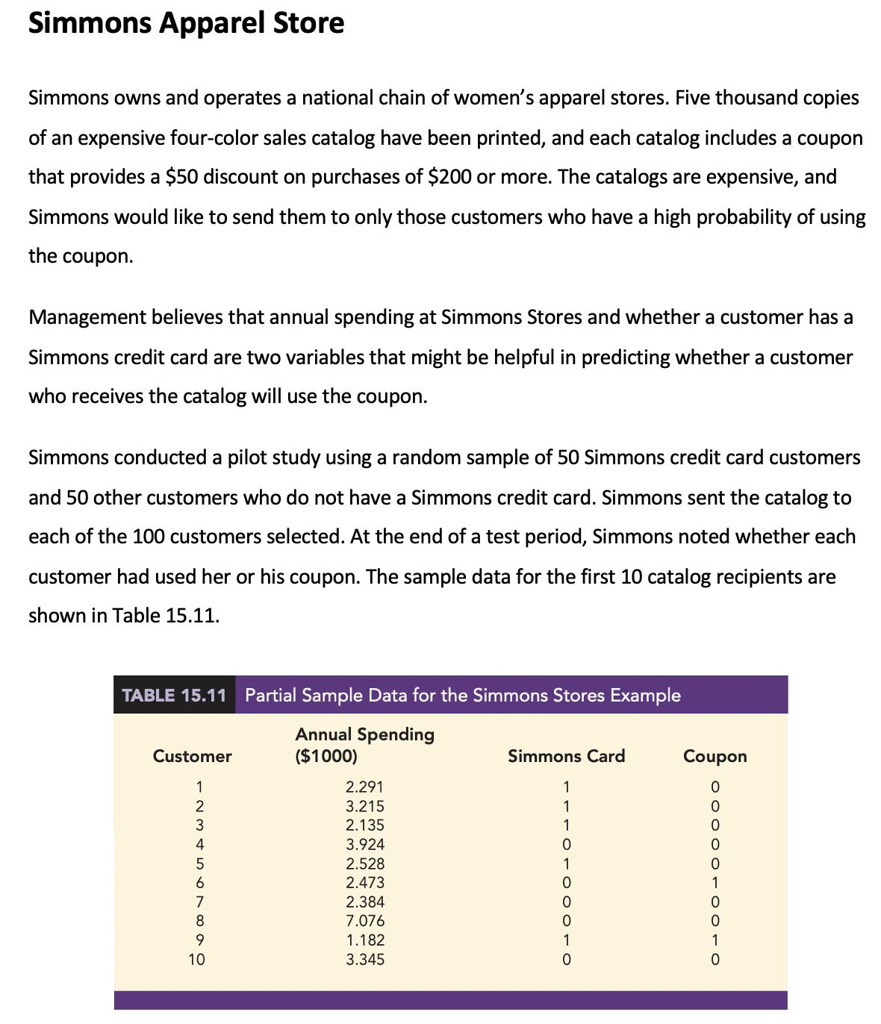

Simmons Intution
Customer | Spending | Card | Coupon | Spending | Coupon
1 | 2.291 | 1 | 0 | 2.291 | 0
2 | 3.215 | 1 | 0 | 3.215 | 0
Simmons Apparel Store
3 | 2.135 | 1 | 0 | 2.135 | 0
4 | 3.924 | 0 | 0 | 3.924 | 0
5 | 2.528 | 1 | 0 | 2.528 | 0
6 | 2.473 | 0 | 1 | 2.473 | 1
7 | 2.384 | 0 | 0 | 2.384 | 0
8 | 7.076 | 0 | 0 | 7.076 | 0
9 | 1.182 | 1 | 1 | 1.182 | 1
10 | 3.345 | 0 | 0 | 3.345 | 0
11 | 2.140 | 1 | 0 | 2.140 | 0
12 | 3.255 | 0 | 1 | 3.255 | 1
13 | 1.512 | 0 | 0 | 1.512 | 0
14 | 2.148 | 0 | 1 | 2.148 | 1
15 | 6.737 | 0 | 0 | 6.737 | 0
16 | 6.486 | 0 | 0 | 6.486 | 0
17 | 1.307 | 0 | 0 | 1.307 | 0
18 | 3.470 | 1 | 0 | 3.470 | 0
19 | 2.936 | 0 | 0 | 2.936 | 0
20 | 6.404 | 0 | 1 | 6.404 | 1
21 | 2.229 | 0 | 0 | 2.229 | 0
22 | 2.933 | 0 | 0 | 2.933 | 0
23 | 2.118 | 0 | 0 | 2.118 | 0
24 | 2.050 | 0 | 0 | 2.050 | 0
25 | 4.998 | 0 | 1 | 4.998 | 1
26 | 1.394 | 0 | 0 | 1.394 | 0
27 | 3.993 | 1 | 1 | 3.993 | 1
https://youtu.be/nz-FrbAa8dY
28 | 2.059 | 0 | 1 | 2.059 | 1
29 | 1.677 | 0 | 0 | 1.677 | 0
30 | 2.229 | 0 | 1 | 2.229 | 1
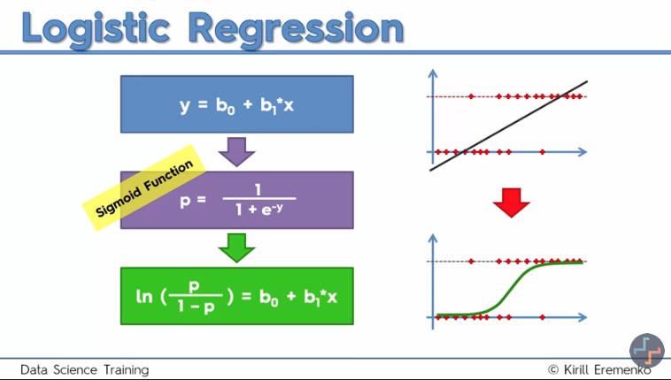
31 | 1.138 | 0 | 0 | 1.138 | 0
32 | 2.933 | 1 | 0 | 2.933 | 0
33 | 5.365 | 1 | 1 | 5.365 | 1
34 | 5.365 | 0 | 0 | 5.365 | 0
35 | 6.179 | 0 | 0 | 6.179 | 0
36 | 1.980 | 1 | 0 | 1.980 | 0
37 | 1.058 | 1 | 0 | 1.058 | 0
38 | 6.851 | 1 | 1 | 6.851 | 1
39 | 1.124 | 0 | 0 | 1.124 | 0
40 | 1.911 | 0 | 0 | 1.911 | 0
41 | 3.253 | 0 | 0 | 3.253 | 0
42 | 1.839 | 0 | 0 | 1.839 | 0
43 | 1.657 | 1 | 0 | 1.657 | 0
44 | 1.075 | 0 | 0 | 1.075 | 0
45 | 3.566 | 0 | 0 | 3.566 | 0
46 | 2.118 | 0 | 0 | 2.118 | 0
47 | 1.554 | 1 | 0 | 1.554 | 0
48 | 4.631 | 0 | 0 | 4.631 | 0
49 | 4.345 | 1 | 1 | 4.345 | 1
50 | 4.004 | 1 | 1 | 4.004 | 1
51 | 1.068 | 1 | 1 | 1.068 | 1
52 | 2.421 | 0 | 0 | 2.421 | 0
53 | 4.414 | 0 | 0 | 4.414 | 0
p/1-p is called odds.
ln(p/1-p) is called logit.
We plug in x, and we get the logit.
Then we solve logit to get the probability.
Use the applet to show this part.
54 | 3.386 | 1 | 1 | 3.386 | 1
55 | 1.677 | 1 | 0 | 1.677 | 0
56 | 2.050 | 1 | 1 | 2.050 | 1
57 | 2.323 | 1 | 1 | 2.323 | 1
58 | 5.501 | 0 | 0 | 5.501 | 0
59 | 3.345 | 0 | 1 | 3.345 | 1
60 | 3.318 | 1 | 1 | 3.318 | 1
61 | 4.721 | 0 | 1 | 4.721 | 1
62 | 1.662 | 0 | 1 | 1.662 | 1
63 | 2.936 | 1 | 0 | 2.936 | 0
64 | 2.049 | 0 | 0 | 2.049 | 0
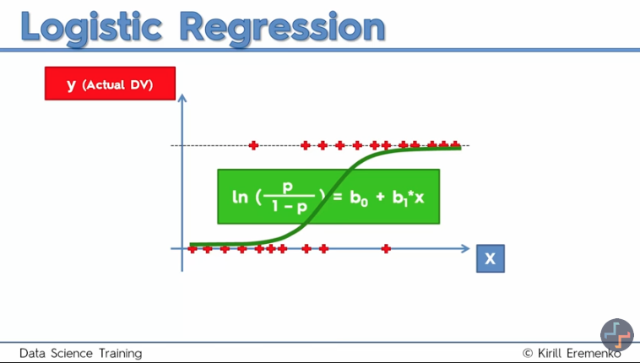
65 | 2.313 | 0 | 1 | 2.313 | 1
66 | 6.851 | 0 | 0 | 6.851 | 0
67 | 2.291 | 0 | 0 | 2.291 | 0
68 | 3.470 | 1 | 1 | 3.470 | 1
69 | 3.253 | 0 | 0 | 3.253 | 0
70 | 2.059 | 0 | 0 | 2.059 | 0
71 | 2.678 | 1 | 1 | 2.678 | 1
72 | 2.323 | 1 | 0 | 2.323 | 0
73 | 1.878 | 1 | 0 | 1.878 | 0
74 | 2.678 | 1 | 1 | 2.678 | 1
75 | 6.179 | 1 | 1 | 6.179 | 1
76 | 3.411 | 1 | 1 | 3.411 | 1
77 | 5.991 | 0 | 1 | 5.991 | 1
78 | 7.076 | 1 | 1 | 7.076 | 1
79 | 3.255 | 1 | 1 | 3.255 | 1
80 | 2.148 | 1 | 0 | 2.148 | 0
81 | 5.501 | 1 | 1 | 5.501 | 1
82 | 5.991 | 1 | 1 | 5.991 | 1
83 | 2.372 | 1 | 0 | 2.372 | 0
84 | 3.995 | 1 | 0 | 3.995 | 0
85 | 2.135 | 0 | 1 | 2.135 | 1
86 | 6.737 | 1 | 1 | 6.737 | 1
87 | 6.486 | 1 | 1 | 6.486 | 1
The sigmuid function is just like the "fitted line" in simple linear regression.
This is what fits our dataset, only it looks different.
After this we can forget about the equation.
88 | 2.429 | 1 | 0 | 2.429 | 0
89 | 4.701 | 1 | 1 | 4.701 | 1
90 | 6.404 | 1 | 0 | 6.404 | 0
91 | 1.130 | 1 | 0 | 1.130 | 0
92 | 1.911 | 1 | 1 | 1.911 | 1
93 | 4.959 | 1 | 1 | 4.959 | 1
94 | 6.073 | 1 | 1 | 6.073 | 1
95 | 1.403 | 1 | 0 | 1.403 | 0
96 | 3.318 | 0 | 0 | 3.318 | 0
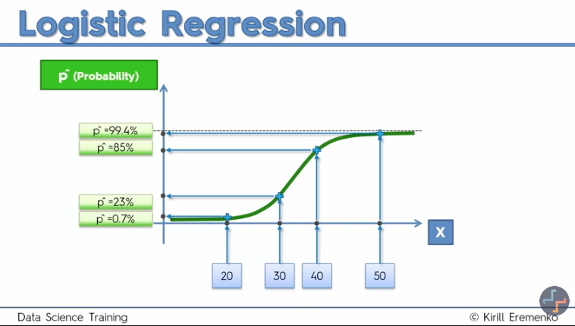
97 | 2.421 | 1 | 0 | 2.421 | 0
98 | 6.073 | 0 | 0 | 6.073 | 0
99 | 2.630 | 1 | 0 | 2.630 | 0
100 | 3.411 | 0 | 1 | 3.411 | 1

One thing that this graph gives us is the probabilities.
For instance for x amount spending what is the prob. of that person using the cupon.

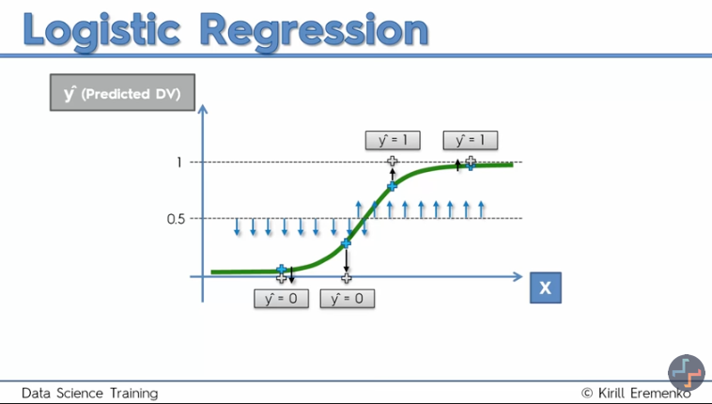

Another thing that this graph gives us is the actual p-hats.
We select a 50% line.
Anything below would be considered 0, and above: 1.

