Selector
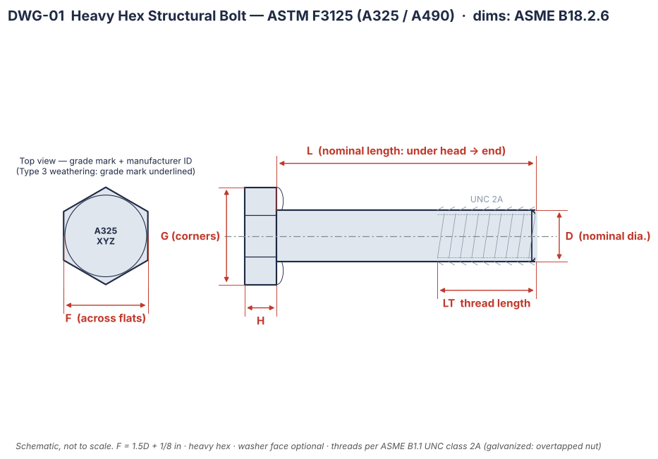
Structural bolt selector — F3125 heavy hex
Pick size and grade in the yellow cells; everything else updates.

Size (in) | 3/4
Grade | A325
Finish | Plain

D (in) | 0.750
UNC threads per inch | 10
Bolt head across flats F (in) | 1.250
Bolt head height H (in) | 0.469
Thread length LT (in) | 1.375
Heavy hex nut thickness (in) | 0.734
F436 washer ID / OD (in) | 0.813 / 1.469
Tensile stress area As (in²) | 0.335
Min tensile strength (ksi) | 120
Min tensile load (kips) | 40.1
RCSC min pretension (kips) | 28
Recommended nut | A563 DH heavy hex
Washer | F436 Type 1
Head marking | A325 + mfr ID
Drawing | DWG-01 / DWG-11

Example shown: 3/4 in A325 plain. Change only yellow cells.

Drawings
Technical drawings (schematic) — DWG-01 … DWG-11
Proportional schematics with dimension symbols (D, F, G, H, L, LT, T …). Real sizes: see Dim_ sheets. PNG originals: output/astm_drawings/

DWG-01 | Heavy hex structural bolt (F3125)

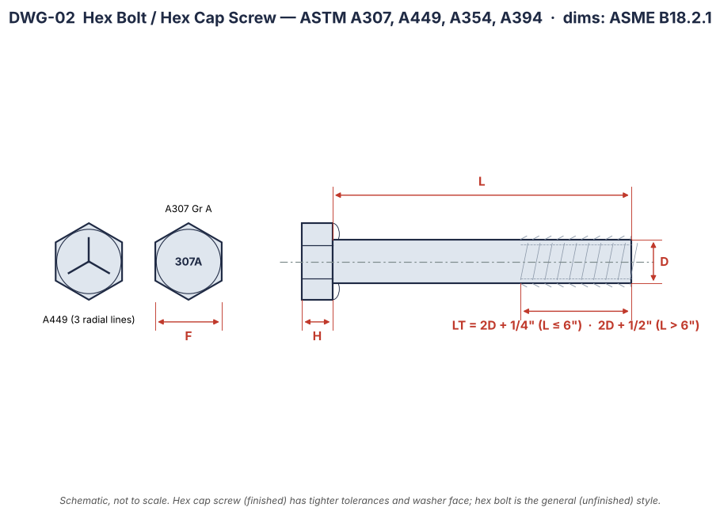
DWG-02 | Hex bolt / hex cap screw (A307, A449, A354)

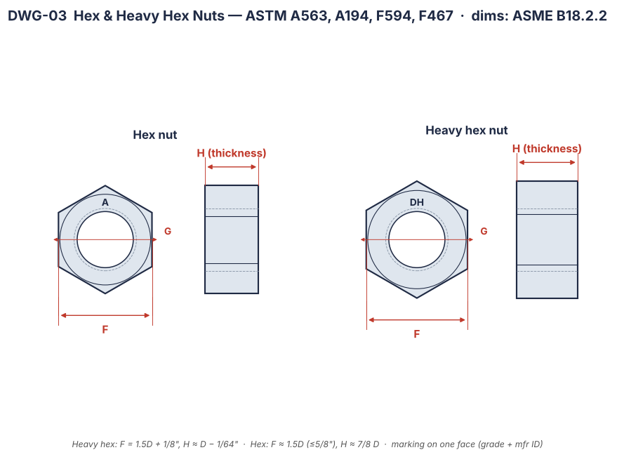
DWG-03 | Hex & heavy hex nuts (A563, A194)

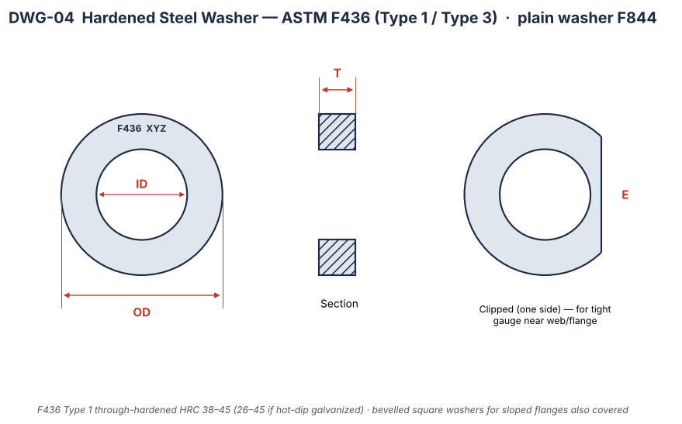
DWG-04 | Hardened washer (F436) & clipped washer

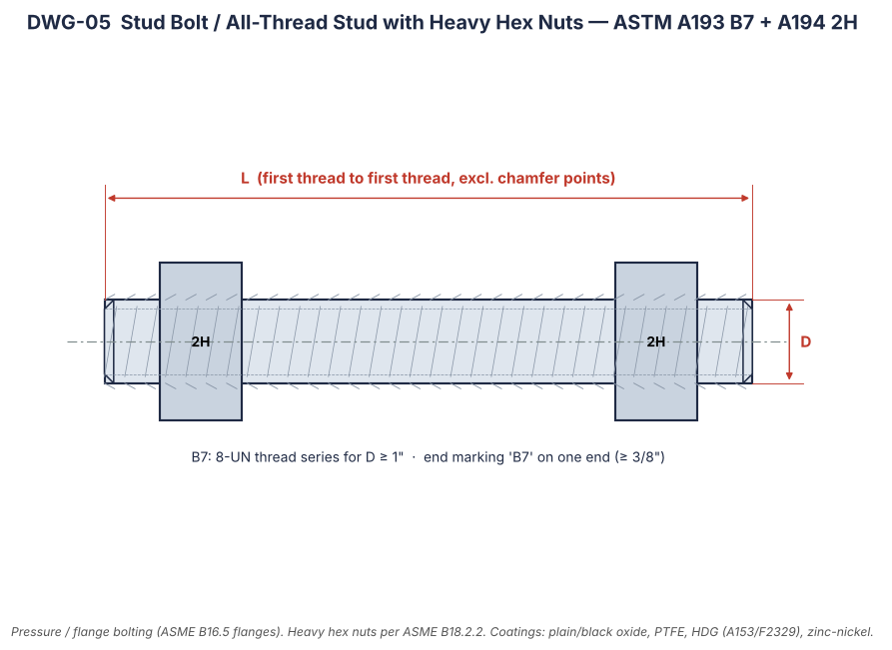
DWG-05 | Stud bolt with nuts (A193 B7 + A194 2H)

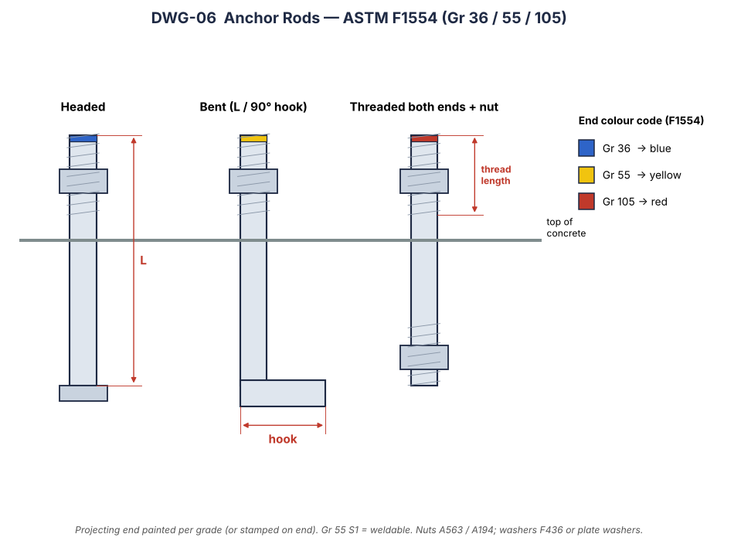
DWG-06 | Anchor rods (F1554) & colour code

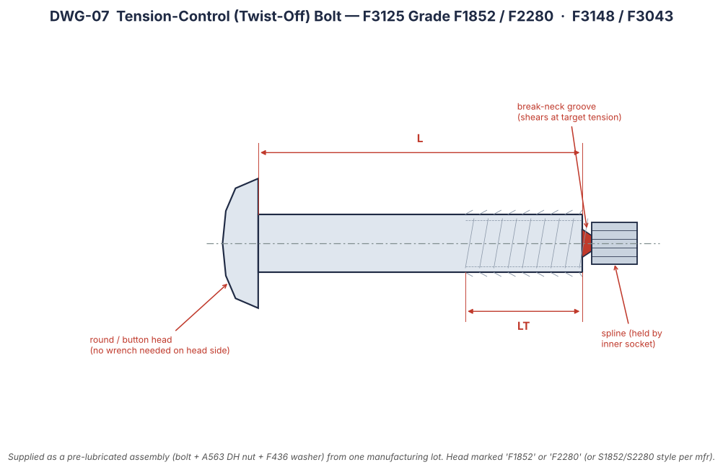
DWG-07 | Tension-control twist-off bolt (F1852/F2280)

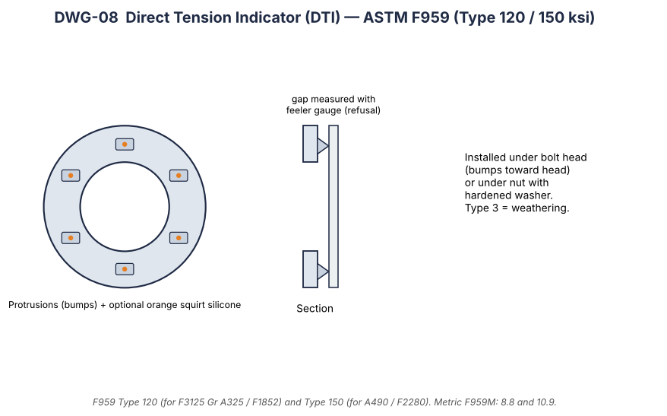
DWG-08 | Direct tension indicator (F959)

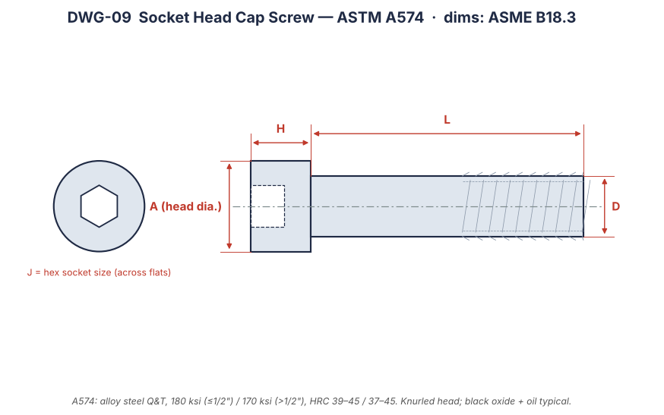
DWG-09 | Socket head cap screw (A574)

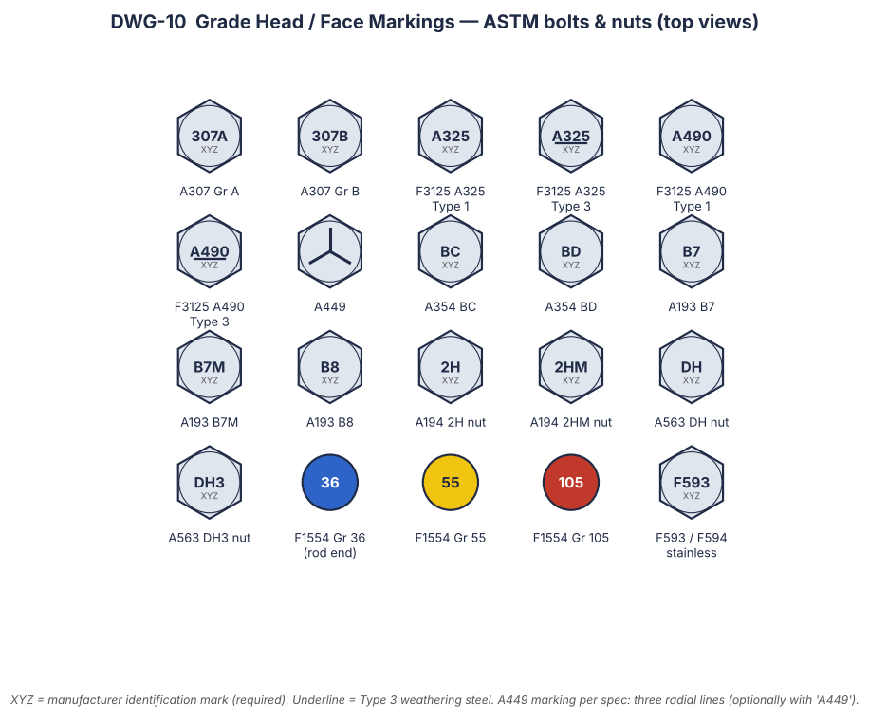
DWG-10 | Grade markings gallery

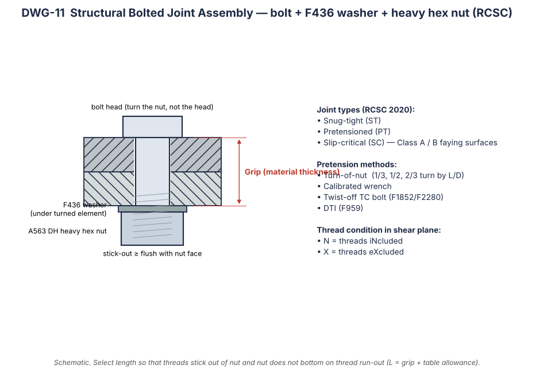
DWG-11 | Structural bolted joint assembly

