Nightdress-Fill this
Field Names | * Compulsory Field | * Compulsory Field | * Compulsory Field | Optional Field | * Compulsory Field | * Compulsory Field | * Compulsory Field | * Compulsory Field | * Compulsory Field | * Compulsory Field | * Compulsory Field | * Compulsory Field | * Compulsory Field | * Compulsory Field | * Compulsory Field | * Compulsory Field | * Compulsory Field | * Compulsory Field | * Compulsory Field | * Compulsory Field | * Compulsory Field | * Compulsory Field | * Compulsory Field | * Compulsory Field | * Compulsory Field | * Compulsory Field | * Compulsory Field | * Compulsory Field | Optional Field | Optional Field | Optional Field | Optional Field | Optional Field | Optional Field | Optional Field | Optional Field | Optional Field | Optional Field | Optional Field | Optional Field | Optional Field | Optional Field | Optional Field | Optional Field | Optional Field | Optional Field | Optional Field | Optional Field
Fields + Description: | Product Name. | Variation | Meesho Price | Wrong/Defective Returns Price | MRP | GST % Product GST % | HSN ID Select the HSN ID from the dropdown. | Net Weight (gms) | Inventory Number of items you have in stock. | Country of Origin | Manufacturer Name | Manufacturer Address | Manufacturer Pincode | Packer Name | Packer Address | Packer Pincode | Importer Name | Importer Address | Importer Pincode | Add ons Select "Add ons" from the list | Color Select "Color" from the list | Fabric Select "Fabric" from the list | Fit/Type Select "Fit/Type" from the list | Generic Name | Net Quantity (N) | Bust Size Select "Bust Size" from the list (Inch) | Length Size Select "Length Size" from the list (Inch) | Image 1 (Front) | Image 2 | Image 3 | Image 4 | Product ID / Style ID | SKU ID | Brand Name Enter the Brand name | Group ID. | Product Description Please write few lines describing your product | EAN/UPC | Brand | Length Select "Length" from the list | Neck Select "Neck" from the list | Occassion Select "Occassion" from the list | Pattern Select "Pattern" from the list | Pockets Select "Pockets" from the list | Print or Pattern Type Select "Print or Pattern Type" from the list | Sleeve Length Select "Sleeve Length" from the list | Surface Styling Select "Surface Styling" from the list | Hip Size Select "Hip Size" from the list (Inch) | Waist Size Select "Waist Size" from the list (Inch)
 | Cotton Nighty for Women, Nighty, Cotton Nighty, Summer Nighty, Nighty for Ladies, Nighty for girls, Floral Nighty, Pure cotton nighty, Maxi, Gown, Soft breathable sleepwear. | XXL | 325 | 303 | 499 | 5 | 620821 | 285 | 10 | India | Pegasus Creation | Prasanta Apartment, Check Post., Barasat, West Bengal - 700125 | 700125 | Divine Enterprise | Prasanta Apartment, Check Post., Barasat, West Bengal - 700125 | 700125 | Not Required | Not Required | Not Required | No Add Ons | Black | Cotton | Dress | Maxi | 1 | 42 | 54 |  |  |  |  | DE26030B | DE26030B103313 |  |  | Upgrade your daily comfort with this printed nighty for women. Designed as a full-length maxi night gown, this sleeveless sleepwear offers a relaxed, flowing fit ideal for warm weather and daily home wear. The square neckline features contrast piping and a delicate center bow detail, complementing the all-over abstract print. |  |  | Maxi | Square Neck | Everyday | Printed | No Pocket | Botanical | Sleeveless | Pleated Or Gathered | 44 | 36
 | Cotton Nighty for Women, Nighty, Cotton Nighty, Summer Nighty, Nighty for Ladies, Nighty for girls, Floral Nighty, Pure cotton nighty, Maxi, Gown, Soft breathable sleepwear. | XXL | 325 | 303 | 499 | 5 | 620821 | 285 | 10 | India | Pegasus Creation | Prasanta Apartment, Check Post., Barasat, West Bengal - 700125 | 700125 | Divine Enterprise | Prasanta Apartment, Check Post., Barasat, West Bengal - 700125 | 700125 | Not Required | Not Required | Not Required | No Add Ons | Maroon | Cotton | Dress | Maxi | 1 | 42 | 54 |  |  |  |  | DE26030M | DE26030M103213 |  |  | Upgrade your daily comfort with this printed nighty for women. Designed as a full-length maxi night gown, this sleeveless sleepwear offers a relaxed, flowing fit ideal for warm weather and daily home wear. The square neckline features contrast piping and a delicate center bow detail, complementing the all-over abstract print. |  |  | Maxi | Square Neck | Everyday | Printed | No Pocket | Botanical | Sleeveless | Pleated Or Gathered | 44 | 36
 | Cotton Nighty for Women, Nighty, Cotton Nighty, Summer Nighty, Nighty for Ladies, Nighty for girls, Floral Nighty, Pure cotton nighty, Maxi, Gown, Soft breathable sleepwear. | XXL | 325 | 303 | 499 | 5 | 620821 | 285 | 10 | India | Pegasus Creation | Prasanta Apartment, Check Post., Barasat, West Bengal - 700125 | 700125 | Divine Enterprise | Prasanta Apartment, Check Post., Barasat, West Bengal - 700125 | 700125 | Not Required | Not Required | Not Required | No Add Ons | Red | Cotton | Dress | Maxi | 1 | 42 | 54 |  |  |  |  | DE26030R | DE26030R101213 |  |  | Upgrade your daily comfort with this printed nighty for women. Designed as a full-length maxi night gown, this sleeveless sleepwear offers a relaxed, flowing fit ideal for warm weather and daily home wear. The square neckline features contrast piping and a delicate center bow detail, complementing the all-over abstract print. |  |  | Maxi | Square Neck | Everyday | Printed | No Pocket | Botanical | Sleeveless | Pleated Or Gathered | 44 | 36
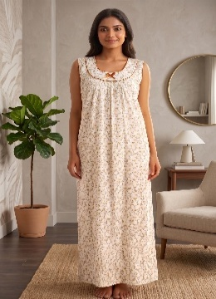 | Cotton Nighty for Women, Nighty, Cotton Nighty, Summer Nighty, Nighty for Ladies, Nighty for girls, Floral Nighty, Pure cotton nighty, Maxi, Gown, Soft breathable sleepwear. | XXL | 345 | 323 | 549 | 5 | 620821 | 290 | 6 | India | Pegasus Creation | Prasanta Apartment, Check Post., Barasat, West Bengal - 700125 | 700125 | Divine Enterprise | Prasanta Apartment, Check Post., Barasat, West Bengal - 700125 | 700125 | Not Required | Not Required | Not Required | No Add Ons | Gold | Cotton | Dress | Maxi | 1 | 42 | 54 |  |  |  |  | DE26001Y | DE26001Y103813 |  |  | Upgrade your daily comfort with this printed nighty for women. Designed as a full-length maxi night gown, this sleeveless sleepwear offers a relaxed, flowing fit ideal for warm weather and daily home wear. The square neckline features contrast piping and a delicate center bow detail, complementing the all-over abstract print. |  |  | Maxi | Round Neck | Everyday | Printed | No Pocket | Floral | Sleeveless | Pleated Or Gathered | 44 | 36
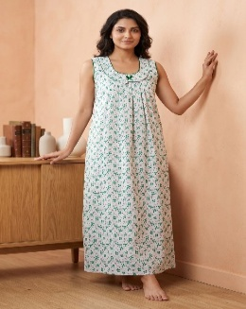 | Cotton Nighty for Women, Nighty, Cotton Nighty, Summer Nighty, Nighty for Ladies, Nighty for girls, Floral Nighty, Pure cotton nighty, Maxi, Gown, Soft breathable sleepwear. | XXL | 345 | 323 | 549 | 5 | 620821 | 290 | 17 | India | Pegasus Creation | Prasanta Apartment, Check Post., Barasat, West Bengal - 700125 | 700125 | Divine Enterprise | Prasanta Apartment, Check Post., Barasat, West Bengal - 700125 | 700125 | Not Required | Not Required | Not Required | No Add Ons | Green | Cotton | Dress | Maxi | 1 | 42 | 54 |  |  |  |  | DE26001G | DE26001G103413 |  |  | Upgrade your daily comfort with this printed nighty for women. Designed as a full-length maxi night gown, this sleeveless sleepwear offers a relaxed, flowing fit ideal for warm weather and daily home wear. The square neckline features contrast piping and a delicate center bow detail, complementing the all-over abstract print. |  |  | Maxi | Round Neck | Everyday | Printed | No Pocket | Floral | Sleeveless | Pleated Or Gathered | 44 | 36
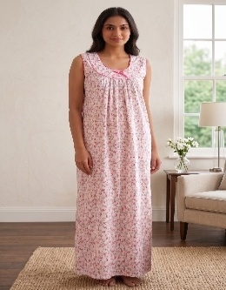 | Cotton Nighty for Women, Nighty, Cotton Nighty, Summer Nighty, Nighty for Ladies, Nighty for girls, Floral Nighty, Pure cotton nighty, Maxi, Gown, Soft breathable sleepwear. | XXL | 345 | 323 | 549 | 5 | 620821 | 290 | 6 | India | Pegasus Creation | Prasanta Apartment, Check Post., Barasat, West Bengal - 700125 | 700125 | Divine Enterprise | Prasanta Apartment, Check Post., Barasat, West Bengal - 700125 | 700125 | Not Required | Not Required | Not Required | No Add Ons | Peach | Cotton | Dress | Maxi | 1 | 42 | 54 |  |  |  |  | DE26001R | DE26001R102713 |  |  | Upgrade your daily comfort with this printed nighty for women. Designed as a full-length maxi night gown, this sleeveless sleepwear offers a relaxed, flowing fit ideal for warm weather and daily home wear. The square neckline features contrast piping and a delicate center bow detail, complementing the all-over abstract print. |  |  | Maxi | Round Neck | Everyday | Printed | No Pocket | Floral | Sleeveless | Pleated Or Gathered | 44 | 36
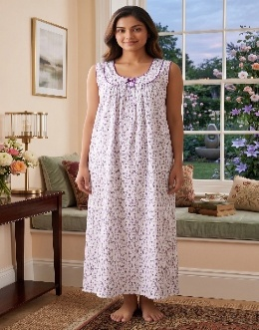 | Cotton Nighty for Women, Nighty, Cotton Nighty, Summer Nighty, Nighty for Ladies, Nighty for girls, Floral Nighty, Pure cotton nighty, Maxi, Gown, Soft breathable sleepwear. | XXL | 345 | 323 | 549 | 5 | 620821 | 290 | 7 | India | Pegasus Creation | Prasanta Apartment, Check Post., Barasat, West Bengal - 700125 | 700125 | Divine Enterprise | Prasanta Apartment, Check Post., Barasat, West Bengal - 700125 | 700125 | Not Required | Not Required | Not Required | No Add Ons | Purple | Cotton | Dress | Maxi | 1 | 42 | 54 |  |  |  |  | DE26001P | DE26001P103513 |  |  | Upgrade your daily comfort with this printed nighty for women. Designed as a full-length maxi night gown, this sleeveless sleepwear offers a relaxed, flowing fit ideal for warm weather and daily home wear. The square neckline features contrast piping and a delicate center bow detail, complementing the all-over abstract print. |  |  | Maxi | Round Neck | Everyday | Printed | No Pocket | Floral | Sleeveless | Pleated Or Gathered | 44 | 36
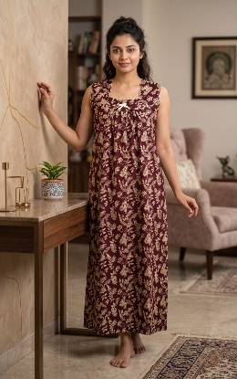 | Cotton Nighty for Women, Nighty, Cotton Nighty, Summer Nighty, Nighty for Ladies, Nighty for girls, Floral Nighty, Pure cotton nighty, Maxi, Gown, Soft breathable sleepwear. | XXL | 375 | 353 | 549 | 5 | 620821 | 285 | 11 | India | Pegasus Creation | Prasanta Apartment, Check Post., Barasat, West Bengal - 700125 | 700125 | Divine Enterprise | Prasanta Apartment, Check Post., Barasat, West Bengal - 700125 | 700125 | Not Required | Not Required | Not Required | No Add Ons | Maroon | Cotton | Dress | Maxi | 1 | 42 | 54 |  |  |  |  | DE26002M | DE26002M103213 |  |  | Upgrade your daily comfort with this printed nighty for women. Designed as a full-length maxi night gown, this sleeveless sleepwear offers a relaxed, flowing fit ideal for warm weather and daily home wear. The square neckline features contrast piping and a delicate center bow detail, complementing the all-over abstract print. |  |  | Maxi | Square Neck | Everyday | Printed | No Pocket | Botanical | Sleeveless | Pleated Or Gathered | 44 | 36
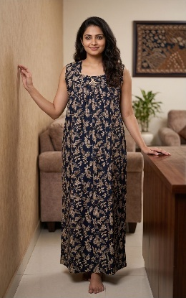 | Cotton Nighty for Women, Nighty, Cotton Nighty, Summer Nighty, Nighty for Ladies, Nighty for girls, Floral Nighty, Pure cotton nighty, Maxi, Gown, Soft breathable sleepwear. | XXL | 375 | 353 | 549 | 5 | 620821 | 285 | 8 | India | Pegasus Creation | Prasanta Apartment, Check Post., Barasat, West Bengal - 700125 | 700125 | Divine Enterprise | Prasanta Apartment, Check Post., Barasat, West Bengal - 700125 | 700125 | Not Required | Not Required | Not Required | No Add Ons | Navy Blue | Cotton | Dress | Maxi | 1 | 42 | 54 |  |  |  |  | DE26002N | DE26002N101313 |  |  | Upgrade your daily comfort with this printed nighty for women. Designed as a full-length maxi night gown, this sleeveless sleepwear offers a relaxed, flowing fit ideal for warm weather and daily home wear. The square neckline features contrast piping and a delicate center bow detail, complementing the all-over abstract print. |  |  | Maxi | Square Neck | Everyday | Printed | No Pocket | Botanical | Sleeveless | Pleated Or Gathered | 44 | 36
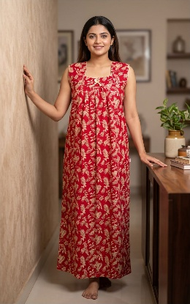 | Cotton Nighty for Women, Nighty, Cotton Nighty, Summer Nighty, Nighty for Ladies, Nighty for girls, Floral Nighty, Pure cotton nighty, Maxi, Gown, Soft breathable sleepwear. | XXL | 375 | 353 | 549 | 5 | 620821 | 285 | 11 | India | Pegasus Creation | Prasanta Apartment, Check Post., Barasat, West Bengal - 700125 | 700125 | Divine Enterprise | Prasanta Apartment, Check Post., Barasat, West Bengal - 700125 | 700125 | Not Required | Not Required | Not Required | No Add Ons | Red | Cotton | Dress | Maxi | 1 | 42 | 54 |  |  |  |  | DE26002R | DE26002R101213 |  |  | Upgrade your daily comfort with this printed nighty for women. Designed as a full-length maxi night gown, this sleeveless sleepwear offers a relaxed, flowing fit ideal for warm weather and daily home wear. The square neckline features contrast piping and a delicate center bow detail, complementing the all-over abstract print. |  |  | Maxi | Square Neck | Everyday | Printed | No Pocket | Botanical | Sleeveless | Pleated Or Gathered | 44 | 36
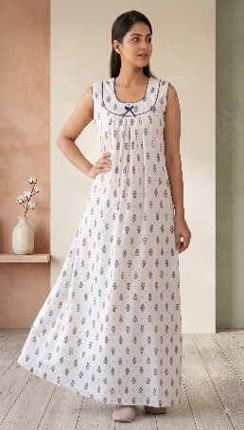 | Cotton Nighty for Women, Nighty, Cotton Nighty, Summer Nighty, Nighty for Ladies, Nighty for girls, Floral Nighty, Pure cotton nighty, Maxi, Gown, Soft breathable sleepwear. | XXL | 345 | 323 | 549 | 5 | 620821 | 290 | 15 | India | Pegasus Creation | Prasanta Apartment, Check Post., Barasat, West Bengal - 700125 | 700125 | Divine Enterprise | Prasanta Apartment, Check Post., Barasat, West Bengal - 700125 | 700125 | Not Required | Not Required | Not Required | No Add Ons | White | Cotton | Dress | Maxi | 1 | 42 | 54 |  |  |  |  | DE26003W | DE26003W102913 |  |  | Upgrade your daily comfort with this printed nighty for women. Designed as a full-length maxi night gown, this sleeveless sleepwear offers a relaxed, flowing fit ideal for warm weather and daily home wear. The square neckline features contrast piping and a delicate center bow detail, complementing the all-over abstract print. |  |  | Maxi | Round Neck | Everyday | Printed | No Pocket | Ethnic Motif | Sleeveless | Pleated Or Gathered | 44 | 36
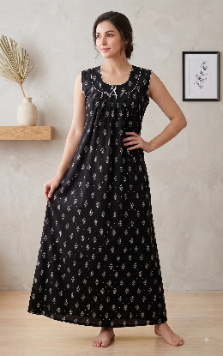 | Cotton Nighty for Women, Nighty, Cotton Nighty, Summer Nighty, Nighty for Ladies, Nighty for girls, Floral Nighty, Pure cotton nighty, Maxi, Gown, Soft breathable sleepwear. | XXL | 345 | 323 | 549 | 5 | 620821 | 290 | 15 | India | Pegasus Creation | Prasanta Apartment, Check Post., Barasat, West Bengal - 700125 | 700125 | Divine Enterprise | Prasanta Apartment, Check Post., Barasat, West Bengal - 700125 | 700125 | Not Required | Not Required | Not Required | No Add Ons | Black | Cotton | Dress | Maxi | 1 | 42 | 54 |  |  |  |  | DE26003B | DE26003B103313 |  |  | Upgrade your daily comfort with this printed nighty for women. Designed as a full-length maxi night gown, this sleeveless sleepwear offers a relaxed, flowing fit ideal for warm weather and daily home wear. The square neckline features contrast piping and a delicate center bow detail, complementing the all-over abstract print. |  |  | Maxi | Round Neck | Everyday | Printed | No Pocket | Ethnic Motif | Sleeveless | Pleated Or Gathered | 44 | 36
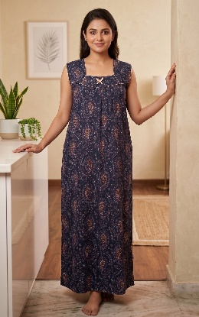 | Cotton Nighty for Women, Nighty, Cotton Nighty, Summer Nighty, Nighty for Ladies, Nighty for girls, Floral Nighty, Pure cotton nighty, Maxi, Gown, Soft breathable sleepwear. | XXL | 330 | 308 | 549 | 5 | 620821 | 285 | 6 | India | Pegasus Creation | Prasanta Apartment, Check Post., Barasat, West Bengal - 700125 | 700125 | Divine Enterprise | Prasanta Apartment, Check Post., Barasat, West Bengal - 700125 | 700125 | Not Required | Not Required | Not Required | No Add Ons | Navy Blue | Cotton | Dress | Maxi | 1 | 42 | 54 |  |  |  |  | DE26004N | DE26004N101313 |  |  | Upgrade your daily comfort with this printed nighty for women. Designed as a full-length maxi night gown, this sleeveless sleepwear offers a relaxed, flowing fit ideal for warm weather and daily home wear. The square neckline features contrast piping and a delicate center bow detail, complementing the all-over abstract print. |  |  | Maxi | Square Neck | Everyday | Printed | No Pocket | Ethnic Motif | Sleeveless | Pleated Or Gathered | 44 | 36
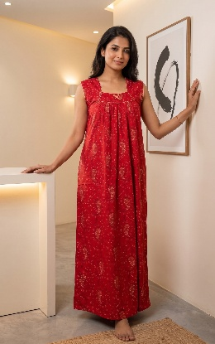 | Cotton Nighty for Women, Nighty, Cotton Nighty, Summer Nighty, Nighty for Ladies, Nighty for girls, Floral Nighty, Pure cotton nighty, Maxi, Gown, Soft breathable sleepwear. | XXL | 330 | 308 | 549 | 5 | 620821 | 285 | 12 | India | Pegasus Creation | Prasanta Apartment, Check Post., Barasat, West Bengal - 700125 | 700125 | Divine Enterprise | Prasanta Apartment, Check Post., Barasat, West Bengal - 700125 | 700125 | Not Required | Not Required | Not Required | No Add Ons | Red | Cotton | Dress | Maxi | 1 | 42 | 54 |  |  |  |  | DE26004R | DE26004R101213 |  |  | Upgrade your daily comfort with this printed nighty for women. Designed as a full-length maxi night gown, this sleeveless sleepwear offers a relaxed, flowing fit ideal for warm weather and daily home wear. The square neckline features contrast piping and a delicate center bow detail, complementing the all-over abstract print. |  |  | Maxi | Square Neck | Everyday | Printed | No Pocket | Ethnic Motif | Sleeveless | Pleated Or Gathered | 44 | 36
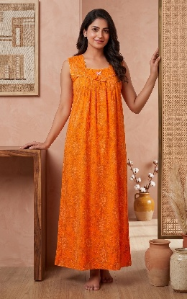 | Cotton Nighty for Women, Nighty, Cotton Nighty, Summer Nighty, Nighty for Ladies, Nighty for girls, Floral Nighty, Pure cotton nighty, Maxi, Gown, Soft breathable sleepwear. | XXL | 330 | 308 | 549 | 5 | 620821 | 285 | 6 | India | Pegasus Creation | Prasanta Apartment, Check Post., Barasat, West Bengal - 700125 | 700125 | Divine Enterprise | Prasanta Apartment, Check Post., Barasat, West Bengal - 700125 | 700125 | Not Required | Not Required | Not Required | No Add Ons | Yellow | Cotton | Dress | Maxi | 1 | 42 | 54 |  |  |  |  | DE26004Y | DE26004Y100413 |  |  | Upgrade your daily comfort with this printed nighty for women. Designed as a full-length maxi night gown, this sleeveless sleepwear offers a relaxed, flowing fit ideal for warm weather and daily home wear. The square neckline features contrast piping and a delicate center bow detail, complementing the all-over abstract print. |  |  | Maxi | Square Neck | Everyday | Printed | No Pocket | Ethnic Motif | Sleeveless | Pleated Or Gathered | 44 | 36
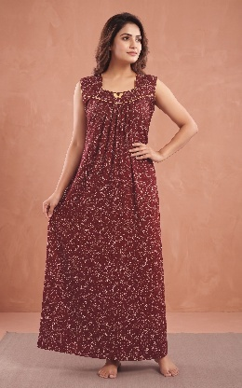 | Cotton Nighty for Women, Nighty, Cotton Nighty, Summer Nighty, Nighty for Ladies, Nighty for girls, Floral Nighty, Pure cotton nighty, Maxi, Gown, Soft breathable sleepwear. | XXL | 335 | 313 | 549 | 5 | 620821 | 290 | 10 | India | Pegasus Creation | Prasanta Apartment, Check Post., Barasat, West Bengal - 700125 | 700125 | Divine Enterprise | Prasanta Apartment, Check Post., Barasat, West Bengal - 700125 | 700125 | Not Required | Not Required | Not Required | No Add Ons | Maroon | Cotton | Dress | Maxi | 1 | 42 | 54 |  |  |  |  | DE26005M | DE26005M103213 |  |  | Upgrade your daily comfort with this printed nighty for women. Designed as a full-length maxi night gown, this sleeveless sleepwear offers a relaxed, flowing fit ideal for warm weather and daily home wear. The square neckline features contrast piping and a delicate center bow detail, complementing the all-over abstract print. |  |  | Maxi | Square Neck | Everyday | Printed | No Pocket | Ethnic Motif | Sleeveless | Pleated Or Gathered | 44 | 36
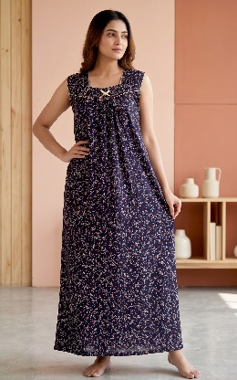 | Cotton Nighty for Women, Nighty, Cotton Nighty, Summer Nighty, Nighty for Ladies, Nighty for girls, Floral Nighty, Pure cotton nighty, Maxi, Gown, Soft breathable sleepwear. | XXL | 335 | 313 | 549 | 5 | 620821 | 290 | 10 | India | Pegasus Creation | Prasanta Apartment, Check Post., Barasat, West Bengal - 700125 | 700125 | Divine Enterprise | Prasanta Apartment, Check Post., Barasat, West Bengal - 700125 | 700125 | Not Required | Not Required | Not Required | No Add Ons | Navy Blue | Cotton | Dress | Maxi | 1 | 42 | 54 |  |  |  |  | DE26005N | DE26005N101313 |  |  | Upgrade your daily comfort with this printed nighty for women. Designed as a full-length maxi night gown, this sleeveless sleepwear offers a relaxed, flowing fit ideal for warm weather and daily home wear. The square neckline features contrast piping and a delicate center bow detail, complementing the all-over abstract print. |  |  | Maxi | Square Neck | Everyday | Printed | No Pocket | Ethnic Motif | Sleeveless | Pleated Or Gathered | 44 | 36
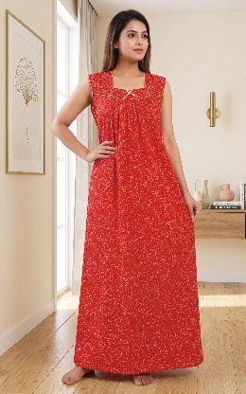 | Cotton Nighty for Women, Nighty, Cotton Nighty, Summer Nighty, Nighty for Ladies, Nighty for girls, Floral Nighty, Pure cotton nighty, Maxi, Gown, Soft breathable sleepwear. | XXL | 335 | 313 | 549 | 5 | 620821 | 290 | 10 | India | Pegasus Creation | Prasanta Apartment, Check Post., Barasat, West Bengal - 700125 | 700125 | Divine Enterprise | Prasanta Apartment, Check Post., Barasat, West Bengal - 700125 | 700125 | Not Required | Not Required | Not Required | No Add Ons | Red | Cotton | Dress | Maxi | 1 | 42 | 54 |  |  |  |  | DE26005R | DE26005R101213 |  |  | Upgrade your daily comfort with this printed nighty for women. Designed as a full-length maxi night gown, this sleeveless sleepwear offers a relaxed, flowing fit ideal for warm weather and daily home wear. The square neckline features contrast piping and a delicate center bow detail, complementing the all-over abstract print. |  |  | Maxi | Square Neck | Everyday | Printed | No Pocket | Ethnic Motif | Sleeveless | Pleated Or Gathered | 44 | 36
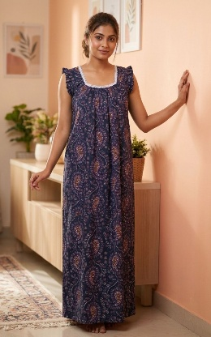 | Cotton Nighty for Women, Nighty, Cotton Nighty, Summer Nighty, Nighty for Ladies, Nighty for girls, Floral Nighty, Pure cotton nighty, Maxi, Gown, Soft breathable sleepwear. | XXL | 327 | 305 | 549 | 5 | 620821 | 285 | 6 | India | Pegasus Creation | Prasanta Apartment, Check Post., Barasat, West Bengal - 700125 | 700125 | Divine Enterprise | Prasanta Apartment, Check Post., Barasat, West Bengal - 700125 | 700125 | Not Required | Not Required | Not Required | No Add Ons | Navy Blue | Cotton | Dress | Maxi | 1 | 42 | 54 |  |  |  |  | DE26077N | DE26077N101313 |  |  | Upgrade your daily comfort with this printed nighty for women. Designed as a full-length maxi night gown, this sleeveless sleepwear offers a relaxed, flowing fit ideal for warm weather and daily home wear. The square neckline features contrast piping and a delicate center bow detail, complementing the all-over abstract print. |  |  | Maxi | Square Neck | Everyday | Printed | No Pocket | Ethnic Motif | Short Sleeves | Pleated Or Gathered | 44 | 36
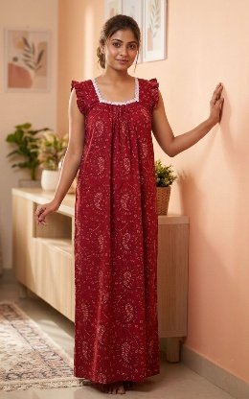 | Cotton Nighty for Women, Nighty, Cotton Nighty, Summer Nighty, Nighty for Ladies, Nighty for girls, Floral Nighty, Pure cotton nighty, Maxi, Gown, Soft breathable sleepwear. | XXL | 327 | 305 | 549 | 5 | 620821 | 285 | 12 | India | Pegasus Creation | Prasanta Apartment, Check Post., Barasat, West Bengal - 700125 | 700125 | Divine Enterprise | Prasanta Apartment, Check Post., Barasat, West Bengal - 700125 | 700125 | Not Required | Not Required | Not Required | No Add Ons | Red | Cotton | Dress | Maxi | 1 | 42 | 54 |  |  |  |  | DE26077R | DE26077R101213 |  |  | Upgrade your daily comfort with this printed nighty for women. Designed as a full-length maxi night gown, this sleeveless sleepwear offers a relaxed, flowing fit ideal for warm weather and daily home wear. The square neckline features contrast piping and a delicate center bow detail, complementing the all-over abstract print. |  |  | Maxi | Square Neck | Everyday | Printed | No Pocket | Ethnic Motif | Short Sleeves | Pleated Or Gathered | 44 | 36
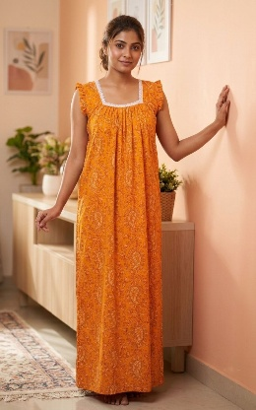 | Cotton Nighty for Women, Nighty, Cotton Nighty, Summer Nighty, Nighty for Ladies, Nighty for girls, Floral Nighty, Pure cotton nighty, Maxi, Gown, Soft breathable sleepwear. | XXL | 327 | 305 | 549 | 5 | 620821 | 285 | 6 | India | Pegasus Creation | Prasanta Apartment, Check Post., Barasat, West Bengal - 700125 | 700125 | Divine Enterprise | Prasanta Apartment, Check Post., Barasat, West Bengal - 700125 | 700125 | Not Required | Not Required | Not Required | No Add Ons | Yellow | Cotton | Dress | Maxi | 1 | 42 | 54 |  |  |  |  | DE26077Y | DE26077Y100413 |  |  | Upgrade your daily comfort with this printed nighty for women. Designed as a full-length maxi night gown, this sleeveless sleepwear offers a relaxed, flowing fit ideal for warm weather and daily home wear. The square neckline features contrast piping and a delicate center bow detail, complementing the all-over abstract print. |  |  | Maxi | Square Neck | Everyday | Printed | No Pocket | Ethnic Motif | Short Sleeves | Pleated Or Gathered | 44 | 36
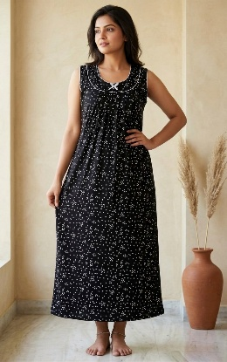 | Cotton Nighty for Women, Nighty, Cotton Nighty, Summer Nighty, Nighty for Ladies, Nighty for girls, Floral Nighty, Pure cotton nighty, Maxi, Gown, Soft breathable sleepwear. | XXL | 330 | 308 | 549 | 5 | 620821 | 290 | 3 | India | Pegasus Creation | Prasanta Apartment, Check Post., Barasat, West Bengal - 700125 | 700125 | Divine Enterprise | Prasanta Apartment, Check Post., Barasat, West Bengal - 700125 | 700125 | Not Required | Not Required | Not Required | No Add Ons | Black | Cotton | Dress | Maxi | 1 | 42 | 54 |  |  |  |  | DE26063B | DE26063B103313 |  |  | Upgrade your daily comfort with this printed nighty for women. Designed as a full-length maxi night gown, this sleeveless sleepwear offers a relaxed, flowing fit ideal for warm weather and daily home wear. The square neckline features contrast piping and a delicate center bow detail, complementing the all-over abstract print. |  |  | Maxi | Round Neck | Everyday | Printed | No Pocket | Ethnic Motif | Sleeveless | Pleated Or Gathered | 44 | 36
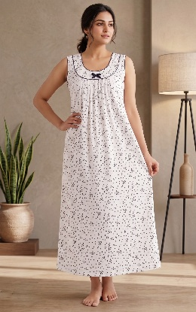 | Cotton Nighty for Women, Nighty, Cotton Nighty, Summer Nighty, Nighty for Ladies, Nighty for girls, Floral Nighty, Pure cotton nighty, Maxi, Gown, Soft breathable sleepwear. | XXL | 330 | 308 | 549 | 5 | 620821 | 290 | 17 | India | Pegasus Creation | Prasanta Apartment, Check Post., Barasat, West Bengal - 700125 | 700125 | Divine Enterprise | Prasanta Apartment, Check Post., Barasat, West Bengal - 700125 | 700125 | Not Required | Not Required | Not Required | No Add Ons | White | Cotton | Dress | Maxi | 1 | 42 | 54 |  |  |  |  | DE26063W | DE26063W102913 |  |  | Upgrade your daily comfort with this printed nighty for women. Designed as a full-length maxi night gown, this sleeveless sleepwear offers a relaxed, flowing fit ideal for warm weather and daily home wear. The square neckline features contrast piping and a delicate center bow detail, complementing the all-over abstract print. |  |  | Maxi | Round Neck | Everyday | Printed | No Pocket | Ethnic Motif | Sleeveless | Pleated Or Gathered | 44 | 36
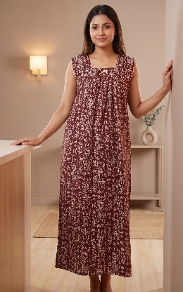 | Cotton Nighty for Women, Nighty, Cotton Nighty, Summer Nighty, Nighty for Ladies, Nighty for girls, Floral Nighty, Pure cotton nighty, Maxi, Gown, Soft breathable sleepwear. | XXL | 346 | 324 | 549 | 5 | 620821 | 285 | 10 | India | Pegasus Creation | Prasanta Apartment, Check Post., Barasat, West Bengal - 700125 | 700125 | Divine Enterprise | Prasanta Apartment, Check Post., Barasat, West Bengal - 700125 | 700125 | Not Required | Not Required | Not Required | No Add Ons | Brown | Cotton | Dress | Maxi | 1 | 42 | 54 |  |  |  |  | DE26016B | DE26016B104013 |  |  | Upgrade your daily comfort with this printed nighty for women. Designed as a full-length maxi night gown, this sleeveless sleepwear offers a relaxed, flowing fit ideal for warm weather and daily home wear. The square neckline features contrast piping and a delicate center bow detail, complementing the all-over abstract print. |  |  | Maxi | Square Neck | Everyday | Printed | No Pocket | Ethnic Motif | Sleeveless | Pleated Or Gathered | 44 | 36
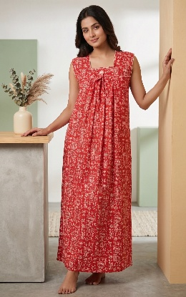 | Cotton Nighty for Women, Nighty, Cotton Nighty, Summer Nighty, Nighty for Ladies, Nighty for girls, Floral Nighty, Pure cotton nighty, Maxi, Gown, Soft breathable sleepwear. | XXL | 346 | 324 | 549 | 5 | 620821 | 285 | 10 | India | Pegasus Creation | Prasanta Apartment, Check Post., Barasat, West Bengal - 700125 | 700125 | Divine Enterprise | Prasanta Apartment, Check Post., Barasat, West Bengal - 700125 | 700125 | Not Required | Not Required | Not Required | No Add Ons | Red | Cotton | Dress | Maxi | 1 | 42 | 54 |  |  |  |  | DE26016R | DE26016R101213 |  |  | Upgrade your daily comfort with this printed nighty for women. Designed as a full-length maxi night gown, this sleeveless sleepwear offers a relaxed, flowing fit ideal for warm weather and daily home wear. The square neckline features contrast piping and a delicate center bow detail, complementing the all-over abstract print. |  |  | Maxi | Square Neck | Everyday | Printed | No Pocket | Ethnic Motif | Sleeveless | Pleated Or Gathered | 44 | 36
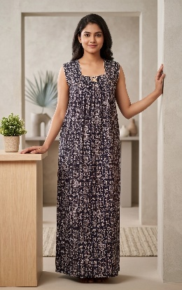 | Cotton Nighty for Women, Nighty, Cotton Nighty, Summer Nighty, Nighty for Ladies, Nighty for girls, Floral Nighty, Pure cotton nighty, Maxi, Gown, Soft breathable sleepwear. | XXL | 346 | 324 | 549 | 5 | 620821 | 285 | 10 | India | Pegasus Creation | Prasanta Apartment, Check Post., Barasat, West Bengal - 700125 | 700125 | Divine Enterprise | Prasanta Apartment, Check Post., Barasat, West Bengal - 700125 | 700125 | Not Required | Not Required | Not Required | No Add Ons | Black | Cotton | Dress | Maxi | 1 | 42 | 54 |  |  |  |  | DE26050B | DE26050B103313 |  |  | Upgrade your daily comfort with this printed nighty for women. Designed as a full-length maxi night gown, this sleeveless sleepwear offers a relaxed, flowing fit ideal for warm weather and daily home wear. The square neckline features contrast piping and a delicate center bow detail, complementing the all-over abstract print. |  |  | Maxi | Square Neck | Everyday | Printed | No Pocket | Ethnic Motif | Sleeveless | Pleated Or Gathered | 44 | 36
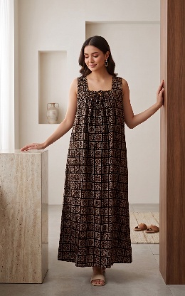 | Cotton Nighty for Women, Nighty, Cotton Nighty, Summer Nighty, Nighty for Ladies, Nighty for girls, Floral Nighty, Pure cotton nighty, Maxi, Gown, Soft breathable sleepwear. | XXL | 346 | 324 | 549 | 5 | 620821 | 290 | 10 | India | Pegasus Creation | Prasanta Apartment, Check Post., Barasat, West Bengal - 700125 | 700125 | Divine Enterprise | Prasanta Apartment, Check Post., Barasat, West Bengal - 700125 | 700125 | Not Required | Not Required | Not Required | No Add Ons | Black | Cotton | Dress | Maxi | 1 | 42 | 54 |  |  |  |  | DE26006B | DE26006B103313 |  |  | Upgrade your daily comfort with this printed nighty for women. Designed as a full-length maxi night gown, this sleeveless sleepwear offers a relaxed, flowing fit ideal for warm weather and daily home wear. The square neckline features contrast piping and a delicate center bow detail, complementing the all-over abstract print. |  |  | Maxi | Square Neck | Everyday | Printed | No Pocket | Ethnic Motif | Sleeveless | Pleated Or Gathered | 44 | 36
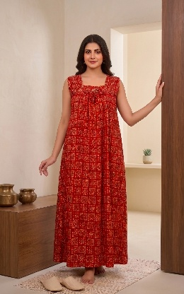 | Cotton Nighty for Women, Nighty, Cotton Nighty, Summer Nighty, Nighty for Ladies, Nighty for girls, Floral Nighty, Pure cotton nighty, Maxi, Gown, Soft breathable sleepwear. | XXL | 346 | 324 | 549 | 5 | 620821 | 290 | 10 | India | Pegasus Creation | Prasanta Apartment, Check Post., Barasat, West Bengal - 700125 | 700125 | Divine Enterprise | Prasanta Apartment, Check Post., Barasat, West Bengal - 700125 | 700125 | Not Required | Not Required | Not Required | No Add Ons | Red | Cotton | Dress | Maxi | 1 | 42 | 54 |  |  |  |  | DE26006R | DE26006R101213 |  |  | Upgrade your daily comfort with this printed nighty for women. Designed as a full-length maxi night gown, this sleeveless sleepwear offers a relaxed, flowing fit ideal for warm weather and daily home wear. The square neckline features contrast piping and a delicate center bow detail, complementing the all-over abstract print. |  |  | Maxi | Square Neck | Everyday | Printed | No Pocket | Ethnic Motif | Sleeveless | Pleated Or Gathered | 44 | 36
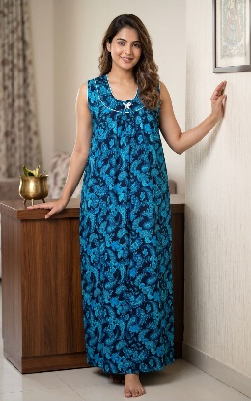 | Cotton Nighty for Women, Nighty, Cotton Nighty, Summer Nighty, Nighty for Ladies, Nighty for girls, Floral Nighty, Pure cotton nighty, Maxi, Gown, Soft breathable sleepwear. | XXL | 337 | 315 | 549 | 5 | 620821 | 285 | 13 | India | Pegasus Creation | Prasanta Apartment, Check Post., Barasat, West Bengal - 700125 | 700125 | Divine Enterprise | Prasanta Apartment, Check Post., Barasat, West Bengal - 700125 | 700125 | Not Required | Not Required | Not Required | No Add Ons | Blue | Cotton | Dress | Maxi | 1 | 42 | 54 |  |  |  |  | DE26009B | DE26009B103613 |  |  | Upgrade your daily comfort with this printed nighty for women. Designed as a full-length maxi night gown, this sleeveless sleepwear offers a relaxed, flowing fit ideal for warm weather and daily home wear. The square neckline features contrast piping and a delicate center bow detail, complementing the all-over abstract print. |  |  | Maxi | Round Neck | Everyday | Printed | No Pocket | Ethnic Motif | Sleeveless | Pleated Or Gathered | 44 | 36
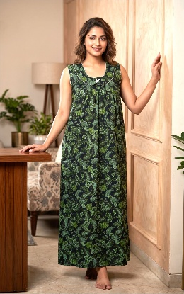 | Cotton Nighty for Women, Nighty, Cotton Nighty, Summer Nighty, Nighty for Ladies, Nighty for girls, Floral Nighty, Pure cotton nighty, Maxi, Gown, Soft breathable sleepwear. | XXL | 337 | 315 | 549 | 5 | 620821 | 285 | 12 | India | Pegasus Creation | Prasanta Apartment, Check Post., Barasat, West Bengal - 700125 | 700125 | Divine Enterprise | Prasanta Apartment, Check Post., Barasat, West Bengal - 700125 | 700125 | Not Required | Not Required | Not Required | No Add Ons | Green | Cotton | Dress | Maxi | 1 | 42 | 54 |  |  |  |  | DE26009G | DE26009G103413 |  |  | Upgrade your daily comfort with this printed nighty for women. Designed as a full-length maxi night gown, this sleeveless sleepwear offers a relaxed, flowing fit ideal for warm weather and daily home wear. The square neckline features contrast piping and a delicate center bow detail, complementing the all-over abstract print. |  |  | Maxi | Round Neck | Everyday | Printed | No Pocket | Ethnic Motif | Sleeveless | Pleated Or Gathered | 44 | 36
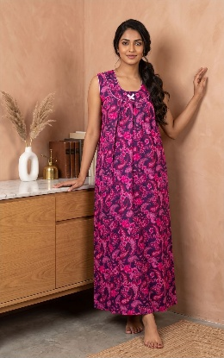 | Cotton Nighty for Women, Nighty, Cotton Nighty, Summer Nighty, Nighty for Ladies, Nighty for girls, Floral Nighty, Pure cotton nighty, Maxi, Gown, Soft breathable sleepwear. | XXL | 337 | 315 | 549 | 5 | 620821 | 285 | 22 | India | Pegasus Creation | Prasanta Apartment, Check Post., Barasat, West Bengal - 700125 | 700125 | Divine Enterprise | Prasanta Apartment, Check Post., Barasat, West Bengal - 700125 | 700125 | Not Required | Not Required | Not Required | No Add Ons | Pink | Cotton | Dress | Maxi | 1 | 42 | 54 |  |  |  |  | DE26009P | DE26009P101413 |  |  | Upgrade your daily comfort with this printed nighty for women. Designed as a full-length maxi night gown, this sleeveless sleepwear offers a relaxed, flowing fit ideal for warm weather and daily home wear. The square neckline features contrast piping and a delicate center bow detail, complementing the all-over abstract print. |  |  | Maxi | Round Neck | Everyday | Printed | No Pocket | Ethnic Motif | Sleeveless | Pleated Or Gathered | 44 | 36
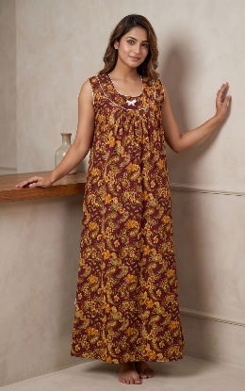 | Cotton Nighty for Women, Nighty, Cotton Nighty, Summer Nighty, Nighty for Ladies, Nighty for girls, Floral Nighty, Pure cotton nighty, Maxi, Gown, Soft breathable sleepwear. | XXL | 337 | 315 | 549 | 5 | 620821 | 285 | 13 | India | Pegasus Creation | Prasanta Apartment, Check Post., Barasat, West Bengal - 700125 | 700125 | Divine Enterprise | Prasanta Apartment, Check Post., Barasat, West Bengal - 700125 | 700125 | Not Required | Not Required | Not Required | No Add Ons | Yellow | Cotton | Dress | Maxi | 1 | 42 | 54 |  |  |  |  | DE26009Y | DE26009Y100413 |  |  | Upgrade your daily comfort with this printed nighty for women. Designed as a full-length maxi night gown, this sleeveless sleepwear offers a relaxed, flowing fit ideal for warm weather and daily home wear. The square neckline features contrast piping and a delicate center bow detail, complementing the all-over abstract print. |  |  | Maxi | Round Neck | Everyday | Printed | No Pocket | Ethnic Motif | Sleeveless | Pleated Or Gathered | 44 | 36
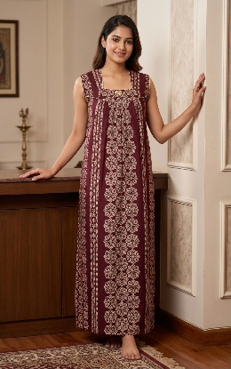 | Cotton Nighty for Women, Nighty, Cotton Nighty, Summer Nighty, Nighty for Ladies, Nighty for girls, Floral Nighty, Pure cotton nighty, Maxi, Gown, Soft breathable sleepwear. | XXL | 346 | 324 | 549 | 5 | 620821 | 290 | 15 | India | Pegasus Creation | Prasanta Apartment, Check Post., Barasat, West Bengal - 700125 | 700125 | Divine Enterprise | Prasanta Apartment, Check Post., Barasat, West Bengal - 700125 | 700125 | Not Required | Not Required | Not Required | No Add Ons | Brown | Cotton | Dress | Maxi | 1 | 42 | 54 |  |  |  |  | DE26007B | DE26007B104013 |  |  | Upgrade your daily comfort with this printed nighty for women. Designed as a full-length maxi night gown, this sleeveless sleepwear offers a relaxed, flowing fit ideal for warm weather and daily home wear. The square neckline features contrast piping and a delicate center bow detail, complementing the all-over abstract print. |  |  | Maxi | Square Neck | Everyday | Printed | No Pocket | Ethnic Motif | Sleeveless | Pleated Or Gathered | 44 | 36
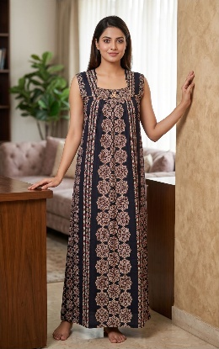 | Cotton Nighty for Women, Nighty, Cotton Nighty, Summer Nighty, Nighty for Ladies, Nighty for girls, Floral Nighty, Pure cotton nighty, Maxi, Gown, Soft breathable sleepwear. | XXL | 346 | 324 | 549 | 5 | 620821 | 290 | 7 | India | Pegasus Creation | Prasanta Apartment, Check Post., Barasat, West Bengal - 700125 | 700125 | Divine Enterprise | Prasanta Apartment, Check Post., Barasat, West Bengal - 700125 | 700125 | Not Required | Not Required | Not Required | No Add Ons | Navy Blue | Cotton | Dress | Maxi | 1 | 42 | 54 |  |  |  |  | DE26007N | DE26007N101313 |  |  | Upgrade your daily comfort with this printed nighty for women. Designed as a full-length maxi night gown, this sleeveless sleepwear offers a relaxed, flowing fit ideal for warm weather and daily home wear. The square neckline features contrast piping and a delicate center bow detail, complementing the all-over abstract print. |  |  | Maxi | Square Neck | Everyday | Printed | No Pocket | Ethnic Motif | Sleeveless | Pleated Or Gathered | 44 | 36
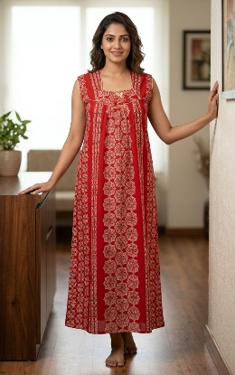 | Cotton Nighty for Women, Nighty, Cotton Nighty, Summer Nighty, Nighty for Ladies, Nighty for girls, Floral Nighty, Pure cotton nighty, Maxi, Gown, Soft breathable sleepwear. | XXL | 346 | 324 | 549 | 5 | 620821 | 290 | 8 | India | Pegasus Creation | Prasanta Apartment, Check Post., Barasat, West Bengal - 700125 | 700125 | Divine Enterprise | Prasanta Apartment, Check Post., Barasat, West Bengal - 700125 | 700125 | Not Required | Not Required | Not Required | No Add Ons | Red | Cotton | Dress | Maxi | 1 | 42 | 54 |  |  |  |  | DE26007R | DE26007R101213 |  |  | Upgrade your daily comfort with this printed nighty for women. Designed as a full-length maxi night gown, this sleeveless sleepwear offers a relaxed, flowing fit ideal for warm weather and daily home wear. The square neckline features contrast piping and a delicate center bow detail, complementing the all-over abstract print. |  |  | Maxi | Square Neck | Everyday | Printed | No Pocket | Ethnic Motif | Sleeveless | Pleated Or Gathered | 44 | 36
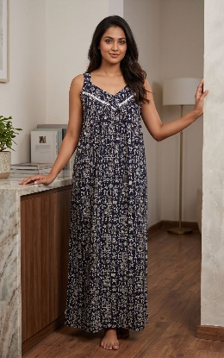 | Cotton Nighty for Women, Nighty, Cotton Nighty, Summer Nighty, Nighty for Ladies, Nighty for girls, Floral Nighty, Pure cotton nighty, Maxi, Gown, Soft breathable sleepwear. | XXL | 346 | 324 | 549 | 5 | 620821 | 285 | 10 | India | Pegasus Creation | Prasanta Apartment, Check Post., Barasat, West Bengal - 700125 | 700125 | Divine Enterprise | Prasanta Apartment, Check Post., Barasat, West Bengal - 700125 | 700125 | Not Required | Not Required | Not Required | No Add Ons | Black | Cotton | Dress | Maxi | 1 | 42 | 54 |  |  |  |  | DE26008K | DE26008K103313 |  |  | Upgrade your daily comfort with this printed nighty for women. Designed as a full-length maxi night gown, this sleeveless sleepwear offers a relaxed, flowing fit ideal for warm weather and daily home wear. The square neckline features contrast piping and a delicate center bow detail, complementing the all-over abstract print. |  |  | Maxi | V-Neck | Everyday | Printed | No Pocket | Ethnic Motif | Sleeveless | Pleated Or Gathered | 44 | 36
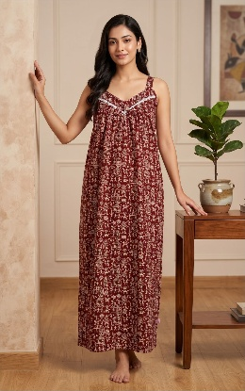 | Cotton Nighty for Women, Nighty, Cotton Nighty, Summer Nighty, Nighty for Ladies, Nighty for girls, Floral Nighty, Pure cotton nighty, Maxi, Gown, Soft breathable sleepwear. | XXL | 346 | 324 | 549 | 5 | 620821 | 285 | 10 | India | Pegasus Creation | Prasanta Apartment, Check Post., Barasat, West Bengal - 700125 | 700125 | Divine Enterprise | Prasanta Apartment, Check Post., Barasat, West Bengal - 700125 | 700125 | Not Required | Not Required | Not Required | No Add Ons | Brown | Cotton | Dress | Maxi | 1 | 42 | 54 |  |  |  |  | DE26008B | DE26008B104013 |  |  | Upgrade your daily comfort with this printed nighty for women. Designed as a full-length maxi night gown, this sleeveless sleepwear offers a relaxed, flowing fit ideal for warm weather and daily home wear. The square neckline features contrast piping and a delicate center bow detail, complementing the all-over abstract print. |  |  | Maxi | V-Neck | Everyday | Printed | No Pocket | Ethnic Motif | Sleeveless | Pleated Or Gathered | 44 | 36
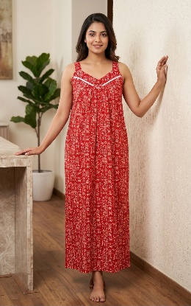 | Cotton Nighty for Women, Nighty, Cotton Nighty, Summer Nighty, Nighty for Ladies, Nighty for girls, Floral Nighty, Pure cotton nighty, Maxi, Gown, Soft breathable sleepwear. | XXL | 346 | 324 | 549 | 5 | 620821 | 285 | 10 | India | Pegasus Creation | Prasanta Apartment, Check Post., Barasat, West Bengal - 700125 | 700125 | Divine Enterprise | Prasanta Apartment, Check Post., Barasat, West Bengal - 700125 | 700125 | Not Required | Not Required | Not Required | No Add Ons | Red | Cotton | Dress | Maxi | 1 | 42 | 54 |  |  |  |  | DE26008R | DE26008R101213 |  |  | Upgrade your daily comfort with this printed nighty for women. Designed as a full-length maxi night gown, this sleeveless sleepwear offers a relaxed, flowing fit ideal for warm weather and daily home wear. The square neckline features contrast piping and a delicate center bow detail, complementing the all-over abstract print. |  |  | Maxi | V-Neck | Everyday | Printed | No Pocket | Ethnic Motif | Sleeveless | Pleated Or Gathered | 44 | 36
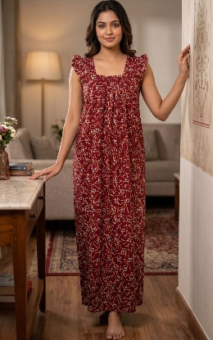 | Cotton Nighty for Women, Nighty, Cotton Nighty, Summer Nighty, Nighty for Ladies, Nighty for girls, Floral Nighty, Pure cotton nighty, Maxi, Gown, Soft breathable sleepwear. | XXL | 346 | 324 | 549 | 5 | 620821 | 290 | 10 | India | Pegasus Creation | Prasanta Apartment, Check Post., Barasat, West Bengal - 700125 | 700125 | Divine Enterprise | Prasanta Apartment, Check Post., Barasat, West Bengal - 700125 | 700125 | Not Required | Not Required | Not Required | No Add Ons | Maroon | Cotton | Dress | Maxi | 1 | 42 | 54 |  |  |  |  | DE26081M | DE26081M103213 |  |  | Upgrade your daily comfort with this printed nighty for women. Designed as a full-length maxi night gown, this sleeveless sleepwear offers a relaxed, flowing fit ideal for warm weather and daily home wear. The square neckline features contrast piping and a delicate center bow detail, complementing the all-over abstract print. |  |  | Maxi | Square Neck | Everyday | Printed | No Pocket | Ethnic Motif | Short Sleeves | Pleated Or Gathered | 44 | 36
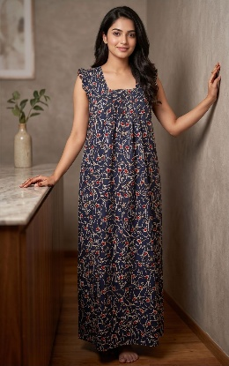 | Cotton Nighty for Women, Nighty, Cotton Nighty, Summer Nighty, Nighty for Ladies, Nighty for girls, Floral Nighty, Pure cotton nighty, Maxi, Gown, Soft breathable sleepwear. | XXL | 346 | 324 | 549 | 5 | 620821 | 290 | 10 | India | Pegasus Creation | Prasanta Apartment, Check Post., Barasat, West Bengal - 700125 | 700125 | Divine Enterprise | Prasanta Apartment, Check Post., Barasat, West Bengal - 700125 | 700125 | Not Required | Not Required | Not Required | No Add Ons | Navy Blue | Cotton | Dress | Maxi | 1 | 42 | 54 |  |  |  |  | DE26081N | DE26081N101313 |  |  | Upgrade your daily comfort with this printed nighty for women. Designed as a full-length maxi night gown, this sleeveless sleepwear offers a relaxed, flowing fit ideal for warm weather and daily home wear. The square neckline features contrast piping and a delicate center bow detail, complementing the all-over abstract print. |  |  | Maxi | Square Neck | Everyday | Printed | No Pocket | Ethnic Motif | Short Sleeves | Pleated Or Gathered | 44 | 36
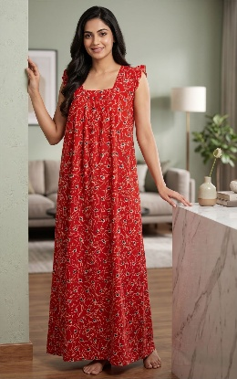 | Cotton Nighty for Women, Nighty, Cotton Nighty, Summer Nighty, Nighty for Ladies, Nighty for girls, Floral Nighty, Pure cotton nighty, Maxi, Gown, Soft breathable sleepwear. | XXL | 346 | 324 | 549 | 5 | 620821 | 290 | 10 | India | Pegasus Creation | Prasanta Apartment, Check Post., Barasat, West Bengal - 700125 | 700125 | Divine Enterprise | Prasanta Apartment, Check Post., Barasat, West Bengal - 700125 | 700125 | Not Required | Not Required | Not Required | No Add Ons | Red | Cotton | Dress | Maxi | 1 | 42 | 54 |  |  |  |  | DE26081R | DE26081R101213 |  |  | Upgrade your daily comfort with this printed nighty for women. Designed as a full-length maxi night gown, this sleeveless sleepwear offers a relaxed, flowing fit ideal for warm weather and daily home wear. The square neckline features contrast piping and a delicate center bow detail, complementing the all-over abstract print. |  |  | Maxi | Square Neck | Everyday | Printed | No Pocket | Ethnic Motif | Short Sleeves | Pleated Or Gathered | 44 | 36

