07.04.2020
Q1 | Code written in Java file. Compiled the code and executed in cmd

Q2 | What is the difference between Object Oriented and Object Based programming

 | Object-oriented Programming Language |  | Object-based Programming Language

 | 1. All the characteristics and features of object-oriented programming are supported. |  | 1. All characteristics and features of object-oriented programming, such as inheritance and polymorphism are not supported.
 | 2. These types of programming languages don't have a built-in object. |  | 2. These types of programming languages have built-in objects.
 | 3. Java is an example of object-oriented programing language which supports creating and inheriting (which is reusing of code) one class from another. |  | 3. VB is another example of object-based language as you can create and use classes and objects, but inheriting classes is not supported.

Q3 | What is the difference between Compiler and interpreter

 | BASIS FOR COMPARISON | COMPILER |  | INTERPRETER
 | Input | It takes an entire program at a time. |  | It takes a single line of code or instruction at a time.
 | Output | It generates intermediate object code. |  | It does not produce any intermediate object code.
 | Working mechanism | The compilation is done before execution. |  | Compilation and execution take place simultaneously.
 | Speed | Comparatively faster |  | Slower
 | Errors | Display all errors after compilation, all at the same time. |  | Displays error of each line one by one.
 | Memory | Memory requirement is more due to the creation of object code. |  | It requires less memory as it does not create intermediate object code.

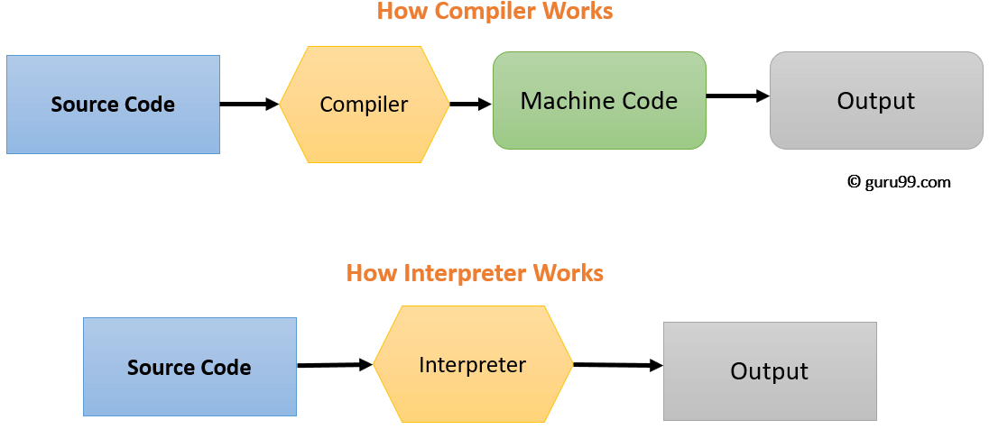

Q4 | What is the difference between Abstraction and Encapsulation

Q5 | Different Number system in computer

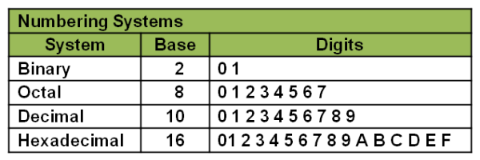

Q6 | Significance of number 12 and Why there is 360 degrees in a circle

 | Twelve is convenient because it has the most divisors of any number under 18.
 | Twelve is a composite number, the smallest number with exactly six divisors, its divisors being 1, 2, 3, 4, 6 and 12. Twelve is also a highly composite number

 | The number 360 is divisible by every number from 1 to 10, aside from 7.
 | It actually divides into 24 different numbers: 1,2,3,4,5,6,8,9,10,12,15,18,20,24,30,36,40,45,60,72,90,120,180 and 360 itself.
 | These 24 numbers are called the divisors of the number 360.
 | This is the highest number of divisors for any positive whole number up to its own value of 360.
 | Being the highly composite number can be the reason

09.04.2020
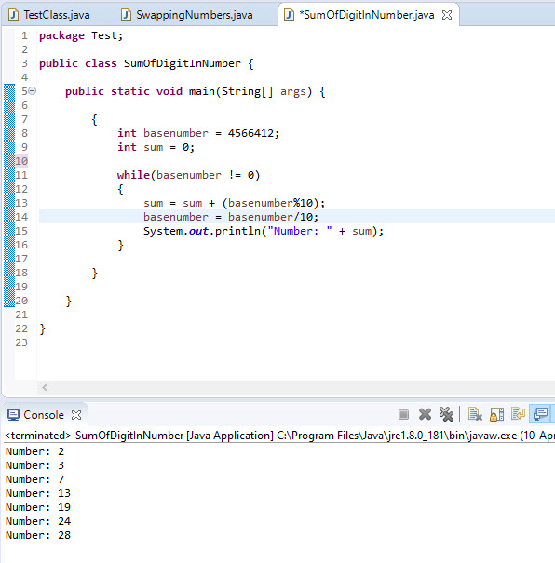
Q1 | What is obfuscation ? Why it is used in coding system ?

 | 1. Obfuscation is the practice of making something difficult to understand. 2. Obfuscation may involve encrypting some or all of the code, stripping out potentially revealing metadata, renaming useful class and variable names to meaningless labels or adding unused or meaningless code to an application binary. 3. Obfuscation, also referred to as beclouding, is to hide the intended meaning of the contents of a file, making it ambiguous, confusing to read, and hard to interpret. Encryption is to actually transform the contents of the file, making it unreadable to anyone unless they apply a special key. 4. Code Obfuscation is the process of modifying an executable so that it is no longer useful to a hacker but remains fully functional. 5. By making an application much more difficult to reverse-engineer, you can protect against trade secret (intellectual property) theft, unauthorized access, bypassing licensing or other controls, and vulnerability discovery.

Q2 | How many keyword are available in java? At-least 10 keyword
 | What is keywords in Java : In Java, a keyword is a word with a predefined meaning in Java programming language syntax. Reserved for Java, keywords may not be used as identifiers for naming variables, classes, methods or other entities.
 | All the datatypes names in java are keywords itself (boolean,byte,char,short,int,long,float,double)
 | abstract,byte,class,do,double,else,for,if,package,private,public,while

 | There are 51 keywords are in java.

Q3 | Write ranges of datatype

 | Data type | Size in bytes |  | Range

 | byte | 1 byte |  | -128 to 127
 | short | 2 bytes |  | -32,768 to 32,767
 | int | 4 bytes |  | -2,147,483,648 to 2,147,483, 647
 | long | 8 bytes |  | (-9,223,372,036,854,775,808) to (9223372036854770000)
 | float | 4 bytes |  | approximately ±3.40282347E+38F
 | double | 8 bytes |  | approximately ±1.79769313486231570E+308
 | char | 2 byte |  | 0 to 65,536 (unsigned)
 | boolean | not precisely defined* |  | true or false

Q4 | Is Floating datatype follow cyclic nature or not?

 | some data types shows one special properties that when we assign a value beyond range of that data type then it will not any compiler error but assign a number according to some cyclic order. This property is known as cyclic nature of data type.

 | Data type which shows cyclic nature:

 | char
 | int
 | long int

 | Data type which doesn’t show cyclic nature:

 | float
 | double
 | long double

 | Reason : as mentioned in answer number 3 flot doesn’t have circular range of number to assign. So that can be the reason why its not cyclic.

Q5 | Write the difference between logical and bitwise operator

 | 1. Logical operators take as input(s) boolean values, and provide as output(s) boolean values. Bitwise operators take as input(s) integer values (whose bits are the data), and provide as output(s) integer values (whose bits are the data). 2.Logical operators work on boolean expressions and return boolean values (either true or false), whereas bitwise operators work on binary digits of integer values (long, int, short, char, and byte) and return an integer.

Q6

Q7 | Which increment is faster , (post or pre) why?

 | Pre-Increment is faster than post-increment. Reason : Post increment keeps a copy of previous (existing) value and adds 1 in the existing value while pre-increment is simply adds 1 without keeping the existing value

Q8 | What is the difference between while, do while and for loop ?

 | for loop | while loop | do while loop
 | The Java for loop is a control flow statement that iterates a part of the programs multiple times. | The Java while loop is a control flow statement that executes a part of the programs repeatedly on the basis of given boolean condition. | The Java do while loop is a control flow statement that executes a part of the programs at least once and the further execution depends upon the given boolean condition.

 | When to use : If the number of iteration is fixed. | When to use : If the number of iteration is not fixed. | When to use : If the number of iteration is not fixed and you must have to execute the loop at least once.

Q9

10.04.2020
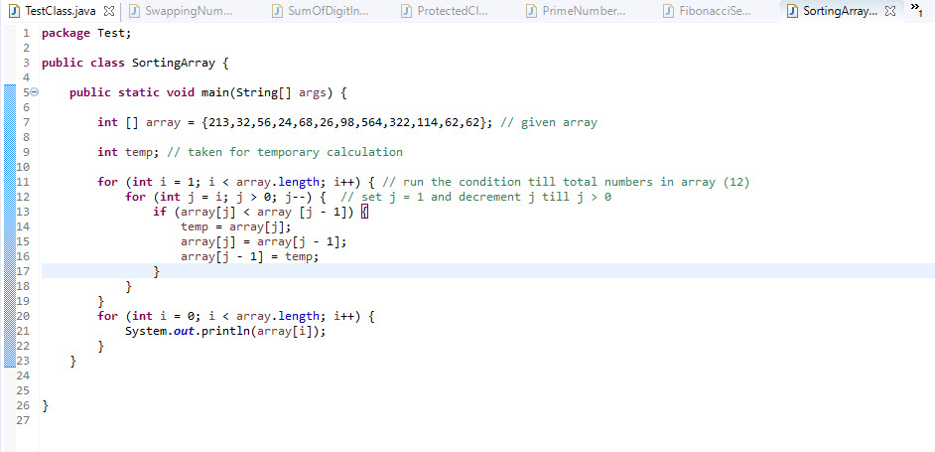
Q1 | Why Array starts from 0 ?

 | 1. The first element of the array is exactly contained in the memory location that array refers (0 elements away), so it should be denoted as array[0]. 2. Its similar to C language.

Q2 | Difference between arguments and parameters?

 | 1. A parameter is a variable in a method definition. When a method is called, the arguments are the data you pass into the method's parameters. Parameter is variable in the declaration of function. Argument is the actual value of this variable that gets passed to function. 2. parameter used in function/method definition and arguments used in function/method call. 3. An argument is the instance passed to the method during runtime. The term parameter refers to any declaration within the parentheses following the method/function name in a method/function declaration or definition; the term argument refers to any expression within the parentheses of a method/function call.

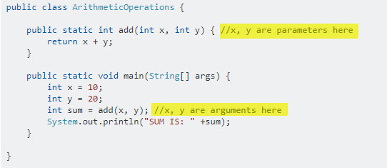

Q4 | Why private is not allowed with classes

 | 1. You can't declare top most or main class with private access specifier. Because if you give main class as private it will not be accessible. So main class or top most class should have to public. 2. If a top-level class is declared as private the compiler will complain that the modifier private is not allowed here. This means that a top-level class cannot be a private, the same can be applied to protected access specifier also. 3. We can declare the inner classes as private or protected, but it is not allowed in outer classes.

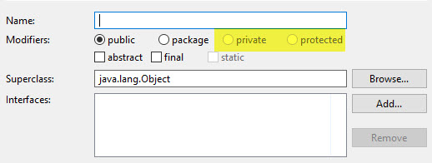
 |  | This can be the reason while creating a new class privare and protected options are disable.

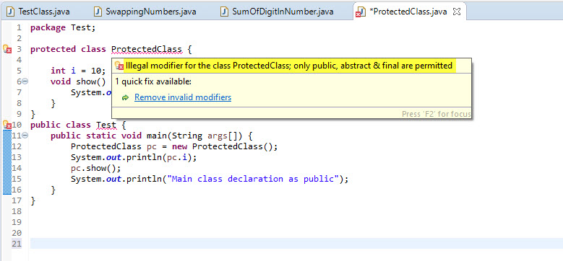

Q5 | Write a program to check for Prime Number

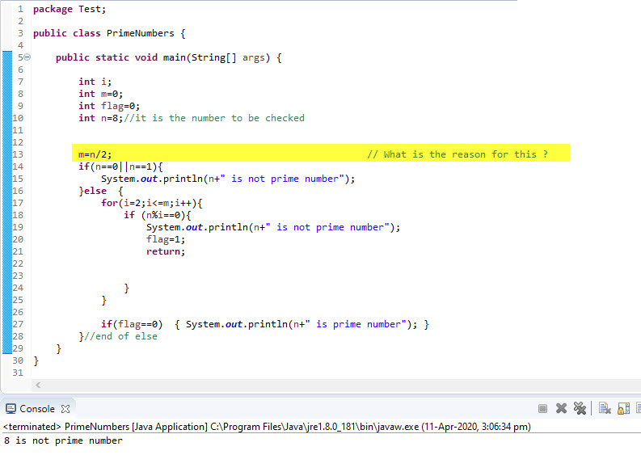

 | I have completed the programme but stuck at the one step. So I checked on google. But did not understand the one step mentioned.

Q6 | Write a program Fibonacci code 0,1,1,2,3,5,8,13,21,34 till 10th place

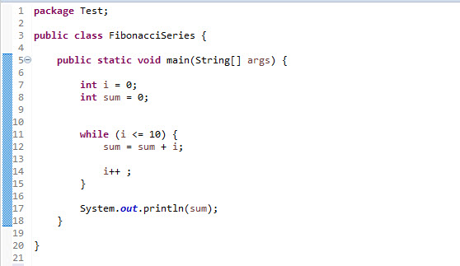

Q7 | Write a program How to find maximum/minimum value in array

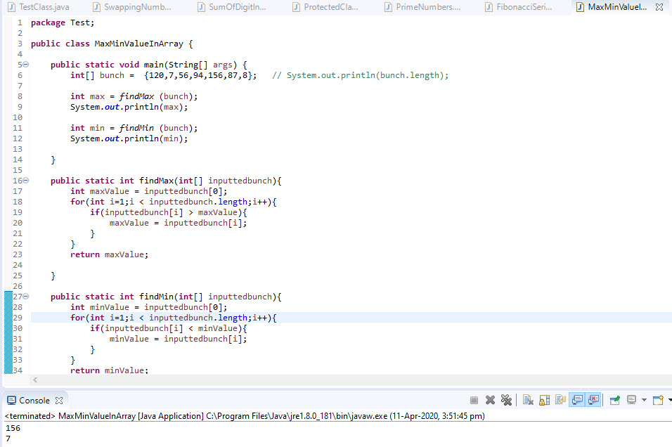

Q8 | Write a program How to sort array ?

17.04.2020
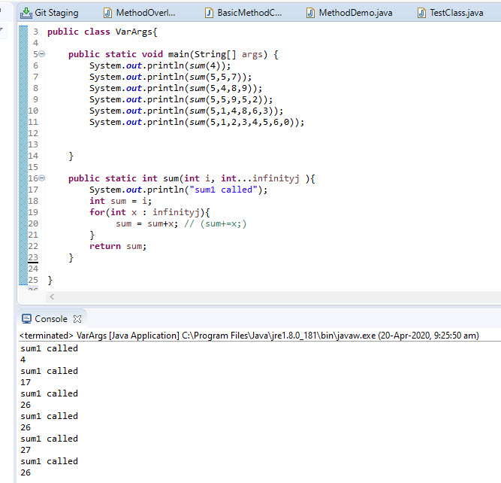
Method Overloading is a feature that allows a class to have more than one method having the same name, if their argument lists are different.

Creation of methods that need to take a variable number of arguments. This feature is called varargs and it is short-form for variable-length arguments. A method that takes a variable number of arguments is a varargs method.

1 We can have only one varargs in the method. 2.Only the last argument of a method can be varargs.

