Session_2
1. Practice one java file and executing it. (swap program using third variable)

class JavaTest
{
public static void main(String[] args)
{
int x,y,swap;
x = 1;
y = 2;
System.out.println("Before swap: x = " + x +" y = "+y);
swap = x;
x = y;
y = swap;
System.out.println("After swap: x = "+ x +" y = "+y);
}
}

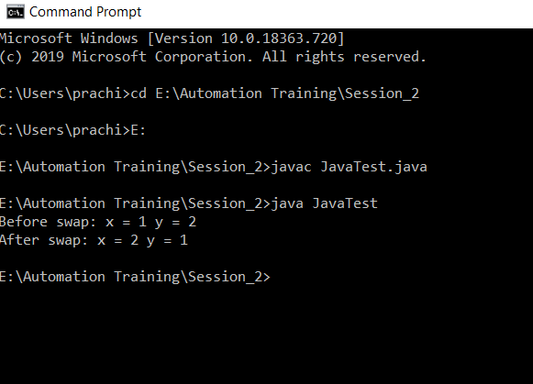

2. Difference:
a] Object Oriented and Object Based
Object Oriented | Object Based
1. Object oriented language supports all the features of OOPs | 1. Object based language doesn’t support all the features of OOPs like Polymorphism and Inheritance
2. Object oriented language doesn’t have built-in object | 2. Object based language has built-in object like JavaScript.
3. Example: C++, JAVA | 3. Example: JavaScript, VB

b] Compiler and Interpreter
Compiler | Interpreter
1. It translates the full source code at a time. | 1. It translates one line of code at a time.
2. It uses more memory to perform | 2. The Interpreter uses less memory to perform
3. Error detection is difficult for Compiler | 3. Error detection is easier than compiler
4. Before execution of program the compilation is done | 4. Compilation and execution are done simultaneously

c] Encapsulation and Abstraction
Encapsulation | Abstraction
1. Encapsulation is a process of wrapping code and related data together into a single class | 1. Abstraction is a process of hiding the implementation details and showing only functionality to the user.
2. Encapsulation adds more security to data and protect it from outside world | 2. Abstraction allows user to see result rather than how it has been evaluated
3. Example: Class | 3. Example: Interfaces

3. Different Number system – Binary, Octal, Decimal, Hexadecimal
Binary | 0 1
Octal | 0 1 2 3 4 5 6 7
Decimal | 0 1 2 3 4 5 6 7 8 9
Hexadecimal | 0 1 2 3 4 5 6 7 8 9 A B C D E F

Session_4
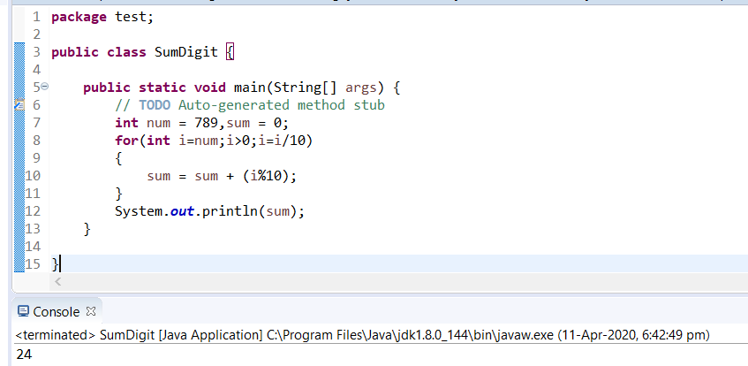
1. Write about obfuscation?
Java source code is typically compiled into java bytecode. The instruction set of the JVM. Bytecode obfuscation is the process of modifying java bytecode.so that, it is much harder to read and understand for hacker but fully functional.

2. How many keywords are available in java? At-least 10 keywords
In java programming language total 51 reserved keyword. 10 keywords: 1.class, 2. catch, 3. char,4. boolean,5. abstract,6. break,7. byte,8. case,9. const,10. default.

3. Write ranges of datatype
a] byte 1 byte -128 to 127.
b] short 2 bytes -32,768 to 32,767.
c] int 4 bytes -2,147,483,648 to 2,147,483,647.
d] long 8 bytes -9,223,372,036,854,775,808 to 9,223,372,036,854,775,807.

4. Is Floating datatype follow cyclic nature or not?
float data types do not have this property.

5. Write the difference between logical and bitwise operator
Logical | Bitwise
1. Logical operators process statement/ condition | 1. Bitwise operators, process binary value of data.

6. Write Swapping code in java

class JavaTest
{
public static void main(String[] args)
{
int x,y,swap;
x = 1;
y = 2;
System.out.println("Before swap: x = " + x +" y = "+y);
swap = x;
x = y;
y = swap;
System.out.println("After swap: x = "+ x +" y = "+y);
}
}

7. Which increment is faster, (post or pre) why?

Pre increment is faster than post because it does not keep copy of previous value and simply adds 1.

8. What is the difference between while, do while and for loop?
While | Do While | For
Initialization has to be done before while loop starts. In while loop brackets need to mention condition and at the end increment. | Do while is similar to while loop. But it checks condition after execution. | Initialization, condition and increment can be specified in single for statement.

9. Write a code to print sum of all digits,

123 = 1 +2 +3 = 6

456 = 4 + 5 + 6 = 15

Session_5
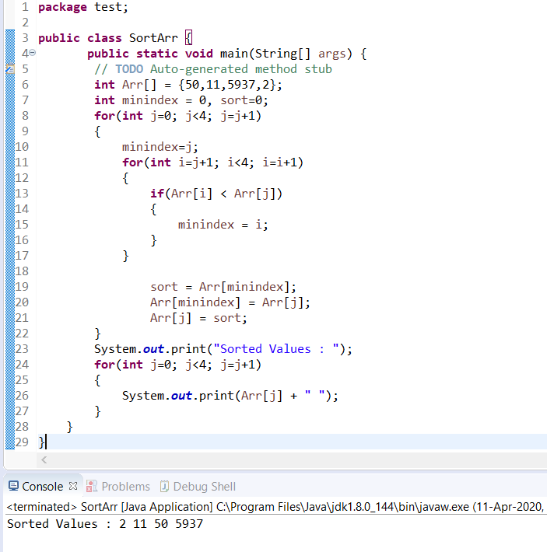
1. Why Array starts from 0?

2. Difference between arguments and parameters?

Parameter | Argument
A parameter is a variable in a method definition. When a method is called. | Argument is the actual value of this variable that gets passed to function.

3. Why private is not allowed with classes

If class is declared as private then no other class can access methods of that class. Hence private is not allowed.

4. Write a program for Prime Number

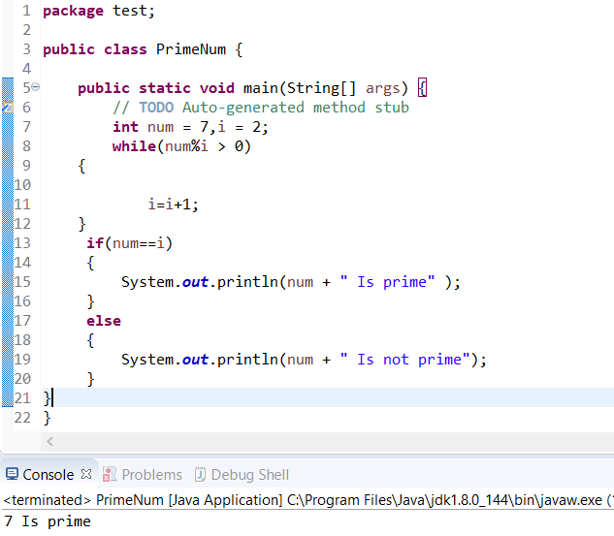

5. Write a program Fibonacci code 0,1,1,2,3,5,8,13,21,34 till 10th place

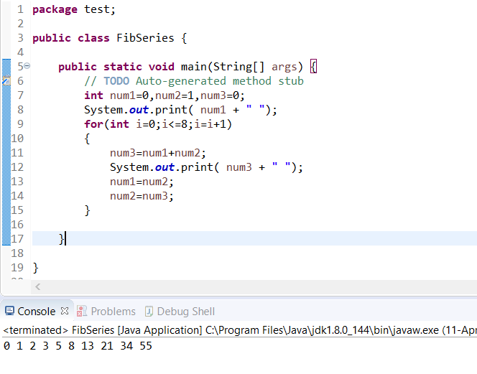

6. Write a program How to find maximum/minimum value in array

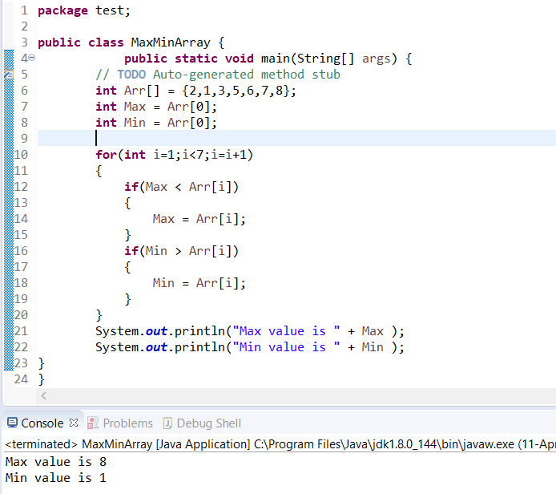

7. Write a program How to sort array?

Session_11
String_Assignment: 1

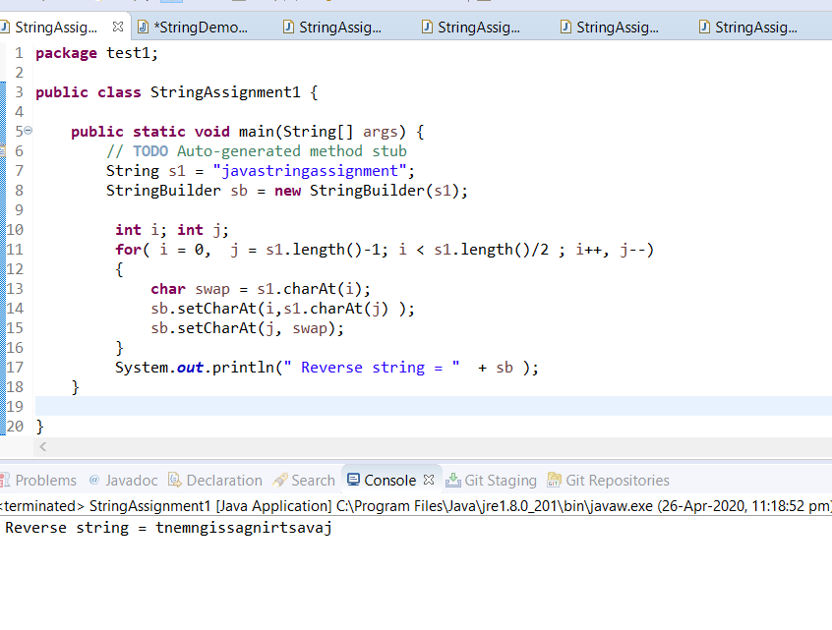

String_Assignment: 2

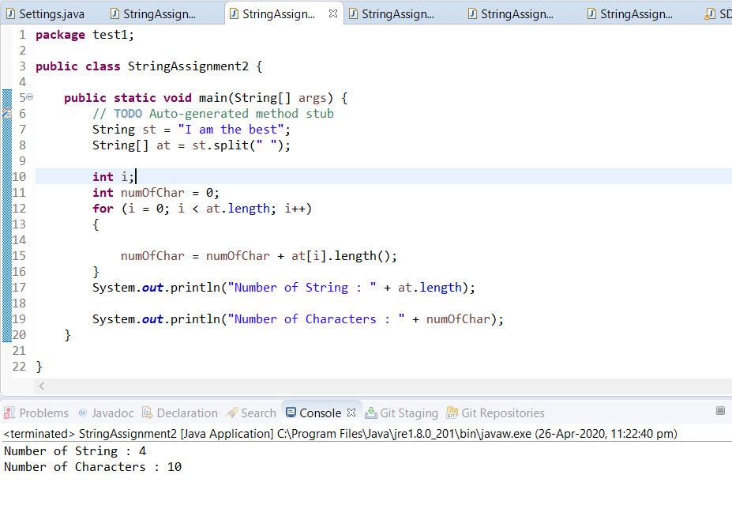

String_Assignment: 3

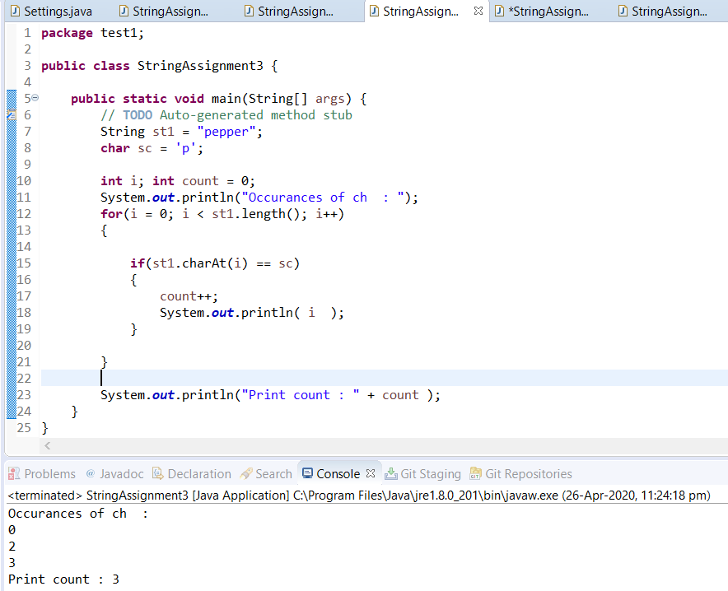

String_Assignment: 4

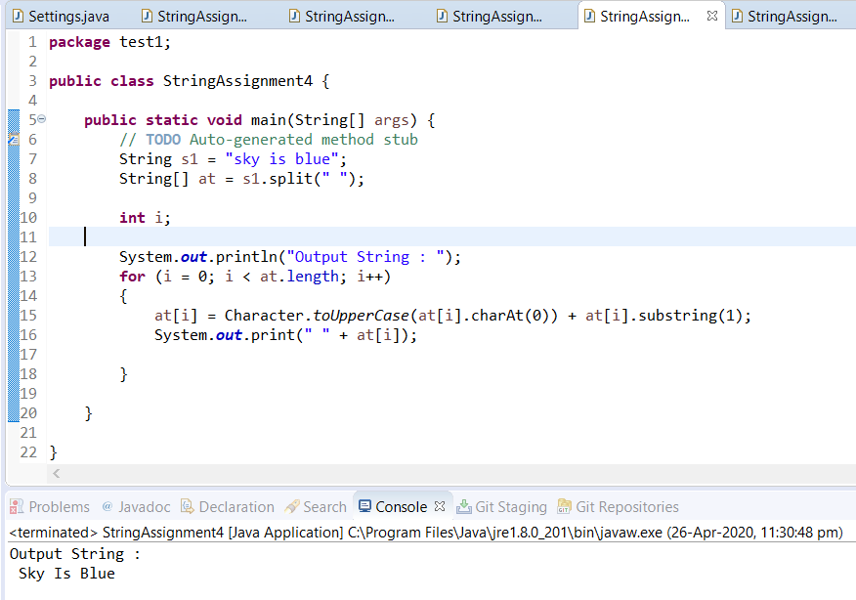

String_Assignment: 5

Not understand

String_Assignment: 6

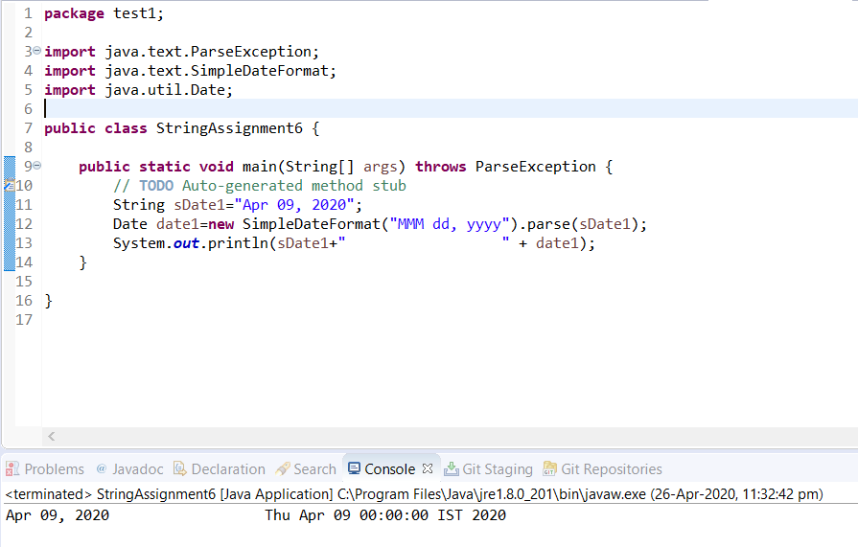

2. Difference:
a] StringBuffer and StringBuilder
StringBuffer | StringBuilder
1. Every method present in StringBuffer is synchornized | 1. No method is present inStringBuilder is Synchronized
2. At a time only one thread is allowed to operate on StringBufferobject | 2. At a time multiple thread allowed to operate on StringBuilder object
3. It increases waiting time of the threads and hence, relatively performance is low | 3. Threads are not required to wait to operate on StringBuilder object and hence relatively performance high
4. It is introduced in 1.0v | 4. It is introduced in 1.5v

