Assignment-6(23 April)
1 - Reverse a String using reversal logic

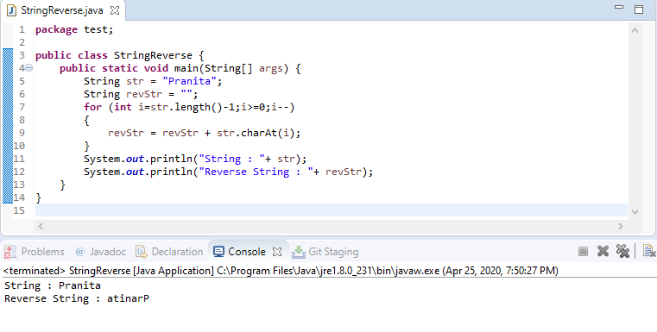

2 - Find how many words and letters in a string.

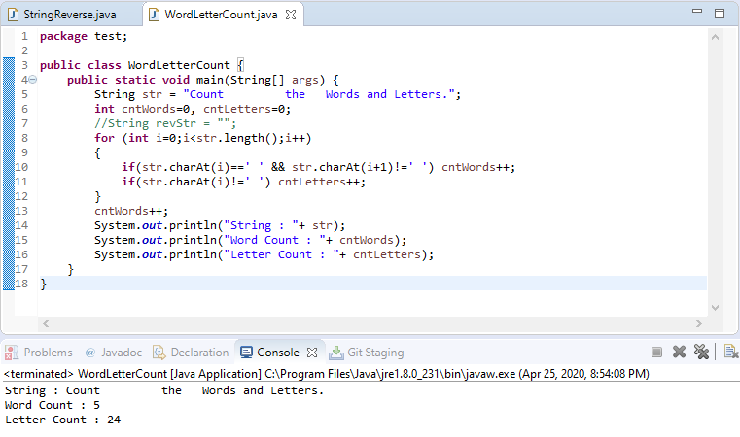

3 - Find how many specific chars in string and occurrences of each char

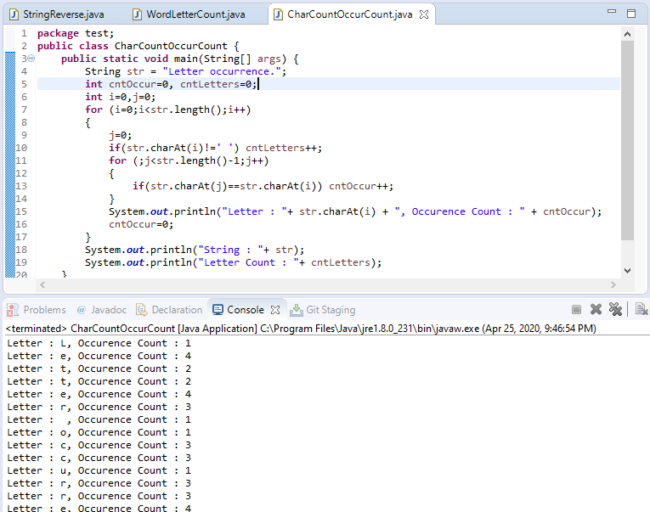

4 - Modify a sentence in such a way that first letter of every word should be capital

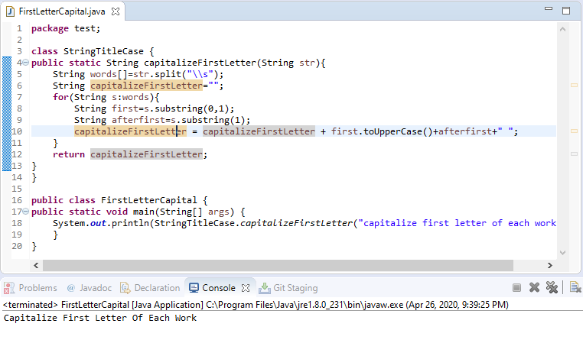

5 - Create a random String of 5 chars (use google to solve this)

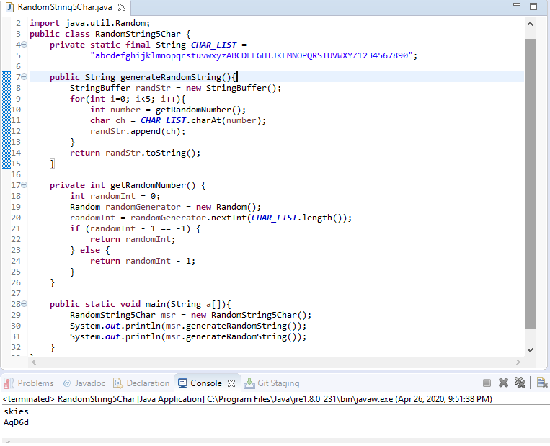

6 - Create Date as String (use google to solve this)

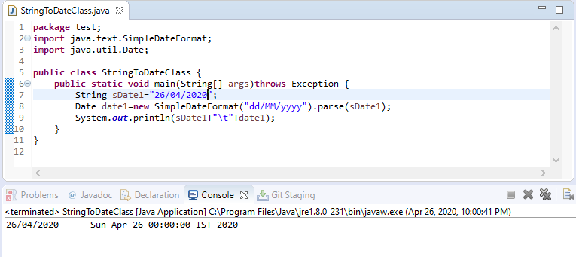

7 - Difference between StringBuffer and StringBuilder

 | 1) StringBuffer is present in Java and StringBuilder was added in Java 5.

 | 2) Both StringBuffer and StringBuilder represents mutable String which means you can add/remove characters, substring without creating new objects.

 | 3) You can convert a StringBuffer into String by calling toString() method.

 | 4) Both StringBuilder and StringBuffer doesn't override equals() and hashCode() method because they are mutable and not intended to be used as a key in hash-based collection classes e.g. HashMap, Hashtable, and HashSet.

 | 5) StringBuffer is synchronized which means all method which modifies the internal data of StringBuffer is synchronized e.g. append(), insert() and delete(). On contrary, StringBuilder is not synchronized.

 | 6) Because of synchronization StringBuffer is considered thread safe e.g. multiple threads can call its method without compromising internal data structure but StringBuilder is not synchronized hence not thread safe. See The Complete Java Masterclass for more details.

 |  | String Buffer | String Builder
 | Storage Area | Heap | Heap
 | Modifiable | Yes (mutable) | Yes (mutable)
 | Thread Safe | Yes | No
 | Thread Safe | Very slow | Fast

 | 7) Another side effect of synchronization is speed. Since StringBuffer is synchronized its lot slower than StringBuilder.

 | 8) The default length of StringBuffer is 16 characters. You should explicitly define the size of it, especially if you know that size would be less or more than 16 to avoid wasting memory and spending time during resize.

 | 9) In general, you should always use StringBuilder for String concatenation and creating dynamic String unless and until you are absolutely sure that you need StringBuffer.

 | 10) The string concatenation done using + (plus) operator internally uses StringBuffer or StringBuilder depending upon which Java version you are using. For example, if you are running in Java 5 or higher than StringBuilder will be used and for the lower version, StringBuffer will be used.

Assignment-5(10 April)
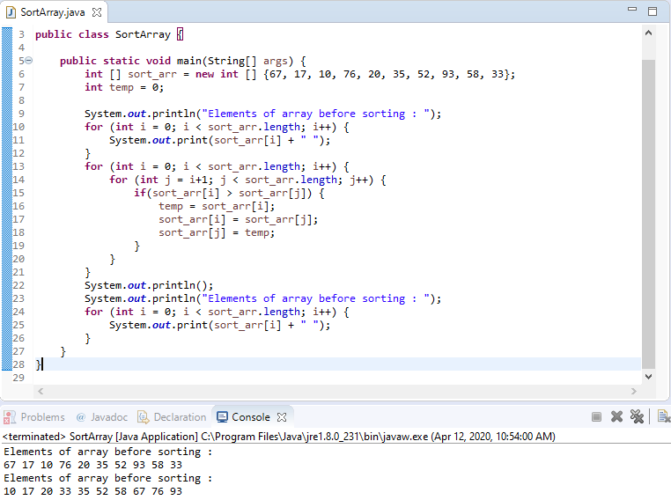
1 - Why Array starts from 0 ?

 | int a[10];
 | a is actually storing the memory address of the first element of the array. The first element's value can be accessed via
 | *(a). In other words *(a+0)
 | If we want to access the second element we increment by one step
 | *(a+1)
 | Therefore Array index starts with 0

2. Difference between arguments and parameters?

 | An argument is a value passed to a function when the function is called.
 | An argument when passed with a function replaces with those variables which were used during the function definition and the function is then executed with these values.
 | A parameter is a variable used to define a particular value during a function definition.

 | public class Example {

 | // the variables a and b are parameters
 | public static int multiply(int a, int b)
 | {
 | return a + b;
 | }

 | public static void main(String[] args)
 | {
 | int x = 2;
 | int y = 5;

 | // the variables x and y are arguments
 | int sum = multiply(x, y);

 | System.out.println("SUM IS: " + sum);
 | }
 | }

3. Prime number 5. Write a program for Prime Number

 | A prime number is a natural number greater than 1 that cannot be formed by multiplying two smaller natural numbers.
 | A natural number greater than 1 that is not prime is called a composite number.

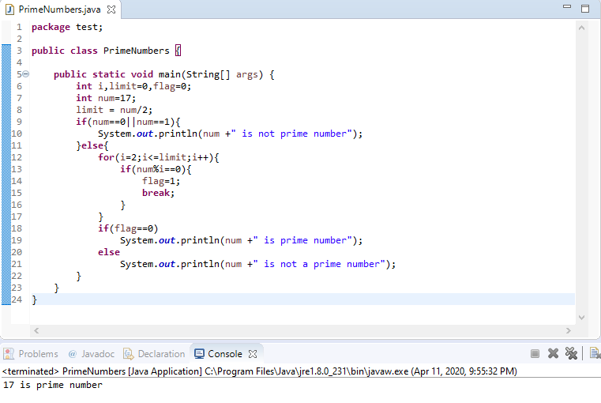

4. Why private is not allowed with classes

 | We can not declare top level class as private. Java allows | If the class itself is Private, then what's the use of using a class
 | only public and default modifier for top level classes in java.
 | Inner classes can be private.
 | A top-level class as private would be completely useless because nothing would have access to it.

6. Write a program Fibonacci code 0,1,1,2,3,5,8,13,21,34 till 10th place

 | In fibonacci series, next number is the sum of previous two numbers for example 0, 1, 1, 2, 3, 5, 8, 13, 21, 34, 55 etc. The first two numbers of fibonacci series are 0 and 1.

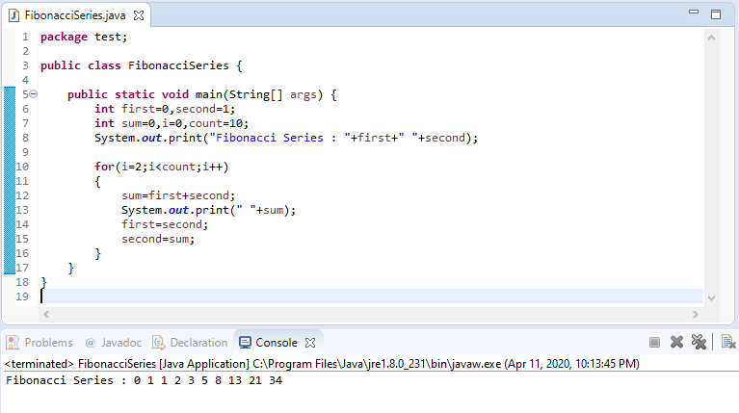

7. Write a program How to find maximum/minimum value in array

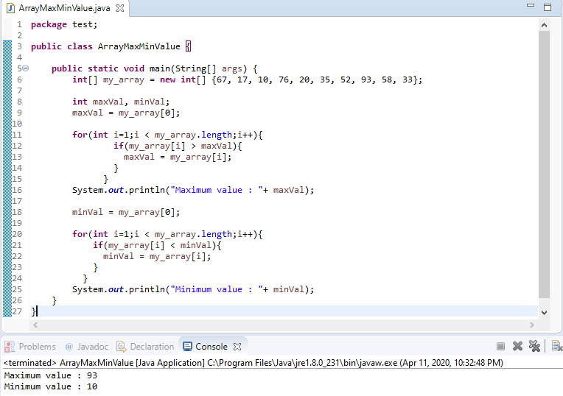

8. Write a program How to sort array ?

Assignment-4(9 April)
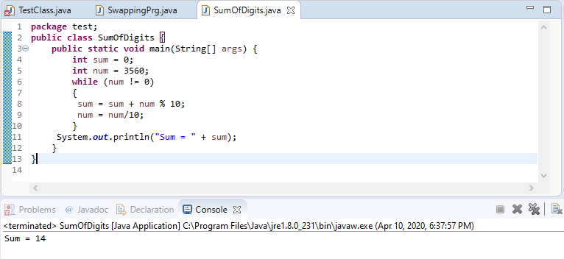
1 - •Write about obfuscation?

 | Java source code is typically compiled into Java bytecode – the instruction set of the Java virtual machine.
 | The compiled Java bytecode can be easily reversed engineered back into source code by a freely available decompilers.
 | Bytecode Obfuscation is the process of modifying Java bytecode (executable or library) so that it is much harder to read and understand for a hacker but remains fully functional.

2 - •How many keyword are available in java? At-least 10 keyword
 |  |  |  |  |  |  |  |  |  | 49 | are in use
 | Keyword | Description |  |  |  |  |  |  |  | 2 | are not in use
1 | boolean | A data type that can only store true and false values
2 | break | Breaks out of a loop or a switch block
3 | byte | A data type that can store whole numbers from -128 and 127
4 | case | Marks a block of code in switch statements
5 | char | A data type that is used to store a single character
6 | class | Defines a class
7 | continue | Continues to the next iteration of a loop
8 | default | Specifies the default block of code in a switch statement
9 | do | Used together with while to create a do-while loop |  |  |  |  |  |  | Learned uptil now
10 | double | A data type that can store whole numbers from 1.7e−308 to 1.7e+308
11 | else | Used in conditional statements
12 | float | A data type that can store whole numbers from 3.4e−038 to 3.4e+038
13 | for | Create a for loop
14 | if | Makes a conditional statement
15 | int | A data type that can store whole numbers from -2147483648 to 2147483647
16 | long | A data type that can store whole numbers from -9223372036854775808 to 9223372036854775808
17 | short | A data type that can store whole numbers from -32768 to 32767
18 | while | Creates a while loop
19 | extends | Extends a class (indicates that a class is inherited from another class)
20 | final | A non-access modifier used for classes, attributes and methods, which makes them non-changeable (impossible to inherit or override)
21 | finally | Used with exceptions, a block of code that will be executed no matter if there is an exception or not
22 | implements | Implements an interface
23 | import | Used to import a package, class or interface
24 | instanceof | Checks whether an object is an instance of a specific class or an interface
25 | interface | Used to declare a special type of class that only contains abstract methods
26 | new | Creates new objects
27 | package | Declares a package
28 | private | An access modifier used for attributes, methods and constructors, making them only accessible within the declared class
29 | protected | An access modifier used for attributes, methods and constructors, making them accessible in the same package and subclasses
30 | public | An access modifier used for classes, attributes, methods and constructors, making them accessible by any other class
31 | return | Finished the execution of a method, and can be used to return a value from a method
32 | static | A non-access modifier used for methods and attributes. Static methods/attributes can be accessed without creating an object of a class
33 | super | Refers to superclass (parent) objects
34 | switch | Selects one of many code blocks to be executed
35 | this | Refers to the current object in a method or constructor
36 | throw | Creates a custom error
37 | throws | Indicates what exceptions may be thrown by a method
38 | transient | A non-accesss modifier, which specifies that an attribute is not part of an object's persistent state
39 | try | Creates a try...catch statement
40 | void | Specifies that a method should not have a return value
41 | volatile | Indicates that an attribute is not cached thread-locally, and is always read from the "main memory"
42 | abstract | A non-access modifier. Used for classes and methods: An abstract class cannot be used to create objects (to access it, it must be inherited from another class). An abstract method can only be used in an abstract class, and it does not have a body. The body is provided by the subclass (inherited from)
43 | assert | For debugging
44 | catch | Catches exceptions generated by try statements
45 | enum | Declares an enumerated (unchangeable) type

3 - •Write ranges of datatype

 | Data Type name |  | Values covered |  |  | Memory Required
 | byte |  | -128 to 127 |  |  | 1 byte – 8 bits
 | short |  | -32,768 to 32,767 |  |  | 2 byte – 16 bits
 | int |  | -2,147,483,648 to 2,147,483,647 |  |  | 4 byte – 32 bits
 | long |  | -9,223,372,036,854,775,808 to 9,223,372,036,854,775,807 |  |  | 8 byte – 64 bits
 | float |  | Sufficient for storing 7 decimal digits |  |  | 4 bytes – 32 bits
 | double |  | Sufficient for storing 15 decimal digits |  |  | 8 bytes – 64 bits
 | char |  | Stores a single character/letter or ASCII values |  |  | 1 byte (ASCII) 2 byte (Unicode)
 | boolean |  | Stores true or false values |  |  | 1 bit

3 - •Is Floating datatype follow cyclic nature or not?

 | No

4 - • Write the difference between logical and bitwise operator

 | Logical Operators |  |  |  |  |  |  | Bitwise Operators
 | logical operators work on boolean expressions and return boolean values (either true or false) |  |  |  |  |  |  | bitwise operators work on binary digits of integer values (long, int, short, char, and byte) and return an integer.
 | logical operators always evaluate the first boolean expression and, depending on its result and the operator used, may or may not evaluate the second |  |  |  |  |  |  | bitwise operators always evaluate both operands.
 | logical operators are used in making decisions based on multiple conditions |  |  |  |  |  |  | bitwise operators work on bits and perform bit by bit operations
 | && (logical and), || (logical or), ! (logical not) |  |  |  |  |  |  | & (bitwise and), | (bitwise or)

4 - • Write Swapping code in java

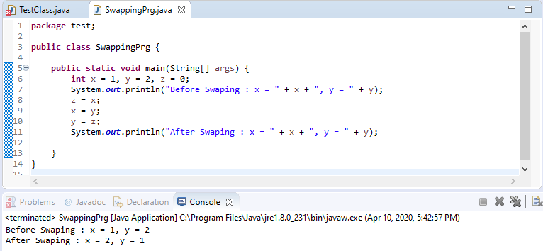
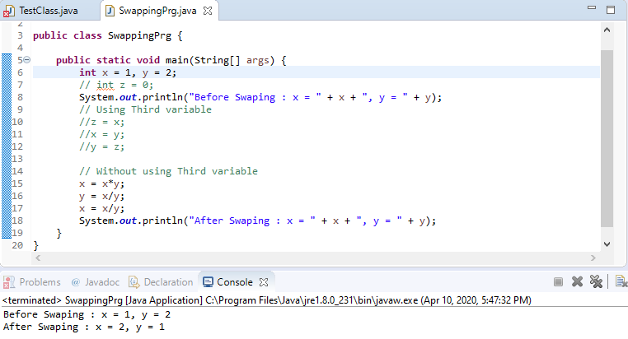

4 - • Which increment is faster , (post or pre) why?

 | Pre-increment is faster than post-increment because post increment keeps a copy of previous (existing) value
 | and adds 1 in the existing value while pre-increment is simply adds 1 without keeping the existing value.

5 - • What is the difference between while, do while and for loop

Loops
 | While |  |  | Do…..While |  |  | For

 | int i = 0; |  |  | int i = 0; |  |  | for (int i = 0; i < 5; i++) {
 | while (i < 5) { |  |  | do { |  |  | System.out.println(i);
 | System.out.println(i); |  |  | System.out.println(i); |  |  | }
 | i++; |  |  | i++;
 | } |  |  | }
 |  |  |  | while (i < 5);

 | FOR LOOP |  |  |  | DO-WHILE LOOP
 | Statement(s) is executed once the condition is checked. |  |  |  | Condition is checked after the statement(s) is executed.
 | It might be that statement(s) gets executed zero times. |  |  |  | Statement(s) is executed at least once.
 | For the single statement, bracket is not compulsory. |  |  |  | Brackets are always compulsory.
 | Initialization may be outside or in condition box. |  |  |  | Initialization may be outside or within the loop.
 | for loop is entry controlled loop. |  |  |  | do-while is exit controlled loop.
 | for ( init ; condition ; iteration ) { statement (s); } |  |  |  | do { statement(s); } while (condition);

 | Main difference between a while loop and do while loop is that while loop check condition before iteration of the loop.
 | On the other hand, the do-while loop verifies the condition after the execution of the statements inside the loop.

5 - • Write a code to print sum of all digits ,

