Day2
1 - Practice one java file and executing it.

Step1 | Created 'Daytwoassignment.java' file.

 | class Daytwoassignment
 | {
 |  | public static void main(String args[])
 |  | {
 |  |  | System.out.println("This is Pushpa Patil's Day2 Assignment");
 |  | }

 | }

Step2 | Compiled the file at the command prompt.

 | C:\Users\pushpa patil\eclipse-workspace\TestProject\src\test>javac Daytwoassignment.java

Step3 | Executed the newly created 'Daytwoassignment.class'.

 | C:\Users\pushpa patil\eclipse-workspace\TestProject\src\test>java Daytwoassignment

Output | This is Pushpa Patil's Day2 Assignment

2 – Differences
 | a – Object Oriented and Object Based
 | b – Compiler and interpreter
 | c - Encapsulation and abstraction

a | Object Oriented and Object Based language

 | Object Based Languages
 | Object based languages supports the usage of object and encapsulation.
 | They does not support inheritance or, polymorphism or, both.
 | Object based languages does not supports built-in objects.
 | Javascript, VB are the examples of object bases languages.

 | Object Oriented Languages
 | Object Oriented Languages supports all the features of Oops including inheritance and polymorphism.
 | They support built-in objects.
 | C#, Java, VB. Net are the examples of object oriented languages.

b | Compiler and Interpreter |  |  |  | Difference Between Compiler and Interpreter
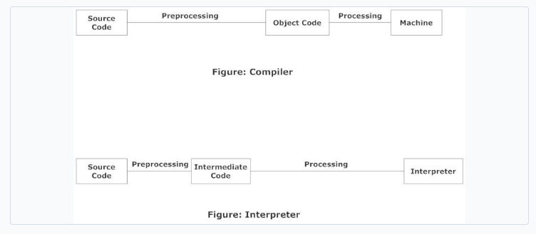
 |  |  |  |  | Basis of difference | Compiler | Interpreter
 |  |  |  |  | Programming Steps | Create the program. | Create the Program
 |  |  |  |  |  | Compile will parse or analyses all of the language statements for its correctness. If incorrect, throws an error | No linking of files or machine code generation
 |  |  |  |  |  | If no error, the compiler will convert source code to machine code. | Source statements executed line by line DURING Execution
 |  |  |  |  |  | It links different code files into a runnable program(know as exe)
 |  |  |  |  |  | Run the Program

 |  |  |  |  | Advantage | The program code is already translated into machine code. Thus, it code execution time is less. | Interpreters are easier to use, especially for beginners.
 |  |  |  |  | Disadvantage | You can't change the program without going back to the source code. | Interpreted programs can run on computers that have the corresponding interpreter.
 |  |  |  |  | Machine code | Store machine language as machine code on the disk | Not saving machine code at all.
 |  |  |  |  | Running time | Compiled code run faster | Interpreted code run slower
 |  |  |  |  | Model | It is based on language translationlinking-loading model. | It is based on Interpretation Method.
 |  |  |  |  | Program generation | Generates output program (in the form of exe) which can be run independently from the original program. | Do not generate output program. So they evaluate the source program at every time during execution.
 |  |  |  |  | Execution | Program execution is separate from the compilation. It performed only after the entire output program is compiled. | Program Execution is a part ofInterpretation process, so it is performed line by line.
 |  |  |  |  | Memory requirement | Target program executeindependently and do not require the compiler in the memory. | The interpreter exists in the memory during interpretation.
 |  |  |  |  | Best suited for | Bounded to the specific target machine and cannot be ported. C and C++ are a most popular a programming language which uses compilation model. | For web environments, where load times are important. Due to all the exhaustive analysis is done, compiles take relatively larger time to compile even small code that may not be run multiple times. In such cases, interpreters are better.
 |  |  |  |  | Code Optimization | The compiler sees the entire code upfront. Hence, they perform lots of optimizations that make code run faster | Interpreters see code line by line, and thus optimizations are not as robust as compilers
 |  |  |  |  | Dynamic Typing | Difficult to implement as compilers cannot predict what happens at turn time. | Interpreted languages support Dynamic Typing
 |  |  |  |  | Usage | It is best suited for the Production Environment | It is best suited for the program and developmentenvironment.
 |  |  |  |  | Error execution | Compiler displays all errors and warning at the compilation time. Therefore, you can't run the program without fixing errors | The interpreter reads a single statement and shows the error if any. You must correct the error to interpret next line.
 |  |  |  |  | Input | It takes an entire program | It takes a single line of code.
 |  |  |  |  | Output | Compliers generates intermediate machnie code. | Interpreter never generate any intermediate machnie code.
 |  |  |  |  | Errors | Display all errors after, compilation, all at the same time. | Displays all errors of each line one by one.
 |  |  |  |  | Pertaining Programming languages | C,C++,C#, Scala, Java all use complier. | PHP, Perl, Ruby uses an interpreter.

b | Encapsulation and Abstraction

 | Abstraction vs. Encapsulation with the comparison table
 | Abstraction |  |  | Encapsulation
 | It deals with only the relevant details by hiding the irrelevant ones to reduce complexity thereby increasing efficiency. |  |  | It binds the data and information together into a single entity to protect the data from external sources.
 | It refers to the idea of hiding data which is not required for presentation purposes. |  |  | It hides the data and code in order to restrict unwanted access.
 | It focuses on what rather than how. |  |  | It hides the internal mechanics of how it does something.
 | It hides the unnecessary details on the design level. |  |  | It also hides the details but on the implementation level.
 | Information and data is separated from the relevant data. |  |  | Information is hidden inside a capsule for close access.
 | It deals with ideas rather than events. |  |  | The idea is to protect the data from outside world.
 | It’s implemented using abstract class and interface. |  |  | It’s implemented using protected, private, and package-private access modifiers.

3 – Different Number system – Binary, Octal, Decimal ,Hexadecimal

