Sheet1
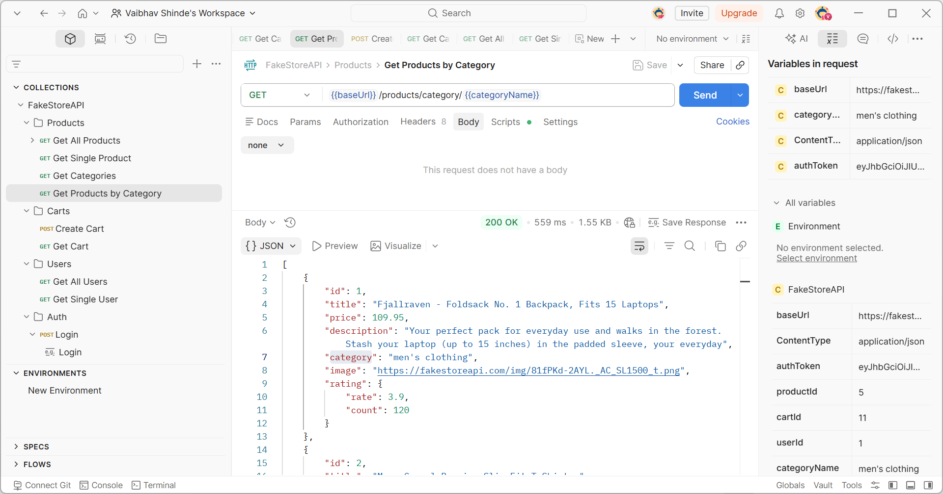

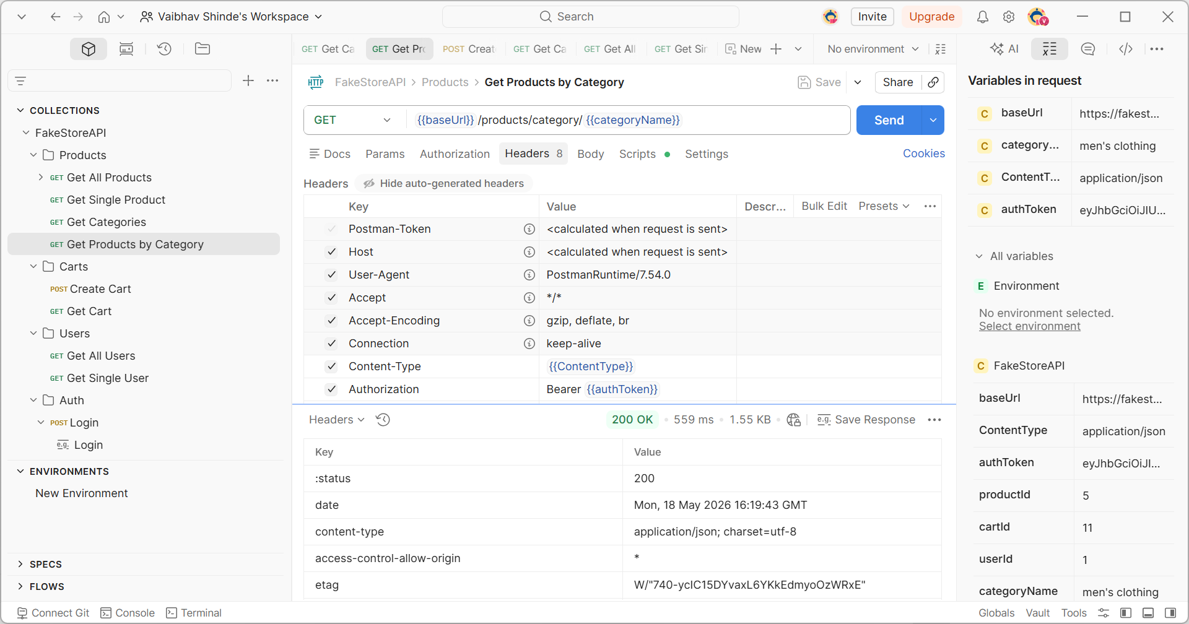

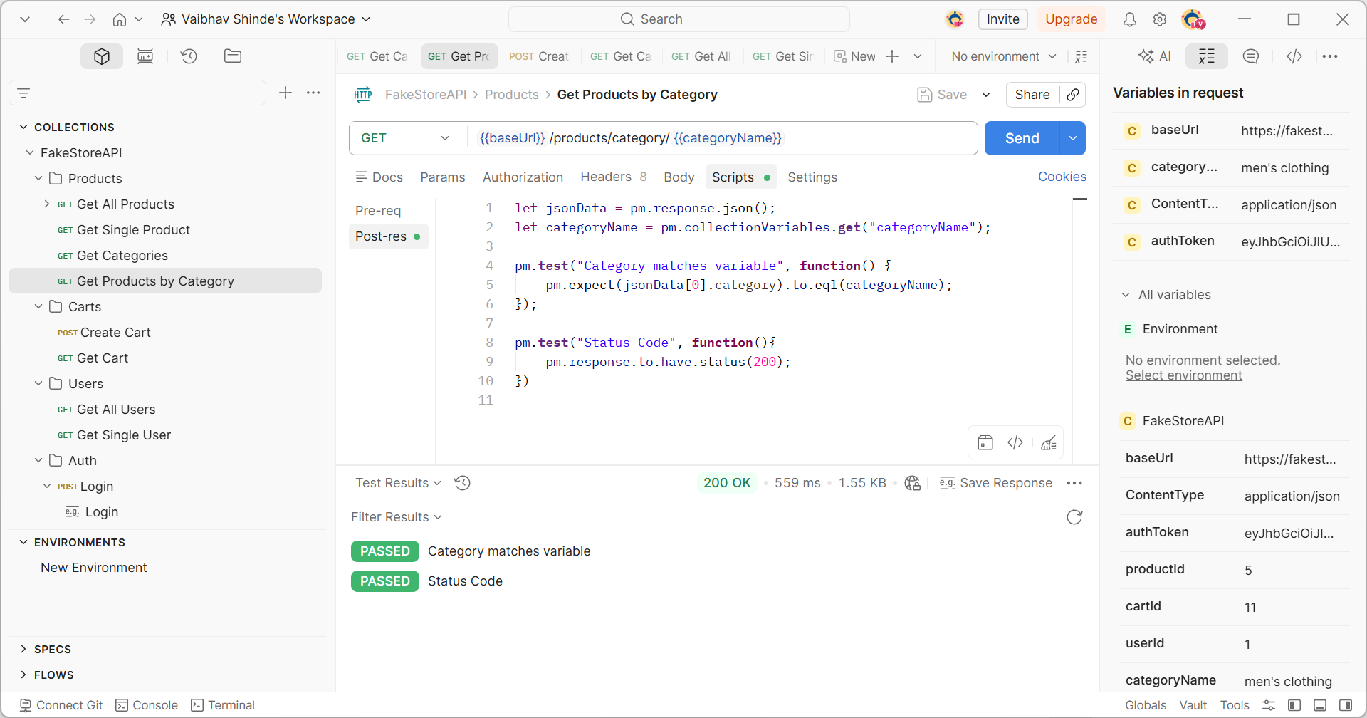

[
{
"id": 1,
"title": "Fjallraven - Foldsack No. 1 Backpack, Fits 15 Laptops",
"price": 109.95,
"description": "Your perfect pack for everyday use and walks in the forest. Stash your laptop (up to 15 inches) in the padded sleeve, your everyday",
"category": "men's clothing",
"image": "https://fakestoreapi.com/img/81fPKd-2AYL._AC_SL1500_t.png",
"rating": {
"rate": 3.9,
"count": 120
}
},
{
"id": 2,
"title": "Mens Casual Premium Slim Fit T-Shirts ",
"price": 22.3,
"description": "Slim-fitting style, contrast raglan long sleeve, three-button henley placket, light weight & soft fabric for breathable and comfortable wearing. And Solid stitched shirts with round neck made for durability and a great fit for casual fashion wear and diehard baseball fans. The Henley style round neckline includes a three-button placket.",
"category": "men's clothing",
"image": "https://fakestoreapi.com/img/71-3HjGNDUL._AC_SY879._SX._UX._SY._UY_t.png",
"rating": {
"rate": 4.1,
"count": 259
}
},
{
"id": 3,
"title": "Mens Cotton Jacket",
"price": 55.99,
"description": "great outerwear jackets for Spring/Autumn/Winter, suitable for many occasions, such as working, hiking, camping, mountain/rock climbing, cycling, traveling or other outdoors. Good gift choice for you or your family member. A warm hearted love to Father, husband or son in this thanksgiving or Christmas Day.",
"category": "men's clothing",
"image": "https://fakestoreapi.com/img/71li-ujtlUL._AC_UX679_t.png",
"rating": {
"rate": 4.7,
"count": 500
}
},
{
"id": 4,
"title": "Mens Casual Slim Fit",
"price": 15.99,
"description": "The color could be slightly different between on the screen and in practice. / Please note that body builds vary by person, therefore, detailed size information should be reviewed below on the product description.",
"category": "men's clothing",
"image": "https://fakestoreapi.com/img/71YXzeOuslL._AC_UY879_t.png",
"rating": {
"rate": 2.1,
"count": 430
}
}
]

