Sheet1
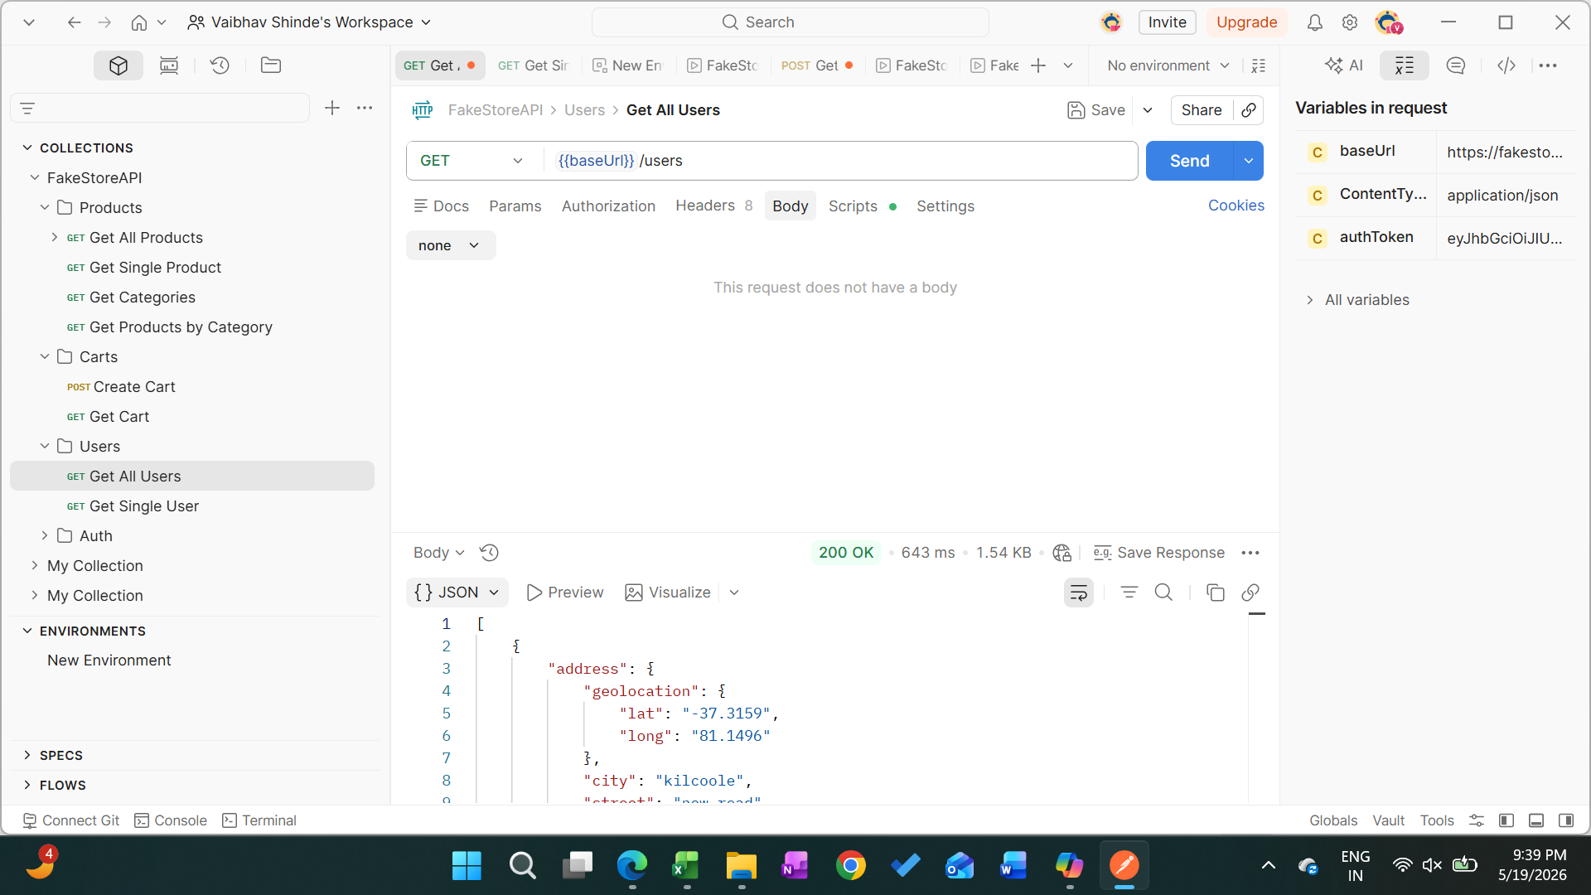

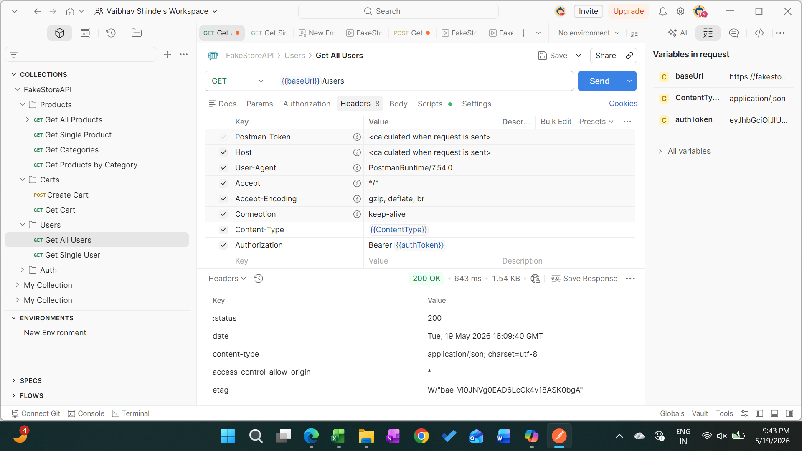

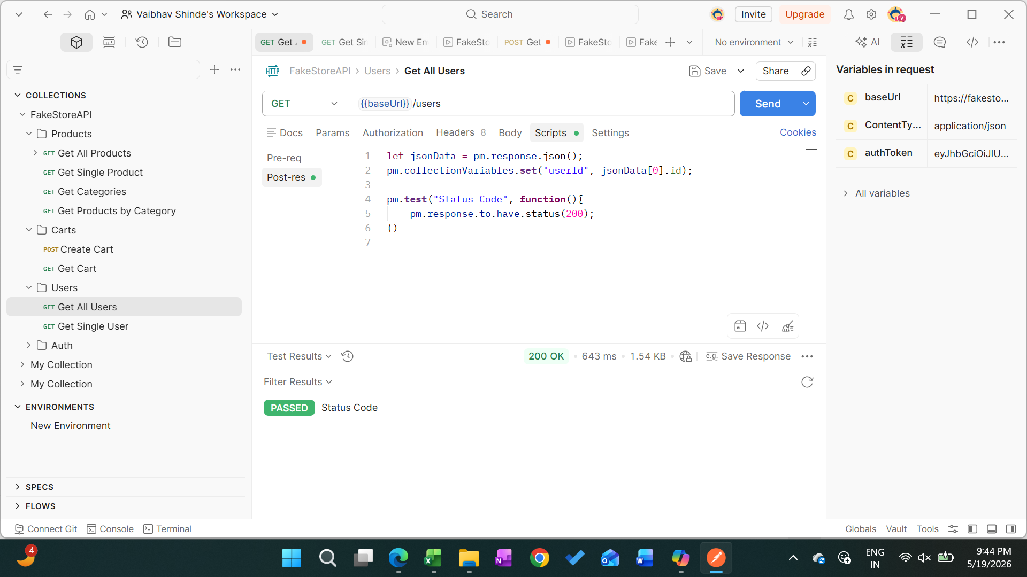

[
{
"address": {
"geolocation": {
"lat": "-37.3159",
"long": "81.1496"
},
"city": "kilcoole",
"street": "new road",
"number": 7682,
"zipcode": "12926-3874"
},
"id": 1,
"email": "john@gmail.com",
"username": "johnd",
"password": "m38rmF$",
"name": {
"firstname": "john",
"lastname": "doe"
},
"phone": "1-570-236-7033",
"__v": 0
},
{
"address": {
"geolocation": {
"lat": "-37.3159",
"long": "81.1496"
},
"city": "kilcoole",
"street": "Lovers Ln",
"number": 7267,
"zipcode": "12926-3874"
},
"id": 2,
"email": "morrison@gmail.com",
"username": "mor_2314",
"password": "83r5^_",
"name": {
"firstname": "david",
"lastname": "morrison"
},
"phone": "1-570-236-7033",
"__v": 0
},
{
"address": {
"geolocation": {
"lat": "40.3467",
"long": "-30.1310"
},
"city": "Cullman",
"street": "Frances Ct",
"number": 86,
"zipcode": "29567-1452"
},
"id": 3,
"email": "kevin@gmail.com",
"username": "kevinryan",
"password": "kev02937@",
"name": {
"firstname": "kevin",
"lastname": "ryan"
},
"phone": "1-567-094-1345",
"__v": 0
},
{
"address": {
"geolocation": {
"lat": "50.3467",
"long": "-20.1310"
},
"city": "San Antonio",
"street": "Hunters Creek Dr",
"number": 6454,
"zipcode": "98234-1734"
},
"id": 4,
"email": "don@gmail.com",
"username": "donero",
"password": "ewedon",
"name": {
"firstname": "don",
"lastname": "romer"
},
"phone": "1-765-789-6734",
"__v": 0
},
{
"address": {
"geolocation": {
"lat": "40.3467",
"long": "-40.1310"
},
"city": "san Antonio",
"street": "adams St",
"number": 245,
"zipcode": "80796-1234"
},
"id": 5,
"email": "derek@gmail.com",
"username": "derek",
"password": "jklg*_56",
"name": {
"firstname": "derek",
"lastname": "powell"
},
"phone": "1-956-001-1945",
"__v": 0
},
{
"address": {
"geolocation": {
"lat": "20.1677",
"long": "-10.6789"
},
"city": "el paso",
"street": "prospect st",
"number": 124,
"zipcode": "12346-0456"
},
"id": 6,
"email": "david_r@gmail.com",
"username": "david_r",
"password": "3478*#54",
"name": {
"firstname": "david",
"lastname": "russell"
},
"phone": "1-678-345-9856",
"__v": 0
},
{
"address": {
"geolocation": {
"lat": "10.3456",
"long": "20.6419"
},
"city": "fresno",
"street": "saddle st",
"number": 1342,
"zipcode": "96378-0245"
},
"id": 7,
"email": "miriam@gmail.com",
"username": "snyder",
"password": "f238&@*$",
"name": {
"firstname": "miriam",
"lastname": "snyder"
},
"phone": "1-123-943-0563",
"__v": 0
},
{
"address": {
"geolocation": {
"lat": "50.3456",
"long": "10.6419"
},
"city": "mesa",
"street": "vally view ln",
"number": 1342,
"zipcode": "96378-0245"
},
"id": 8,
"email": "william@gmail.com",
"username": "hopkins",
"password": "William56$hj",
"name": {
"firstname": "william",
"lastname": "hopkins"
},
"phone": "1-478-001-0890",
"__v": 0
},
{
"address": {
"geolocation": {
"lat": "40.12456",
"long": "20.5419"
},
"city": "miami",
"street": "avondale ave",
"number": 345,
"zipcode": "96378-0245"
},
"id": 9,
"email": "kate@gmail.com",
"username": "kate_h",
"password": "kfejk@*_",
"name": {
"firstname": "kate",
"lastname": "hale"
},
"phone": "1-678-456-1934",
"__v": 0
},
{
"address": {
"geolocation": {
"lat": "30.24788",
"long": "-20.545419"
},
"city": "fort wayne",
"street": "oak lawn ave",
"number": 526,
"zipcode": "10256-4532"
},
"id": 10,
"email": "jimmie@gmail.com",
"username": "jimmie_k",
"password": "klein*#%*",
"name": {
"firstname": "jimmie",
"lastname": "klein"
},
"phone": "1-104-001-4567",
"__v": 0
}
]

