Details
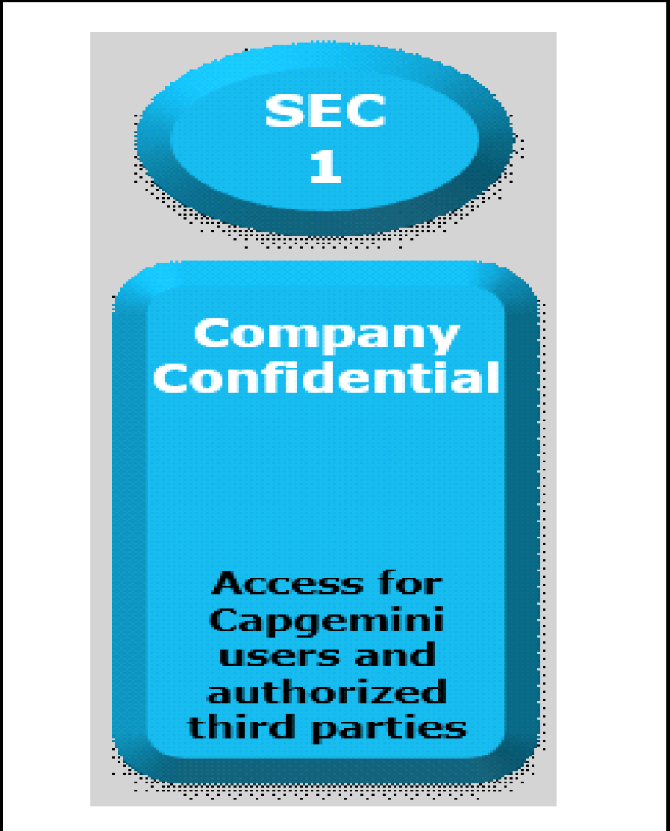

Documents Control Section

Project Details
Project Name | Zegat Online IT Hardware Ordering System |  | Project Id | Group 04
Project Revision History

Date | Version | Author | Brief Description of Changes |  | Approver Signature
2022-09-07 | Version 0.0 | Group 04 | Initial draft
2022-09-16 | Version 0.1 | Group 04 | Updated Version, Reworked on the whole document and added design overview.
2022-09-23 | Version 0.2 | Group 04 | Final Version, Document revisions.

 |  |  |  |  |  | Using eSkills Matrix Tool for Skill Tracking
 |  |  |  |  |  | Not using eSkills Matrix Tool for Skill Tracking

