Dashboard
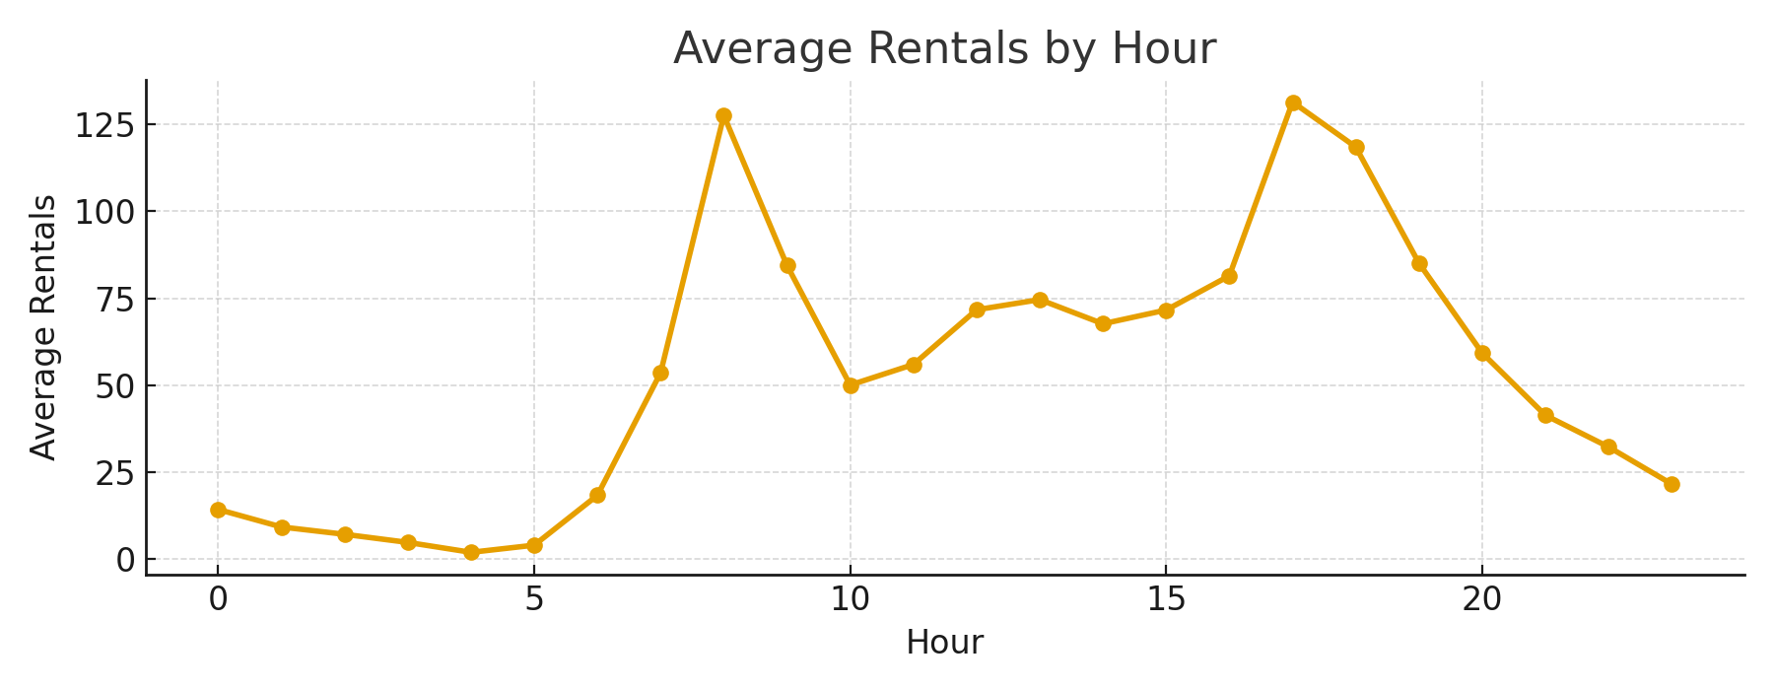
 |  |  |  |  | BIKE SHARING DEMAND ANALYSIS
 | TOTAL RIDES |  | CASUAL RIDES | REGISTERED RIDES
 | 33898 |  | 2746 | 31152

Weekday vs Weekend
 | cnt
Tuesday | 5493
Thursday | 5370
Monday | 5086
Friday | 5045
Wednesday | 4918
Saturday | 4173
Sunday | 3813
Rides by Weekday
 | 5086
Saturday | 4173
Sunday | 3813
Thursday | 5370
Tuesday | 5493
Wednesday | 4918
Hr | 0

SLICERS (Source Tables) | Weekday /Weekend | Weather | Humidity Range
Period | Tuesday | 1 | Low (0-40)
Evening | Thursday | 2
Morning | Monday | 3
Afternoon | Friday | 4
Night | Wednesday
 | Saturday
 | Sunday

Hourly Demand Trend
 | 239
2 | 170
3 | 76
4 | 38
5 | 95
6 | 476
7 | 1393
8 | 3318
9 | 2196
10 | 1301
11 | 1455
12 | 1936
13 | 2015
14 | 1827
15 | 1934
16 | 2200
17 | 3550
18 | 3082
19 | 2213
20 | 1541
21 | 1075
22 | 838
23 | 560
Weathersit | 0
Rides vs Weather
 | 10426
3 | 1463
4 | 36
Humidity_Range | 0

Analysis
Summary Statistics
Summary Statistics
Column | Sum | Average | Count | StdDev
Instant | 186,355.00 | 305.50 | 610.00 | 176.24
Mnth | 610.00 | 1.00 | 610.00 | -
Hr | 7,195.00 | 11.80 | 610.00 | 6.85
Holiday | 24.00 | 0.04 | 610.00 | 0.19
Weathersit | 901.00 | 1.48 | 610.00 | 0.64
Temp | 120.10 | 0.20 | 610.00 | 0.08
Unnamed: 0 | 185,745.00 | 304.50 | 610.00 | 176.24
instant | 186,355.00 | 305.50 | 610.00 | 176.24
atemp | 119.76 | 0.20 | 599.00 | 0.08
hum | 343.11 | 0.56 | 610.00 | 0.18
windspeed | 124.96 | 0.20 | 610.00 | 0.12
casual | 2,746.00 | 4.50 | 610.00 | 6.32
registered | 31,152.00 | 51.07 | 610.00 | 47.02
cnt | 33,898.00 | 55.57 | 610.00 | 49.32
Hour | 7,195.00 | 11.80 | 610.00 | 6.85

Hourly Summary
 | Hourly Summary
 | Hour | Total | Average | Observations
 | 0 | 370 | 14.230769231 | 26
 | 1 | 239 | 9.1923076923 | 26
 | 2 | 170 | 7.0833333333 | 24
 | 3 | 76 | 4.75 | 16
 | 4 | 38 | 1.9 | 20
 | 5 | 95 | 3.9583333333 | 24
 | 6 | 476 | 18.307692308 | 26
 | 7 | 1393 | 53.576923077 | 26
 | 8 | 3318 | 127.61538462 | 26
 | 9 | 2196 | 84.461538462 | 26
 | 10 | 1301 | 50.038461538 | 26
 | 11 | 1455 | 55.961538462 | 26
 | 12 | 1936 | 71.703703704 | 27
 | 13 | 2015 | 74.62962963 | 27
 | 14 | 1827 | 67.666666667 | 27
 | 15 | 1934 | 71.62962963 | 27
 | 16 | 2200 | 81.481481481 | 27
 | 17 | 3550 | 131.48148148 | 27
 | 18 | 3082 | 118.53846154 | 26
 | 19 | 2213 | 85.115384615 | 26
 | 20 | 1541 | 59.269230769 | 26
 | 21 | 1075 | 41.346153846 | 26
 | 22 | 838 | 32.230769231 | 26
Weekend Summary
 | 23 | 560 | 21.538461538 | 26

 | Weekend Summary
 | Is_Weekend | Total | Average | Observations
 | FALSE | 25912 | 61.548693587 | 421
 | TRUE | 7986 | 42.253968254 | 189

Weather Summary

 | Weather Summary
 | Weathersit | Total | Average | Observations
 | 1 | 21973 | 59.70923913 | 368
 | 2 | 10426 | 53.742268041 | 194
 | 3 | 1463 | 31.127659574 | 47
 | 4 | 36 | 36 | 1

Forecast
Simple Forecast (linear fit)

 | Hourly totals (historical)
 | Hour | Total | Average | Observations
 | 0 | 370 | 14.230769231 | 26
 | 1 | 239 | 9.1923076923 | 26
 | 2 | 170 | 7.0833333333 | 24
Hourly Totals (Historical)
 | 3 | 76 | 4.75 | 16
 | 4 | 38 | 1.9 | 20
 | 5 | 95 | 3.9583333333 | 24
 | 6 | 476 | 18.307692308 | 26
 | 7 | 1393 | 53.576923077 | 26
 | 8 | 3318 | 127.61538462 | 26
 | 9 | 2196 | 84.461538462 | 26
 | 10 | 1301 | 50.038461538 | 26
 | 11 | 1455 | 55.961538462 | 26
 | 12 | 1936 | 71.703703704 | 27
 | 13 | 2015 | 74.62962963 | 27
 | 14 | 1827 | 67.666666667 | 27
 | 15 | 1934 | 71.62962963 | 27
 | 16 | 2200 | 81.481481481 | 27
 | 17 | 3550 | 131.48148148 | 27
 | 18 | 3082 | 118.53846154 | 26
 | 19 | 2213 | 85.115384615 | 26
 | 20 | 1541 | 59.269230769 | 26
 | 21 | 1075 | 41.346153846 | 26
 | 22 | 838 | 32.230769231 | 26
 | 23 | 560 | 21.538461538 | 26

