vaishnav
Member and Normal

Poornima
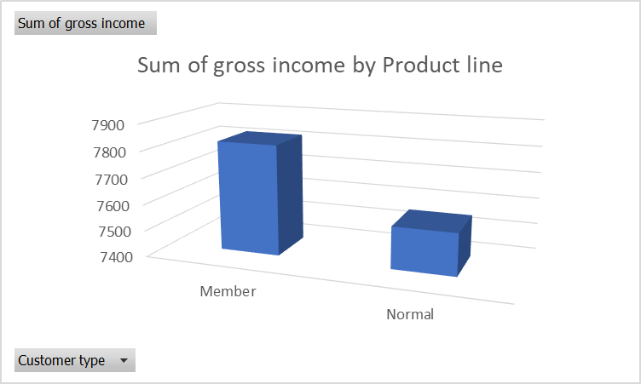
Product line | Sum of gross income
Electronic accessories | 2587.5015
Fashion accessories | 2585.995
Food and beverages | 2673.564
Health and beauty | 2342.559
Home and lifestyle | 2564.853
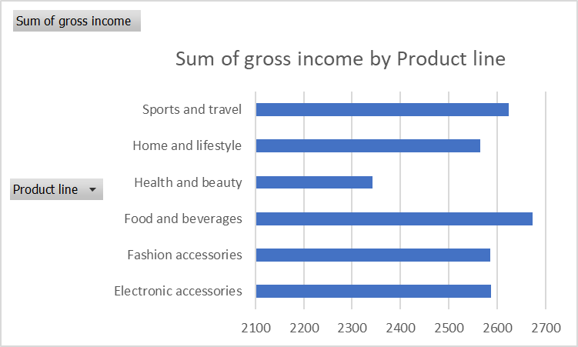
Sports and travel | 2624.8965

Customer type | Sum of gross income
Member | 7820.164
Normal | 7559.205

Roshan
Gender vs Products

