Action list
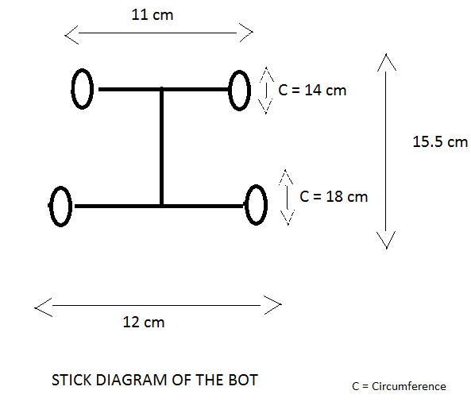
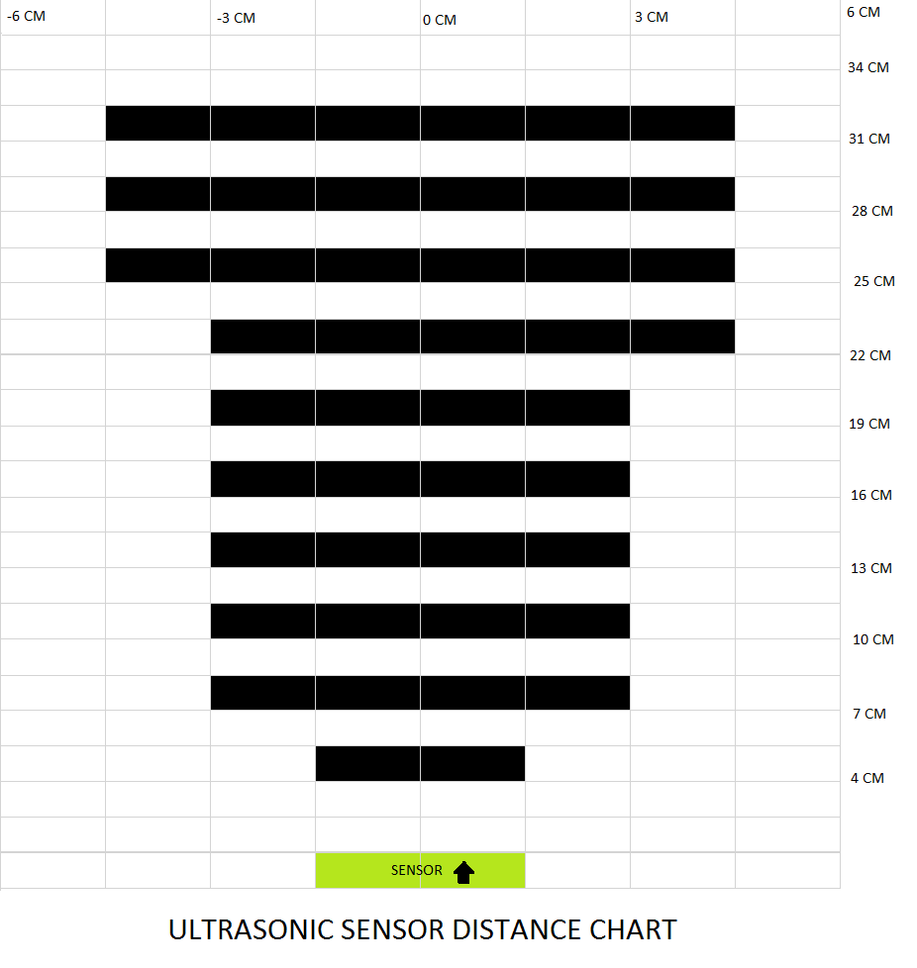
Date: | 26/11/2020
WP ID | WP Title | WP Description | Outcome of workpackage | Responsibilty | Due date | Priority | % complete | Remark | Domain
WP.1 | Installation of softwares | Installing python, pycharm, framework: pytorch ; libraries: pandas, numpy, opencv, matplotlib. | Successful | All | 2020-11-15 | 2 | 100 |  | S/W
WP.2 | Installation of softwares on Raspberry Pi (Once hardware arrives) | Installtion of Raspbian OS with python, open CV packages on a micro SD card for Raspberry Pi. Connect camera module and wifi dongel to the Rpi. | Not yet started | Vaishnavi V Acharya |  | 3 | 0 |  | S/W
WP.3 | Finalizing BOM | Finalizing list of hardware to be ordered. | Successful | Vaishnavi V Acharya | 2020-11-22 | 2 | 100 |  | Req, H/W
WP.4 | Search about line detection methods | Collecting data regarding line detection from IEEE papers and videos. | In progress | Jinna Pang, Jianyi Liu, Prereet Soni | 2020-11-26 | 1 | 75 |  | Req
WP.5 | Search about sign detection methods | Collecting data regarding sign detection from IEEE papers and videos. | In progress | Youquan Liu, Chandini Lakshman, Vaishnavi Acharya | 2020-11-26 | 1 | 75 |  | Req
WP.6 | Basic steps for line detection | Input Image, Gray Transform, Gaussian blur, Canny edge detection, Region of interest, Hough Transform, Averaging the Lane line and image mix. | Successful | Jinna Pang, Jianyi Liu, Prereet Soni | 2020-11-26 | 1 | 100 |  | Req, S/W
WP.7 | Testing code for Input image | With the help of matplotlib, load any image in python script as a three-dimensional tensor C-H-W (color Channels, Height and Width of image). | Successful | Jinna Pang, Jianyi Liu, Prereet Soni | 2020-11-26 | 1 | 100 |  | S/W
WP.8 | Testing code for Gray transform | For the identification of edges and corners. Done with the help of opencv. | Successful | Jinna Pang, Jianyi Liu, Prereet Soni | 2020-11-26 | 1 | 100 |  | S/W
WP.9 | Testing code for Gaussian bur | Use image bluring filter to reduce noise in the imge. | Successful | Jinna Pang, Jianyi Liu, Prereet Soni | 2020-11-26 | 1 | 100 |  | S/W
WP.10 | Testing code for Canny edge detection | To detect the boundaries of an image which helps to detect the lane lines. This is done through the gradients of the image. | Successful | Jinna Pang, Jianyi Liu, Prereet Soni | 2020-11-26 | 1 | 100 |  | S/W
WP.11 | Testing code for ROI | To put a mask upon the image and keep only the part of the image which is required for the task. | Successful | Jinna Pang, Jianyi Liu, Prereet Soni | 2020-11-26 | 1 | 100 |  | S/W
WP.12 | Testing code for Hough Transform | To identify lines which indicate lane lines.The Hough transformation converts a “x vs. y” line to a point in “gradient vs. intercept” space. Points in the image will correspond to lines in hough space. Using this technique, we can find lines from the pixel outputs of the canny edge detection output. | Successful | Jinna Pang, Jianyi Liu, Prereet Soni | 2020-11-26 | 1 | 100 |  | S/W
WP.13 | Testing code for Averaging Lane lines | We have multiple lines detected for each lane line. We need to average all these lines and draw a single line for each lane line. | Successful | Jinna Pang, Jianyi Liu, Prereet Soni | 2020-11-26 | 1 | 100 |  | S/W
WP.14 | Testing code for Image mix | By giving weight to the two images, we can just add them. | Successful | Jinna Pang, Jianyi Liu, Prereet Soni | 2020-11-26 | 1 | 100 |  | S/W
WP.15 | Bug detection for lane line detection | Detecting bugs or defects for the lane line detection workflow. | In progress | Jinna Pang, Jianyi Liu, Prereet Soni | 2020-12-09 | 1 | 50 |  | S/W
WP.16 | Bug fixing for lane line detection | Fixing the detected bugs for the lane line detection workflow. | In progress | Jinna Pang, Jianyi Liu, Prereet Soni | 2020-12-09 | 1 | 50 |  | S/W
WP.17 | Retesting of the lane line detection test code | After bug fixing, retesting of the lane line detection workflow. | In progress | Jinna Pang, Jianyi Liu, Prereet Soni | 2020-12-09 | 1 | 50 |  | S/W
WP.18 | Basic steps for sign detection | Two steps: 1) Detection and 2) Classification. | In progress | Youquan Liu, Chandini Lakshman, Vaishnavi Acharya | 2020-12-09 | 1 | 50 |  | Req, S/W
WP.19 | For classification 1) Find a suitable data set for traffic sign | Searching and downloading the suitable data set for traffic sign. | Successful | Youquan Liu, Chandini Lakshman, Vaishnavi Acharya | 2020-11-26 | 1 | 100 |  | S/W
WP.20 | 2) Processing the data set | Transform PPM into JPG; based the bounding box information, crop the traffic sign from the dataset and resize the image into 32x32; put the images and corresponding labels into pickle file; This step can be skipped, because we can download the pickle file from internet. | Successful | Youquan Liu, Chandini Lakshman, Vaishnavi Acharya | 2020-11-26 | 1 | 100 |  | S/W
WP.21 | 3) Creating our own data loader | Create our own dataloader Class function by Inheriting Dataset. In this Class function, to reduce the amount of calculation, we normalize the images from [0,1]. Finally, The outputs are batch by batch, the images and the corresponding labels are in the type of tensor. | In progress | Youquan Liu, Chandini Lakshman, Vaishnavi Acharya | 2020-12-09 | 1 | 75 |  | S/W
WP.22 | 4) Selecting a suitable model for traffic sign classification | Compare different deep-learning models, and select a suitable model ( understanding convolution calculation, pooling, and activation functions(like sigmoid,tahn,ReLU), etc). | In progress | Youquan Liu, Chandini Lakshman, Vaishnavi Acharya | 2020-12-09 | 1 | 75 |  | S/W
WP.23 | 5) Determining the optimizer, loss function, metrics | Determine the suitable optimizer(SGD, Adam,Momentum,AdaGrad,RMSProp,etc), loss function(Mean Square error, Cross-Entropy), metrics(accuracy). | In progress | Youquan Liu, Chandini Lakshman, Vaishnavi Acharya | 2020-12-09 | 1 | 75 |  | S/W
WP.24 | 6) Coding and training the data set | Coding; Combine all modules for training and testing; test this model( whether is overfiting) | In progress | Youquan Liu, Chandini Lakshman, Vaishnavi Acharya | 2020-12-09 | 1 | 75 |  | S/W
WP.25 | Search about Detection step for sign detection | Collecting data regarding detection steps. | In progress | Youquan Liu, Chandini Lakshman, Vaishnavi Acharya | 2020-12-09 | 1 | 50 |  | Req, S/W
WP.26 | Evaluation for accuracy | Different trial methods for improving the accuracy in line detection. | In progress | Jinna Pang, Jianyi Liu, Prereet Soni | 2020-12-09 | 1 | 25 |  | S/W
WP.27 | Use masking of half the image for ROI | Making the code reliable for different senerios by using half image as ROI. | In progress | Jinna Pang, Jianyi Liu, Prereet Soni | 2020-12-09 | 1 | 50 |  | S/W
WP.28 | Detect the colour of the lane line | The colour of the lane line including yellow line and white line should be detected. | In progress | Jinna Pang, Jianyi Liu, Prereet Soni | 2020-12-09 | 2 | 0 |  | S/W
WP.29 | Double line detection | In order to improve the accuracy, the double line could be detected. | In progress | Jinna Pang, Jianyi Liu, Prereet Soni | 2020-12-09 | 2 | 0 |  | S/W

