WBS
 | Project Name | Doctor Consulation System
 | Project Manager | Vaishnavi Patil

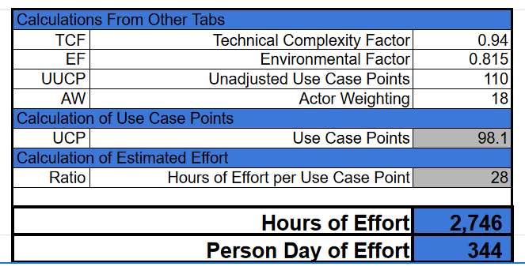
 |  | WORK BREAKDOWN STRUCTURE TEMPLATE - TASKS
Task No. | Task Description | Task Owner | Task Status | Days to complete | Description
1 | Requirement |  |  | 34.4
1.1 | Requirement Gathering | Project Manager, Business Analyst | Completed | 34.4 | Understanding project objective and scope
2 | Initiation Phase |  |  | 13.7
2.1 | Set up hardware | Developers | Completed | 4.7 | Setting up initial project work
2.1.1 | Install software |  | Completed | 2
2.1.2 | Format software |  | Completed | 4
2.1.3 | Test Environment Setup |  | Completed | 3
3 | Requirement Analysis |  |  | 41.2
3.1 | Requirements Study and Analysis | Project Manager, Business Analyst | Completed | 15 | Detailed understanding for better accuracy
3.1.1 | Prototype |  | Completed | 10
3.2.1 | Create |  | Completed | 10
3.2.2 | P2P Review |  | Completed | 3
3.2.3 | Rework |  | Completed | 3.2
4 | Functional Specifications |  |  | 30.96
4.1 | Requirements Study | Project Manager, UI/UX Designer, Business Analyst | Completed | 12 | Defining system functionality clearly.
4.1.1 | Create |  | Completed | 9
4.1.2 | Peer to Peer Review |  | Completed | 3
4.1.3 | Peer Group Review |  | Completed | 4
4.1.4 | Rework |  | Completed | 2.96 |  | Sr No | L1 | Weight(%) | PD/Task | PH/Task
5 | Design |  |  | 48.16 |  | 1 | Requirement | 10 | 34.4 | 274.6
5.1 | HLD | UI/UX Designer/Developer | Completed | 15 | Structuring for robust implementation | 2 | Initiation Phase | 4 | 13.7 | 109.84
5.1.1 | Create |  | Completed |  |  | 3 | Requirement Analysis | 12 | 41.2 | 329.52
5.1.2 | Peer Group Review |  | Completed |  |  | 4 | Functional Specifications | 9 | 30.96 | 247.14
5.1.3 | Rework |  | Completed |  |  | 5 | Design | 14 | 48.16 | 384.44
5.1 | LLD |  | Completed | 20 |  | 6 | Coding | 24 | 82.56 | 659.04
5.1.1 | Module_01(Name) |  | Completed |  |  | 7 | Testing | 10 | 34.4 | 274.6
5.2.1 | Create |  | Completed |  |  | 8 | Deployment | 6 | 20.64 | 164.76
5.2.2 | P2P Review |  | Completed |  |  | 9 | Acceptance Support | 5 | 17.2 | 137.3
5.2.3 | Rework |  | Completed |  |  | 10 | User Documentation | 4 | 13.7 | 109.84
5.3 | Database Design |  | Completed | 13.16 |  | 11 | Training | 2 | 6.9 | 54.92
5.1.1 | Create |  | Completed |  |  | Total |  | 100 | 343.82 | 2746
5.1.2 | P2P Review |  | Completed
5.1.3 | Rework |  | Completed
6 | Coding |  |  | 82.56
6.1 | Components | Full Stack Developer | Completed |  | Translating designs into functional code.
6.2 | Web Pages |  | Completed | 27.56
6.2.1 | Create |  | Completed
6.2.3 | Self Review |  | Completed
6.2.4 | P2P Review |  | Completed
6.2.5 | Rework |  | Completed
6.3 | Classes |  | Completed | 30
6.3.1 | Create |  | Completed
6.3.2 | Self Review |  | Completed
6.3.3 | P2P Review |  | Completed
6.3.4 | Rework |  | Completed
6.4 | Interfaces |  | Completed | 25
6.4.1 | Create |  | Completed
6.4.2 | Self Review |  | Completed
6.4.3 | P2P Review |  | Completed
6.4.4 | Rework |  | Completed
7 | Testing |  |  | 34.4
7.1 | Study | Developer, Tester | Assigned | 4.4 | Ensuring system meets requirements.
7.1.1 | Design Document |  | Assigned
7.12 | Requiement Document |  | Assigned
7.2 | Unit test cases |  | Assigned | 5
7.2.1 | Create |  | Assigned
7.2.2 | Peer to Peer Review |  | Assigned
7.2.3 | Peer Review |  | Assigned
7.2.4 | Rework |  | Assigned
7.3 | Integration Test Cases |  | Assigned | 5
7.3.1 | Create |  | Assigned
7.3.2 | Peer to Peer Review |  | Assigned
7.3.3 | Peer Review |  | Assigned
7.3.4 | Rework |  | Assigned
7.4 | Unit Testing |  | Assigned | 6
7.4.1 | Testing |  | Assigned
7.4.2 | Defect fixing |  | Assigned
7.5 | Integration Testing |  | Assigned | 10
7.5.1 | Testing |  | Assigned
7.5.2 | Defect fixing |  | Assigned
7.6 | Review |  | Assigned | 4
8 | Deployment |  |  | 20.64
8.1 | Environment Setup | Full Stack Developer | Assigned | 20.64 | Implementing the solution.
8.1.1 | Build |  | Assigned
8.1.2 | Documentation |  | Assigned
8.2 | Post Depolyment task |  | Assigned
8.2.1 | Backup and recovery |  | Assigned
9 | Acceptance Support |  |  | 17.2
9.1 | Acceptance Testing | Tester, Project Manager | Assigned | 5 | Stakeholder agreement and approval.
9.2 | Defect Fixing |  | Assigned | 7.2
9.3 | Regression Testing |  | Assigned | 5
10 | User Documentation |  |  | 13.7
10.1 | Create | Project Manager, Developer | Assigned | 8 | Providing in-depth documentation for users
10.2 | Review |  | Assigned | 2
10.3 | Rework |  | Assigned | 3.7
11 | Training |  |  | 6.9
11.1 | Project Related | Developer | Assigned | 6.9 | Equipping users with necessary skills.

Gantt Chart
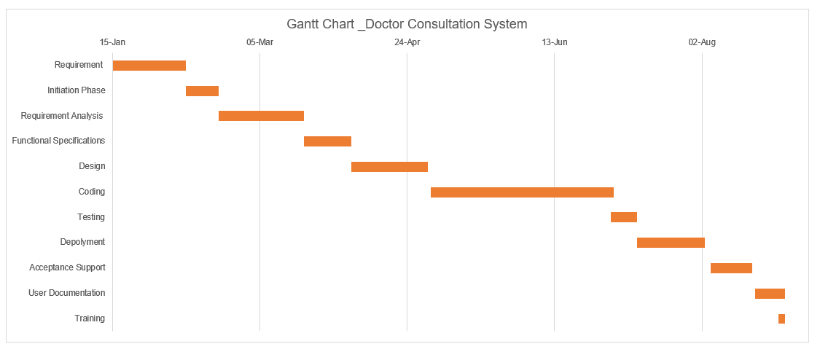
Sr No | Task Name | Start Date | End Date | Duration | Duration(without holiday) | PD/Task | PH/Task
1 | Requirement | 2024-01-15 | 2024-02-08 | 25 | 17 | 34 | 274.6
2 | Initiation Phase | 2024-02-09 | 2024-02-19 | 11 | 7 | 14 | 109.84
3 | Requirement Analysis | 2024-02-20 | 2024-03-19 | 29 | 21 | 41 | 329.52
4 | Functional Specifications | 2024-03-20 | 2024-04-04 | 16 | 10 | 31 | 247.14
5 | Design | 2024-04-05 | 2024-04-30 | 26 | 16 | 48 | 384.44
6 | Coding | 2024-05-02 | 2024-07-01 | 62 | 42 | 83 | 659.04
7 | Testing | 2024-07-02 | 2024-07-10 | 23 | 17 | 21 | 164.76
8 | Depolyment | 2024-07-11 | 2024-08-02 | 9 | 7 | 34 | 274.6
9 | Acceptance Support | 2024-08-05 | 2024-08-16 | 14 | 9 | 17 | 137.3
10 | User Documentation | 2024-08-20 | 2024-08-27 | 11 | 5 | 14 | 109.84
11 | Training | 2024-08-28 | 2024-08-30 | 3 | 3 | 7 | 54.92
In-Total |  |  |  | 229 | 154 | 344 | 2746

