Overall_Application
Spring Bean Factory
Common Business Start (CBS)
Common Business Middlewere (CBM)
DAO( SQL Operstions)
Spring Security Saml
Mongo DB/ AWS Dynamo DB
Users (Web/Pc/Mobile)
Client side (Node js)
Batch Applications
Initialize Transaction(2 types of transaction 1.Commit every Transaction2. Commit after a process complete)
Log server
Common Utils and Constant

 | Login / Registration

Rest (Value Object)

 |  |  | Log4J

Rest (Value Object)

 |  | Application Architecture.

Api_Specifications
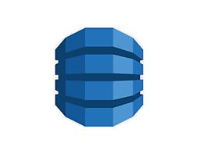
Middlwere Call

 |  |  | S3

 |  | Lamda

Gateway

 |  |  | Dynamo DB

 | Other Api

 | AWS

