Instructions
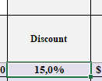
1. Select Manager

 | All_managers will show you list of clients

2. Select Client
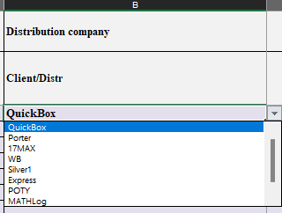

3. Select Product

Choose a product group to filter the list

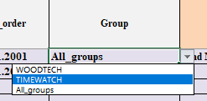

Or type the product name in the search field
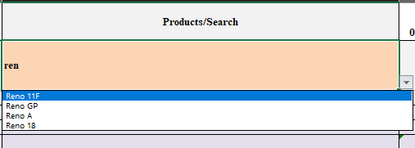

4. Enter Quantity (Discount)

