cables
SNES and NGC pinout on RJ45

Pin | RJ45 color | Function | NGC cable | SNES cable
1 | White/orange | SNES-5v |  | Blue
2 | Orange | SNES-clk |  | Yellow
3 | White/blue | SNES-latch |  | Black
4 | Green | CSNES-dat | White | Red
5 | White/green | CGC-dat
6 | Blue | NC | Blue
7 | White/brown | 5v-NGC | Red
8 | Brown | GND | Yellow, Black, Brown | Green

N64 pinout on RJ11

Pin | RJ11 | Function | N64 cable
1 | Green |  | Red
2 | Yellow | DATA | Green
3 | Red | GND | Black
4 | White | GND | Black

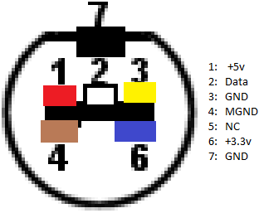
NGC pinout on 6-pin
Pin | Color | Function | NGC cable | breakout
1 | Green | MGND | Yellow | 4
2 | Orange | GND | Black | 3
3 | Yellow | GND | Brown | 7
4 | White | DAT | White | 2
5 | Red | 3v3 | Blue | 6
6 | Black | 5v | Red | 1

N64 pinout on header
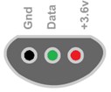
Pin |  | Function | connector
1 | Red | 3v3 | 1
2 | Black | DATA | 2
3 | Yellow | GND | 3
 | On rev3: swap pins 1 and 3 on header!!

SNES pinout on 5-pin

Pin | Color | Function | SNES cable | connector
1 | Orange | GND | Green | 1
2 | Yellow | CLK | Yellow | 4
3 | White | LATCH | Black | 5
4 | Red | DATA | Red | 6
5 | Black | 5V | Blue | 7

