cables
SNES and NGC pinout on RJ45

Pin | RJ45 color | Function | NGC cable 1 | NGC cable 2 | SNES cable 1 | SNES cable 2
1 | White/orange | SNES-5v |  |  | Blue | Green
2 | Orange | SNES-clk |  |  | Yellow | Yellow
3 | White/green | SNES-latch |  |  | Black | White
4 | Blue | CSNES-dat |  |  | Red | Red
5 | White/blue | CGC-dat | White | Yellow
6 | Green | NC | Blue
7 | White/brown | 5v-NGC | Red | Black
8 | Brown | GND | Yellow, Black | Red | Green | Black

N64 pinout on RJ11

Pin | RJ11 | Function | N64 cable
1 | Yellow or green
2 | Yellow or green | DATA | Green or White
3 | Red | GND | Black
4 | White

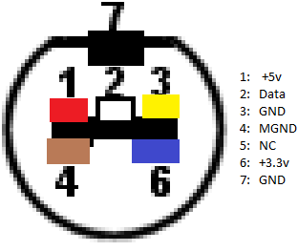
NGC pinout on 6-pin
Pin | Color | Function | NGC cable 1 | breakout
1 | Green | MGND | Yellow | 4 |  |  | 1 | black
2 | Orange | GND | Black | 3 |  |  | 2 | yellow
3 | Yellow | GND | Brown | 7 |  |  | 3 | red
4 | White | DAT | White | 2 |  |  | 4 | white
5 | Red | 3v3 | Blue | 6 |  |  | 5
6 | Black | 5v | Red | 1 |  |  | 6 | white
 |  |  |  |  |  |  | 7

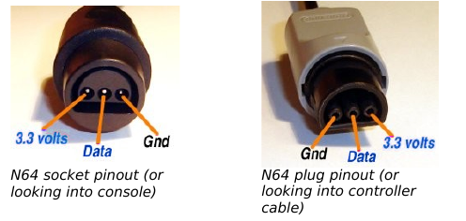
N64 pinout on header

Pin |  | Function | connector
1 | Red | 3v3 | 1
2 | Black | DATA | 2
3 | Yellow | GND | 3
 | On rev3: swap pins 1 and 3 on header!!

SNES pinout on 5-pin

Pin | Color | Function | SNES cable 1 | SNES cable 2 | connector
1 | Orange | GND | Green | Green | 7
2 | Yellow | CLK | Yellow | Yellow | 2
3 | White | LATCH | Black | White | 3
4 | Red | DATA | Red | Red | 4
5 | Black | 5V | Blue | Black | 1

