Output
1 | Get the latest (max) Submission Date by Country, Region, and Product
2 | Get the latest (max) Decision Date by Country, Region, and Product
3 | Populate dates in Gantt chart view
4 | Add refrence line to indicate today's date
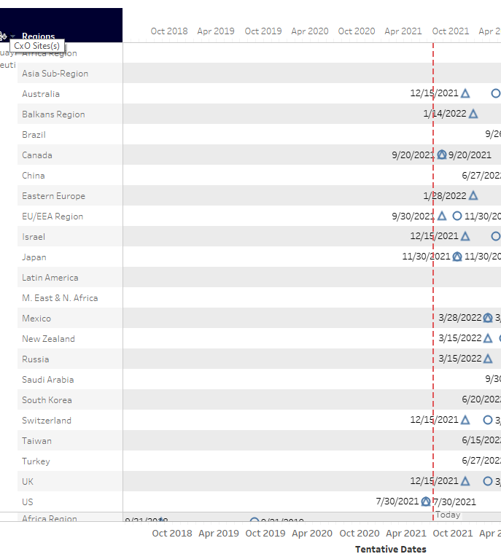
 | Sample Output:
 | Product | Region | Country
 | Product 1 | region 1 | country 1
 |  | region 1 | country 2
 |  | region 1 | country 3
 |  | region 2 | Country 1
 |  | region 3 | Country 1
 |  | region 1 | country 1
 |  | region 1 | country 2
 |  | region 3 | Country 1
 | Product 2 | region 1 | country 3
 |  | region 2 | Country 1
 |  |  |  | 2021-07-01 | 2021-08-01 | 2021-09-01 | 2021-10-01 | 2021-11-01
 |  |  |  |  | Timeline Scale

