Project Overview
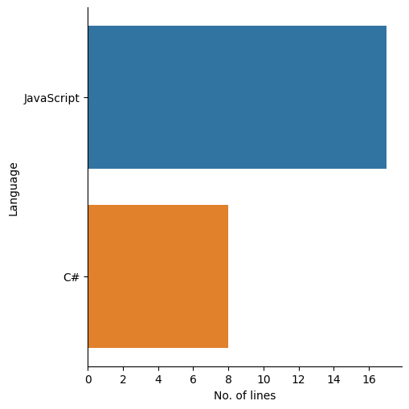
Project Overview

Name: Valentia Cheng Le Xuan
Date: 26/04/2021

Project Details:
Project Name | CodeJam
Quality Gate Status | Passed
Last Scanned | 25/01/2021
Hotspot reviewed | 82
Coverage | 0.0%
Duplication | 0.0%
No. of lines of code | 4239

Severity Level Overview: |  | Types of error:

Severity Level | No. of issues | Type | No. of issues
Major | 20 | Bugs | 0
Minor | 4 | Vulnerabilities | 0
Critical | 0 | Code Smell | 25
Blocker | 0
Info | 1

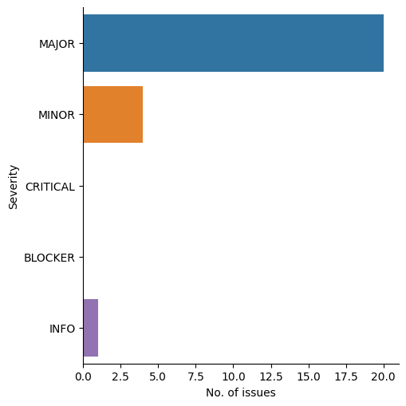
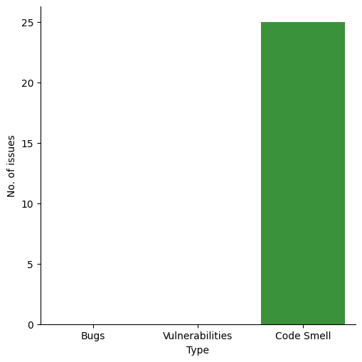

No. of lines for each language used in this project:

Language | No. of lines
JavaScript | 17
C# | 8

Issues

Project Issues

Name: Valentia Cheng Le Xuan
Date: 26/04/2021

Issues For CodeJam
From 2020-02-25 to 2020-02-25

File Name: CodeJam:Services/FileBlogService.cs

Issue
Message | Split this method into two, one handling parameters check and the other handling the asynchronous code.
Type | CODE_SMELL
Severity | MAJOR
Status | OPEN
Effort | 15min
Date | 2020-02-25
Line | 176

Why is this an issue?

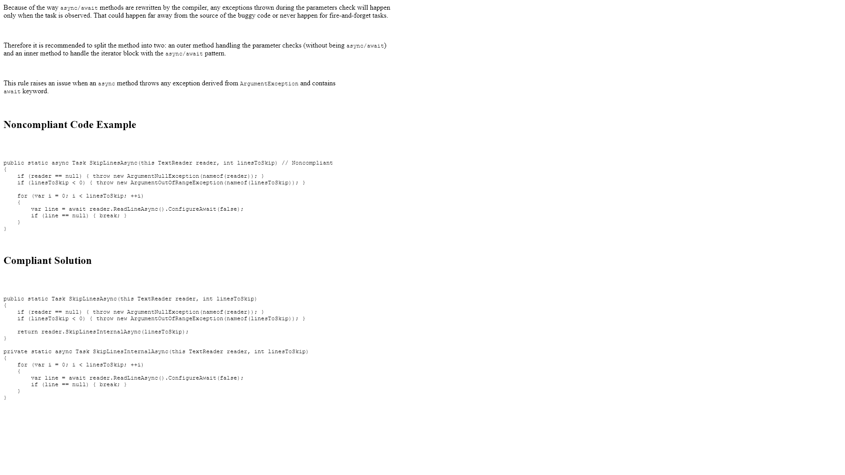

File Name: CodeJam:Controllers/BlogController.cs

Issue
Message | Split this method into two, one handling parameters check and the other handling the asynchronous code.
Type | CODE_SMELL
Severity | MAJOR
Status | OPEN
Effort | 15min
Date | 2020-02-25
Line | 187

Why is this an issue?

File Name: CodeJam:Controllers/RobotsController.cs

Issue
Message | Refactor your code not to use hardcoded absolute paths or URIs.
Type | CODE_SMELL
Severity | MINOR
Status | OPEN
Effort | 20min
Date | 2020-02-25
Line | 166

Why is this an issue?

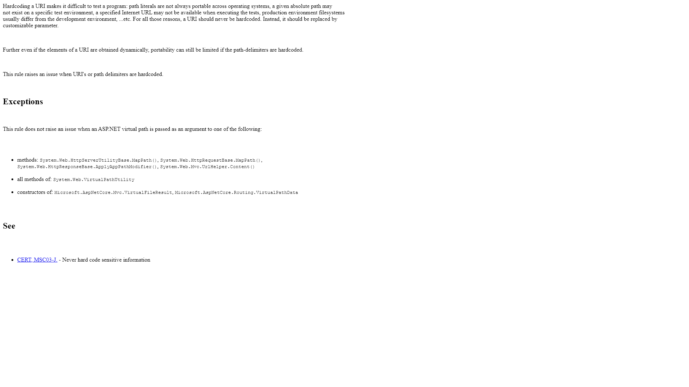

File Name: CodeJam:Services/MetaWeblogService.cs

Issue
Message | Split this method into two, one handling parameters check and the other handling the asynchronous code.
Type | CODE_SMELL
Severity | MAJOR
Status | OPEN
Effort | 15min
Date | 2020-02-25
Line | 50

Why is this an issue?

Issue
Message | Split this method into two, one handling parameters check and the other handling the asynchronous code.
Type | CODE_SMELL
Severity | MAJOR
Status | OPEN
Effort | 15min
Date | 2020-02-25
Line | 205

Why is this an issue?

Issue
Message | Remove the unnecessary Boolean literal(s).
Type | CODE_SMELL
Severity | MINOR
Status | OPEN
Effort | 5min
Date | 2020-02-25
Line | 240

Why is this an issue?

