Gráficas
Artículos 2013
Artículos 2015
Artículos 2017
Artículos 2019
Artículos 2021
 | Cantidad Articulos 2021
GIRA
LAMIC
IDEAS
INTECTSE
ARCOSES | 0
ARQUISOFT
COMPLEXUD
DIMSI
GCEM | 7
GEFEM | 9
GEIT
GESDATOS
GESETIC | 1
GICOECOL
GICOGE
GISE3
GITEM
GITUD
GRECO
INTERNET INT
INVID
LASER | 2
LIDER
LIFAE
MULTIMEDIA
NIDE | 9
THRISCUD | 1
VIRTUS
Cantidad Articulos
Grupo | 2013 | 2014 | 2015 | 2016 | 2017 | 2018 | 2019 | 2020 | 2021
GIRA | 18 | 20 | 49 | 48 | 28 | 28 | 17 | 3
LAMIC | 8 | 11 | 16 | 13 | 20 | 8 | 0 | 0
IDEAS | 0 | 1 | 4 | 4 | 2 | 6 | 0 | 0
INTECTSE | 12 | 9 | 13 | 14 | 4 | 1 | 0 | 7
ARCOSES | 3 | 5 | 7 | 21 | 14 | 11 | 1 | 2 | 0
ARQUISOFT | 1 | 0 | 1 | 2 | 0 | 0 | 0 | 0
COMPLEXUD | 0 | 0 | 1 | 3 | 1 | 3 | 1 | 5
DIMSI | 2 | 5 | 3 | 0 | 7 | 0 | 0 | 0
GCEM | 13 | 20 | 20 | 18 | 30 | 19 | 15 | 58 | 7
GEFEM | 3 | 14 | 10 | 23 | 11 | 26 | 16 | 16 | 9
GEIT | 1 | 0 | 1 | 3 | 2 | 3 | 1 | 1
GESDATOS | 4 | 1 | 0 | 2 | 1 | 0 | 0 | 0
GESETIC | 0 | 2 | 8 | 1 | 8 | 5 | 4 | 15 | 1
GICOECOL | 19 | 20 | 24 | 26 | 38 | 39 | 31 | 2
Artículos 2014
Artículos 2016
GIRA | 48
LAMIC | 13
IDEAS | 4
INTECTSE | 14
ARCOSES | 21
ARQUISOFT | 2
COMPLEXUD | 3
DIMSI | 0
GCEM | 18
GEFEM | 23
GEIT | 3
GESDATOS | 2
GESETIC | 1
GICOECOL | 26
GICOGE | 11
GISE3 | 0
GITEM | 3
GITUD | 3
GRECO | 11
INTERNET INT | 9
INVID | 0
LASER | 3
LIDER | 19
LIFAE | 18
MULTIMEDIA | 19
NIDE | 9
THRISCUD | 0
VIRTUS | 3
Artículos 2018
Artículos 2020
GICOGE | 10 | 22 | 20 | 11 | 11 | 20 | 7 | 57
GISE3 | 0 | 0 | 0 | 0 | 0 | 0 | 1 | 3
GITEM | 1 | 3 | 6 | 3 | 1 | 1 | 2 | 8
GITUD | 4 | 2 | 6 | 3 | 1 | 1 | 2 | 4
GRECO | 0 | 4 | 6 | 11 | 3 | 6 | 0 | 3
INTERNET INT | 19 | 21 | 15 | 9 | 6 | 5 | 7 | 1
INVID | 0 | 0 | 0 | 0 | 0 | 10 | 2 | 6
LASER | 3 | 2 | 2 | 3 | 1 | 10 | 2 | 9 | 2
LIDER | 16 | 13 | 15 | 19 | 27 | 6 | 19 | 6
LIFAE | 15 | 25 | 25 | 18 | 10 | 11 | 7 | 4
MULTIMEDIA | 3 | 4 | 11 | 19 | 15 | 10 | 9 | 15
NIDE | 15 | 8 | 4 | 9 | 11 | 10 | 11 | 29 | 9
THRISCUD | 0 | 2 | 2 | 0 | 0 | 6 | 0 | 1 | 1
VIRTUS | 0 | 0 | 2 | 3 | 3 | 3 | 1 | 0

Cantidad Eventos Científicos 2021
GIRA
LAMIC
IDEAS
INTECTSE
ARCOSES | 3
ARQUISOFT
COMPLEXUD
DIMSI
GCEM | 0
GEFEM | 0
GEIT
GESDATOS
GESETIC | 2
GICOECOL
GICOGE
GISE3
GITEM
GITUD
GRECO
INTERNET INT
INVID
LASER
LIDER
LIFAE
MULTIMEDIA
NIDE | 2
THRISCUD
VIRTUS
Cantidad Eventos Cientificos
Grupo | 2013 | 2014 | 2015 | 2016 | 2017 | 2018 | 2019 | 2020 | 2021
GIRA | 7 | 6 | 8 | 11 | 3 | 4 | 1 | 0
LAMIC | 1 | 5 | 6 | 7 | 2 | 0 | 0 | 0
IDEAS | 6 | 2 | 3 | 5 | 4 | 1 | 0 | 0
INTECTSE | 9 | 4 | 3 | 0 | 6 | 4 | 0 | 0
ARCOSES | 4 | 5 | 7 | 3 | 5 | 4 | 7 | 1 | 3
ARQUISOFT | 0 | 3 | 3 | 0 | 0 | 0 | 0 | 0
COMPLEXUD | 3 | 12 | 23 | 11 | 13 | 8 | 2 | 0
DIMSI | 0 | 2 | 3 | 4 | 0 | 1 | 0 | 0
GCEM | 5 | 7 | 8 | 6 | 0 | 0 | 0 | 0 | 0
GEFEM | 12 | 4 | 6 | 7 | 4 | 5 | 9 | 4 | 0
GEIT | 2 | 2 | 2 | 1 | 0 | 1 | 0 | 0
GESDATOS | 0 | 0 | 0 | 0 | 0 | 0 | 0 | 0
GESETIC | 4 | 3 | 4 | 1 | 4 | 4 | 0 | 0 | 2
GICOECOL | 6 | 8 | 0 | 0 | 1 | 2 | 0 | 0
GICOGE | 3 | 5 | 1 | 7 | 2 | 5 | 0 | 1
GISE3 | 0 | 0 | 0 | 0 | 0 | 0 | 5 | 0
GITEM | 0 | 0 | 1 | 0 | 0 | 0 | 0 | 0
GITUD | 0 | 0 | 1 | 2 | 2 | 9 | 1 | 3
GRECO | 0 | 0 | 0 | 1 | 1 | 0 | 0 | 0
INTERNET INT | 0 | 3 | 4 | 0 | 0 | 0 | 0 | 0
INVID | 0 | 1 | 0 | 0 | 2 | 1 | 2 | 2
LASER | 0 | 0 | 2 | 1 | 0 | 3 | 0 | 0
LIDER | 1 | 2 | 16 | 13 | 6 | 6 | 0 | 0
LIFAE | 13 | 9 | 11 | 8 | 4 | 2 | 0 | 0
MULTIMEDIA | 1 | 6 | 2 | 5 | 1 | 4 | 2 | 0
NIDE | 13 | 8 | 11 | 10 | 12 | 12 | 7 | 11 | 2
THRISCUD | 0 | 0 | 2 | 1 | 0 | 0 | 0 | 0
VIRTUS | 2 | 7 | 7 | 12 | 7 | 7 | 0 | 0

Libros publicados 2013
GIRA | 0
LAMIC | 0
IDEAS | 0
INTECTSE | 0
ARCOSES | 3
ARQUISOFT | 0
COMPLEXUD | 0
DIMSI | 0
GCEM | 1
GEFEM | 1
GEIT | 1
GESDATOS
GESETIC | 1
GICOECOL | 9
GICOGE | 1
GISE3 | 0
GITEM | 0
GITUD | 1
GRECO | 0
INTERNET INT | 0
INVID | 1
LASER | 1
LIDER | 0
LIFAE | 0
MULTIMEDIA | 0
NIDE | 1
THRISCUD | 0
VIRTUS | 1
Libros publicados 2021
 | 0 0 0 0
ARCOSES | 1
ARQUISOFT
COMPLEXUD
DIMSI
GCEM | 0
GEFEM | 0
GEIT
GESDATOS
GESETIC | 1
GICOECOL
GICOGE
GISE3
GITEM
GITUD
GRECO
INTERNET INT
INVID
LASER
LIDER
LIFAE
MULTIMEDIA
NIDE | 0
THRISCUD
VIRTUS
Libros
Grupo | 2013 | 2014 | 2015 | 2016 | 2017 | 2018 | 2019 | 2020 | 2021
GIRA | 0 | 0 | 0 | 0 | 1 | 1 | 0 | 0
LAMIC | 0 | 0 | 0 | 0 | 0 | 0 | 1 | 0
IDEAS | 0 | 0 | 0 | 0 | 0 | 0 | 0 | 0
INTECTSE | 0 | 0 | 0 | 0 | 0 | 0 | 0 | 0
ARCOSES | 3 | 0 | 2 | 3 | 3 | 1 | 0 | 1 | 1
ARQUISOFT | 0 | 0 | 0 | 0 | 0 | 0 | 0 | 0
COMPLEXUD | 0 | 0 | 0 | 0 | 0 | 0 | 0 | 0
DIMSI | 0 | 0 | 0 | 1 | 1 | 2 | 0 | 0
GCEM | 1 | 0 | 1 | 0 | 0 | 0 | 2 | 1 | 0
GEFEM | 1 | 0 | 0 | 0 | 0 | 0 | 1 | 1 | 0
GEIT | 1 | 0 | 0 | 1 | 2 | 1 | 0 | 0
GESDATOS
GESETIC | 1 | 0 | 0 | 0 | 0 | 0 | 1 | 1 | 1
GICOECOL | 9 | 8 | 0 | 2 | 0 | 1 | 3 | 0
GICOGE | 1 | 1 | 2 | 2 | 1 | 0 | 2 | 1
GISE3 | 0 | 0 | 0 | 0 | 0 | 0 | 1 | 0
GITEM | 0 | 0 | 1 | 0 | 1 | 0 | 1 | 2
GITUD | 1 | 0 | 1 | 0 | 0 | 0 | 0 | 0
GRECO | 0 | 0 | 0 | 1 | 3 | 0 | 0 | 0
INTERNET INT | 0 | 0 | 0 | 0 | 0 | 0 | 0 | 0
INVID | 1 | 0 | 1 | 0 | 1 | 0 | 0 | 0
LASER | 1 | 0 | 0 | 1 | 2 | 0 | 1 | 0
LIDER | 0 | 0 | 1 | 3 | 0 | 0 | 0 | 0
LIFAE | 0 | 0 | 1 | 0 | 1 | 0 | 0 | 0
MULTIMEDIA | 0 | 2 | 0 | 0 | 1 | 1 | 0 | 0
NIDE | 1 | 1 | 0 | 0 | 1 | 1 | 0 | 0 | 0
THRISCUD | 0 | 0 | 2 | 0 | 1 | 0 | 1 | 0
VIRTUS | 1 | 0 | 0 | 0 | 0 | 1 | 0 | 0

Capítulos de libro publicados 2021
 | 0 1 0 0
ARCOSES | 2
ARQUISOFT
COMPLEXUD
DIMSI
GCEM | 0
GEFEM | 0
GEIT
GESDATOS
GESETIC | 0
GICOECOL
GICOGE
GISE3
GITEM
GITUD
GRECO
INTERNET INT
INVID
LASER
LIDER
LIFAE
MULTIMEDIA
NIDE | 0
THRISCUD
VIRTUS
Capitulo de libro
Grupo | 2013 | 2014 | 2015 | 2016 | 2017 | 2018 | 2019 | 2020 | 2021
GIRA | 0 | 0 | 0 | 2 | 0 | 0 | 0 | 0
LAMIC | 8 | 9 | 1 | 9 | 0 | 0 | 1 | 1
IDEAS | 0 | 0 | 0 | 0 | 0 | 1 | 0 | 0
INTECTSE | 0 | 0 | 0 | 0 | 0 | 0 | 0 | 0
ARCOSES | 0 | 0 | 0 | 0 | 0 | 1 | 0 | 0 | 2
ARQUISOFT | 0 | 0 | 0 | 0 | 0 | 0 | 0 | 0
COMPLEXUD | 0 | 0 | 0 | 0 | 0 | 0 | 0 | 0
DIMSI | 0 | 0 | 0 | 0 | 0 | 0 | 0 | 0
GCEM | 0 | 0 | 1 | 1 | 1 | 0 | 1 | 0 | 0
GEFEM | 0 | 0 | 1 | 0 | 5 | 0 | 4 | 0 | 0
GEIT | 0 | 0 | 0 | 3 | 0 | 0 | 0 | 0
GESDATOS | 0 | 0 | 0 | 0 | 0 | 0 | 0 | 0
GESETIC | 0 | 0 | 0 | 0 | 0 | 0 | 0 | 0 | 0
GICOECOL | 4 | 1 | 0 | 2 | 0 | 0 | 0 | 0
GICOGE | 0 | 0 | 0 | 0 | 1 | 0 | 0 | 1
GISE3 | 0 | 0 | 0 | 0 | 0 | 0 | 0 | 0
GITEM | 0 | 0 | 0 | 0 | 0 | 0 | 0 | 0
GITUD | 0 | 0 | 2 | 0 | 0 | 0 | 0 | 0
GRECO | 0 | 0 | 0 | 0 | 0 | 0 | 0 | 0
INTERNET INT | 0 | 0 | 0 | 0 | 0 | 0 | 0 | 0
INVID | 0 | 0 | 0 | 0 | 0 | 0 | 0 | 0
LASER | 0 | 0 | 0 | 0 | 0 | 0 | 0 | 0
LIDER | 4 | 2 | 2 | 0 | 0 | 3 | 0 | 0
LIFAE | 0 | 0 | 0 | 2 | 0 | 0 | 0 | 0
MULTIMEDIA | 1 | 0 | 0 | 0 | 0 | 0 | 2 | 1
NIDE | 0 | 1 | 1 | 0 | 3 | 1 | 2 | 1 | 0
THRISCUD | 0 | 0 | 0 | 0 | 0 | 0 | 0 | 0
VIRTUS | 0 | 1 | 2 | 2 | 2 | 1 | 0 | 0

Software 2021
 | 0 0 0 0
ARCOSES | 0
ARQUISOFT
COMPLEXUD
DIMSI
GCEM | 0
GEFEM | 0
GEIT
GESDATOS
GESETIC | 0
GICOECOL
GICOGE
GISE3
GITEM
GITUD
GRECO
INTERNET INT
INVID
LASER
LIDER
LIFAE
MULTIMEDIA
NIDE | 0
THRISCUD
VIRTUS
Software
Grupo | 2013 | 2014 | 2015 | 2016 | 2017 | 2018 | 2019 | 2020 | 2021
GIRA | 0 | 0 | 4 | 2 | 4 | 2 | 0 | 0
LAMIC | 0 | 0 | 0 | 0 | 0 | 0 | 0 | 0
IDEAS | 0 | 0 | 0 | 0 | 0 | 0 | 0 | 0
INTECTSE | 0 | 0 | 0 | 0 | 0 | 0 | 0 | 0
ARCOSES | 0 | 0 | 0 | 0 | 0 | 1 | 0 | 0 | 0
ARQUISOFT | 0 | 0 | 0 | 0 | 0 | 0 | 0 | 0
COMPLEXUD | 0 | 0 | 0 | 0 | 0 | 0 | 0 | 0
DIMSI | 0 | 1 | 0 | 0 | 0 | 1 | 0 | 0
GCEM | 1 | 1 | 7 | 8 | 7 | 2 | 0 | 5 | 0
GEFEM | 0 | 0 | 0 | 1 | 0 | 0 | 2 | 4 | 0
GEIT | 0 | 0 | 0 | 0 | 0 | 0 | 0 | 0
GESDATOS | 0 | 0 | 0 | 0 | 0 | 0 | 0 | 0
GESETIC | 0 | 0 | 1 | 0 | 0 | 0 | 0 | 0 | 0
GICOECOL | 1 | 0 | 0 | 0 | 0 | 0 | 0 | 0
GICOGE | 0 | 5 | 1 | 4 | 2 | 3 | 6 | 4
GISE3 | 0 | 0 | 0 | 0 | 0 | 0 | 0 | 1
GITEM | 0 | 0 | 0 | 0 | 0 | 0 | 0 | 0
GITUD | 0 | 0 | 3 | 1 | 1 | 1 | 0 | 0
GRECO | 0 | 3 | 2 | 0 | 0 | 0 | 0 | 0
INTERNET INT | 0 | 0 | 0 | 0 | 0 | 0 | 0 | 0
INVID | 0 | 0 | 0 | 1 | 0 | 0 | 0 | 0
LASER | 0 | 2 | 5 | 3 | 0 | 3 | 0 | 0
LIDER | 0 | 0 | 1 | 0 | 0 | 0 | 0 | 0
LIFAE | 0 | 1 | 1 | 0 | 1 | 0 | 0 | 0
MULTIMEDIA | 0 | 0 | 4 | 2 | 3 | 2 | 1 | 4
NIDE | 0 | 0 | 0 | 2 | 1 | 0 | 0 | 0 | 0
THRISCUD | 0 | 0 | 0 | 0 | 0 | 0 | 0 | 0
VIRTUS | 0 | 0 | 0 | 0 | 2 | 1 | 0 | 1

Trabajos dirigidos
Grupo | 2013 | 2014 | 2015 | 2016 | 2017 | 2018 | 2019 | 2020 | 2021
GIRA | 13 | 10 | 13 | 11 | 2 | 8 | 0 | 0
LAMIC | 5 | 5 | 8 | 3 | 8 | 0 | 5 | 2
IDEAS | 4 | 1 | 2 | 2 | 2 | 5 | 0 | 0
INTECTSE | 0 | 4 | 14 | 5 | 1 | 10 | 0 | 0
ARCOSES | 8 | 9 | 7 | 7 | 18 | 1 | 3 | 8 | 1 | Observación : | Se asumio que la fecha de terminación era igual a la de inicio cuando esta no se indicaba
ARQUISOFT | 0 | 0 | 0 | 0 | 0 | 0 | 0 | 0
COMPLEXUD | 0 | 0 | 0 | 0 | 0 | 0 | 0 | 0
DIMSI | 0 | 0 | 1 | 2 | 2 | 5 | 0 | 0
GCEM | 5 | 6 | 4 | 11 | 13 | 3 | 4 | 0 | 0
GEFEM | 4 | 10 | 11 | 14 | 11 | 9 | 9 | 1 | 2 | Observación : | Se asumio que la fecha de terminación era igual a la de inicio cuando esta no se indicaba
GEIT | 0 | 0 | 6 | 6 | 6 | 5 | 3 | 1
GESDATOS | 0 | 0 | 0 | 0 | 0 | 0 | 0 | 0
GESETIC | 10 | 9 | 8 | 8 | 3 | 0 | 1 | 4 | 0
GICOECOL | 5 | 7 | 15 | 19 | 26 | 28 | 2 | 0
GICOGE | 10 | 27 | 22 | 20 | 16 | 5 | 2 | 3 |  | Observación : | Se asumio que la fecha de terminación era igual a la de inicio cuando esta no se indicaba
GISE3 | 0 | 0 | 0 | 0 | 0 | 0 | 1 | 1
GITEM | 0 | 0 | 0 | 47 | 39 | 13 | 0 | 0
GITUD | 0 | 0 | 0 | 0 | 0 | 0 | 0 | 0
GRECO | 3 | 11 | 9 | 4 | 5 | 5 | 1 | 0 |  | Observación : | Se asumio que la fecha de terminación era igual a la de inicio cuando esta no se indicaba
INTERNET INT | 0 | 0 | 0 | 0 | 0 | 0 | 0 | 0
INVID | 4 | 4 | 3 | 4 | 4 | 4 | 0 | 2
LASER | 7 | 18 | 13 | 12 | 15 | 13 | 0 | 0 |  | Observación: | Se asumio que la fecha de terminación era igual a la de inicio cuando esta no se indicaba
LIDER | 0 | 0 | 0 | 0 | 0 | 0 | 0 | 0
LIFAE | 11 | 6 | 21 | 20 | 13 | 6 | 2 | 3 |  | Observación: | El grupo no tiene fechas de finalización de 6 trabajos dirigidos, Se asumio que la fecha de terminación era igual a la de inicio cuando esta no se indicaba
MULTIMEDIA | 0 | 0 | 3 | 4 | 3 | 6 | 3 | 4
NIDE | 12 | 19 | 29 | 36 | 36 | 46 | 13 | 13 | 3 | Observación: | Para el conteo se tuvo en cuenta el año de finalización del Trabajo
THRISCUD | 1 | 4 | 0 | 0 | 0 | 0 | 0 | 0 |  | Observación: | Se asumio que el año de terminación es el mismo en que inicio
VIRTUS | 13 | 1 | 1 | 0 | 2 | 1 | 2 | 0

Trabajos Dirigidos 2021
 | 0 0 0 0
ARCOSES | 1
ARQUISOFT
COMPLEXUD
DIMSI
GCEM | 0
GEFEM | 2
GEIT
GESDATOS
GESETIC | 0
GICOECOL
GICOGE
GISE3
GITEM
GITUD
GRECO
INTERNET INT
INVID
LASER
LIDER
LIFAE
MULTIMEDIA
NIDE | 3
THRISCUD
VIRTUS

GRAFICAS GEFEM
Artículos

GEFEM

Año | Artículos
2013 | 3
2014 | 14
2015 | 10
2016 | 23
2017 | 11
Eventos científicos
2018 | 26
2019 | 16
2020 | 16
2021 | 9

Año | Eventos científicos
2013 | 12
2014 | 4
2015 | 6
2016 | 7
2017 | 4
2018 | 5
Libros
2019 | 9
2020 | 4
2021 | 0

Año | Libros
2013 | 1
2014 | 0
2015 | 0
Capítulo de libro
2016 | 0
2017 | 0
2018 | 0
2019 | 1
2020 | 1
2021 | 0

Año | Capítulo de libro
2013 | 0
2014 | 0
2015 | 1
2016 | 0
2017 | 5
Software
2018 | 0
2019 | 4
2020 | 0
2021 | 0

Año | Software
2013 | 0
2014 | 0
2015 | 0
2016 | 1
Trabajos dirigidos
2017 | 0
2018 | 0
2019 | 2
2020 | 4
2021 | 0

Año | Trabajos dirigidos
2013 | 4
2014 | 10
2015 | 11
2016 | 14
2017 | 11
2018 | 9
2019 | 9
2020 | 1
2021 | 2

Graficas IDEAS
Cantidad Artículos
Gráficas IDEAS

Articulos
Año | Cantidad
2013 | 0
2014 | 1
2015 | 4
2016 | 4
2017 | 2
2018 | 6
2019 | 0
2020 | 0
2021

Cantidad Eventos científicos
Eventos cientificos
Año | Cantidad
2013 | 6
2014 | 2
2015 | 3
2016 | 5
2017 | 4
2018 | 1
2019 | 0
2020 | 0
2021

Cantidad Libros
 | Cantidad
2013 | 0
2014 | 0
2015 | 0
2016 | 0
2017 | 0
2018 | 0
2019 | 0
2020 | 0
Libros
Año | Cantidad
2013 | 0
2014 | 0
2015 | 0
2016 | 0
2017 | 0
2018 | 0
2019 | 0
2020 | 0
2021

Cantidad Capítulos de libro
Capítulo de libro
Año | Cantidad
2013 | 0
2014 | 0
2015 | 0
2016 | 0
2017 | 0
2018 | 1
2019 | 0
2020 | 0
2021

Cantidad Software
Software
Año | Cantidad
2013 | 0
2014 | 0
2015 | 0
2016 | 0
2017 | 0
2018 | 0
2019 | 0
2020 | 0
2021

Cantidad Trabajos dirigidos
Trabajos dirigidos
Año | Cantidad
2013 | 4
2014 | 1
2015 | 2
2016 | 2
2017 | 2
2018 | 5
2019 | 0
2020 | 0
2021

Graficas GICALYT
ARTICULOS
EVENTOS CIENTÍFICOS
Articulos
Año | Cantidad
2013 | 2
2014 | 5
2015 | 6
2016 | 4
2017 | 9
2018 | 3
2019 | 3
2020 | 2
2021 | 4

Eventos Cientificos
2013 | 4
2014 | 3
2015 | 4
2016 | 5
2017 | 6
LIBROS
CAPÍTULOS DE LIBROS
2018 | 4
2019 | 2
2020 | 3
2021 | 1

Libros
2013 | 0
2014 | 0
2015 | 0
2016 | 0
2017 | 1
2018 | 0
2019 | 0
2020 | 0
2021 | 0

SOFTWARE
TRABAJOS DIRIGIDOS
Capitulos de libro
2013 | 0
2014 | 0
2015 | 0
2016 | 0
2017 | 0
2018 | 0
2019 | 0
2020 | 0
2021 | 0

Software
2013 | 0
2014 | 0
2015 | 0
2016 | 0
2017 | 0
2018 | 0
2019 | 0
2020 | 0
2021 | 0
 |  | FUENTES
Trabajos Dirigidos |  | 1. | GroupLAC
2013 | 2 | 2. | Excel recopilatorio
2014 | 5
2015 | 3
2016 | 3
2017 | 1
2018 | 0
2019 | 3
2020 | 8
2021 | 3

Graficas GICOGE
Cantidad Artículos
Gráficas GICOGE

Articulos
Año | Cantidad
2013 | 10
2014 | 22
2015 | 20
2016 | 11
2017 | 11
2018 | 20
2019 | 7
2020 | 57
2021 | 4
Cantidad contra Año

Eventos cientificos
Año | Cantidad
2013 | 3
2014 | 5
2015 | 1
2016 | 7
2017 | 2
2018 | 5
2019 | 0
2020 | 1
2021 | 0
Cantidad contra Año

Libros
Año | Cantidad
2013 | 1
2014 | 1
2015 | 2
2016 | 2
2017 | 1
2018 | 0
2019 | 2
2020 | 1
2021 | 0
Cantidad contra Año

Capítulo de libro
Año | Cantidad
2013 | 0
2014 | 0
2015 | 0
2016 | 0
2017 | 1
2018 | 0
2019 | 0
2020 | 1
2021 | 0
Cantidad contra Año

Software
Año | Cantidad
2013 | 0
2014 | 5
2015 | 1
2016 | 4
2017 | 2
2018 | 3
2019 | 6
2020 | 4
2021 | 0
Cantidad contra Año

Trabajos dirigidos
Año | Cantidad
2013 | 10
2014 | 27
2015 | 22
2016 | 20
2017 | 16
2018 | 5
2019 | 2
2020 | 3
2021 | 1

GRAFICAS THRISCUD
Articulos
Articulos
2021 | 1
2020 | 1
2019 | 0
2018 | 6
2017 | 0
2016 | 0
2015 | 2
2014 | 2
2013 | 0

Eventos Cientificos

Eventos Cientificos
2021 | 0
2020 | 0
2019 | 0
2018 | 0
2017 | 0
2016 | 1
2015 | 2
2014 | 0
2013 | 0

Libros

Libros
2021 | 0
2020 | 0
2019 | 1
2018 | 0
2017 | 1
2016 | 0
2015 | 2
2014 | 0
2013 | 0

Capitulos de libro

Capitulos de libro
2021 | 0
2020 | 0
2019 | 0
2018 | 0
2017 | 0
2016 | 0
2015 | 0
2014 | 0
2013 | 0

Software

Software
2021 | 0
2020 | 0
2019 | 0
2018 | 0
2017 | 0
2016 | 0
2015 | 0
2014 | 0
2013 | 0

Trabajos Dirigidos

Trabajos Dirigidos
2021 | 0
2020 | 0
2019 | 0
2018 | 0
2017 | 0
2016 | 0
2015 | 0
2014 | 4
2013 | 1

Graficas GITUD
Cantidad Artículos
Gráficas GITUD

Articulos
Año | Cantidad
2013 | 4
2014 | 2
2015 | 6
2016 | 3
2017 | 1
2018 | 1
2019 | 2
2020 | 4
2021 | 0

Cantidad Eventos científicos
Eventos cientificos
Año | Cantidad
2013 | 0
2014 | 0
2015 | 1
2016 | 2
2017 | 2
2018 | 9
2019 | 1
2020 | 3
2021 | 2

Cantidad Libros
Libros
Año | Cantidad
2013 | 1
2014 | 0
2015 | 1
2016 | 0
2017 | 0
2018 | 0
2019 | 0
2020 | 0
2021 | 0

Cantidad Capítulos de libro
Capítulo de libro
Año | Cantidad
2013 | 0
2014 | 0
2015 | 2
2016 | 0
2017 | 0
2018 | 1
2019 | 0
2020 | 0
2021 | 0

Cantidad Software
Software
Año | Cantidad
2013 | 0
2014 | 0
2015 | 3
2016 | 1
2017 | 1
2018 | 1
2019 | 0
2020 | 0
2021 | 1

Cantidad Trabajos dirigidos
Trabajos dirigidos
Año | Cantidad
2013 | 0
2014 | 0
2015 | 0
2016 | 0
2017 | 0
2018 | 0
2019 | 0
2020 | 0
2021 | 0

Graficas GRECO
Cantidad Artículos
Gráficas GRECO

Articulos
Año | Cantidad
2013 | 0
2014 | 4
2015 | 6
2016 | 11
2017 | 3
2018 | 6
2019 | 0
2020 | 3
2021 | 2

Cantidad Eventos científicos
Eventos cientificos
Año | Cantidad
2013 | 0
2014 | 0
2015 | 0
2016 | 1
2017 | 1
2018 | 0
2019 | 0
2020 | 0
2021 | 0

Cantidad Libros
Libros
Año | Cantidad
2013 | 0
2014 | 0
2015 | 0
2016 | 1
2017 | 3
2018 | 0
2019 | 0
2020 | 0
2021 | 0

Cantidad Capítulos de libro
Capítulo de libro
Año | Cantidad
2013 | 0
2014 | 0
2015 | 0
2016 | 0
2017 | 0
2018 | 0
2019 | 0
2020 | 0
2021 | 0

Cantidad Software
Software
Año | Cantidad
2013 | 0
2014 | 3
2015 | 2
2016 | 0
2017 | 0
2018 | 0
2019 | 0
2020 | 0
2021 | 0

Cantidad Trabajos dirigidos
Trabajos dirigidos
Año | Cantidad
2013 | 3
2014 | 11
2015 | 9
2016 | 4
2017 | 5
2018 | 5
2019 | 1
2020 | 0
2021 | 6

Graficas INTERNET INTE.
Cantidad Artículos
Gráficas INTERNET INTELIGENTE

Articulos
Año | Cantidad
2013 | 19
2014 | 21
2015 | 15
2016 | 9
2017 | 6
2018 | 5
2019 | 7
2020 | 32
2021 | 0

Cantidad Eventos científicos
Eventos cientificos
Año | Cantidad
2013 | 0
2014 | 3
2015 | 4
2016 | 0
2017 | 1
2018 | 11
2019 | 5
2020 | 2
2021 | 0

Cantidad Libros
Libros
Año | Cantidad
2013 | 0
2014 | 0
2015 | 0
2016 | 0
2017 | 0
2018 | 0
2019 | 2
2020 | 1
2021 | 0

Cantidad Capítulos de libro
Capítulo de libro
Año | Cantidad
2013 | 0
2014 | 4
2015 | 0
2016 | 0
2017 | 0
2018 | 1
2019 | 0
2020 | 0
2021 | 0

Cantidad Software
Software
Año | Cantidad
2013 | 0
2014 | 1
2015 | 0
2016 | 8
2017 | 3
2018 | 6
2019 | 1
2020 | 0
2021 | 0

Cantidad Trabajos dirigidos
Trabajos dirigidos
Año | Cantidad
2013 | 15
2014 | 3
2015 | 7
2016 | 4
2017 | 9
2018 | 3
2019 | 0
2020 | 0
2021 | 0

Graficas GIIRA
Articulos Publicados
Articulos Publicados
2013 | 18
2014 | 20
2015 | 49
2016 | 49
2017 | 28
2018 | 28
2019 | 20
2020 | 16
2021 | 3
Eventos Cientificos
2013 | 7
2014 | 6
2015 | 8
2016 | 11
2017 | 3
2018 | 4
2019 | 4
2020 | 2
2021 | 1
Libros publicados
Libros Pubblicados
2013 | 0
2014 | 0
2015 | 0
2016 | 0
2017 | 1
2018 | 1
2019 | 0
2020 | 2
2021 | 0
Capitulos de libros
2013 | 0
2014 | 0
2015 | 0
2016 | 3
2017 | 3
2018 | 15
2019 | 2
2020 | 5
2021 | 0
Software
2013 | 0
2014 | 0
Capitulos de libros
2015 | 4
2016 | 2
2017 | 4
2018 | 2
2019 | 3
2020 | 4
2021 | 0
Trabajos dirigidos
2013 | 13
2014 | 10
2015 | 13
2016 | 11
2017 | 2
2018 | 8
2019 | 0
2020 | 0
2021 | 0

Software

Trabajos dirigidos

Graficas LAMIC
Articulos Publicados
Articulos Publicados
2013 | 8
2014 | 10
2015 | 12
2016 | 10
2017 | 19
2018 | 13
2019 | 3
2020 | 1
2021 | 0
Eventos Cientificos
2013 | 1
2014 | 5
2015 | 6
2016 | 7
2017 | 2
2018 | 0
2019 | 0
2020 | 1
2021 | 1
Libros
Eventos Cientificos
2013 | 0
2014 | 0
2015 | 0
2016 | 0
2017 | 0
2018 | 0
2019 | 1
2020 | 0
2021 | 0
Capitulos de libros
2013 | 8
2014 | 9
2015 | 1
2016 | 9
2017 | 0
2018 | 0
2019 | 1
2020 | 1
2021 | 0
Software
2013 | 0
2014 | 0
Libros
2015 | 0
2016 | 0
2017 | 0
2018 | 0
2019 | 0
2020 | 0
2021 | 0
Trabajos dirigidos
2013 | 9
2014 | 8
2015 | 5
2016 | 7
2017 | 6
2018 | 7
2019 | 2
2020 | 0
2021 | 0

Capitulos de libros

Software

Trabajos dirigidos

Graficas INTECTSE
Articulos Publicados
Articulos Publicados
2013 | 12
2014 | 9
2015 | 13
2016 | 14
2017 | 4
2018 | 1
2019 | 0
2020 | 7
2021 | 6
Eventos Cientificos
2013 | 9
2014 | 4
2015 | 3
2016 | 0
2017 | 6
2018 | 4
2019 | 0
2020 | 0
2021 | 2
Libros
2013 | 0
Eventos Cientificos
2014 | 0
2015 | 0
2016 | 0
2017 | 0
2018 | 0
2019 | 0
2020 | 0
2021 | 0
Capitulos de libros
2013 | 0
2014 | 0
2015 | 0
2016 | 0
2017 | 0
2018 | 0
2019 | 0
2020 | 0
2021 | 0
Software
2013 | 0
2014 | 0
Libros
2015 | 0
2016 | 0
2017 | 0
2018 | 0
2019 | 0
2020 | 0
2021 | 1
Trabajos dirigidos
2013 | 0
2014 | 4
2015 | 14
2016 | 5
2017 | 1
2018 | 10
2019 | 0
2020 | 0
2021 | 0

Capitulos de Libros

Software

Trabajos Dirigidos

Graficas ARCOSES
Articulos Publicados
Articulos Publicados
2013 | 3
2014 | 5
2015 | 7
2016 | 21
2017 | 14
2018 | 11
2019 | 1
2020 | 2
2021 | 4
Eventos cientificos
2013 | 4
2014 | 5
2015 | 7
2016 | 3
2017 | 5
2018 | 4
2019 | 7
2020 | 1
2021 | 3
Libros
2013 | 3
Eventos Cientificos
2014 | 0
2015 | 2
2016 | 3
2017 | 3
2018 | 1
2019 | 0
2020 | 1
2021 | 1
Capitulos de libro
2013 | 0
2014 | 0
2015 | 0
2016 | 0
2017 | 0
2018 | 1
2019 | 0
2020 | 0
2021 | 2
Software
2013 | 0
2014 | 0
Libros
2015 | 0
2016 | 0
2017 | 0
2018 | 1
2019 | 0
2020 | 0
2021 | 0
Trabajos Dirigidos
2013 | 8
2014 | 9
2015 | 7
2016 | 7
2017 | 19
2018 | 1
2019 | 3
2020 | 8
2021 | 1

Capitulos del libros

Software

Trabajos Dirigidos

Graficas GITEM
Aticulos Publicados
Articulos
2013 | 1
2014 | 3
2015 | 6
2016 | 3
2017 | 1
2018 | 1
2019 | 1
2020 | 17
2021 | 3
Eventos Cientificos
2013 | 0
2014 | 0
2015 | 1
2016 | 0
2017 | 1
2018 | 0
2019 | 1
2020 | 0
2021 | 2
Libros
Eventos Cientificos
2013 | 0
2014 | 0
2015 | 1
2016 | 0
2017 | 1
2018 | 0
2019 | 1
2020 | 2
2021
Capitulos de libro
2013 | 0
2014 | 0
2015 | 0
2016 | 0
2017 | 1
2018 | 0
2019 | 0
2020 | 0
2021 | 0
Software
2013 | 0
Libros
2014 | 0
2015 | 0
2016 | 0
2017 | 0
2018 | 0
2019 | 0
2020 | 0
2021 | 0
Trabajos dirigidos
2013 | 0
2014 | 0
2015 | 0
2016 | 47
2017 | 39
2018 | 13
2019 | 0
2020 | 8
2021 | 0

Capitulos de libro

Software

Trabajos Dirigidos

GRAFICAS NIDE
Artículos
Articulos
2020 | 0
2019 | 5
2018 | 10
2017 | 9
2016 | 2
2015 | 3
2014 | 10
2013 | 15

Eventos Científicos

Eventos Cientificos
2020 | 0
2019 | 2
2018 | 10
2017 | 9
2016 | 11
2015 | 8
2014 | 8
2013 | 11

Libros

Libros
2020 | 0
2019 | 0
2018 | 0
2017 | 0
2016 | 0
2015 | 0
2014 | 0
2013 | 0

Capitulos de libro

Capitulos de libro
2020 | 0
2019 | 0
2018 | 0
2017 | 0
2016 | 0
2015 | 0
2014 | 0
2013 | 0

Software
Software
2020 | 0
2019 | 0
2018 | 0
2017 | 0
2016 | 0
2015 | 0
2014 | 0
2013 | 0

Trabajos dirigidos

Trabajos dirigidos
2020 | 0
2019 | 0
2018 | 0
2017 | 0
2016 | 0
2015 | 0
2014 | 0
2013 | 0

GRAFICAS VIRTUS
Articulos

Articulos
2021 | 0
2020 | 0
2019 | 1
2018 | 3
2017 | 3
2016 | 3
2015 | 2
2014 | 0
2013 | 0

Eventos Cientificos

Eventos Cientificos
2021 | 0
2020 | 0
2019 | 0
2018 | 7
2017 | 7
2016 | 12
2015 | 7
2014 | 7
2013 | 2

Libros

Libros
2021 | 0
2020 | 0
2019 | 0
2018 | 1
2017 | 0
2016 | 0
2015 | 0
2014 | 0
2013 | 1

Capítulos de libro

Capitulos de libro
2021 | 0
2020 | 0
2019 | 0
2018 | 1
2017 | 2
2016 | 2
2015 | 2
2014 | 1
2013 | 0

Software

Software
2021 | 0
2020 | 1
2019 | 0
2018 | 1
2017 | 2
2016 | 0
2015 | 0
2014 | 0
2013 | 0

Trabajos dirigidos
Trabajos dirigidos
2021 | 0
2020 | 0
2019 | 2
2018 | 1
2017 | 2
2016 | 0
2015 | 1
2014 | 1
2013 | 13

Graficas INVID
Artículos

Artículos
2013 | 1
2014 | 1
2015 | 0
2016 | 1
2017 | 4
2018 | 4
2019 | 1
2020 | 1
2021 | 4

Eventos Científicos

Eventos Científicos
2013 | 0
2014 | 1
2015 | 0
2016 | 0
2017 | 2
2018 | 1
2019 | 2
2020 | 2
2021 | 1

Libros

Libros
2013 | 1
2014 | 0
2015 | 1
2016 | 0
2017 | 1
2018 | 0
2019 | 0
2020 | 0
2021 | 1

Capítulos de libro

Capítulos de libro
2013 | 0
2014 | 0
2015 | 0
2016 | 0
2017 | 0
2018 | 0
2019 | 0
2020 | 0
2021 | 0

Software

Software
2013 | 0
2014 | 0
2015 | 0
2016 | 1
2017 | 0
2018 | 0
2019 | 0
2020 | 0
2021 | 1

Trabajos dirigidos

Trabajos dirigidos
2013 | 5
2014 | 4
2015 | 3
2016 | 4
2017 | 4
2018 | 4
2019 | 0
2020 | 2
2021 | 3

Graficas LASER
Artículos

Artículos
2013 | 3
2014 | 2
2015 | 2
2016 | 3
2017 | 1
2018 | 10
2019 | 2
2020 | 9
2021 | 2

Eventos Científicos

Eventos Científicos
2013 | 0
2014 | 0
2015 | 2
2016 | 1
2017 | 0
2018 | 3
2019 | 0
2020 | 0
2021 | 0

Libros Publicados

Libros
2013 | 1
2014 | 0
2015 | 0
2016 | 1
2017 | 2
2018 | 0
2019 | 1
2020 | 1
2021 | 0

Capítulos de libro

Capítulos de libro
2013 | 0
2014 | 0
2015 | 0
2016 | 0
2017 | 0
2018 | 0
2019 | 0
2020 | 0
2021 | 0

Software

Software
2013 | 0
2014 | 2
2015 | 5
2016 | 3
2017 | 0
2018 | 3
2019 | 0
2020 | 0
2021 | 0

Trabajos dirigidos

Trabajos dirigidos
2013 | 7
2014 | 18
2015 | 13
2016 | 12
2017 | 15
2018 | 13
2019 | 0
2020 | 0
2021 | 1

Graficas LIDER
Artículos

Artículos
2013 | 16
2014 | 13
2015 | 15
2016 | 19
2017 | 27
2018 | 8
2019 | 19
2020 | 22
2021 | 9

Eventos Científicos

Eventos Científicos
2013 | 1
2014 | 2
2015 | 16
2016 | 13
2017 | 6
2018 | 6
2019 | 15
2020 | 0
2021 | 0

Libros

Libros
2013 | 0
2014 | 0
2015 | 1
2016 | 3
2017 | 0
2018 | 0
2019 | 0
2020 | 0
2021 | 0

Capítulos de libro

Capítulos de libro
2013 | 4
2014 | 2
2015 | 2
2016 | 0
2017 | 0
2018 | 3
2019 | 0
2020 | 0
2021 | 0

Software

Software
2013 | 0
2014 | 0
2015 | 1
2016 | 0
2017 | 0
2018 | 0
2019 | 0
2020 | 0
2021 | 0

Trabajos dirigidos

Trabajos dirigidos
2013 | 0
2014 | 0
2015 | 0
2016 | 0
2017 | 0
2018 | 0
2019 | 0
2020 | 0
2021

Graficas LIFAE
Artículos

Artículos
2013 | 15
2014 | 25
2015 | 25
2016 | 18
2017 | 10
2018 | 11
2019 | 7
2020 | 4
2021 | 5

Eventos Científicos

Eventos Científicos
2013 | 13
2014 | 9
2015 | 11
2016 | 8
2017 | 4
2018 | 2
2019 | 0
2020 | 0
2021 | 2

Libros

Libros
2013 | 0
2014 | 0
2015 | 1
2016 | 0
2017 | 1
2018 | 0
2019 | 0
2020 | 0
2021 | 2

Capítulos de libro

Capítulos de libro
2013 | 0
2014 | 0
2015 | 0
2016 | 2
2017 | 0
2018 | 0
2019 | 0
2020 | 0
2021 | 0

Software

Software
2013 | 0
2014 | 1
2015 | 1
2016 | 0
2017 | 1
2018 | 0
2019 | 0
2020 | 0
2021 | 0

Trabajos dirigidos

Trabajos dirigidos
2013 | 11
2014 | 6
2015 | 21
2016 | 20
2017 | 13
2018 | 6
2019 | 2
2020 | 3
2021 | 2

GRAFICAS MULTIMEDIA
Articulos
Articulos
2020 | 15
2019 | 9
2018 | 10
2017 | 15
2016 | 19
2015 | 11
2014 | 4
2013 | 3

Eventos cientificos
Eventos cientificos
2020 | 0
2019 | 2
2018 | 4
2017 | 1
2016 | 5
2015 | 2
2014 | 6
2013 | 1

Libros

Libros
2020 | 0
2019 | 0
2018 | 1
2017 | 1
2016 | 0
2015 | 0
2014 | 2
2013 | 0

Capítulos de libro
Capitulos del libro
2020 | 1
2019 | 2
2018 | 0
2017 | 0
2016 | 0
2015 | 0
2014 | 0
2013 | 1

Software

Software
2020 | 4
2019 | 1
2018 | 2
2017 | 3
2016 | 2
2015 | 4
2014 | 0
2013 | 0

Trabajos dirigidos

Trabajos dirigidos
2020 | 4
2019 | 3
2018 | 6
2017 | 3
2016 | 4
2015 | 3
2014 | 0
2013 | 0

GRAFICAS ARQUISOFT
Artículos
ARQUISOFT

Año | Artículos
2013 | 1
2014 | 0
2015 | 1
2016 | 2
2017 | 0
2018 | 0
2019 | 0
2020 | 0

Año | Eventos científicos
2013 | 0
2014 | 3
2015 | 3
2016 | 0
Eventos científicos
2017 | 0
2018 | 0
2019 | 0
2020 | 0

Año | Libros
2013 | 0
2014 | 0
2015 | 0
2016 | 0
2017 | 0
2018 | 0
2019 | 0
2020 | 0

Libros
Año | Capítulo de libro
2013 | 0
2014 | 0
2015 | 0
2016 | 0
2017 | 0
2018 | 0
2019 | 0
2020 | 0

Año | Software
2013 | 0
2014 | 0
2015 | 0
2016 | 0
2017 | 0
2018 | 0
2019 | 0
2020 | 0

Capítulo de libro
Año | Trabajos dirigidos
2013 | 0
2014 | 0
2015 | 0
2016 | 0
2017 | 0
2018 | 0
2019 | 0
2020 | 0

Software

Trabajos dirigidos

GRAFICAS COMPLEXUD
Artículos

COMPLEXUD

Año | Artículos
2013 | 0
2014 | 0
2015 | 1
2016 | 3
2017 | 4
2018 | 0
2019 | 0
2020 | 3
2021 | 0

Año | Eventos científicos
2013 | 3
2014 | 12
Eventos científicos
2015 | 23
2016 | 11
2017 | 22
2018 | 15
2019 | 2
2020 | 0
2021 | 3

Año | Libros
2013 | 0
2014 | 0
2015 | 0
2016 | 0
2017 | 0
2018 | 0
2019 | 0
2020 | 0
2021 | 0
Libros
Año | Capitulos de libro
2013 | 0
2014 | 0
2015 | 0
2016 | 0
2017 | 1
2018 | 2
2019 | 0
2020 | 0
2021 | 0

Año | Software
2013 | 0
2014 | 0
2015 | 0
2016 | 0
2017 | 0
2018 | 0
2019 | 0
Capítulos de libro
2020 | 0
2021 | 0

Año | Trabajos dirigidos
2013 | 0
2014 | 0
2015 | 0
2016 | 0
2017 | 0
2018 | 0
2019 | 0
2020 | 0
2021 | 8

Software

Trabajos dirigidos

GRAFICAS DIMSI
Artículos

DIMSI

Año | Artículos
2013 | 2
2014 | 5
2015 | 3
2016 | 0
2017 | 10
2018 | 11
2019 | 2
2020 | 24
2021 | 3

Año | Eventos científicos
2013 | 0
2014 | 2
Eventos científicos
2015 | 3
2016 | 4
2017 | 0
2018 | 1
2019 | 0
2020 | 1
2021 | 0

Año | Libros
2013 | 0
2014 | 0
2015 | 0
2016 | 1
2017 | 1
2018 | 2
2019 | 0
2020 | 0
2021 | 0

Libros
Año | Capítulo de libro
2013 | 0
2014 | 0
2015 | 0
2016 | 0
2017 | 0
2018 | 0
2019 | 0
2020 | 0
2021 | 0

Año | Software
2013 | 0
2014 | 1
2015 | 0
2016 | 0
2017 | 0
2018 | 1
2019 | 0
Capítulo de libro
2020 | 0
2021 | 0

Año | Trabajos dirigidos
2013 | 0
2014 | 0
2015 | 1
2016 | 2
2017 | 2
2018 | 5
2019 | 1
2020 | 4
2021 | 0

Software

Trabajos dirigidos

GRAFICAS GCEM
GCEM
Artículos

Año | Artículos
2013 | 13
2014 | 20
2015 | 20
2016 | 18
2017 | 30
2018 | 19
2019 | 15
2020 | 58
2021 | 7

Eventos científicos

Año | Eventos científicos
2013 | 5
2014 | 7
2015 | 8
2016 | 6
2017 | 0
2018 | 0
2019 | 0
2020 | 0
2021 | 0

Libros

Año | Libros
2013 | 1
2014 | 0
2015 | 1
2016 | 0
2017 | 0
2018 | 0
2019 | 2
2020 | 1
2021 | 0

Capítulo de libro

Año | Capítulo de libro
2013 | 0
2014 | 0
2015 | 1
2016 | 1
2017 | 1
2018 | 0
2019 | 1
2020 | 0
2021 | 0

Software

Año | Software
2013 | 1
2014 | 1
2015 | 7
2016 | 8
2017 | 7
2018 | 2
2019 | 0
2020 | 5
2021 | 0

Trabajos dirigidos

Año | Trabajos dirigidos
2013 | 5
2014 | 6
2015 | 4
2016 | 11
2017 | 13
2018 | 3
2019 | 4
2020 | 0
2021 | 0

GRAFICAS GEIT
Gráficas GEIT

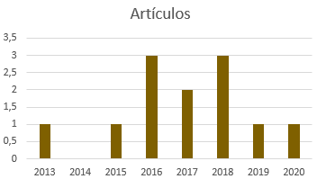
Articulos
Año | Cantidad
2013 | 1
2014 | 0
2015 | 1
2016 | 3
2017 | 2
2018 | 3
2019 | 1
2020 | 1
2021 | 1
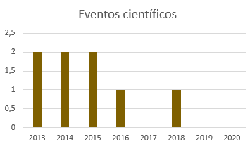
Eventos cientificos
Año | Cantidad
2013 | 2
2014 | 2
2015 | 2
2016 | 1
2017 | 0
2018 | 1
2019 | 0
2020 | 0
2021 | 1

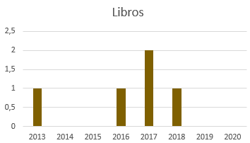
Libros
Año | Cantidad
2013 | 1
2014 | 0
2015 | 0
2016 | 1
2017 | 2
2018 | 1
2019 | 0
2020 | 0
2021 | 0

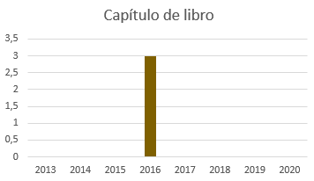
Capítulo de libro
Año | Cantidad
2013 | 0
2014 | 0
2015 | 0
2016 | 3
2017 | 0
2018 | 0
2019 | 0
2020 | 0
2021 | 0

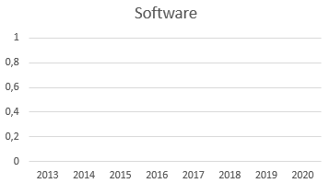
Software
Año | Cantidad
2013 | 0
2014 | 0
2015 | 0
2016 | 0
2017 | 0
2018 | 0
2019 | 0
2020 | 0
2021 | 0

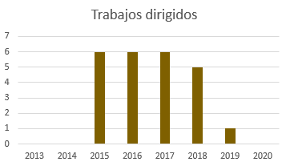
Trabajos dirigidos
Año | Cantidad
2013 | 0
2014 | 0
2015 | 6
2016 | 6
2017 | 6
2018 | 5
2019 | 1
2020 | 0
2021 | 0

GRÁFICAS GESDATOS
Gráficas GESDATOS
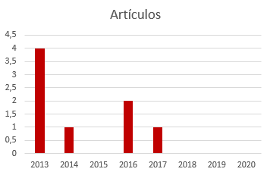
Articulos
Año | Cantidad
2013 | 4
2014 | 1
2015 | 0
2016 | 2
2017 | 1
2018 | 0
2019 | 0
2020 | 0

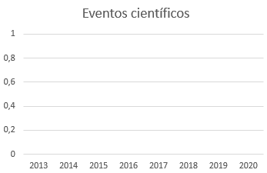

Eventos cientificos
Año | Cantidad
2013 | 0
2014 | 0
2015 | 0
2016 | 0
2017 | 0
2018 | 0
2019 | 0
2020 | 0

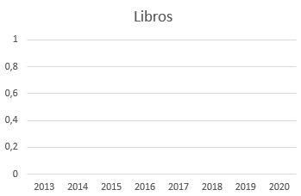
Libros
Año | Cantidad
2013 | 0
2014 | 0
2015 | 0
2016 | 0
2017 | 0
2018 | 0
2019 | 0
2020 | 0

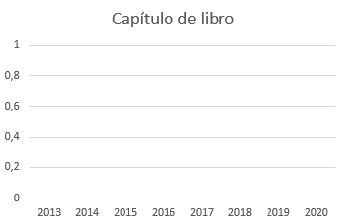
Capítulo de libro
Año | Cantidad
2013 | 0
2014 | 0
2015 | 0
2016 | 0
2017 | 0
2018 | 0
2019 | 0
2020 | 0

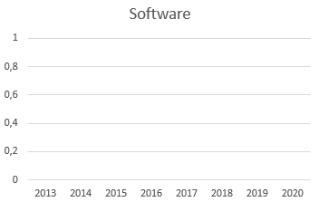
Software
Año | Cantidad
2013 | 0
2014 | 0
2015 | 0
2016 | 0
2017 | 0
2018 | 0
2019 | 0
2020 | 0

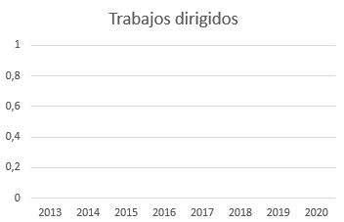
Trabajos dirigidos
Año | Cantidad
2013 | 0
2014 | 0
2015 | 0
2016 | 0
2017 | 0
2018 | 0
2019 | 0
2020 | 0

GRÁFICAS GESETIC
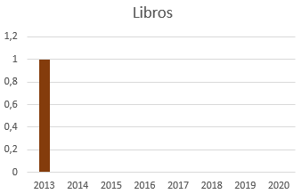
Gráficas GESETIC
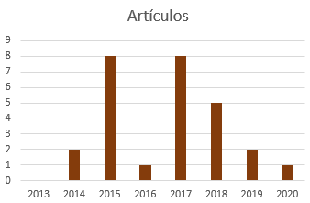
Artículos Actualizado
Articulos
Año | Cantidad
2013 | 0
2014 | 2
2015 | 8
2016 | 1
2017 | 8
2018 | 5
2019 | 4
2020 | 4
2021 | 1

Eventos científicos Actualizado
 |  | 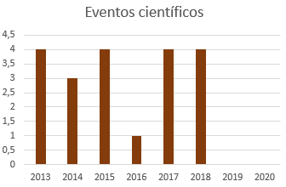
Eventos cientificos
Año | Cantidad
2013 | 4
2014 | 3
2015 | 4
2016 | 1
2017 | 4
2018 | 4
2019 | 0
2020 | 0
2021 | 2

Libros Actualizado
Libros
Año | Cantidad
2013 | 1
2014 | 0
2015 | 0
2016 | 0
2017 | 0
2018 | 0
2019 | 1
2020 | 1
2021 | 1

Capitulo de libro
 |  | 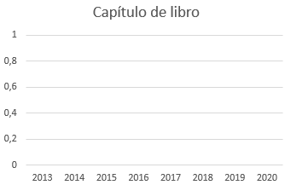
Capítulo de libro
Año | Cantidad
2013 | 0
2014 | 0
2015 | 0
2016 | 0
2017 | 0
2018 | 0
2019 | 0
2020 | 0
2021 | 0

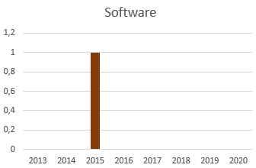
Software Actualizado
Software
Año | Cantidad
2013 | 0
2014 | 0
2015 | 1
2016 | 0
2017 | 0
2018 | 0
2019 | 0
2020 | 0
2021 | 0

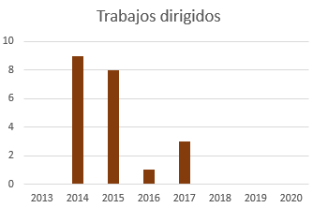
Trabajos dirigidos
Año | Cantidad
2013 | 0
2014 | 9
2015 | 8
2016 | 1
2017 | 3
2018 | 0
2019 | 0
2020 | 0

Trabajos Dirigidos Actualizado
Trabajos dirigidos(Atualizada)
Año | Cantidad
2013 | 10
2014 | 7
2015 | 8
2016 | 8
2017 | 3
2018 | 0
2019 | 0
2020 | 4
2021 | 0

GRÁFICAS GICOECOL
Gráficas GICOECOL
Artículos
Articulos
Año | Cantidad
2013 | 19
2014 | 21
2015 | 24
2016 | 26
2017 | 32
2018 | 35
2019 | 31
2020 | 20
2021 | 5

Eventos
Eventos cientificos
Año | Cantidad
2013 | 6
2014 | 8
2015 | 0
2016 | 0
2017 | 1
2018 | 2
2019 | 0
2020 | 0
2021 | 0

Libros
Libros
Año | Cantidad
2013 | 9
2014 | 8
2015 | 0
2016 | 2
2017 | 0
2018 | 1
2019 | 3
2020 | 0
2021 | 0

Capitulo de libro
Capítulo de libro
Año | Cantidad
2013 | 4
2014 | 1
2015 | 0
2016 | 2
2017 | 0
2018 | 0
2019 | 0
2020 | 0
2021 | 0

Software
Software
Año | Cantidad
2013 | 1
2014 | 0
2015 | 0
2016 | 0
2017 | 0
2018 | 0
2019 | 0
2020 | 0
2021 | 0

Trabajos Dirigidos
Trabajos dirigidos
Año | Cantidad
2013 | 5
2014 | 7
2015 | 15
2016 | 19
2017 | 26
2018 | 28
2019 | 2
2020 | 0
2021 | 11

GRÁFICAS GISE3
Cantidad frente a Año
Gráficas GISE3

Articulos
Año | Cantidad
2013 | 0
2014 | 0
2015 | 0
2016 | 0
2017 | 0
2018 | 0
2019 | 1
2020 | 3
2021 | 2

Cantidad frente a Año
Eventos cientificos
Año | Cantidad
2013 | 0
2014 | 0
2015 | 0
2016 | 0
2017 | 0
2018 | 0
2019 | 5
2020 | 0
2021 | 0

Cantidad frente a Año
Libros
Año | Cantidad
2013 | 0
2014 | 0
2015 | 0
2016 | 0
2017 | 0
2018 | 0
2019 | 1
2020 | 0
2021 | 0

Cantidad frente a Año
Capítulo de libro
Año | Cantidad
2013 | 0
2014 | 0
2015 | 0
2016 | 0
2017 | 0
2018 | 0
2019 | 0
2020 | 0
2021 | 0

Cantidad frente a Año
Software
Año | Cantidad
2013 | 0
2014 | 0
2015 | 0
2016 | 0
2017 | 0
2018 | 0
2019 | 0
2020 | 1
2021 | 0

Cantidad frente a Año
Trabajos dirigidos
Año | Cantidad
2013 | 0
2014 | 0
2015 | 0
2016 | 0
2017 | 0
2018 | 0
2019 | 1
2020 | 1
2021 | 0

GRAFICAS GRUPO NIDE
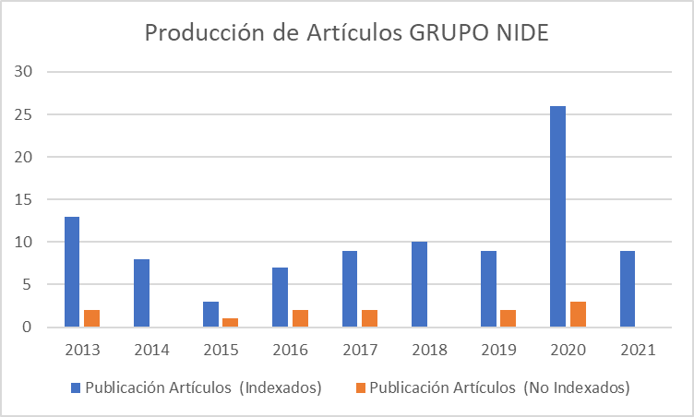
ArtÍculos GRUPO NIDE
Año | Publicación Artículos (Indexados) | Publicación Artículos (No Indexados) | Total
2013 | 13 | 2 | 15
2014 | 8 | 0 | 8
2015 | 3 | 1 | 4
2016 | 7 | 2 | 9
2017 | 9 | 2 | 11
2018 | 10 | 0 | 10
2019 | 9 | 2 | 11
2020 | 26 | 3 | 29
2021 | 9 | 0 | 9

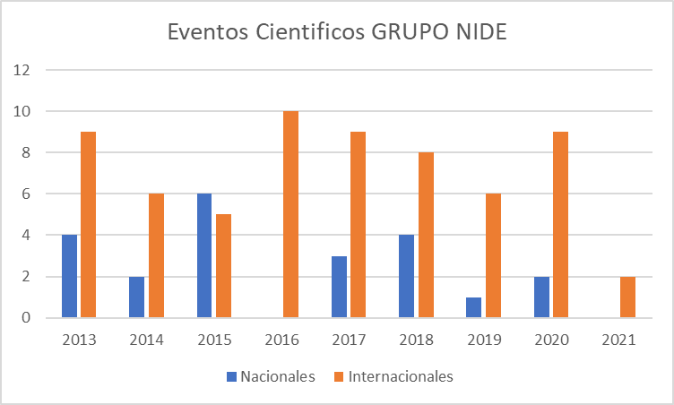
Eventos Cientificos GRUPO NIDE
Año | Nacionales | Internacionales | Total
2013 | 4 | 9 | 13
2014 | 2 | 6 | 8
2015 | 6 | 5 | 11
2016 | 0 | 10 | 10
2017 | 3 | 9 | 12
2018 | 4 | 8 | 12
2019 | 1 | 6 | 7
2020 | 2 | 9 | 11
2021 | 0 | 2 | 2

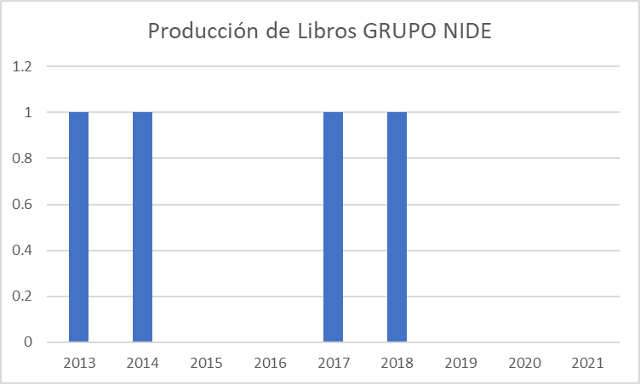
Libros GRUPO NIDE
Año | Cantidad de Libros
2013 | 1
2014 | 1
2015 | 0
2016 | 0
2017 | 1
2018 | 1
2019 | 0
2020 | 0
2021 | 0

Total | 4

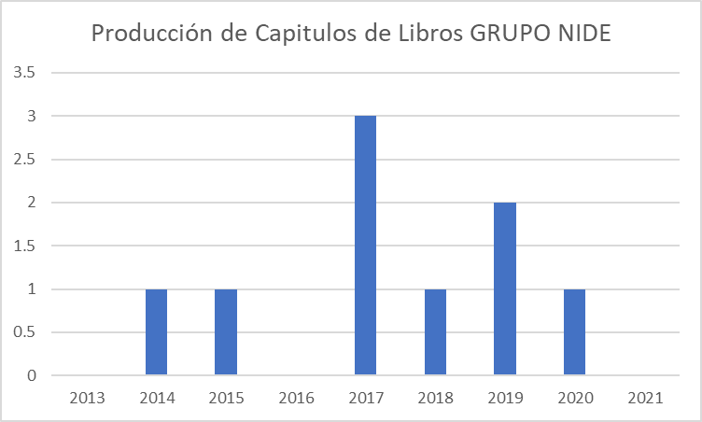
Capitulos de Libros GRUPO NIDE
Año | Capitulos de Libros
2013 | 0
2014 | 1
2015 | 1
2016 | 0
2017 | 3
2018 | 1
2019 | 2
2020 | 1
2021 | 0

Total | 9

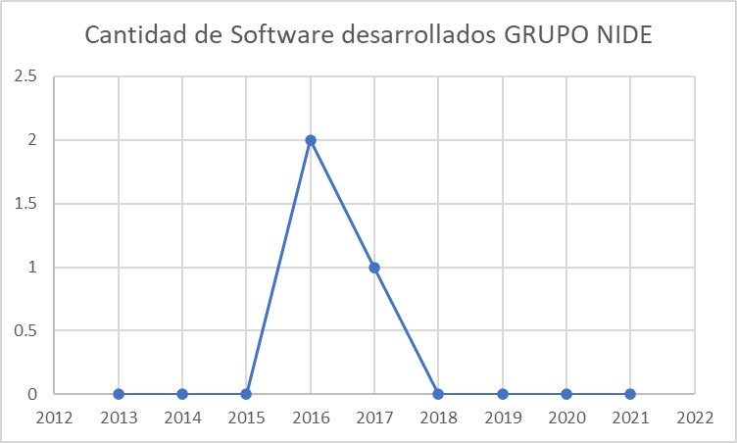
Software GRUPO NIDE
Año | Cantidad de Software desarrollados
2013 | 0
2014 | 0
2015 | 0
2016 | 2
2017 | 1
2018 | 0
2019 | 0
2020 | 0
2021 | 0

Total | 3

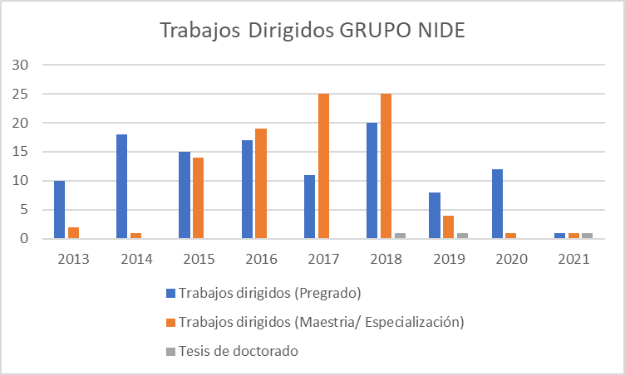
Trabajos Dirigidos GRUPO NIDE (Se tuvo en cuenta el año de finalización del Proyecto)
Año | Trabajos dirigidos (Pregrado) | Trabajos dirigidos (Maestría/ Especialización) | Tesis de doctorado | Total de Trabajos dirigidos
2013 | 10 | 2 | 0 | 12
2014 | 18 | 1 | 0 | 19
2015 | 15 | 14 | 0 | 29
2016 | 17 | 19 | 0 | 36
2017 | 11 | 25 | 0 | 36
2018 | 20 | 25 | 1 | 46
2019 | 8 | 4 | 1 | 13
2020 | 12 | 1 | 0 | 13
2021 | 1 | 1 | 1 | 3

 |  |  | Total | 207

