Sheet1
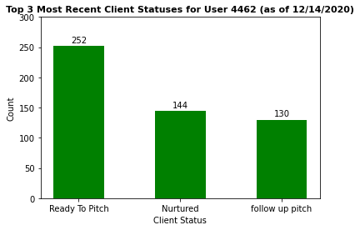
change_date | new_value | count
2020-12-11 | Ready To Pitch | 252
2020-12-11 | Nurtured | 144
2020-12-11 | follow up pitch | 130

