Sheet1
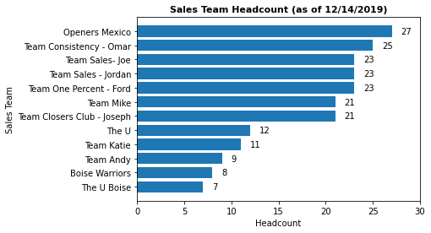
index | Sales Team | Headcount
11 | The U Boise | 7
10 | Boise Warriors | 8
9 | Team Andy | 9
8 | Team Katie | 11
7 | The U | 12
5 | Team Closers Club - Joseph | 21
6 | Team Mike | 21
2 | Team One Percent - Ford | 23
3 | Team Sales - Jordan | 23
4 | Team Sales- Joe | 23
1 | Team Consistency - Omar | 25
0 | Openers Mexico | 27

