Steel Pole
Governing ASD axial compression demand | Pa | 560 | lb |  |  |  |  |  |  |  |  |  | 18
Governing ASD flexural demand at base | Mbase | 12,626 | ft-lb
 |  | 151,514 | in-lb
Governing ASD shear demand at base |  | 778 | lb
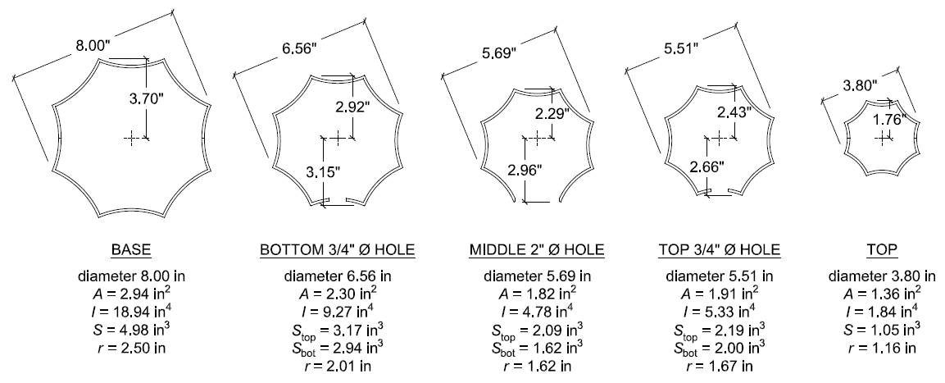
 | CA_SJ_SANJOSE_DTSOUTH_036 |  |  |  | OCTAFLUTE |  |  |  |  |  |  |  |  | OCTAGONAL ANALOG
 |  |  |  |  |  |  |  |  | BASE
 |  |  |  |  |  |  |  |  | ---------------- REGIONS ---------------- |  |  |  |  |  |  |  |  | BASE
 |  |  |  |  | Area: | AB | 2.94 | in2 | Area |  | 1.4687 |  |  |  |  |  |  | ---------------- REGIONS ----------------
 |  |  |  |  | Moment of Inertia: | IB | 18.39 | in4 | Perimeter |  | 24.8038 |  |  | Area: | AB | 2.88 | in2 | Area: |  | 1.4409
 |  |  |  |  | depth to centroid | cB | 3.70 | in | Bounding box | X | -3.6955 | 3.6955 |  | Moment of Inertia: | IB | 20.14 | in4 | Perimeter: |  | 24.3346
 |  |  |  |  | elastic section modulus: | SB | 4.98 | in3 |  | Y | 0 | 3.6955 |  | depth to centroid | cB | 3.70 | in | Bounding box: | X: | -3.6955 | 3.6955
 |  |  |  |  | plastic section modulus: | ZB | 6.63 | in3 | Centroid | X | 0 |  |  | elastic section modulus: | SB | 5.45 | in3 |  | Y: | 0 | 3.6955
 |  |  |  |  | radius of gyration | rB | 2.50 | in |  | Y | 2.2585 |  |  | plastic section modulus: | ZB | 6.87 | in3 | Centroid: | X: | 0
 |  |  |  |  |  |  |  |  | Moments of inertia | X | 9.1956 |  |  | radius of gyration | rB | 2.64 | in |  | Y: | 2.3828
 |  |  |  |  | allowable moment | Ma,B | 175,178 | in-lb |  | Y | 9.1956 |  |  |  |  |  |  | Moments of inertia: | X: | 10.0706
 |  |  |  |  |  |  | 14,598 | ft-lb | Product of inertia | XY | 0 |  |  | allowable moment | Ma,B | 191,847 | in-lb |  | Y: | 10.0706
Governing ASD axial compression demand | Pa | 560 | lb |  | applied moment | MB | 151,514,488 | in-lb | Radii of gyration | X | 2.5022 |  |  |  |  | 15,987 | ft-lb | Product of inertia: | XY: | 0
Governing ASD flexural demand at base | Mbase | 12,626 | ft-lb |  |  |  | 12,626,207 | ft-lb |  | Y | 2.5022 |  |  | applied moment | MB | 151,514,488 | in-lb | Radii of gyration: | X: | 2.6437

 |  | 151,514 | in-lb |  |  |  |  |  | Principal moments and X-Y directions about centroid |  |  |  |  |  |  | 12,626,207 | ft-lb |  | Y: | 2.6437
Governing ASD shear demand at base | Vbase | 778 | lb |  | effective yield stress | F'y | 55,000 | psi |  | I | 1.7042 along [1.0000 0.0000] |  |  |  |  |  |  | Principal moments and X Y directions about centroid:
 |  |  |  |  | nominal moment capacity | Mn | 273,716 | in-lb |  | J | 9.1956 along [0.0000 1.0000] |  |  | effective yield stress | F'y | 55,000 | psi |  | I: | 1.8895 | along | [1.0000 | 0.0000]
 |  |  |  |  |  |  | 22,810 | ft-lb |  |  |  |  |  | nominal moment capacity | Mn | 299,761 | in-lb |  | J: | 10.0706 | along | [0.0000 | 1.0000]
 |  |  |  |  | moment resistance factor | φf | 0.9 | - |  |  |  |  |  |  |  | 24,980 | ft-lb
Steel modulus of elasticity | Es | 29,000,000 | psi |  | design moment capacity | φfMn | 246,344 | in-lb |  |  |  |  |  | moment resistance factor | φf | 0.9 | -
New pole steel yield strength | Fy,pole | 55,000 |  | ASTM A595, Grade 55 |  |  | 20,529 | ft-lb |  |  |  |  |  | design moment capacity | φMn | 269,785 | in-lb
Pole wall thickness | tpole | 0.1196 | in |  |  |  |  |  |  |  |  |  |  |  |  | 22,482 | ft-lb | TOP
Overall pole length | Lpole | 30.00 | ft |  |  |  |  |  | with 2" bottom hole |  |  |  |  |  |  |  |  | ---------------- REGIONS ----------------
 |  | 360.00 | in |  |  |  |  |  | ---------------- REGIONS ---------------- |  |  |  |  |  |  |  |  | Area: |  | 0.672
Diameter at base | dB | 8.0 | in |  | Area: | Abh | 2.30 | in2 | Area: |  | 2.3009 |  |  |  |  |  |  | Perimeter: |  | 11.4765
Area at base | AB | 2.94 | in2 |  | Moment of Inertia: | Ibh | 9.27 | in4 | Perimeter: |  | 38.7283 |  |  |  |  |  |  | Bounding box: | X: | -1.7554 | 1.7554
Moment of inertia at base | IB | 18.39 | in4 |  | top fiber to centroid | cbh | 2.92 | in | Bounding box: | X: | -3.0324 | 3.0324 |  |  |  |  |  |  | Y: | 0 | 1.7554
Elastic section modulus at base | SB | 4.98 | in3 |  | bottom fiber to centroid | cbh | 3.15 | in |  | Y: | -3.148 | 2.9168 |  |  |  |  |  | Centroid: | X: | 0
Radius of gyration at base | rB = (IB/AB)1/2 | 2.50 | in |  | top section modulus: | Sbh,top | 3.17 | in3 | Centroid: | X: | 0 |  |  |  |  |  |  |  | Y: | 1.1116
Diameter at top | dT | 3.8 | in |  | bottom section modulus: | Sbh,bot | 2.94 | in3 |  | Y: | 0 |  |  |  |  |  |  | Moments of inertia: | X: | 1.0225
Area at top | AT | 1.82 | in2 |  | radius of gyration | rbh | 2.01 | in | Moments of inertia: | X: | 9.2707 |  |  |  |  |  |  |  | Y: | 1.0225
Moment of inertia at top | IT | 1.84 | in4 |  |  |  |  |  |  | Y: | 10.0228 |  |  |  |  |  |  | Product of inertia: | XY: | 0
Slenderness factor | k | 2.1 | - |  |  |  |  |  | Product of inertia: | XY: | 0 |  |  |  |  |  |  | Radii of gyration: | X: | 1.2335
Slenderness ratio at base | kLpole/rB | 302 | - |  |  |  |  |  | Radii of gyration: | X: | 2.0073 |  |  |  |  |  |  |  | Y: | 1.2335
Amplification Limit | (2π2E/Fy)1/2 | 102.02 | - |  |  |  |  |  |  | Y: | 2.0871 |  |  |  |  |  |  | Principal moments and X Y directions about centroid:
Vertical concentrated load at top of pole | PT | 37 | lb |  |  |  |  |  |  |  |  |  |  |  |  |  |  |  | I: | 0.1921 | along | [1.0000 | 0.0000]
$$C_{A}=1−\left[\frac{\sqrt[3]{\frac{I_{B}}{I_{T}}}P_{T}+0.38D_{P}}{\frac{2.46EI_{B}}{L^{2}}}\right]≤1.0$$
Pole dead load | DP | 549 | lb |  |  |  |  |  | with 2" middle hole |  |  |  |  |  |  |  |  |  | J: | 1.0225 | along | [0.0000 | 1.0000]
Coefficient for amplification |  | 0.97 | - | LTS-6, Sec. 4.8.1 |  |  |  |  | ---------------- | REGIONS | ----------------
 |  |  |  |  | Area: | Amh | 1.82 | in2 | Area: |  | 1.8178
 |  |  |  |  | Moment of Inertia: | Imh | 4.78 | in4 | Perimeter: |  | 30.681
 |  |  |  |  | top fiber to centroid | cmh | 2.29 | in | Bounding box: | X: | -2.6286 | 2.6286
effective pole flat section width at base | bB | 2.73 | in |  | bottom fiber to centroid | cmh | 2.96 | in |  | Y: | -2.9638 | 2.2934
Width-thickness ratio at base | λB= b/t | 23 | - |  | top section modulus: | Smh,top | 2.09 | in3 | Centroid: | X: | 0
compact limit for octagonal tube | λp = 1.12(E/Fy)1/2 | 26 | - | LTS-6, Table 5.5.2-1 | bottom section modulus: | Smh,bot | 1.62 | in3 |  | Y: | 0
Noncompact limit | λr = 1.53(E/Fy)1/2 | 35 | - | LTS-6, Table 5.5.2-1 | radius of gyration | rmh | 1.62 | in | Moments of inertia: | X: | 4.7805
Width-thickness limit | λrmax = 2.14(E/Fy)1/2 | 49 | - | LTS-6, Table 5.5.2-1 |  |  |  |  |  | Y: | 6.3669
 |  |  |  |  |  |  |  |  | Product of inertia: | XY: | 0
 |  |  |  |  |  |  |  |  | Radii of gyration: | X: | 1.6217
 |  |  |  |  |  |  |  |  |  | Y: | 1.8715

 |  |  |  |  |  |  |  |  | with 2" top hole
Check combined stress at base: |  |  |  |  |  |  |  |  | ---------------- REGIONS ----------------
Allowable bending stress | Fb = (0.64Fy)*1.33 | 46,933 | psi | LTS-6, Section 5.12 with 33% stress increase for wind loading | Area: | Ath | 1.91 | in2 | Area: |  | 1.9067
Allowable shear stress | Fv = (0.33Fy)*1.33 | 24,200 | psi | LTS-6, Section 5.12 with 33% stress increase for wind loading | Moment of Inertia: | Ith | 5.33 | in4 | Perimeter: |  | 32.1384
Allowable compressive stress | Fa = (0.6Fy)*1.33 | 44,000 | psi | LTS-6, Section 5.12 with 33% stress increase for wind loading | top fiber to centroid | cth | 2.43 | in | Bounding box: | X: | -2.5476 | 2.5476
 |  |  |  |  | bottom fiber to centroid | cth | 2.66 | in |  | Y: | -2.6646 | 2.4306
Applied compressive stress | fa = PT/AB | 191 | psi |  | top section modulus: | Sth,top | 2.19 | in3 | Centroid: | X: | 0
applied bending stress | fb = MB/SB | 30,445 | psi |  | bottom section modulus: | Sth,bot | 2.00 | in3 |  | Y: | 0
Applied shear stress | fv = 2VB/AB | 530 | psi | hollow octagonal section | radius of gyration | rth | 1.67 | in | Moments of inertia: | X: | 5.3268
$$\frac{f_{a}}{0.6F_{y}}+\frac{f_{b}}{C_{A}F_{b}}+{\left(\frac{f_{v}}{F_{v}}\right)}^{2}≤1.0$$
Combined stress ratio |  | 0.67 | - | LTS-6, Eq. 5.12.1-1 |  |  |  |  |  | Y: | 5.858
 |  |  |  |  |  |  |  |  | Product of inertia: | XY: | 0
 |  |  |  |  |  |  |  |  | Radii of gyration: | X: | 1.6714
 |  |  |  |  |  |  |  |  |  | Y: | 1.7528
Check combined stress at disconnect 0.75" port hole:
Diameter at disconnect hole | dbh | 6.74 | in |  |  |  |  |  | TOP
Area at base at disconnect hole | Abh | 2.30 | in2 |  |  |  |  |  | ---------------- REGIONS ----------------
Moment of inertia at disconnect hole | Ibh | 4.78 | in4 |  | Area: | AT | 1.36 | in2 | Area |  | 0.6802
Elastic section modulus at disconnect hole | Sbh | 2.94 | in3 |  | Moment of Inertia: | IT | 1.84 | in4 | Perimeter |  | 11.6225
Radius of gyration at disconnect hole | rbh = (Ibh/Abh)1/2 | 1.44 | in |  | depth to centroid | cT | 1.76 | in | Bounding box | X | -1.7554 | 1.7554
 |  |  |  |  | elastic section modulus: | ST | 1.05 | in3 |  | Y | 0 | 1.7554
Allowable bending stress | Fb = (0.64Fy)*1.33 | 46,933 | psi | LTS-6, Section 5.12 with 33% stress increase for wind loading | plastic section modulus: | ZT | 2.86 | in3 | Centroid | X | 0
Allowable shear stress | Fv = (0.33Fy)*1.33 | 24,200 | psi | LTS-6, Section 5.12 with 33% stress increase for wind loading
Allowable compressive stress | Fa = (0.6Fy)*1.33 | 44,000 | psi | LTS-6, Section 5.12 with 33% stress increase for wind loading | radius of gyration | rT | 1.16 | in |  | Y | 1.0505
 |  |  |  |  |  |  |  |  | Moments of inertia | X | 0.9219
Applied compressive stress | fa = PT/Abh | 243 | psi |  |  |  |  |  |  | Y | 0.9219
Applied bending stress | fb = Mbh/Sbh | 31,007 | psi |  |  |  |  |  | Product of inertia | XY | 0
$$\frac{f_{a}}{0.6F_{y}}+\frac{f_{b}}{C_{A}F_{b}}+{\left(\frac{f_{v}}{F_{v}}\right)}^{2}≤1.0$$
Applied shear stress | fv = 2Vbh/Abh | 641 | psi | hollow octagonal section |  |  |  |  | Radii of gyration | X | 1.1642
Combined stress ratio |  | 0.69 | - | LTS-6, Eq. 5.12.1-1 |  |  |  |  |  | Y | 1.1642

Check combined stress at smart meter 0.75" port hole:
Diameter at middle hole | dmh | 6.00 | in
Area at base at middle hole | Amh | 1.82 | in2
Moment of inertia at middle hole | Imh | 4.78 | in4
Elastic section modulus at top hole | Smh | 1.62 | in3
Radius of gyration at top hole | rmh = (Imh/Amh)1/2 | 1.62 | in

Allowable bending stress | Fb = (0.64Fy)*1.33 | 46,933 | psi | LTS-6, Section 5.12 with 33% stress increase for wind loading
Allowable shear stress | Fv = (0.33Fy)*1.33 | 24,200 | psi | LTS-6, Section 5.12 with 33% stress increase for wind loading
Allowable compressive stress | Fa = (0.6Fy)*1.33 | 44,000 | psi | LTS-6, Section 5.12 with 33% stress increase for wind loading

$$\frac{f_{a}}{0.6F_{y}}+\frac{f_{b}}{C_{A}F_{b}}+{\left(\frac{f_{v}}{F_{v}}\right)}^{2}≤1.0$$
Applied compressive stress | fa = PT/Amh | 308 | psi
applied bending stress | fb = Mmh/Smh | 54,596 | psi
Applied shear stress | fv = 2Vmh/Amh | 355 | psi | hollow octagonal section
Combined stress ratio |  | 1.20 | - | LTS-6, Eq. 5.12.1-1

Check combined stress at antenna 1" port hole:
Diameter at top hole | dth | 5.62 | in
Area at base at top hole | Ath | 1.91 | in2
Moment of inertia at top hole | Ith | 5.33 | in4
Elastic section modulus at top hole | Sth | 2.00 | in3
Radius of gyration at top hole | rth = (Ith/Ath)1/2 | 1.67 | in

Allowable bending stress | Fb = (0.64Fy)*1.33 | 46,933 | psi | LTS-6, Section 5.12 with 33% stress increase for wind loading
Allowable shear stress | Fv = (0.33Fy)*1.33 | 24,200 | psi | LTS-6, Section 5.12 with 33% stress increase for wind loading
Allowable compressive stress | Fa = (0.6Fy)*1.33 | 44,000 | psi | LTS-6, Section 5.12 with 33% stress increase for wind loading

$$\frac{f_{a}}{0.6F_{y}}+\frac{f_{b}}{C_{A}F_{b}}+{\left(\frac{f_{v}}{F_{v}}\right)}^{2}≤1.0$$
Applied compressive stress | fa = PT/Ath | 294 | psi
applied bending stress | fb = Mth/Sth | 11,614 | psi
Applied shear stress | fv = 2Vth/Ath | 239 | psi | hollow octagonal section
Combined stress ratio |  | 0.26 | - | LTS-6, Eq. 5.12.1-1

Constrained Foundation
Governing ASD axial compression demand | Pa | 560 | lb
Governing ASD flexural demand at base | Mbase | 12,626 | ft-lb
 |  | 151,514 | in-lb
Governing ASD shear demand at base |  | 778 | lb

Reinforced concrete density | wc | 150 | pcf

Required Embedment Depth
Pole Soil Restraining condition |  | restrained
Governing flexural demand at base | Mg | 12,626 | ft-lb | CBC 2016 Sec. 1807.3.2.2, Constrained foundation
Allowable lateral bearing pressure | LBPallow | 200 | psf/ft | CBC 2016 Table 1806.2
existing pile diameter | bpile | 2.00 | ft | City of San Jose Detail E-18
existing pile depth | dpile | 7.00 | ft | City of San Jose Detail E-18
Allowable lateral bearing pressure at full embed depth | S3 = (LBPallowdpile) | 1,000 | psf
Required embedment depth | dreq = (4.25Mg/(S3b))1/2 | 5.18 | ft | CBC 2016 Sec. 1807.3.2.2, Eq. 18-3
 |  | 7'-0 OK

Ground Bearing Pressure Check
ASD vertical demand | Pu | 560 | lb | Force Totals Table
Pile embedment depth | dembed | 7.00 | ft
Total pile weight | Wpile = wcApiledembed | 3,299 | lb
Allowable ground bearing pressure | GBPallow | 1,500 | psf | CBC 2016, Table 1806.2
Applied ground bearing pressure | GBPu = (Pu + Wpile)/Apile | 1,228 | psf
Demand Capacity Ratio | D/C = GBPu/GBPallow | 0.82 | < 1, OK

 | Section dimensions
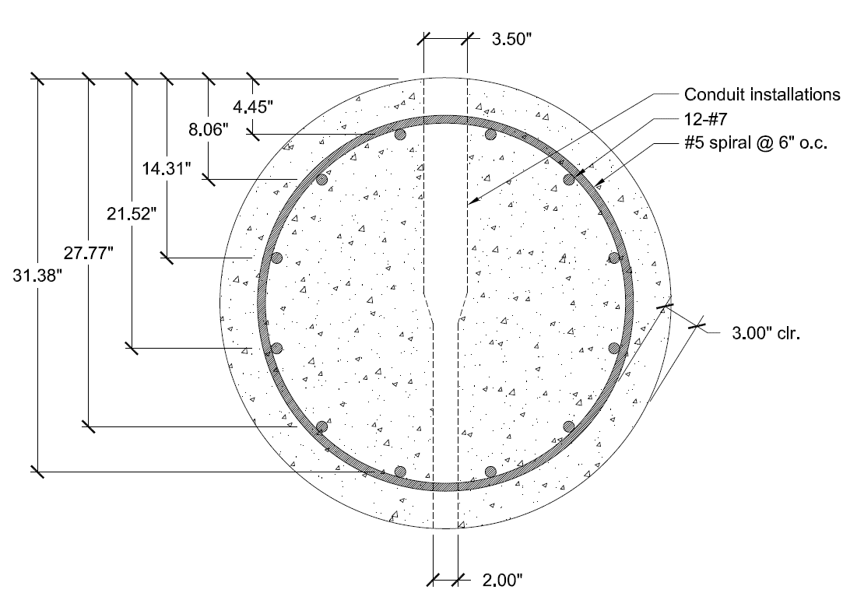

 | 36" pile bar layers | 4.4521 | in
 | (from extreme comp. fiber) | 8.0594 | in
 |  | 14.3074 | in
 |  | 21.522 | in
 |  | 27.77 | in
 |  | 31.3773 | in

3'-0" pile diameter | dia.3 | 3.00 | ft
 |  | 36 | in
Number of long. reinforcing bars | n3 | 12 |  | CalTrans RSP ES-7N
3'-0" dia. pile rebar size | #3 | 7 |  | CalTrans RSP ES-7N
 |  | 0.875 | in
Single long. bar area | A#7 | 0.60 | in2
Long. bar-to-bar distance |  | 27.875 | in
 |  | 0.774
Spiral wire size | #sp,3 | 5 |  | CalTrans RSP ES-7N
 |  | 0.625 | in
Spiral wire spacing | ssp3 | 6 | in | CalTrans RSP ES-7N
Spiral wire area | Asp,3 | 0.31 | in2
 | ssp,req | 3.19
Concrete core diameter | Dc,3 | 30 | in
Concrete core area | Acore,3 | 623.93 | in2
Spiral reinforcement ratio | ρs,3 | 0.01 | in2
Gross pile concrete area | Ag,3 | 918.43 | in2
Longitudinal reinforcing steel area | Ast,3 | 7.22 | in2
Gross reinforcement ratio | ρg,3 | 0.01 |  | ACI 318 Sec. 10.9.1
 | e/h3 | #REF!
min. required flexural reinforcement ratio | As,min = max(3f'c1/2bwd/fy,200bwd/fy) | 3.23 | OK | ACI 318 Eq. 10-3
Nominal max. axial load capacity | Po,3 = 0.85f'c(Ag - Ast) + Astfy | 2,375 | kip | ACI 318 Eq. 10-1
Design max. axial load capacity | φc,sαcolPo,3 | 1,235 | kip | ACI 318 Eq. 10-2
Nominal pure tension capacity | Tn | 433 | kip

 | Balanced Strain Section Diagram
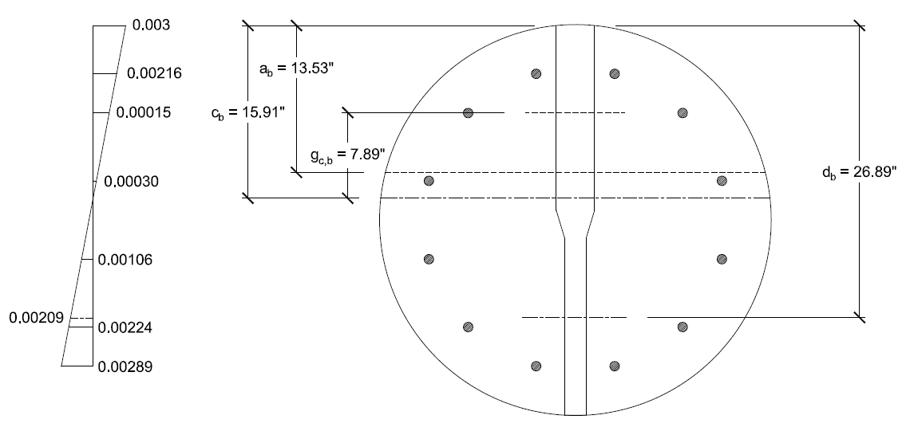

 | Area section properties
 | ---------------- REGION 1 ----------------
 | Area: 305.1090 | 305.109 | in2
 | Perimeter: 75.6001 | 75.6001 | in
 | Centroid: X: 0.0000 | 0 | in
 | Y: 5.4988 | 5.4988 | in
 | Moments of inertia: X: 12978.2647 |  | in4
 | Y: 16974.7673 |  | in4
 | Product of inertia: XY: 0.0000
 | Radii of gyration: X: 6.5220
 | Y: 7.4589
 | Principal moments and X-Y directions about centroid:
 | I: 3752.7614 along [1.0000 0.0000]
 | J: 16974.7673 along [0.0000 1.0000]

Interaction Diagram Construction
Balanced Strain Condition
Extreme comp. fiber to tensile steel centroid | db | 26.89 | in
Extreme comp. fiber to neutral axis | cb | 15.91 | in
Depth to bottom of unif. conc. stress block b | ab = β1c | 13.53 | in
Area of stress block b | Ablock,b | 305.11 | in2
Stress block b compressive force | Ccb = 0.85f'cAblock | 929 | kip
N.A. to centroid of stress block b | gc,b | 7.89 | in
Primary top layer rebar compressive strain b | ε's,top,prim,b | 0.00216 | -
Primary top layer rebar compressive stress b | f's,top,prim,b = Esε's | 60.00 | ksi
Primary top layer rebar compressive force b | Cs,top,prim,b = f'sA's | 53 | kip
N.A. to centroid of primary top layer rebar | gs,top,prim,b | 11.46 | in
Secondary top layer rebar compressive strain b | ε's,top,sec,b | 0.00148 | -
Secondary top layer rebar compressive stress b | f's,top,sec,b | 42.94 | ksi
Secondary top layer rebar compressive force b | Cs,top,sec,b | 38 | kip
N.A. to centroid of secondary top layer rebar | gs,top,sec,b | 7.85 | in
Top center layer rebar tensile strain b | ε's,top,cent,b | 0.00030 | -
Top center layer rebar tensile stress b | f's,top,cent,b | 8.78 | ksi
Top center layer rebar tensile force b | Cs,top,cent,b | 8 | kip
N.A. to centroid of top center layer rebar | gs,top,cent,b | 1.61 | in
Bottom center layer rebar tensile strain b | εs,bot,cent,b | -0.00106 | -
Bottom center layer rebar tensile stress b | fs,bot,cent,b = Esεs | -30.66 | ksi
Bottom center layer rebar tensile force b | Ts,bot,cent,b = fsAs | -27 | kip
N.A. to centroid of bottom center layer rebar | gs,bot,cent,b | -5.61 | in
Secondary bottom layer rebar tensile strain b | εs,bot,sec,b | -0.00223 | -
Secondary bottom layer rebar tensile stress b | fs,bot,sec,b | -60.00 | ksi
Secondary bottom layer rebar tensile force b | Ts,bot,sec,b | -53 | kip
N.A. to centroid of secondary bottom layer rebar | gs,bot,sec,b | -11.86 | in
Bottom primary layer rebar tensile force b | εs,bot,prim,b | -0.00291 | -
N.A. to centroid of bottom primary layer rebar | fs,bot,prim,b | -60.00 | ksi
Bottom primary layer rebar tensile force b | Ts,bot,prim,b | -53 | kip
N.A. to centroid of bottom primary layer rebar | gs,bot,prim,b | -15.46 | in
net compressive capacity b | Pn = ∑Ci + ∑Ti | 895 | kip
net moment capacity b | Mn = ∑Ci*gi + ∑Ti*gi | 9,025 | kip-in
 |  | 752 | kip-ft

 | Zero Net Axial Load Strain Section Diagram
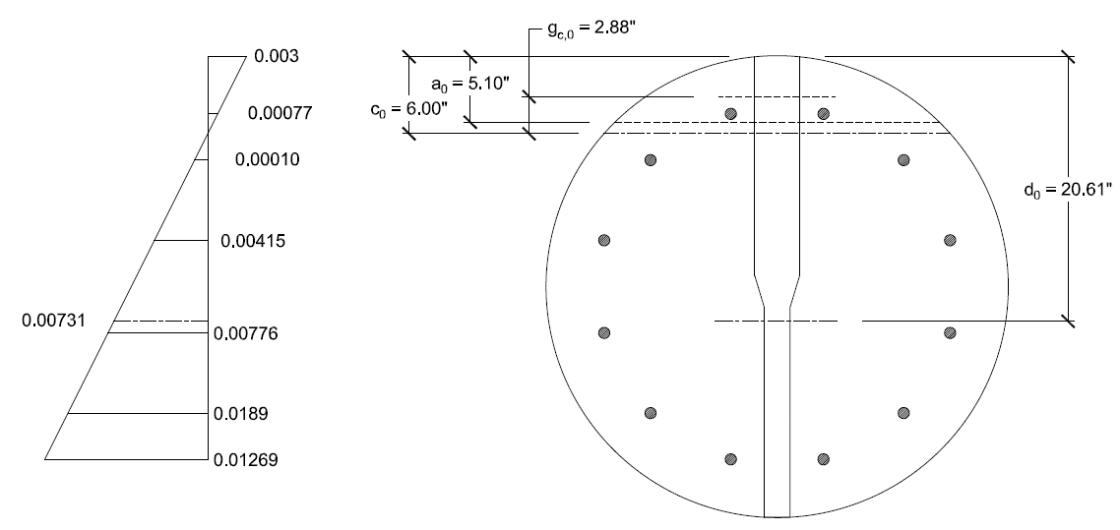

 | Area section properties
 | ---------------- REGION 2 ----------------
 | Area: 72.2178 | 72.2178 | in2
 | Perimeter: 46.3035 | 46.3035 | in
 | Centroid: X: 0.0000 | 0 | in
 | Y: 1.9830 | 1.983 | in
 | Moments of inertia: X: 406.3334 |  | in4
 | Y: 1724.5998 |  | in4
 | Product of inertia: XY: 0.0000
 | Radii of gyration: X: 2.3720
 | Y: 4.8868
 | Principal moments and X-Y directions about centroid:
 | I: 122.3573 along [1.0000 0.0000]
 | J: 1724.5998 along [0.0000 1.0000]

Pure Flexure Condition
Extreme comp. fiber to tensile steel centroid | d0 | 20.61 | in
Extreme comp. fiber to neutral axis | c0 | 6.00 | in
Depth to bottom of unif. conc. stress block 0 | a0 = β1c | 5.10 | in
Area of stress block 0 | Ablock,0 | 72.22 | in2
Stress block 0 compressive force | Cc,0 = 0.85f'cAblock | 219 | kip
N.A. to centroid of stress block 0 | gc,0 | 2.88 | in
Primary top layer rebar compressive strain 0 | ε's,top,prim,0 | 0.00077 | -
Primary top layer rebar compressive stress 0 | f's,top,prim,0 = Esε's | 22.44 | ksi
Primary top layer rebar compressive force 0 | Cs,top,prim,0 = f'sA's | 20 | kip
N.A. to centroid of primary top layer rebar | gs,top,prim,0 | 1.55 | in
Secondary top layer rebar compressive strain 0 | εs,top,sec,0 | -0.00103 | -
Secondary top layer rebar compressive stress 0 | fs,top,sec,0 = Esεs | -29.86 | ksi
Secondary top layer rebar compressive force 0 | Ts,top,sec,0 = fsAs | -26 | kip
N.A. to centroid of secondary top layer rebar | gs,top,sec,0 | -2.06 | in
Center layer rebar tensile strain 0 | εs,top,cent,0 | -0.00415 | -
Center layer rebar tensile stress 0 | fs,top,cent,0 | -60.00 | ksi
Center layer rebar tensile force 0 | Ts,top,cent,0 | -53 | kip
N.A. to centroid of center layer rebar | gs,top,cent,0 | -8.31 | in
Bottom center layer rebar tensile strain b | εs,bot,cent,0 | -0.00776 | -
Bottom center layer rebar tensile stress b | fs,bot,cent,0 | -60.00 | ksi
Bottom center layer rebar tensile force b | Ts,bot,cent,0 | -53 | kip
N.A. to centroid of bottom center layer rebar | gs,bot,cent,0 | -15.52 | in
Secondary bottom layer rebar tensile strain 0 | εs,bot,sec,0 | -0.01089 | -
Secondary bottom layer rebar tensile stress 0 | fs,bot,sec,0 | -60.00 | ksi
Secondary bottom layer rebar tensile force 0 | Ts,bot,sec,0 | -53 | kip
N.A. to centroid of secondary bottom layer rebar | gs,bot,sec,0 | -21.77 | in
Bottom primary layer rebar tensile force 0 | εs,bot,prim,0 | -0.01269 | -
N.A. to centroid of bottom primary layer rebar | fs,bot,prim,0 | -60.00 | ksi
Bottom primary layer rebar tensile force 0 | Ts,bot,prim,0 | -53 | kip
N.A. to centroid of bottom primary layer rebar | gs,bot,prim,0 | -25.38 | in
net compressive capacity 0 | Pn = ∑Ci + ∑Ti | 0 | kip
net moment capacity 0 | Mn = ∑Ci*gi + ∑Ti*gi | 4,479 | kip-in
 |  | 373 | kip-ft

 | Mn | Pn | φMn | φPn | αφPn
 | kip-in | kip | kip-in | kip | kip
Po | 0 | 2375 | 0 | 1544 | 1235
αφPn | 1882 | 2066 | 1882 | 1343 | 1235
NAb | 9025 | 895 | 5866 | 581 | 581
NA0 | 4479 | 0 | 2911 | 0 | 0
To | 0 | -433 | 0 | -281 | -281

36" dia. Pile Interaction Diagram

Shear Capacity Check
Diameter of circular section for shear strength | bw | 36 | in | ACI 318 Sec. 2.1
Lightweight concrete factor | λ | 1.0 | - | ACI 318 Sec. 8.6.1
Design shear strength provided by concrete | φvVc = 2φvλf'c1/2bwd | 87 | kip | ACI 318 Eq. 11-3 (conservative assumption)
Shear demand/capacity ratio | D/C = Vu/φvVc | 8.90 | NG

Torsion Check
Area enclosed by outside concrete perimeter | Acp | 918 | in2 | ACI 318 Sec. 2.1
Outside perimeter of concrete cross section | pcp | 113 | in | ACI 318 Sec. 2.1
Threshold torsion | Tcr/4 = φvf'c1/2(A2cp/pcp) | 336,784 | lb-in | ACI 318 Sec. 11.5.1(a) (conservative assumption)
 |  | 337 | kip-in
Threshold torsion demand/capacity ratio | Tu ≤ Tcr/4 | #REF! | #REF!

Elastic modulus of concrete | Ec = 57,000f'c1/2 | 3,431,854 | psi
Modulus ratio | n = Es/Ec | 8.45 | -
Gross section moment of inertia | Ig = dia4/64 | 26,244 | in4
centroid of tensile reinforcement | d | 26.89 | in
tensile steel reinforcement ratio | ρ = As/(bd)eq | 0.0044
 | k | 0.2383
Cracked moment of inertia | Icr =
Cracking moment | Mcr = 7.5λf'c1/2Ig/yt
Maximum moment due to service loads | Ma =

Effective section moment of inertia
Pile deflection due to shear | ΔV = Fdembed3/(3EI)
Pile deflection due to moment | ΔM = M0dembed2/(2EI)

Nonconstrained Foundation
Governing ASD axial compression demand | Pa | 560 | lb
Governing ASD flexural demand at base | Mbase | 12,626 | ft-lb
 |  | 151,514 | in-lb
Governing ASD shear demand at base | Vbase | 778 | lb

Reinforced concrete density | wc | 150 | pcf

Required Embedment Depth
Pole Soil Restraining condition |  | Nonconstrained
Applied lateral force | P | 778 | lb | equal to Vbase
Allowable lateral bearing pressure | LBPallow | 200 | psf/ft | CBC 2016 Table 1806.2
existing pile diameter | bpile | 2.00 | ft | City of San Jose Detail E-18
existing pile depth | dpile | 7.00 | ft
Distance in feet from ground surface to point of application of “P.” | h | 15.83 | ft
Allowable lateral soil-bearing pressure based on a depth of one-third the depth of embedment | S1 | 467 | psf
$$A_{nc}=\frac{2.34P}{S_{1}b}$$
Anc |  | 1.95
Diameter of round post or footing or diagonal dimension of square post or footing, feet (m) | b | 2.00

$$d_{req}=0.5A_{nc}\{1+{[1+\left(\frac{4.36h}{A_{nc}}\right)]}^{\frac{1}{2}}$$
Required embedment depth |  | 6.86 | ft | CBC 2016 Sec. 1807.3.2.1, Eq. 18-1
 |  | 7'-0 OK

Ground Bearing Pressure Check
ASD vertical demand | Pu | 560 | lb | Force Totals Table
Pile embedment depth | dembed | 7.00 | ft
Total pile weight | Wpile = wcApiledembed | 3,299 | lb
Allowable ground bearing pressure | GBPallow | 1,500 | psf | CBC 2016, Table 1806.2
Applied ground bearing pressure | GBPu = (Pu + Wpile)/Apile | 1,228 | psf
Demand Capacity Ratio | D/C = GBPu/GBPallow | 0.82 | < 1, OK

 | Section dimensions

 | 36" pile bar layers | 4.4521 | in
 | (from extreme comp. fiber) | 8.0594 | in
 |  | 14.3074 | in
 |  | 21.522 | in
 |  | 27.77 | in
 |  | 31.3773 | in

3'-0" pile diameter | dia.3 | 3.00 | ft
 |  | 36 | in
Number of long. reinforcing bars | n3 | 12 |  | CalTrans RSP ES-7N
3'-0" dia. pile rebar size | #3 | 7 |  | CalTrans RSP ES-7N
 |  | 0.875 | in
Single long. bar area | A#7 | 0.60 | in2
Long. bar-to-bar distance |  | 27.875 | in
 |  | 0.774
Spiral wire size | #sp,3 | 5 |  | CalTrans RSP ES-7N
 |  | 0.625 | in
Spiral wire spacing | ssp3 | 6 | in | CalTrans RSP ES-7N
Spiral wire area | Asp,3 | 0.31 | in2
 | ssp,req | 3.19
Concrete core diameter | Dc,3 | 30 | in
Concrete core area | Acore,3 | 623.93 | in2
Spiral reinforcement ratio | ρs,3 | 0.01 | in2
Gross pile concrete area | Ag,3 | 918.43 | in2
Longitudinal reinforcing steel area | Ast,3 | 7.22 | in2
Gross reinforcement ratio | ρg,3 | 0.01 |  | ACI 318 Sec. 10.9.1
 | e/h3 | #REF!
min. required flexural reinforcement ratio | As,min = max(3f'c1/2bwd/fy,200bwd/fy) | 3.23 | OK | ACI 318 Eq. 10-3
Nominal max. axial load capacity | Po,3 = 0.85f'c(Ag - Ast) + Astfy | 2,375 | kip | ACI 318 Eq. 10-1
Design max. axial load capacity | φc,sαcolPo,3 | 1,235 | kip | ACI 318 Eq. 10-2
Nominal pure tension capacity | Tn | 433 | kip

 | Balanced Strain Section Diagram

 | Area section properties
 | ---------------- REGION 1 ----------------
 | Area: 305.1090 | 305.109 | in2
 | Perimeter: 75.6001 | 75.6001 | in
 | Centroid: X: 0.0000 | 0 | in
 | Y: 5.4988 | 5.4988 | in
 | Moments of inertia: X: 12978.2647 |  | in4
 | Y: 16974.7673 |  | in4
 | Product of inertia: XY: 0.0000
 | Radii of gyration: X: 6.5220
 | Y: 7.4589
 | Principal moments and X-Y directions about centroid:
 | I: 3752.7614 along [1.0000 0.0000]
 | J: 16974.7673 along [0.0000 1.0000]

Interaction Diagram Construction
Balanced Strain Condition
Extreme comp. fiber to tensile steel centroid | db | 26.89 | in
Extreme comp. fiber to neutral axis | cb | 15.91 | in
Depth to bottom of unif. conc. stress block b | ab = β1c | 13.53 | in
Area of stress block b | Ablock,b | 305.11 | in2
Stress block b compressive force | Ccb = 0.85f'cAblock | 929 | kip
N.A. to centroid of stress block b | gc,b | 7.89 | in
Primary top layer rebar compressive strain b | ε's,top,prim,b | 0.00216 | -
Primary top layer rebar compressive stress b | f's,top,prim,b = Esε's | 60.00 | ksi
Primary top layer rebar compressive force b | Cs,top,prim,b = f'sA's | 53 | kip
N.A. to centroid of primary top layer rebar | gs,top,prim,b | 11.46 | in
Secondary top layer rebar compressive strain b | ε's,top,sec,b | 0.00148 | -
Secondary top layer rebar compressive stress b | f's,top,sec,b | 42.94 | ksi
Secondary top layer rebar compressive force b | Cs,top,sec,b | 38 | kip
N.A. to centroid of secondary top layer rebar | gs,top,sec,b | 7.85 | in
Top center layer rebar tensile strain b | ε's,top,cent,b | 0.00030 | -
Top center layer rebar tensile stress b | f's,top,cent,b | 8.78 | ksi
Top center layer rebar tensile force b | Cs,top,cent,b | 8 | kip
N.A. to centroid of top center layer rebar | gs,top,cent,b | 1.61 | in
Bottom center layer rebar tensile strain b | εs,bot,cent,b | -0.00106 | -
Bottom center layer rebar tensile stress b | fs,bot,cent,b = Esεs | -30.66 | ksi
Bottom center layer rebar tensile force b | Ts,bot,cent,b = fsAs | -27 | kip
N.A. to centroid of bottom center layer rebar | gs,bot,cent,b | -5.61 | in
Secondary bottom layer rebar tensile strain b | εs,bot,sec,b | -0.00223 | -
Secondary bottom layer rebar tensile stress b | fs,bot,sec,b | -60.00 | ksi
Secondary bottom layer rebar tensile force b | Ts,bot,sec,b | -53 | kip
N.A. to centroid of secondary bottom layer rebar | gs,bot,sec,b | -11.86 | in
Bottom primary layer rebar tensile force b | εs,bot,prim,b | -0.00291 | -
N.A. to centroid of bottom primary layer rebar | fs,bot,prim,b | -60.00 | ksi
Bottom primary layer rebar tensile force b | Ts,bot,prim,b | -53 | kip
N.A. to centroid of bottom primary layer rebar | gs,bot,prim,b | -15.46 | in
net compressive capacity b | Pn = ∑Ci + ∑Ti | 895 | kip
net moment capacity b | Mn = ∑Ci*gi + ∑Ti*gi | 9,025 | kip-in
 |  | 752 | kip-ft

 | Zero Net Axial Load Strain Section Diagram

 | Area section properties
 | ---------------- REGION 2 ----------------
 | Area: 72.2178 | 72.2178 | in2
 | Perimeter: 46.3035 | 46.3035 | in
 | Centroid: X: 0.0000 | 0 | in
 | Y: 1.9830 | 1.983 | in
 | Moments of inertia: X: 406.3334 |  | in4
 | Y: 1724.5998 |  | in4
 | Product of inertia: XY: 0.0000
 | Radii of gyration: X: 2.3720
 | Y: 4.8868
 | Principal moments and X-Y directions about centroid:
 | I: 122.3573 along [1.0000 0.0000]
 | J: 1724.5998 along [0.0000 1.0000]

Pure Flexure Condition
Extreme comp. fiber to tensile steel centroid | d0 | 20.61 | in
Extreme comp. fiber to neutral axis | c0 | 6.00 | in
Depth to bottom of unif. conc. stress block 0 | a0 = β1c | 5.10 | in
Area of stress block 0 | Ablock,0 | 72.22 | in2
Stress block 0 compressive force | Cc,0 = 0.85f'cAblock | 219 | kip
N.A. to centroid of stress block 0 | gc,0 | 2.88 | in
Primary top layer rebar compressive strain 0 | ε's,top,prim,0 | 0.00077 | -
Primary top layer rebar compressive stress 0 | f's,top,prim,0 = Esε's | 22.44 | ksi
Primary top layer rebar compressive force 0 | Cs,top,prim,0 = f'sA's | 20 | kip
N.A. to centroid of primary top layer rebar | gs,top,prim,0 | 1.55 | in
Secondary top layer rebar compressive strain 0 | εs,top,sec,0 | -0.00103 | -
Secondary top layer rebar compressive stress 0 | fs,top,sec,0 = Esεs | -29.86 | ksi
Secondary top layer rebar compressive force 0 | Ts,top,sec,0 = fsAs | -26 | kip
N.A. to centroid of secondary top layer rebar | gs,top,sec,0 | -2.06 | in
Center layer rebar tensile strain 0 | εs,top,cent,0 | -0.00415 | -
Center layer rebar tensile stress 0 | fs,top,cent,0 | -60.00 | ksi
Center layer rebar tensile force 0 | Ts,top,cent,0 | -53 | kip
N.A. to centroid of center layer rebar | gs,top,cent,0 | -8.31 | in
Bottom center layer rebar tensile strain b | εs,bot,cent,0 | -0.00776 | -
Bottom center layer rebar tensile stress b | fs,bot,cent,0 | -60.00 | ksi
Bottom center layer rebar tensile force b | Ts,bot,cent,0 | -53 | kip
N.A. to centroid of bottom center layer rebar | gs,bot,cent,0 | -15.52 | in
Secondary bottom layer rebar tensile strain 0 | εs,bot,sec,0 | -0.01089 | -
Secondary bottom layer rebar tensile stress 0 | fs,bot,sec,0 | -60.00 | ksi
Secondary bottom layer rebar tensile force 0 | Ts,bot,sec,0 | -53 | kip
N.A. to centroid of secondary bottom layer rebar | gs,bot,sec,0 | -21.77 | in
Bottom primary layer rebar tensile force 0 | εs,bot,prim,0 | -0.01269 | -
N.A. to centroid of bottom primary layer rebar | fs,bot,prim,0 | -60.00 | ksi
Bottom primary layer rebar tensile force 0 | Ts,bot,prim,0 | -53 | kip
N.A. to centroid of bottom primary layer rebar | gs,bot,prim,0 | -25.38 | in
net compressive capacity 0 | Pn = ∑Ci + ∑Ti | 0 | kip
net moment capacity 0 | Mn = ∑Ci*gi + ∑Ti*gi | 4,479 | kip-in
 |  | 373 | kip-ft

 | Mn | Pn | φMn | φPn | αφPn
 | kip-in | kip | kip-in | kip | kip
Po | 0 | 2375 | 0 | 1544 | 1235
αφPn | 1882 | 2066 | 1882 | 1343 | 1235
NAb | 9025 | 895 | 5866 | 581 | 581
NA0 | 4479 | 0 | 2911 | 0 | 0
To | 0 | -433 | 0 | -281 | -281

36" dia. Pile Interaction Diagram

Shear Capacity Check
Diameter of circular section for shear strength | bw | 36 | in | ACI 318 Sec. 2.1
Lightweight concrete factor | λ | 1.0 | - | ACI 318 Sec. 8.6.1
Design shear strength provided by concrete | φvVc = 2φvλf'c1/2bwd | 87 | kip | ACI 318 Eq. 11-3 (conservative assumption)
Shear demand/capacity ratio | D/C = Vu/φvVc | 8.90 | NG

Torsion Check
Area enclosed by outside concrete perimeter | Acp | 918 | in2 | ACI 318 Sec. 2.1
Outside perimeter of concrete cross section | pcp | 113 | in | ACI 318 Sec. 2.1
Threshold torsion | Tcr/4 = φvf'c1/2(A2cp/pcp) | 336,784 | lb-in | ACI 318 Sec. 11.5.1(a) (conservative assumption)
 |  | 337 | kip-in
Threshold torsion demand/capacity ratio | Tu ≤ Tcr/4 | #REF! | #REF!

Elastic modulus of concrete | Ec = 57,000f'c1/2 | 3,431,854 | psi
Modulus ratio | n = Es/Ec | 8.45 | -
Gross section moment of inertia | Ig = dia4/64 | 26,244 | in4
centroid of tensile reinforcement | d | 26.89 | in
tensile steel reinforcement ratio | ρ = As/(bd)eq | 0.0044
 | k | 0.2383
Cracked moment of inertia | Icr =
Cracking moment | Mcr = 7.5λf'c1/2Ig/yt
Maximum moment due to service loads | Ma =

Effective section moment of inertia
Pile deflection due to shear | ΔV = Fdembed3/(3EI)
Pile deflection due to moment | ΔM = M0dembed2/(2EI)

Friction Mount Support
Friction Mount Support

 | Torque (T) | 15.0 | ft-lbs | (per SteelHead Mount Calculations)
 |  | 180 | in-lbs
Verizon propose to add new concrete pavement on surface to better resist lateral load and make the foundation constrained.
 | Torque Coefficient (k) (steel threads) | 0.20
 | Bolt Diameter (D) | 0.375 | in
 | Bolt Tension (F) | 1925 | lbs | (per ASTM A307, see attachment)
 | Friction Coefficient (μ) (btwn steel & galv-steel) | 0.16
$F (Frictional Force)= μN$ =
 |  | 308 | lbs/plate | (2 bolts per plate)
 | Per SteelHead Mount, 2 plates => | 616 | lbs | (2 plates per mount)

 | Proposed Weight of Antenna/Radios and Mount | 150 | lbs | < | 616 | lbs
 |  | OK

 | Note: The 2 bolts per plate help assure the clamp force on each plate, it does not double the clamping force. Each plate however, does double the amount of weight the mount can support.

$Ffriction= μN$

$$N=Force from torque=1,925 lbs/plate$$

$Total of 2 plates⇒ Ffriction$ = 616 lbs > W $≈150 lbs$
$$∴Mount Support is Adequate$$

$$\text{W} ≈150 lbs$$

Antenna Connection
Governing ASD axial compression demand | Pa | 0.56 | kip |  |  |  | 18
Governing ASD flexural demand at base | Mbase | 12.63 | ft-kip
 |  | 151.51 | in-kip
Governing ASD shear demand at base | Vbase | 0.78 | kip

Available shear strength of A307 3/4" bolt | Fnv/Ω | 13,500 | psi | AISC 14th Ed., Table 7-1
 | rn/Ω | 5.97 | kip | AISC 14th Ed., Table 7-1
Available shear strength of A307 3/4" bolt | Fnt/Ω | 22,500 | psi | AISC 14th Ed., Table 7-1
 | rn/Ω | 9.94 | kip | AISC 14th Ed., Table 7-1

 |  |  |  |  | 0.069 | in4
 |  |  |  |  | 0.727 | in
 |  |  |  |  | 0.094 | in3
 |  |  |  |  | 0.303 | in
 |  |  |  |  | 0.226 | in3

 | Octaflute Pole Cross Sectional Properties

Steel modulus of elasticity | Es | 29,000,000 | psi
Existing pole steel yield strength | Fy,pole | 55,000 | psi | ASTM A570, Grade C
Pole wall thickness | tpole | 0.1196 | in
Overall pole length | Lpole | 30.00 | ft
 |  | 360.00 | in
Diameter at base | dB | 8.0 | in
Area at base | AB | 0.00 | in2
Moment of inertia at base | IB | 0.00 | in4
Elastic section modulus at base | SB |  | in3
Radius of gyration at base | rB = (IB/AB)1/2 |  | in
Diameter at top | dT | 3.8 | in
Area at top | AT | 0.00 | in2
Moment of inertia at top | IT | 0.00 | in4
Slenderness factor | k | 2.1 | -
Slenderness ratio at base | kLpole/rB |  | -
Amplification Limit | (2π2E/Fy)1/2 | 102.02 | -
Vertical concentrated load at top of pole | PT | 37 | lb
Pole dead load | DP | 549 | lb
$$C_{A}=1−\left[\frac{\sqrt[3]{\frac{I_{B}}{I_{T}}}P_{T}+0.38D_{P}}{\frac{2.46EI_{B}}{L^{2}}}\right]≤1.0$$
Coefficient for amplification |  |  | - | LTS-6, Sec. 4.8.1

effective pole flat section width at base | bB | 2.73 | in
Width-thickness ratio at base | λB= b/t | 23 | -
compact limit for octagonal tube | λp = 1.12(E/Fy)1/2 | 26 | - | LTS-6, Table 5.5.2-1
Noncompact limit | λr = 1.53(E/Fy)1/2 | 35 | - | LTS-6, Table 5.5.2-1
Width-thickness limit | λrmax = 2.14(E/Fy)1/2 | 49 | - | LTS-6, Table 5.5.2-1

Check combined stress at base:
Allowable bending stress | Fb = (0.64Fy)*1.33 | 46,933 | psi | LTS-6, Section 5.12 with 33% stress increase for wind loading
Allowable shear stress | Fv = (0.33Fy)*1.33 | 24,200 | psi | LTS-6, Section 5.12 with 33% stress increase for wind loading
Allowable compressive stress | Fa = (0.6Fy)*1.33 | 44,000 | psi | LTS-6, Section 5.12 with 33% stress increase for wind loading

Applied compressive stress | fa = PT/AB |  | psi
applied bending stress | fb = MB/SB |  | psi
Applied shear stress | fv = 2VB/AB |  | psi | hollow octagonal section
$$\frac{f_{a}}{0.6F_{y}}+\frac{f_{b}}{C_{A}F_{b}}+{\left(\frac{f_{v}}{F_{v}}\right)}^{2}≤1.0$$
Combined stress ratio |  |  | - | LTS-6, Eq. 5.12.1-1

Check combined stress at bottom 0.75" port hole:
Diameter at bottom hole | dbh | 6.95 | in
Area at base at bottom hole | Abh | 0.00 | in2
Moment of inertia at bottom hole | Ibh | 0.00 | in4
Elastic section modulus at bottom hole | Sbh | 0.00 | in3
Radius of gyration at bottom hole | rbh = (Ibh/Abh)1/2 |  | in

Allowable bending stress | Fb = (0.64Fy)*1.33 | 46,933 | psi | LTS-6, Section 5.12 with 33% stress increase for wind loading
Allowable shear stress | Fv = (0.33Fy)*1.33 | 24,200 | psi | LTS-6, Section 5.12 with 33% stress increase for wind loading
Allowable compressive stress | Fa = (0.6Fy)*1.33 | 44,000 | psi | LTS-6, Section 5.12 with 33% stress increase for wind loading

Applied compressive stress | fa = PT/Abh |  | psi
Applied bending stress | fb = Mbh/Sbh |  | psi
Applied shear stress | fv = 2Vbh/Abh |  | psi | hollow octagonal section
$$\frac{f_{a}}{0.6F_{y}}+\frac{f_{b}}{C_{A}F_{b}}+{\left(\frac{f_{v}}{F_{v}}\right)}^{2}≤1.0$$
Combined stress ratio |  |  | - | LTS-6, Eq. 5.12.1-1

Check combined stress at middle 2" port hole:
Diameter at middle hole | dmh | 6.00 | in
Area at base at middle hole | Amh | 0.00 | in2
Moment of inertia at middle hole | Imh | 0.00 | in4
Elastic section modulus at middle hole | Smh | 0.00 | in3
Radius of gyration at middle hole | rmh = (Imh/Amh)1/2 |  | in

Allowable bending stress | Fb = (0.64Fy)*1.33 | 46,933 | psi | LTS-6, Section 5.12 with 33% stress increase for wind loading
Allowable shear stress | Fv = (0.33Fy)*1.33 | 24,200 | psi | LTS-6, Section 5.12 with 33% stress increase for wind loading
Allowable compressive stress | Fa = (0.6Fy)*1.33 | 44,000 | psi | LTS-6, Section 5.12 with 33% stress increase for wind loading

Applied compressive stress | fa = PT/Amh |  | psi
applied bending stress | fb = Mmh/Smh |  | psi
Applied shear stress | fv = 2Vmh/Amh |  | psi | hollow octagonal section
$$\frac{f_{a}}{0.6F_{y}}+\frac{f_{b}}{C_{A}F_{b}}+{\left(\frac{f_{v}}{F_{v}}\right)}^{2}≤1.0$$
Combined stress ratio |  |  | - | LTS-6, Eq. 5.12.1-1

Check combined stress at top 0.75" port hole:
Diameter at top hole | dth | 5.62 | in
Area at base at top hole | Ath | 0.00 | in2
Moment of inertia at top hole | Ith | 0.00 | in4
Elastic section modulus at top hole | Sth | 0.00 | in3
Radius of gyration at top hole | rth = (Ith/Ath)1/2 |  | in

Allowable bending stress | Fb = (0.64Fy)*1.33 | 46,933 | psi | LTS-6, Section 5.12 with 33% stress increase for wind loading
Allowable shear stress | Fv = (0.33Fy)*1.33 | 24,200 | psi | LTS-6, Section 5.12 with 33% stress increase for wind loading
Allowable compressive stress | Fa = (0.6Fy)*1.33 | 44,000 | psi | LTS-6, Section 5.12 with 33% stress increase for wind loading

Applied compressive stress | fa = PT/Ath |  | psi
applied bending stress | fb = Mth/Sth |  | psi
Applied shear stress | fv = 2Vth/Ath |  | psi | hollow octagonal section
$$\frac{f_{a}}{0.6F_{y}}+\frac{f_{b}}{C_{A}F_{b}}+{\left(\frac{f_{v}}{F_{v}}\right)}^{2}≤1.0$$
Combined stress ratio |  |  | - | LTS-6, Eq. 5.12.1-1

