工作表1
 | v1.0 |  |  |  | v1.1 |  |  | Mini-PCIe1 |  |  |  | Mini-PCIe2 |  |  |  | M.2
 | Fuction | Signal | CM4 |  | Signal | CM4 |  | 1 | NC | 2 | 3.3V | 1 | NC | 2 | 3.3V | 1 | GND | 2 | 3.3V
1 | TPM2.0 | TPM_RST | P04 |  | TPM_RST | P04 |  | 3 | NC | 4 | GND | 3 | NC | 4 | GND | 3 | GND | 4 | 3.3V
2 |  | TPM_IRQ | GPIO16 |  | CM4_TPM_IRQ | GPIO16 |  | 5 | NC | 6 | NC | 5 | NC | 6 | NC | 5 | NC | 6 | NC
3 |  | CM4_SPI0_CE0 | GPIO8 |  | CM4_SPI1_CE0 | GPIO18 | SPI1 | 7 | NC | 8 | NC | 7 | NC | 8 | NC | 7 | NC | 8 | NC
4 |  | CM4_SPI0_MISO | GPIO9 | SPI0 | CM4_SPI1_MISO | GPIO19 |  | 9 | GND | 10 | USIM_VDD | 9 | GND | 10 | SX1262_RST | 9 | GND | 10 | NC
5 |  | CM4_SPI0_MOSI | GPIO10 |  | CM4_SPI1_MOSI | GPIO20 |  | 11 | NC | 12 | USIM_DATA | 11 | NC | 12 | NC | 11 | NC | 12 | 3.3V
6 |  | CM4_SPI0_SCLK | GPIO11 |  | CM4_SPI1_SCLK | GPIO21 |  | 13 | NC | 14 | USIM_CLK | 13 | NC | 14 | NC | 13 | NC | 14 | 3.3V
7 | RTC/EEPROM | CM4_IIC6_SCL | GPIO23 | I2C6 | CM4_IIC6_SCL | GPIO23 | I2C6 | 15 | GND | 16 | USIM_RST | 15 | GND | 16 | NC | 15 | GND | 16 | 3.3V
8 |  | CM4_IIC6_SDA | GPIO22 |  | CM4_IIC6_SDA | GPIO22 |  |  |  |  |  |  |  |  |  | 17 | NC | 18 | 3.3V
9 |  | EEPROM_WP | P10 |  | EEPROM_WP | P10 |  | 17 | NC | 18 | GND | 17 | NC | 18 | GND | 19 | NC | 20 | NC
10 | ECC608 | CM4_IIC1_SCL | SCL0 | I2C1 | CM4_IIC0_SCL | GPIO45/SCL0 | I2C0 | 19 | NC | 20 | NC | 19 | NC | 20 | NC | 21 | GND | 22 | NC
11 |  | CM4_IIC1_SDA | SDA0 |  | CM4_IIC0_SDA | GPIO44/SDA0 |  | 21 | GND | 22 | LTE_RST/Zigbee_RST | 21 | GND | 22 | SX1302_RST/Zigbee_RST | 23 | NC | 24 | NC
12 | Speaker | HP_OUTR | GPIO18 |  | / | / | / | 23 | NC | 24 | NC | 23 | NC | 24 | 3.3V | 25 | NC | 26 | NC
13 |  | HP_OUTL | GPIO19 |  | / | / | / | 25 | NC | 26 | GND | 25 | SX1262_CS | 26 | GND | 27 | GND | 28 | NC
14 | LoRa | CM4_SPI0_CE1 | GPIO7 | SPI0 | CM4_SPI1_CE1 | GPIO17 | SPI1 | 27 | GND | 28 | NC | 27 | GND | 28 | NC | 29 | NC | 30 | NC
15 |  | CM4_SPI0_MISO | / |  | CM4_SPI1_MISO | / |  | 29 | GND | 30 | NC | 29 | GND | 30 | CM4_IIC3_SCL | 31 | NC | 32 | NC
16 |  | CM4_SPI0_MOSI | / |  | CM4_SPI1_MOSI | / |  | 31 | NC | 32 | NC | 31 | NC | 32 | CM4_IIC3_SDA | 33 | GND | 34 | NC
17 |  | CM4_SPI0_SCLK | / |  | CM4_SPI1_SCLK | / |  | 33 | NC | 34 | GND | 33 | NC | 34 | GND | 35 | NC | 36 | NC
18 |  | CM4_IIC3_SCL | GPIO3 | I2C3 | CM4_IIC6_SCL | / | I2C6 | 35 | GND | 36 | USB- | 35 | GND | 36 | USB- | 37 | NC | 38 | NC
19 |  | CM4_IIC3_SDA | GPIO2 |  | CM4_IIC6_SDA | / |  | 37 | GND | 38 | USB+ | 37 | GND | 38 | USB+ | 39 | GND | 40 | NC
20 |  | LoRaWAN_SX1302_RST | P02 |  | LoRaWAN_SX1302_RST | P02 |  | 39 | 3.3V | 40 | GND | 39 | 3.3V | 40 | GND | 41 | PCIE_RX_N | 42 | NC
21 |  | LoRaWAN_SX1262_RST | P01 |  | LoRaWAN_SX1262_RST | P01 |  | 41 | 3.3V | 42 | LTE_LED_WWAN# | 41 | 3.3V | 42 | NC | 43 | PCIE_RX_P | 44 | NC
22 |  | LoRaWAN_SX1262_CS | P00 |  | LoRaWAN_SX1262_CS | P00 |  | 43 | GND | 44 | NC | 43 | GND | 44 | NC | 45 | GND | 46 | NC
23 | LTE | LTE_RESET | P03 |  | LTE_RESET | P03 |  | 45 | NC | 46 | NC | 45 | CM4_SPI1_SCLK | 46 | NC | 47 | PCIE_TX_N | 48 | NC
24 | RS485 | RS485_POWER_EN | P14 |  | RS485_POWER_EN | P14 |  | 47 | NC | 48 | NC | 47 | CM4_SPI1_MISO | 48 | NC | 49 | PCIE_TX_P | 50 | PCIE_RST
25 |  | TX5 | GPIO12 | UART5 | CM4_UART2_TXD | GPIO0/ID_SD | UART2 | 49 | NC | 50 | GND | 49 | CM4_SPI1_MOSI | 50 | GND | 51 | GND | 52 | PCIE_CLK_NREQ
26 |  | RX5 | GPIO13 |  | CM4_UART2_RXD | GPIO1/ID_SC |  | 51 | NC | 52 | 3.3V | 51 | CM4_SPI1_CE1 | 52 | 3.3V | 53 | PCIE_CLK_N | 54 | PCIE_WAKE
27 |  | TX2 | GPIO0/ID_SD | UART2/I2C0 | CM4_UART2_CTS | GPIO2 |  |  |  |  |  |  |  |  |  | 55 | PCIE_CLK_P | 56 | NC
28 |  | RX2 | GPIO1/ID_SC |  | CM4_UART2_RTS | GPIO3 |  |  |  |  |  |  |  |  |  | 57 | GND | 58 | NC
29 |  | TX3 | GPIO4 | UART3 | CM4_UART3_TXD | GPIO4 | UART3
30 |  | RX3 | GPIO5 |  | CM4_UART3_RXD | GPIO5
31 |  | RS485_1_DE/RE | GPIO6 |  | CM4_UART3_CTS | GPIO6 |  | USB Device |  |  |  |  |  |  |  | 67 | NC | 68 | SUSCLK
32 |  | RS485_2_DE/RE | GPIO17 |  | CM4_UART3_RTS | GPIO7 |  | 1 | USB-A_1 | USB Type-A_1
33 |  | RS485_3_DE/RE | GPIO24 |  | CM4_UART4_TXD | GPIO8 | UART4 | 2 | USB-A_2 | USB Type-A_2 |  |  |  |  |  | 69 | NC | 70 | 3.3V
34 |  | / | / |  | CM4_UART4_RXD | GPIO9 |  | 3 | Mini-PCIe1 | LTE/USB LoRa/USB Zigbee |  |  |  |  |  | 71 | GND | 72 | 3.3V
35 |  | / | / |  | CM4_UART4_CTS | GPIO10 |  | 4 | Mini-PCIe2 | SPI LoRa/USB LoRa/USB Zigbee |  |  |  |  |  | 73 | GND | 74 | 3.3V
36 |  | / | / |  | CM4_UART4_RTS | GPIO11 |  | 5 | Expansion Terminal | / |  |  |  |  |  | 75 | GND
37 | Zigbee | Zigbee_RST | P02/P03 |  | Zigbee_RST | P02/P03
38 | User LED | Red | GPIO20 |  | USER_LED_R | P05
39 |  | Green | GPIO26 |  | USER_LED_G | P06
40 |  | Blue | GPIO27 |  | USER_LED_B | P07 |  | CM4 alternative function assignments
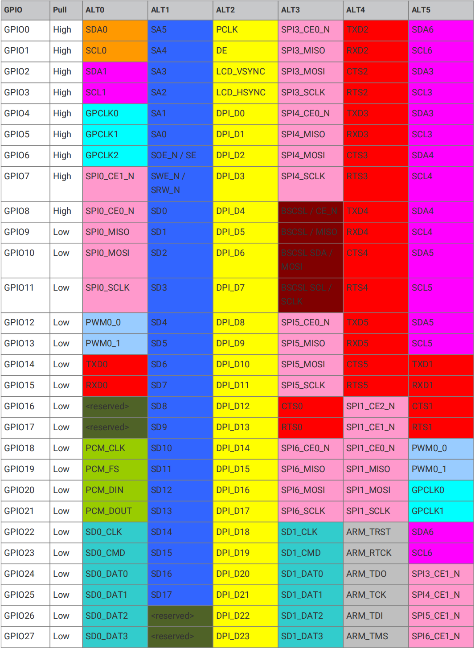
41 | IO Expander | CM4_IIC3_SCL | / | I2C3 | CM4_IIC5_SCL | GPIO13 | I2C5
42 |  | CM4_IIC3_SDA | / |  | CM4_IIC5_SDA | GPIO12
43 | Buzzer | IO_Buzzer_EN | GPIO21 |  | IO_Buzzer_EN | P15
44 | DEBUG | CM4_UART0_RXD | GPIO15 | UART0 | CM4_UART0_RXD | GPIO15 | UART0
45 |  | CM4_UART0_TXD | GPIO14 |  | CM4_UART0_TXD | GPIO14
46 | UPS | UPS_DET | GPIO25 |  | UPS_DET | GPIO25
47 |  | CM4_IIC6_SCL | / | I2C6 | CM4_IIC6_SCL | / | I2C6
48 |  | CM4_IIC6_SDA | / |  | CM4_IIC6_SDA | /
49 | DSI0/1 | CM4_IIC0_SDA | GPIO0/ID_SD | I2C0 | CM4_IIC0_SDA | GPIO44/SDA0 | I2C0
50 |  | CM4_IIC0_SCL | GPIO1/ID_SC |  | CM4_IIC0_SCL | GPIO45/SCL0
51 | Expansion Terminal |  | / | I2C3 |  | / | I2C5
52 |  |  | / |  |  | /
53 |  |  |  |  |  | GPIO24
54 |  |  |  |  |  | GPIO26
55 |  |  |  |  |  | GPIO27

