PIN概览
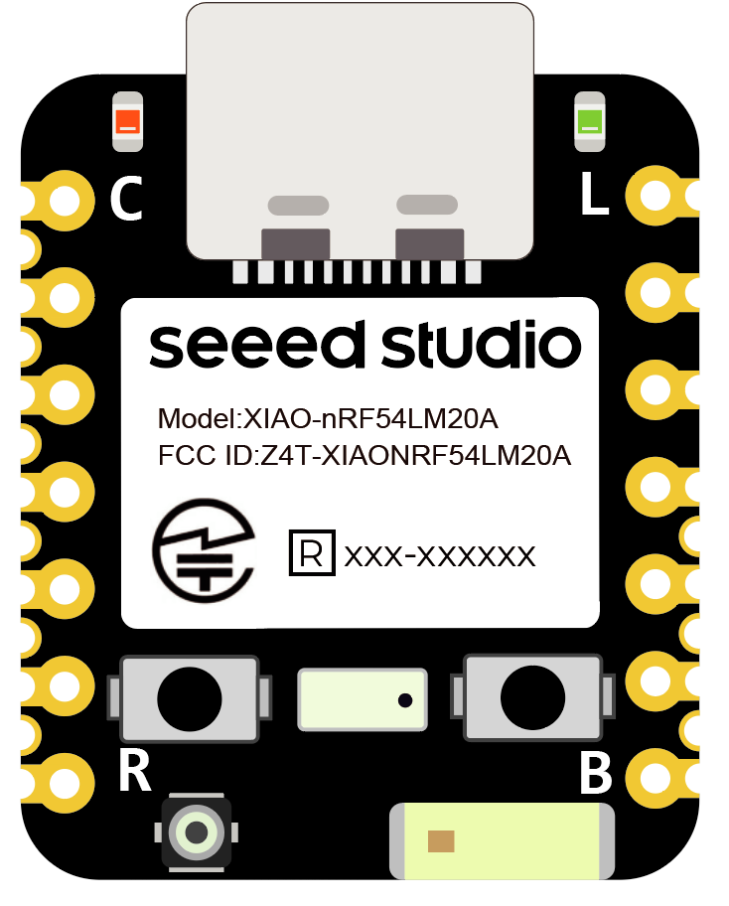
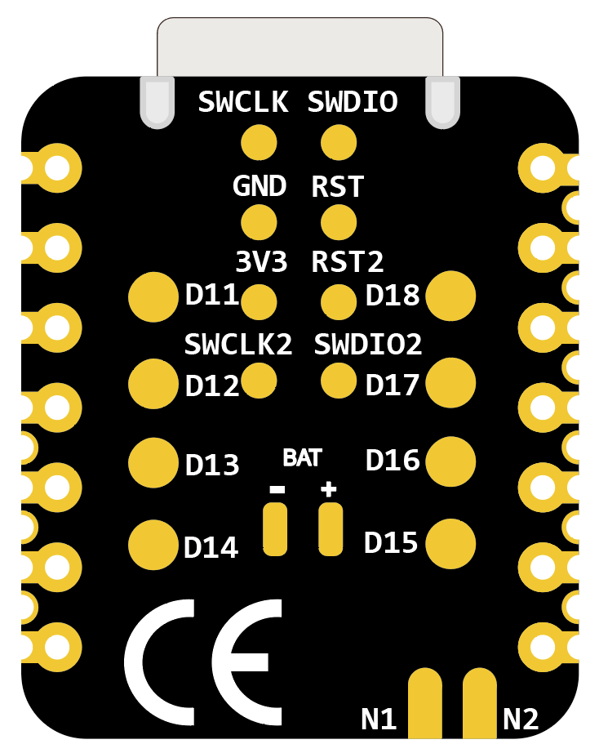
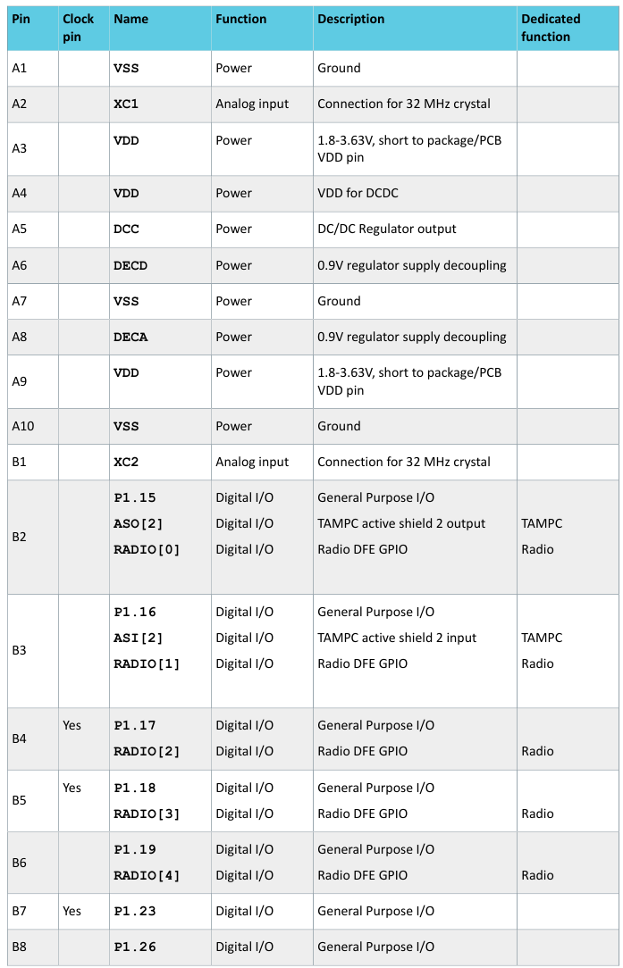
 | NFC | POWER | GPIO | SPI | IIC | 绿色代表已核对
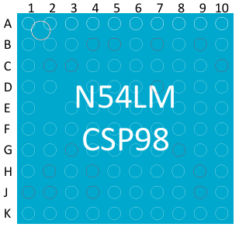 | RESET | ANT | ADC | UART | SWD
 | Pin function | Reuse function | Pin number | XIAO Functional definition
 | POWER
 |  | 32MHz Crystal oscillator
 | POWER
 | POWER
 | POWER
 | POWER
 | POWER
37 | POWER
 | POWER
 | POWER
 |  | 32MHz Crystal oscillator
 | GPIO |  | P1.15
 | GPIO |  | P1.16
 | GPIO |  | P1.17/PMIC_SCL | I2C SCL for nPM1300
 |  |  | P1.18/PMIC_SDA | I2C SDA for nPM1300 |  |  | XIAO Sense on-board sensor pins
 | GPIO |  | P1.19 |  |  |  | mic
 | GPIO |  | P1.23/User_LED_Blue | User LED Blue |  |  |  |  | P1.13/MIC_CLK
 | GPIO |  | P1.26/npm_GPIO1 |  |  |  |  |  | P1.14/MIC_DAT
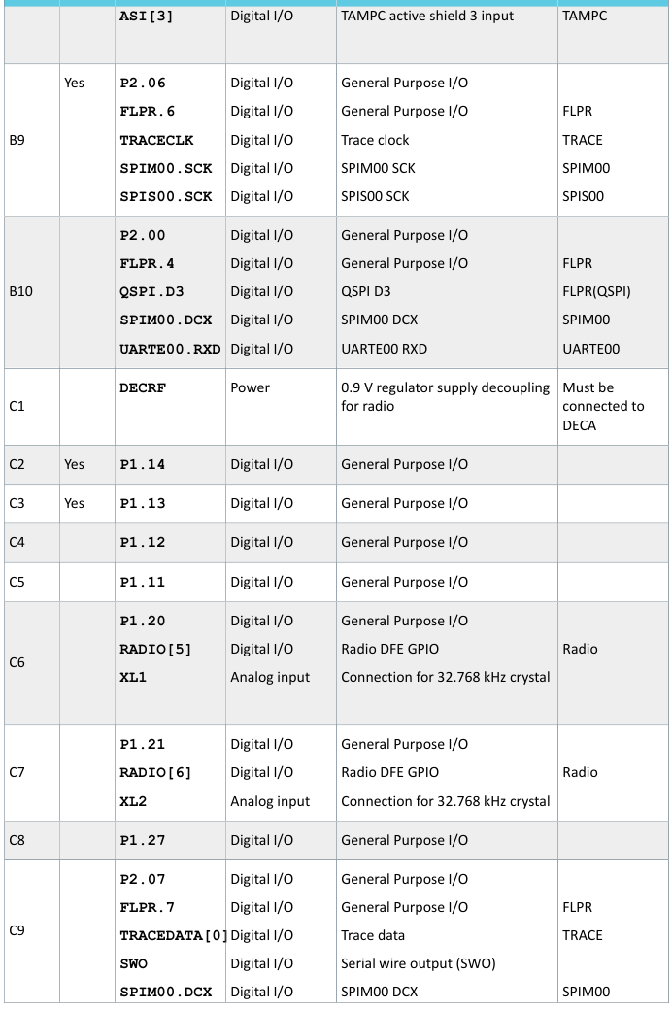
 |  |  |  |  |  |  | imu |  | P3.12/IMU_CS
 | GPIO | SPIM00 SCK SPIS00 SCK | P2.06 |  |  |  |  |  | P0.08/IMU_SDA
 | GPO | QSPI D3 SPIM00 DCX UARTE00 RXD | P2.00/SPI_IO3 | QSPI |  |  |  |  | P0.07/IMU_SCL
 | POWER |  |  |  |  |  |  |  | P0.06/IMU_INT1
 | GPIO |  | P1.14/MIC_DAT | PDM - DAT for MIC
 | GPIO |  | P1.13/MIC_CLK | PDM - CLK for MIC
 | GPIO |  | P1.12/DCDC_EN | EN Pin for LDO
 | GPIO |  | P1.11/nRF54_TX
 | GPIO |  | P1.20/32.768 Crystal | 32.768 Crystal
 | GPIO ADC |  | P1.21/32.768 Crystal | 32.768 Crystal
 | GPIO |  | P1.27/RF_SW_PWR
 | GPIO | SWO SPIM00 DCX UARTE00 RXD | P2.07
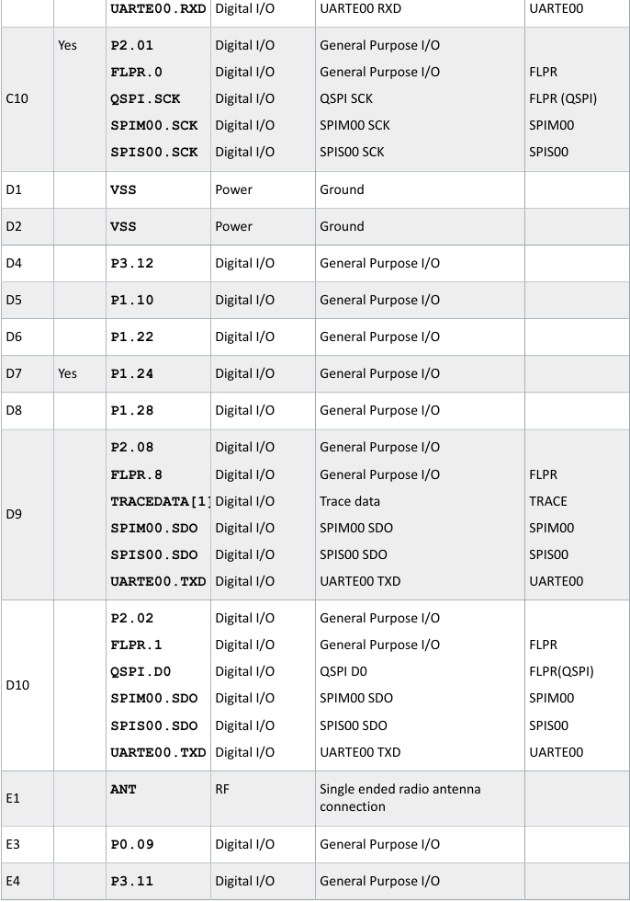
 | GPIO | QSPI CLK SPIM00 SDO SPIS00 SDO | P2.01/SPI_CLK | QSPI
 | POWER
 | POWER
 | GPIO |  | P3.12/IMU_CS | CS for IMU
 | GPIO |  | P1.10/nRF54_RX
 | GPIO |  | P1.22/User_LED_Red | User LED Red
 | GPIO |  | P1.24/User_LED_Green | User LED Green
 | GPIO |  | P1.28/RF_SW_CTL
 | GPIO | SPIM00 SDO SPIS00 SDO UARTE00 TXD | P2.08
 | GPIO | QSPI D0 SPIM00 SDO SPIS00 SDO UARTE00 TXD | P2.02/SPI_IO0 | QSPI
 |  | ANT |  | 2.4G BLE antenna, connected to ceramic antenna
 | GPIO |  | P0.09/USR_KEY | User Key
 | GPIO |  | P3.11/D27 | XIAO expansion IO pin - D27
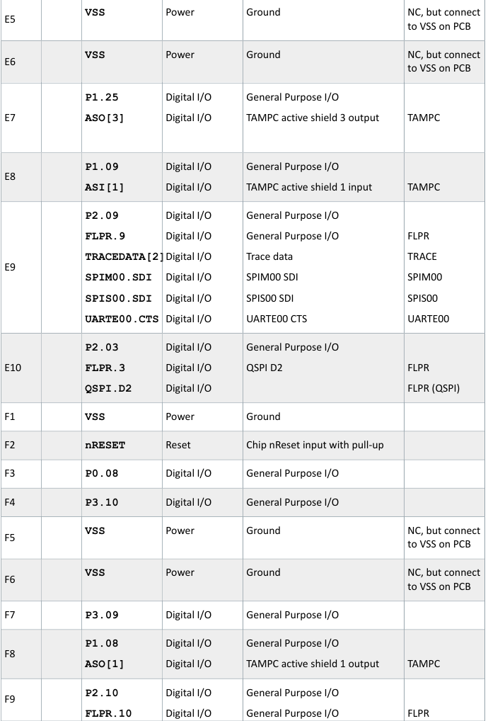
 | POWER
 | POWER
 | GPIO |  | P1.25/npm_GPIO0
 | GPIO |  | P1.09/RX/D7 | XIAO expansion IO pin - D7
 | GPIO | SPIM00 SDI SPIS00 SDI UARTE00 CTS | P2.09
 | GPIO | QSPI D2 | P2.03/SPI_IO2 | QSPI
 | POWER
 |  | nRESET |  | RESET
 | GPIO |  | P0.08/IMU_SDA | IIC - SDA for IMU
 | GPIO |  | P3.10/D26 | XIAO expansion IO pin - D26
 | POWER
 | POWER
 | GPIO |  | P3.09/D25 | XIAO expansion IO pin - D25
 | GPIO |  | P1.08/TX/D6 | XIAO expansion IO pin - D6 |  |  | P1.08/MIC_CLK | PDM - CLK for MIC
 | GPIO | SPIM00 CSN SPIS00 CSN UARTE00 RTS | P2.10
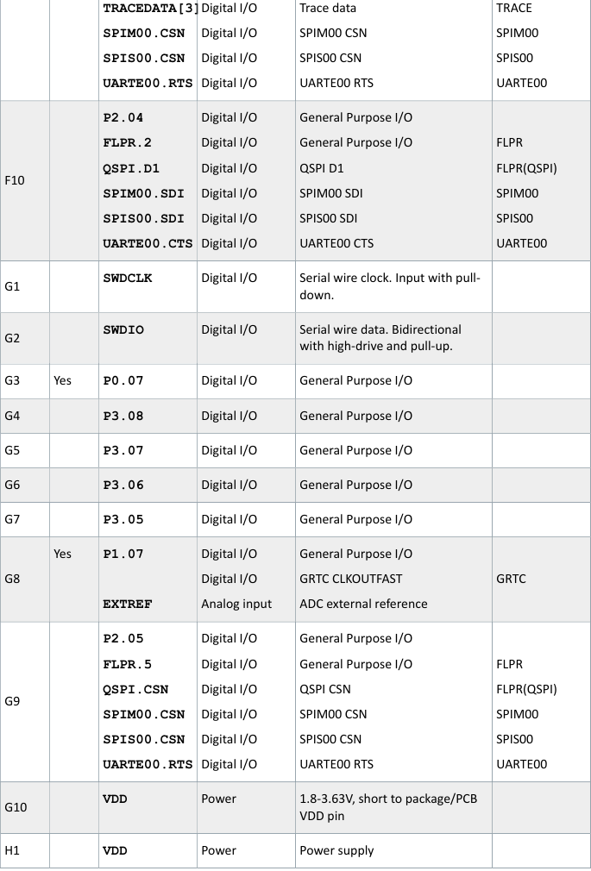
 | GPIO | QSPI D1 SPIM00 DSI SPIS SDI UARTE00 CTS | P2.04/SPI_IO1 | QSPI
 |  | SWDCLK |  | Bottom SWD debug clock pin
 |  | SWDIO |  | Bottom SWD debug DIO pin
 | GPIO |  | P0.07/IMU_SCL | IIC - SCL for IMU
 | GPIO |  | P3.08
 | GPIO |  | P3.07/D18 | XIAO expansion IO pin - D18
 | GPIO |  | P3.06/D17 | XIAO expansion IO pin - D17
 | GPIO |  | P3.05/D16 | XIAO expansion IO pin - D16
 | GPIO ADC |  | D5/P1.07/SCL/A8 | XIAO expansion IO pin - D5
 | GPIO | QSPI CSN SPIM00 CSN SPIS00 CSN UARTE00 RTS | P2.05/SPI_CS | QSPI
 | POWER
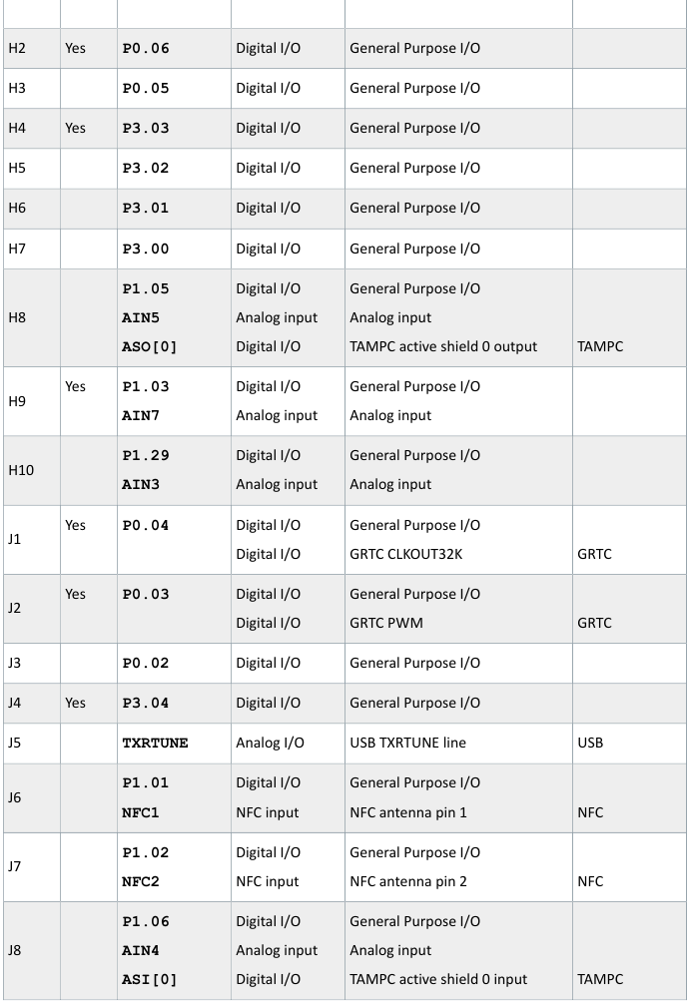
 | POWER

 | GPIO |  | P0.06/IMU_INT1 | INT fro IMU
 | GPIO |  | P0.05/D25 | XIAO expansion IO pin - D25 |  |  | P0.05/IMU_CS | IIC - CS for IMU
 | GPIO |  | P3.03/D14 | XIAO expansion IO pin - D14
 | GPIO |  | P3.02/D13 | XIAO expansion IO pin - D13
 | GPIO |  | P3.01/D12 | XIAO expansion IO pin - D12
 | GPIO |  | P3.00/D11 | XIAO expansion IO pin - D11
 | GPIO ADC | AIN5 | MISO/P1.05/D9/A5 | XIAO expansion IO pin - D9
 | GPIO ADC | AIN7 | D4/P1.03/SDA/A7 | XIAO expansion IO pin - D4
 | GPIO ADC | AIN3 | D3/A3/P1.29 | XIAO expansion IO pin - D3
 | GPIO |  | P0.04/D23 | XIAO expansion IO pin - D23 |  |  | P0.04/IMU_SDA | P0.04/IMU_SDA
 | GPIO |  | P0.03/D22 | XIAO expansion IO pin - D22 |  |  | P0.03/IMU_SCL | IIC - SCL for IMU
 | GPIO |  | P0.02/D21 | XIAO expansion IO pin - D21
 | GPIO |  | P3.04/D15 | XIAO expansion IO pin - D15

 |  | NFC1 | P1.01/NFC1 | NFC pin
 |  | NFC2 | P1.02/NFC2 | NFC pin
 | GPIO ADC | AIN4 | MOSIP1.06/D10/A4 | XIAO expansion IO pin - D10 |  |  | D26
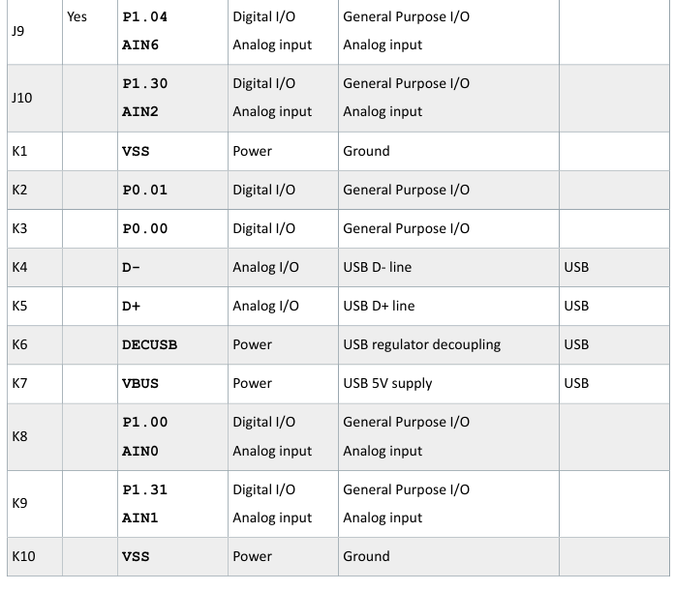
 | GPIO ADC | AIN6 | SCK/P1.04/D8/A6 | XIAO expansion IO pin - D8
 | GPIO ADC | AIN2 | D2/A2/P1.30 | XIAO expansion IO pin - D2
 | POWER
 | GPIO |  | P0.01/D20 | XIAO expansion IO pin - D20
 | GPIO |  | P0.00/D19 | XIAO expansion IO pin - D19 |  |  | User key

 | POWER
 | POWER
 | GPIO ADC | AIN0 | D0/A0/P1.00 | XIAO expansion IO pin - D0
 | GPIO ADC | AIN1 | D1/A1/P1.31 | XIAO expansion IO pin - D1
 | POWER

参考资料
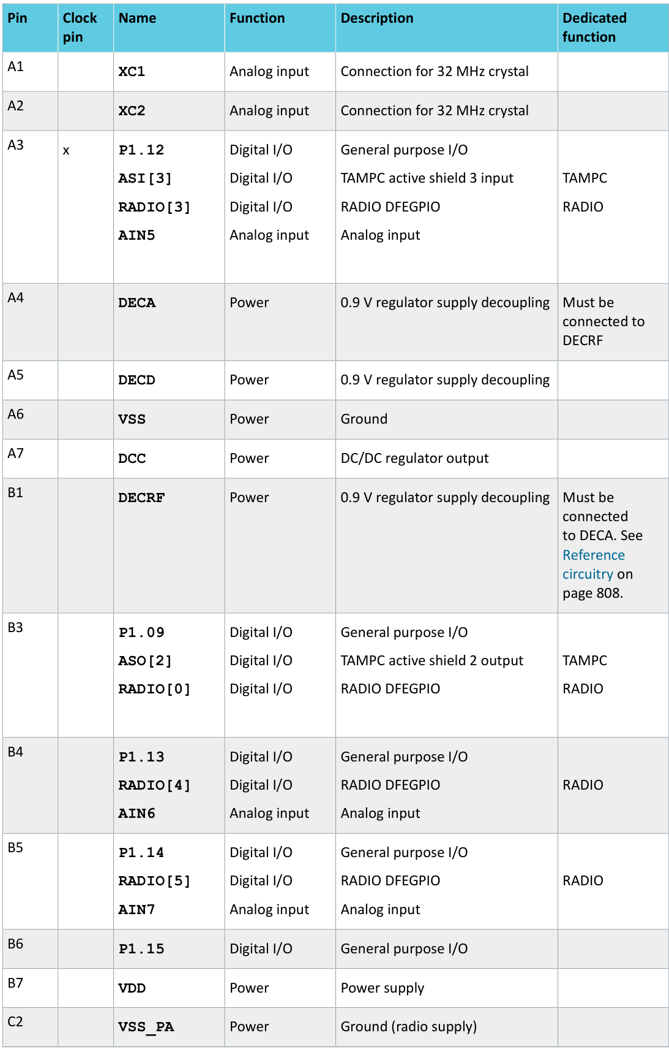
NFC | POWER | GPIO | SPI | IIC |  | XIAO front 2.54 pin header pins |  |  |  |  | XIAO backside solder pad pin
RESET | ANT | ADC | UART | SWD | P1.04/A0/D0 | 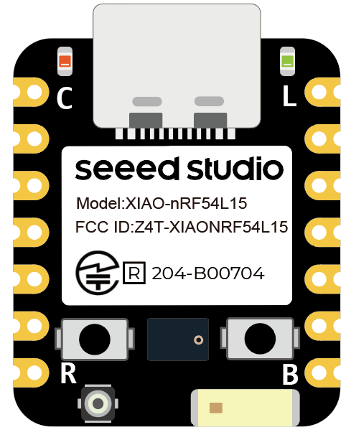 |  | 5V |  |  | 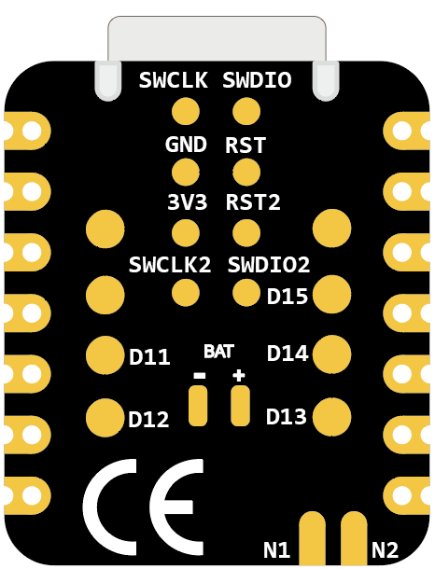
 | Pin function | Reuse function | Pin number | XIAO Functional definition | P1.05/A1/D1 |  |  | GND
 |  | 32MHz Crystal oscillator |  |  | P1.06/A2/D2 |  |  | 3V3 |  | NC |  |  | NC
 |  | 32MHz Crystal oscillator |  |  | P1.07/A3/D3 |  |  | P2.02/D10/MOSI |  | NC |  |  | P2.06/D15
 | GPIO ADC | AIN5 | P1.12/A5/D5 | XIAO expansion IO pin - D5 | P1.10/D4/SDA |  |  | P2.04/D9/MISO |  | P0.03/D11/IMU_SCL |  |  | P2.09/D14
 | POWER |  |  |  | P1.11/D5/SCL |  |  | P2.01/D8/SCK |  | P0.04/D12/IMU_SDA |  |  | P2.10/D13
 | POWER |  |  |  | P2.08/D6/TX |  |  | P2.07/D7/RX
 | POWER |  |  |  |  |  |  |  |  |  |  | P1.02/NFC1
 | POWER |  |  |  | XIAO on-board user LED pin |  |  | XIAO button pin |  |  |  | P1.03/NFC2
 | POWER |  |  |  | Green LED | P2.00/D18/USR_LED |  | KEY | P0.00/USR_KEY
 | GPIO |  | P1.09/D16/MISO1 | XIAO expansion IO pin - D16
 | GPIO ADC | AIN6 | P1.13/AIN6_VBAT | XIAO battery voltage reading
 | GPIO |  | P1.14/AIN7_VBAT_EN | XIAO battery voltage reading enable | XIAO Sense on-board sensor pins
 | GPIO |  |  | XIAO expansion IO pin - D18 user LED | mic |  | P0.01/IMU&MIC_3V3_EN
 | POWER |  |  |  |  |  | P1.12/MIC_CLK
 | POWER |  |  |  |  |  | P1.13/MIC_DAT
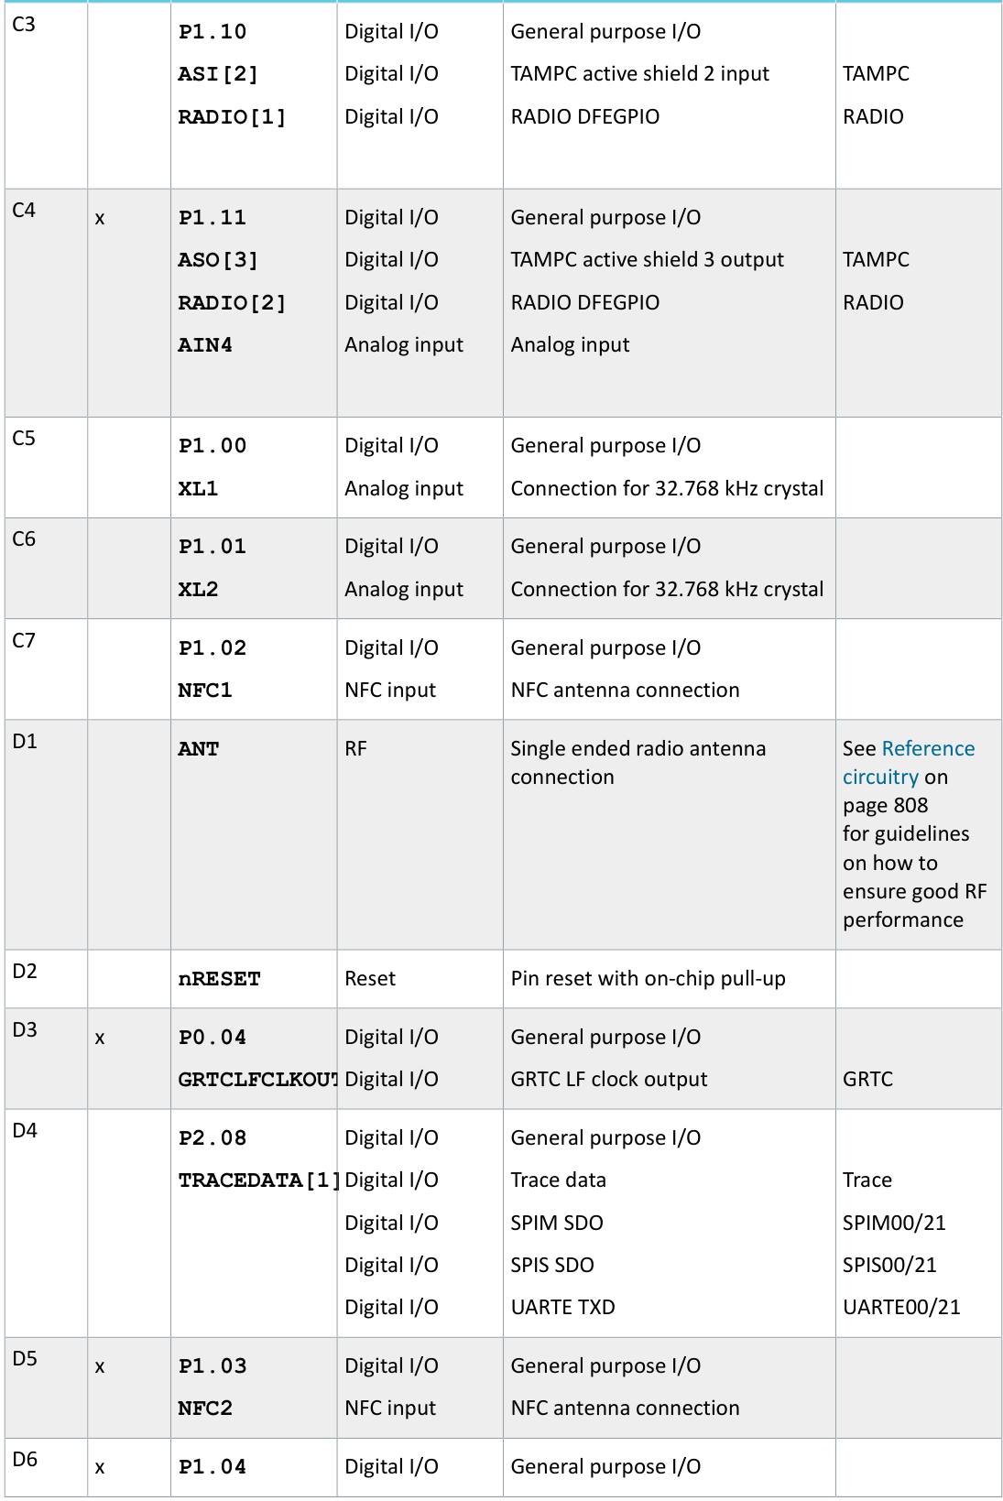
 | GPIO |  | P1.10/D4/SDA | XIAO expansion IO pin - D4 | imu |  | P0.01/IMU&MIC_3V3_EN
 | GPIO ADC | AIN4 | P1.11/D5/SCL | XIAO expansion IO pin - D5 |  |  | P0.04/D14/IMU_SDA
 |  | 32.768KHz |  |  |  |  | P0.03/D13/IMU_SCL
 |  | 32.768KHz |  |  |  |  | P0.01/IMU&MIC_3V3_EN
 | GPIO | NFC1 | P1.02/NFC1 | NFC pin |  |  | P0.02/IMU_INT1
 |  | ANT |  | 2.4G BLE antenna, connected to ceramic antenna
 |  | nRESET |  | RESET
 | GPIO |  | P0.04/D12/IMU_SDA | IIC - SDA for IMU - D12
 | GPIO | Trace data SPIM SDO SPIS SDO UARTE TXD | P2.08/D6/TX | XIAO expansion IO pin - D7
 | GPIO | NFC2 | P1.03/NFC2 | NFC pin
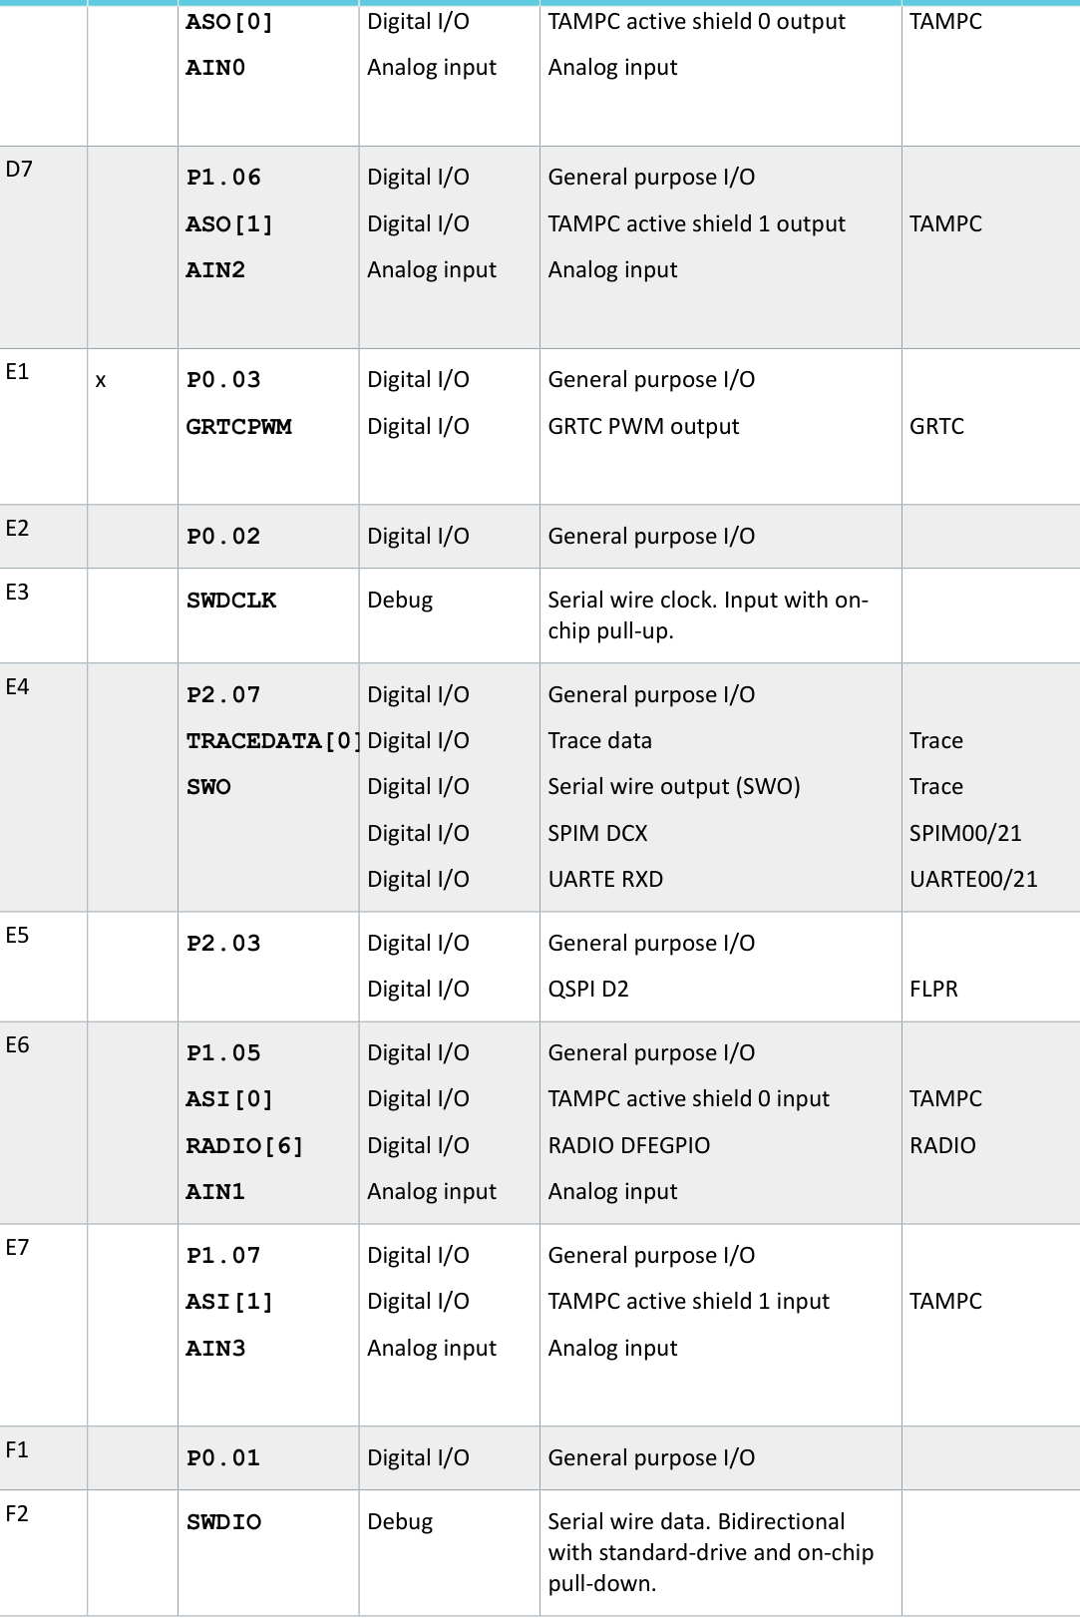
 | GPIO ADC | AIN0 | P1.04/A0/D0 | XIAO expansion IO pin - D0
 | GPIO ADC | AIN2 | P1.06/A2/D2 | XIAO expansion IO pin - D2
 | GPIO | PWM | P0.03/D11/IMU_SCL | IIC - SCL for IMU -D11
 | GPIO |  | P0.02/MIC_INT1 | IMU interrupts reading the pin
 |  | SWDCLK |  | Bottom SWD debug clock pin
 | GPIO | Trace data Serial wire output (SWO) SPIM DCX UARTE RXD | P2.07/D7/RX | XIAO expansion IO pin - D6
 | GPIO | QSPI D2 | P2.03/RF_SW_PWR | RF Switch power control pin
 | GPIO ADC | AIN1 | P1.05/A1/D1 | XIAO expansion IO pin - D1
 | GPIO ADC | AIN3 | P1.07/A3/D3 | XIAO expansion IO pin - D3
 | GPIO |  | P0.01/IMU&MIC_3V3_EN | IMU&PDM Power enable pin
 |  | SWDIO |  | Bottom SWD debug DIO pin
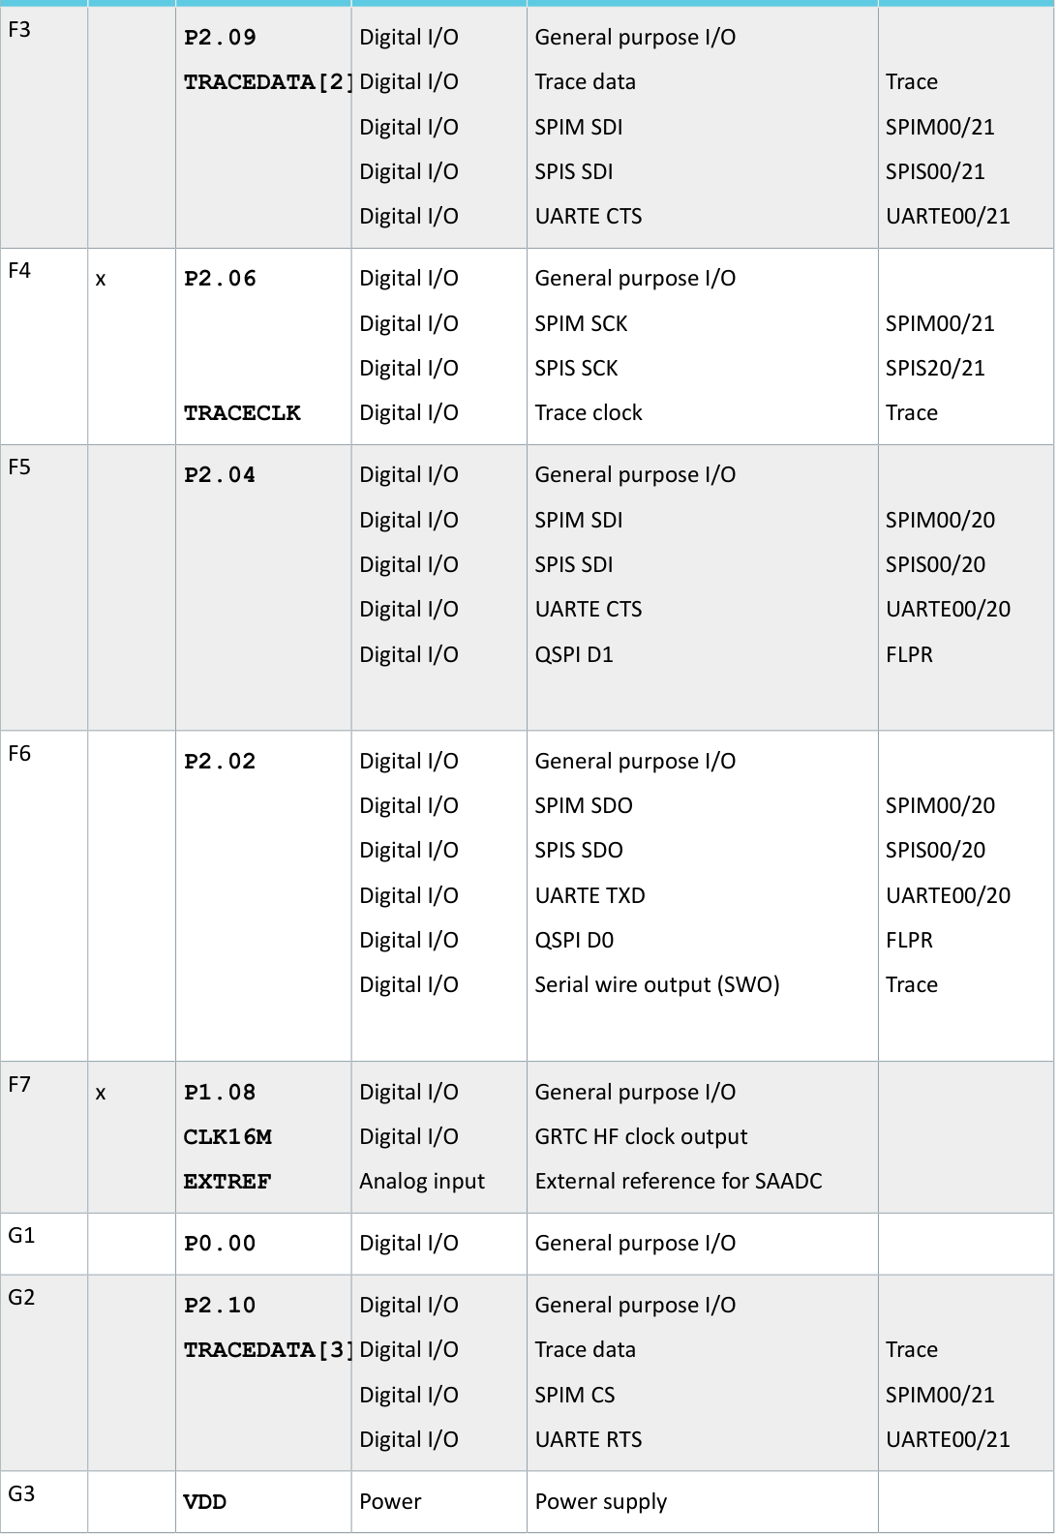
 | GPIO | Trace data SPIM SDI SPIS SDI UARTE CTS | P2.09/D14 | XIAO expansion IO pin - D14
 | GPIO | SPIM SCK SPIS SCK Trace clock | P2.06/D15 | XIAO expansion IO pin - D15
 | GPIO | SPIM SDI SPIS SDI UARTE CTS QSPI D1 | P2.04/D9/MISO | XIAO expansion IO pin - D9
 | GPIO | SPIM SDO SPIS SDO UARTE TXD QSPI D0 Serial wire output (SWO) | P2.02/D10/MOSI | XIAO expansion IO pin - D10
 | GPIO | External reference for SAADC | P1.08/SAMD11_TX | Connect to the serial port of SAMD11
 | GPIO |  | P0.00/USR_KEY | User key
 | GPIO | Trace data SPIM CS UARTE RTS | P2.10/D13 | XIAO expansion IO pin - D13
 | POWER
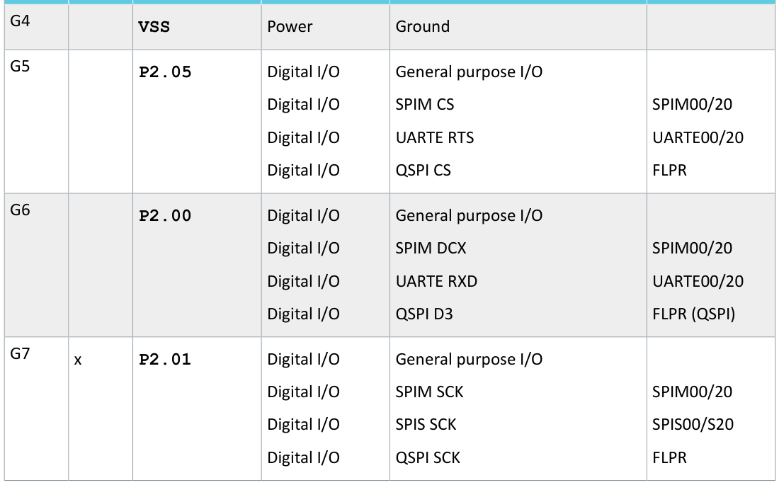
 | POWER
 | GPIO | SPIM CS UARTE RTS QSPI CS | P2.03/RF_SW_CTL | RF Switch control pin
 | GPIO | SPIM DCX UARTE RXD QSPI D3 | P2.00/USR_LED | User LED
 | GPIO | SPIM SCK SPIS SCK QSPI SCK | P2.01/D8/SCK | XIAO expansion IO pin - D8

