SFRA
 |  |  |  | PT PEMBANGKITAN JAWA BALI |  |  |  |  | No. Dok. | : 12345
 |  |  |  | PJB INTEGRATED MANAGEMENT SYSTEM |  |  |  |  | Tgl. Terbit | : 12 Desember 2022
 |  |  |  | FORM UJI |  |  |  |  | Revisi | : 1
 |  |  |  | SFRA |  |  |  |  | Halaman | : 1
Site : |  |  | Manufaktur |  |  | Tahun |  | QP No. |  |  | FU No.
Unit : | PLTA#1 |  | Inspeksi |  |  | 2021 |  | OEM Doc. No. |  |  | -
RECOMMENDATION |  | ACCEPTED/REWORK/REPLACE/REPAIR/MONITORING (by Quality Control)
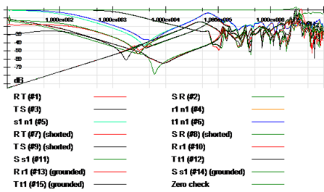
Measuring Tool: |  | Insulation Tester MEGER MIT 525

Description | Tested/measured by |  | Coordinator |  | Quality Control |  |  |  | Witness
Name | Eka Putra Widyananda |  | Triyadi N. S. |  | Ramot Mangihut H. |  |  |  | Gregorius Sutrisno
Signature

Date | 12 Desember 2022 |  | 12 Desember 2022 |  | 12 Desember 2022 |  |  |  | 12 Desember 2022

 |  | HV | DL/T911-2004 | NCEPRI |  | LV | DL/T911-2004 | NCEPRI

 |  | SR - SR | Slight | Normal |  | rn - rn | Normal | Normal
 |  | TS - TS | Normal | Normal |  | sn - sn | Normal | Normal
 |  | RT - RT | Slight | Normal |  | tn - tn | Normal | Normal

 |  | HV - LV | DL/T911-2004 | NCEPRI |  | HV (shorted) | DL/T911-2004 | NCEPRI

 |  | Rr - Rr | Normal | - |  | RT - RT | Normal | Normal
 |  | Ss - Ss | Normal | - |  | SR - SR | Normal | Normal
 |  | Tt - Tt | Normal | - |  | TS - TS | Normal | Normal

 |  | HV - LV (grounded) | DL/T911-2004 | NCEPRI

 |  | Rr - Rr | Normal | -
 |  | Ss - Ss | Slight | -
 |  | Tt - Tt | Normal | -

 |  | Air Temperature | : 10 |  |  | Air Humidity | : 11

 |  | Tap Changer | : 12

 |  | Calculated Moisture | : 21 |  |  | Moisture Category | : 22

 |  | Moisture Saturation | : 23 |  |  | Bubbling Inception Temp | : 24

 |  | Oil Temperature | : 25

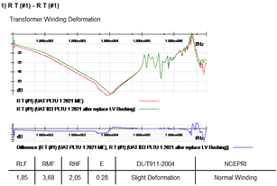

 |  | test 1 | : test 1

