INSULATION
 |  |  |  | PT PEMBANGKITAN JAWA BALI |  |  |  |  |  | No. Dok. | : tes_plan_rla
 |  |  |  | PJB INTEGRATED MANAGEMENT SYSTEM |  |  |  |  |  | Tgl. Terbit | : 27 Desember 2022
 |  |  |  | FORM UJI |  |  |  |  |  | Revisi | : 1
 |  |  |  | INSULATION RESISTANCE-POLARIZATION INDEX |  |  |  |  |  | Halaman | : 1
Site : |  |  | Manufaktur |  |  | Tahun |  | QP No. |  |  |  | FU No.
Unit : |  |  | Inspeksi |  |  | 2022 |  | OEM Doc. No. |  |  |  | -

 |  | MAIN TRANSFORMER (AFTER TAN DELTA)
 |  | Waktu (menit) | HV - Gnd (G&Omega;) | LV - Gnd (G&Omega;) | HV - LV (G&Omega;) |  | Waktu (menit) | HV - Gnd (G&Omega;) | LV - Gnd (G&Omega;) | HV - LV (G&Omega;)
 |  |  | 5000 Vdc | 5000 Vdc | 5000 Vdc
 |  | Reference | : Reference

 |  | Result | : Result

 |  | Note | : Note

 |  | BINARY 1 | :

 |  | ANALOG 1 | :
 |  | Gnd : Ground


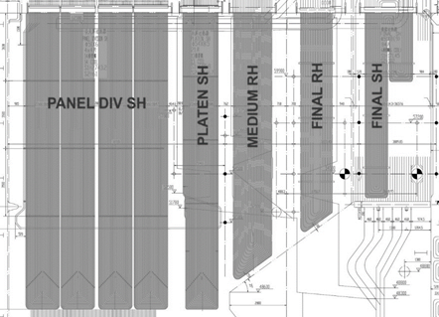



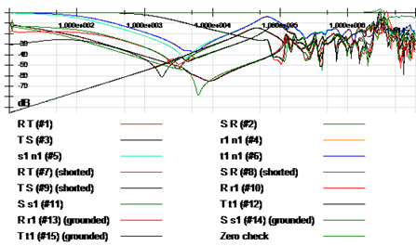

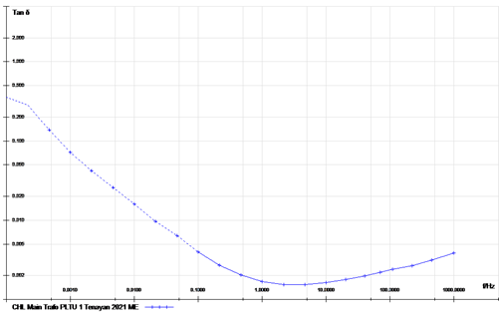
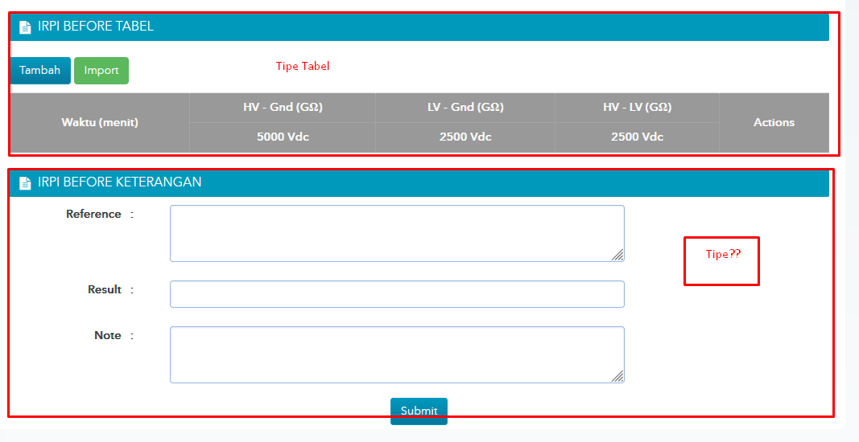

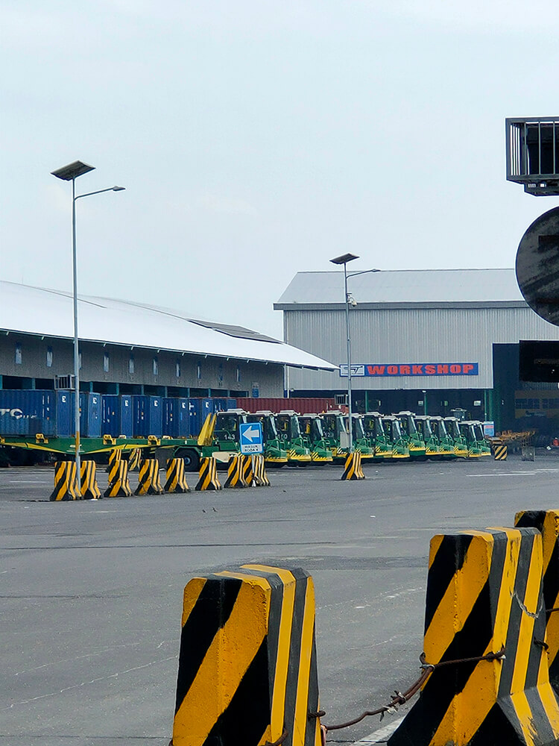

 |  | Binary Group 1 | : Binary ISI Group 1 |  |  | Binary Group 2 | : Binary ISI Group 2

 |  | Binary Group 3 | : Binary ISI Group 3

 |  | ANALOG Group 1 | : ANALOG isi Group 1 |  |  | ANALOG Group 2 | : ANALOG isi Group 2

 |  | Text Group 1 | : Text Group 1

 |  | Text Group 2 | : Text Group 2

 |  | Binary Oke Group 1 | : Binary Isi Oke Group 1 |  |  | Binary Oke Group 2 | : Binary Isi Oke Group 2

 |  | MAIN TRANSFORMER (AFTER TAN DELTA)
 |  | Waktu (menit) | HV - Gnd (G&Omega;) | LV - Gnd (G&Omega;) | HV - LV (G&Omega;)
 |  |  | 5000 Vdc | 5000 Vdc | 5000 Vdc

 |  | Gnd : Ground
 |  | Reference | : Reference

 |  | Result | : Result

 |  | Note | : Note

RECOMMENDATION |  | ACCEPTED/REWORK/REPLACE/REPAIR/MONITORING (by Quality Control)

Measuring Tool: |  | Insulation Tester MEGER MIT 525

Description | Tested/measured by |  | Coordinator |  | Quality Control |  |  |  |  | Witness
Name | Eka Putra Widyananda |  | Triyadi N. S. |  | Ramot Mangihut H. |  |  |  |  | Gregorius Sutrisno
Signature

Date | 27 Desember 2022 |  | 27 Desember 2022 |  | 27 Desember 2022 |  |  |  |  | 27 Desember 2022

