INSULATION
 |  |  |  | PT PEMBANGKITAN JAWA BALI |  |  |  |  |  |  | No. Dok. |  | : TEST_KONDISI
 |  |  |  | PJB INTEGRATED MANAGEMENT SYSTEM |  |  |  |  |  |  | Tgl. Terbit |  | : 23 November 2022
 |  |  |  | FORM UJI |  |  |  |  |  |  | Revisi |  | : 1
 |  |  |  | INSULATION RESISTANCE-POLARIZATION INDEX |  |  |  |  |  |  | Halaman |  | : 1
Site : |  |  |  |  | Manufaktur |  | : | Tahun |  | QP No. |  |  | FU No.
Unit : | PLTA#1 |  |  |  | Inspeksi |  | : | 2023 |  | OEM Doc. No. |  | -

 |  | MAIN TRANSFORMER (BEFORE TAN DELTA)
 |  | Waktu (menit) | HV - Gnd (G&Omega;) | LV - Gnd (G&Omega;) | HV - LV (G&Omega;)
 |  |  | 5000 Vdc | 5000 Vdc | 5000 Vdc
 |  | 1 | 10 | 22 | 34
 |  | 2 | 11 | 23 | 35
 |  | 3 | 12 | 24 | 36
 |  | 4 | 13 | 25 | 37
 |  | 5 | 14 | 26 | 38
 |  | 6 | 15 | 27 | 39
 |  | 7 | 16 | 28 | 40
 |  | 8 | 17 | 29 | 41
 |  | 9 | 18 | 30 | 42
 |  | 10 | 19 | 31 | 43
 |  | PI | 20 | 32 | 44
 |  | test | 21 | 33 | 45

 |  | Gnd : Ground
 |  | Reference | : coab editor aman
 |  | Result | :
 |  | Note | :
 |  | Keterangan pengukuran | :

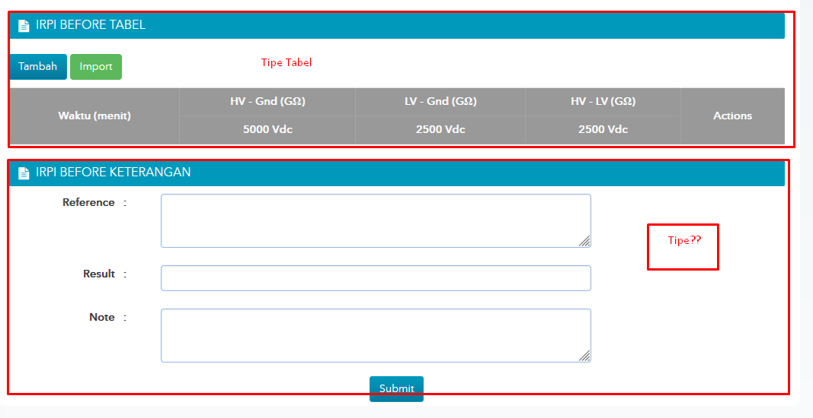

 |  | Coba Gambar 1

 |  | Coba binary | : test binaru

RECOMMENDATION |  | ACCEPTED/REWORK/REPLACE/REPAIR/MONITORING (by Quality Control)

Measuring Tool: |  | Insulation Tester MEGER MIT 525

Description | Tested/measured by |  |  |  |  | Coordinator |  |  | Quality Control |  |  |  | Witness
Name | Eka Putra Widyananda |  |  |  |  | Triyadi N. S. |  |  | Ramot Mangihut H. |  |  |  | Gregorius Sutrisno
Signature

Date | 23 November 2022 |  |  |  |  | 23 November 2022 |  |  | 23 November 2022 |  |  |  | 23 November 2022

