Calculation
General |  |  | Adjustable | Results

γc | 1.5 | - |  | ULS
γs | 1.15 | -
αcc | 1 | - |  | Check | Value | % | Ok? | Max | Unit

Allowable deflection | 1/250 | Ratio |  | Moment | 108.13 | 92.03% | OK | 117.50 | kNm
Allowable camber | 20 | mm
 |  |  |  | Compression zone | 0.046 | 10.37% | OK | 0.448 | Ratio
Loads

Load category | Category B : office areas
 |  |  |  | SLS
γG | 1.35 | -
γQ | 1.5 | - |  | Check | Value | % | Ok? | Max | Unit

ψ2 | 0.3 | - |  | Deflection at factory | -3.00 | 15.01% | OK | -20 | mm

Gk (Self-weight) | 3.56 | kN/m2 |  | Deflection final | -0.80 | -2.87% | OK | 28 | mm
Gk (Dead load) | 2.1 | kN/m2
Qk (Live-load) | 5 | kN/m2

 |  |  |  | TOTAL
Geometry
 |  |  |  | Utilization |  | 92.03% |  |  | %
Length | 7 | m
Support length | 0.1 | m
Calculation length | 6.9 | m

HCS width | 1.2 | m

HCS Profile | HCS 265 | -

Concrete

Concrete class at striking | C30/37 | -
Concrete class final | C45/55 | -

Cement class | N | -

Strands

Wire class | Y1860S7 | -

fpk | 1860 | MPa
fp0.1k | 1645 | MPa
fpd | 1430 | MPa

Top strands

Number of Strands | 3 | pcs
Strand diameter | 9.3 | mm
Tension force | 1050 | MPa
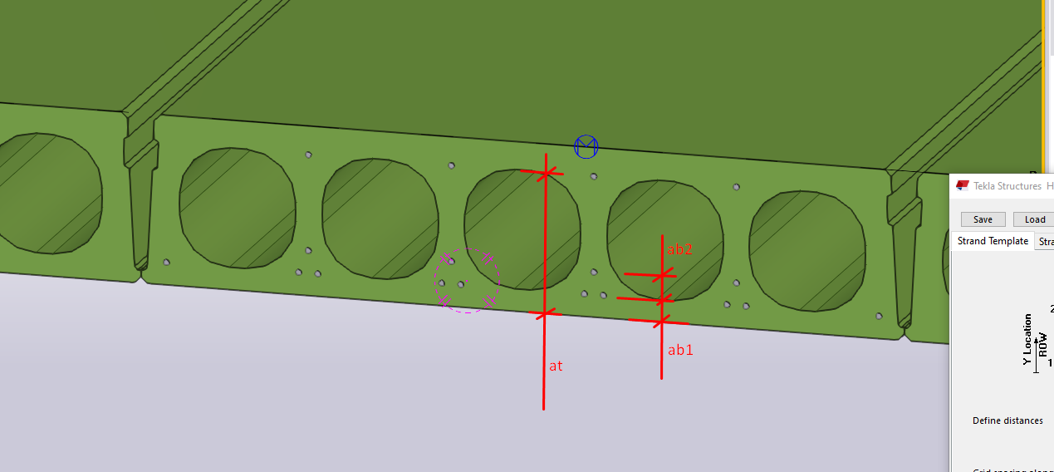
Distance to strand (at) | 220 | mm

Bottom 2 strands

Number of Strands | 0 | pcs
Strand diameter | 9.3 | mm
Tension force | 0 | MPa

Distance to strand (ab2) | 0 | mm

Bottom 1 strands

Number of Strands | 7 | pcs
Strand diameter | 9.3 | mm
Tension force | 1050 | MPa

Distance to strand (ab1) | 35 | mm

Calculation

Loads on HCS

q(uls) | 18.17 | kN/m2

q(sls-sw) | 4.27 | kN/m2
q(sls-gk) | 6.79 | kN/m2
q(sls-qk) | 6.00 | kN/m2

q(sls-qp) | 8.59 | kN/m2

Internal forces

M(uls) | 108.13 | kNm

M(sls-sw) | 25.42 | kNm
M(sls-gk) | 40.42 | kNm
M(sls-qk) | 35.71 | kNm

M(sls-qp) | 51.13 | kNm

Material properties

fck | 45.00 | Mpa
fcd | 30.00 | Mpa

fctk 0.05 | 2.70 | Mpa

η | 1.00 | -
εcu2 | 0.0035 | -

s | 0.25 | -

Ep | 195000.00 | MPa

rps | 1120.24 | -
ϴ | 0.00308 | -
μ | 0.16 | -
k | 0.0075 | -

αe | 15.08 | -

Section properties

A | 164589 | mm2

I | 1470060000 | mm4
Iun | 1470060000 | mm4
Icr | 360702928.51 | mm4

brel | 947.93527543 | mm

Wtop | 11325577.812 | mm3
Wbottom | 10873224.852 | mm3

AsC | 156 | mm2
Ab2T | 0 | mm2
Ab1T | 364 | mm2

FsC | 163800 | N
Fb2T | 0 | N
Fb1T | 382200 | N

Bef | 1160 | mm
Aef | 266800 | mm2
λ | 0.8 | -

Moment distribution (δ) | 1 | -
k1 | 0.44 | -
k2 | 1.25 | -
xu/du | 0.448 | -

atavg | 35.00 | mm

h | 265 | mm
d | 230.00 | mm

Yt | 129.80 | mm
Yb | 135.20 | mm

et | -90.20 | mm
eb | 100.20 | mm

Presstressing losses

Due elastic deformation | 4.00 | %
Due anchorage | 2.69 | %
Due wire friction | 0.46 | %

Due shrinkage (striking) | 3.24 | %
Due creep (striking) | 6.64 | %

Total (striking) | 17.03 | %

Due shrinkage (final) | 6.84 | %
Due creep (final) | 7.70 | %

Total (final) | 21.69 | %

ULS - Moment

FsrdT | 520539.73 | N
FsrdC | 223088.46 | N

Fcrd (per mm) | 27840.00 | N/mm
x/d | 0.046 | -
x | 10.684 | mm

z | 225.726 | mm

NRdC | 520539.730 | N
NRdT | 520539.730 | N

MRdC | 117.50 | kNm
MRdT | 117.50 | kNm

Cracking Moment

MCR | 102.83 | kNm

SLS - Deflection at striking

Striking | 3 | days
Transporting | 14 | days

RH | 70 | %
fcm | 38.00 | MPa

βcc(t) | 0.60 | -
fck(t) | 22.73 | MPa
fcd(t) | 30.73 | MPa

ust | 5961.17 | mm
h0 | 55.22 | -

α1 | 1.35 | -
α2 | 1.09 | -
α3 | 1.24 | -

ϕRH | 1.79 | -
β(fcm) | 3.52 | -
β(t0,3) | 0.74 | -

ϕ(0, 3) | 4.68 | -

βH | 336.42 | -
βc(3) | 0.35 | -

ϕ(s-t) | 1.66 | -

Ecm | 30810.93 | MPa
Ec,eff | 11576.48 | MPa

σb1 | -8.14 | MPa

ϕ(s-t-adj) | 1.66 | Creep

αds1 | 4.00 | -
αds2 | 0.12 | -
fcmo | 10.00 | MPa
βRH | 1.02 | -

εcd,0 | 0.43 | -
kht-s | 1.00 | -
βt-ts-s | 0.40 | -

εcd-s | 0.17 | Shrinkage

FsC,L | 135903.55659 | N
Fb2T,L | 0 | N
Fb1T,L | 317108.2987 | N

σb1,L | -6.76 | MPa

αsP | -5.79 | mm

αsG | 2.78 | mm

δs | -3.00 | mm

SLS - Deflection final

Loading | 28 | days
Service life | 50 | years

RH | 40 | %
fcm | 53.00 | MPa

βcc(t) | 1.00 | -
fck(t) | 53.00 | MPa
fcd(t) | 61.00 | MPa

uf | 2400.00 | mm
h0 | 137.16 | -

α1 | 0.75 | -
α2 | 0.92 | -
α3 | 0.81 | -

ϕRH | 1.72 | -
β(fcm) | 2.31 | -
β(t0,28) | 0.49 | -

ϕ(0, 28) | 1.94 | -

βH | 408.90 | -
βc(28) | 0.99 | -

ϕ(f-t) | 1.93 | -

Ecm | 37846.14 | MPa
Ec,eff | 12928.93 | MPa

σb1 | -4.43 | MPa

ϕ(f-t-adj) | 1.93 | Creep

kht-f | 0.85 | -
βt-ts-f | 1.00 | -

εcd-f | 0.37 | Shrinkage

FsC,L | 128266.87324 | N
Fb2T,L | 0 | N
Fb1T,L | 299289 | N

wmax | 28 | mm

αlP | -14.53303473 | mm

αlG | 10.55 | mm
αlQ | 3.18 | mm

δf | -0.80 | mm

