Screen shots - scan 1
Screen Capture Appendix

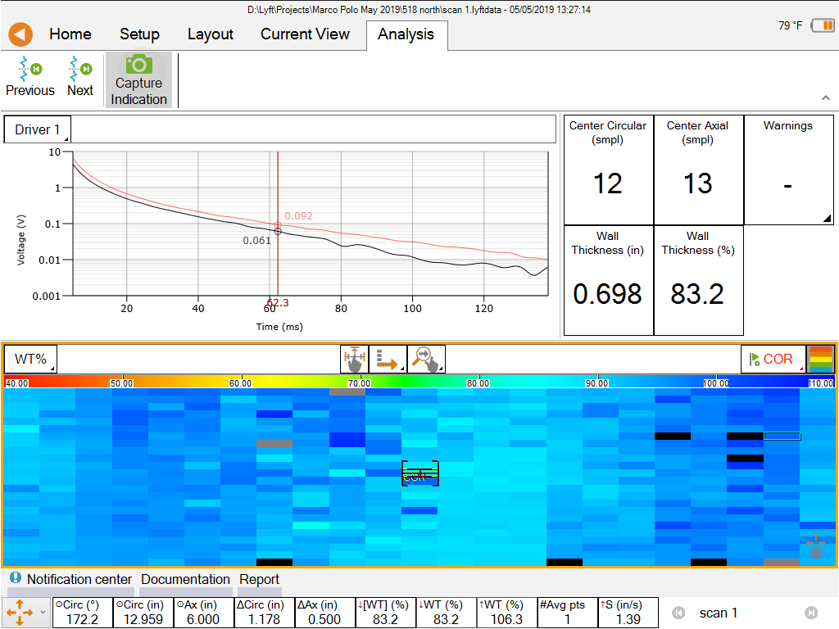
 | Filename: | scan 1

 | Code: | COR

 | Wall Thickness (%): | 83.2 %

 | Compensated WT (%): | Invalid

 | Wall Thickness: | 0.698 in

 | Nominal WT: | 0.840 in

 | Comment:

