Sheet1
 | https://store.supermicro.com/us_en/2u-hyper-server-gold-series-sys-221h-tn24r-g1.html

CPU 2x Intel® Xeon® Gold 6338 Processor 32-Core 2.00GHz 48MB Cache (205W)
Memory 4x 64GB DDR4 3200MHz ECC RDIMM Server Memory (2Rx4 - 16Gb)
NVMe 2x 1.9TB 2.5" 7450 PRO NVMe (15mm) PCIe 4.0 Solid State Drive (1 x DWPD)
Network 1x Supermicro 1-Gigabit i350 (2 x RJ45) Ethernet Network Adapter
Keyboard 1x Supermicro Rackmount Keyboard and Mouse Combo
Rail kit 1x MCP-290-00102-0N - Supermicro 1U Outer Rail (Included)
1 x MCP-290-00112-0N - Supermicro 1U Inner (Extension) Rail (Included)
1 x MCP-290-00179-0N - Supermicro 1U Inner (Front) Rail (Included) |  | https://store.supermicro.com/us_en/customer/configurations/

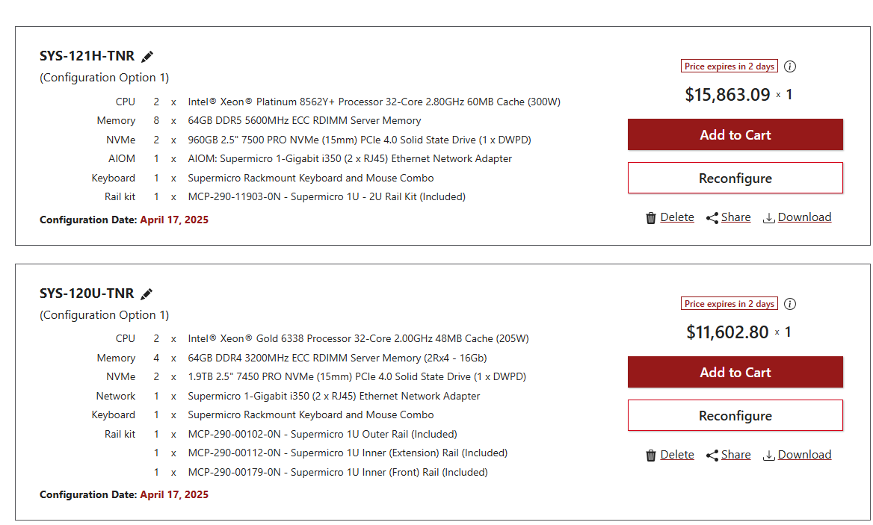

 |  | 15K
 |  | https://store.supermicro.com/us_en/configuration/view/?cid=1000339624&3683

 |  | 2.8 GHz

 |  | 5th Gen

 |  | https://store.supermicro.com/us_en/configuration/view/?cid=1000339621&5280

 |  | 3rd /4th Gen

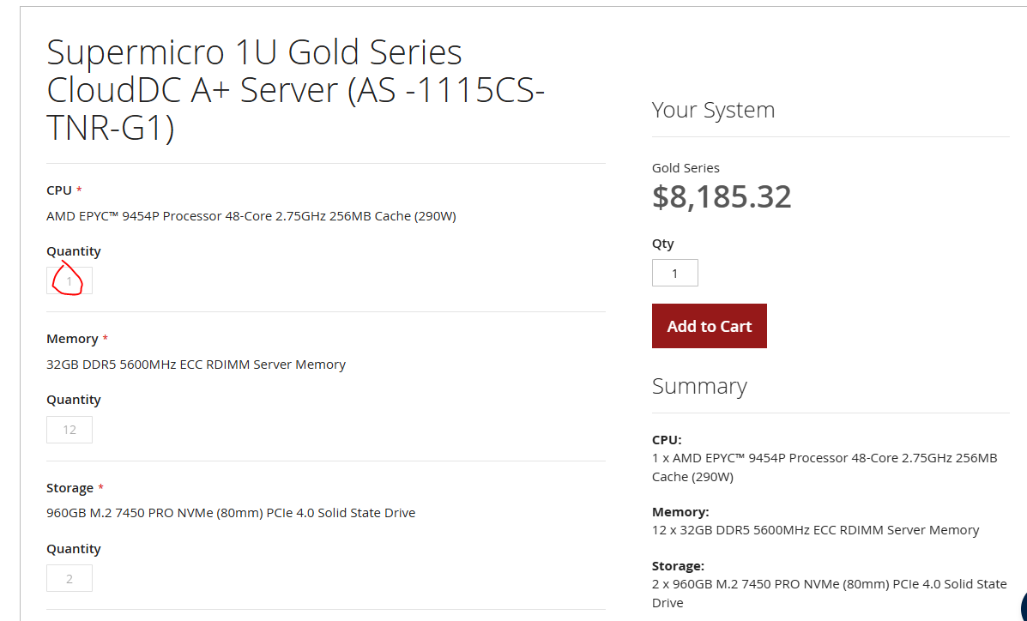

 |  |  | 8.2K

 |  |  | https://store.supermicro.com/us_en/h13-1u-clouddc-as-1115cs-tnr-g1-gold-sku.html

 |  |  | 2.75 GHz

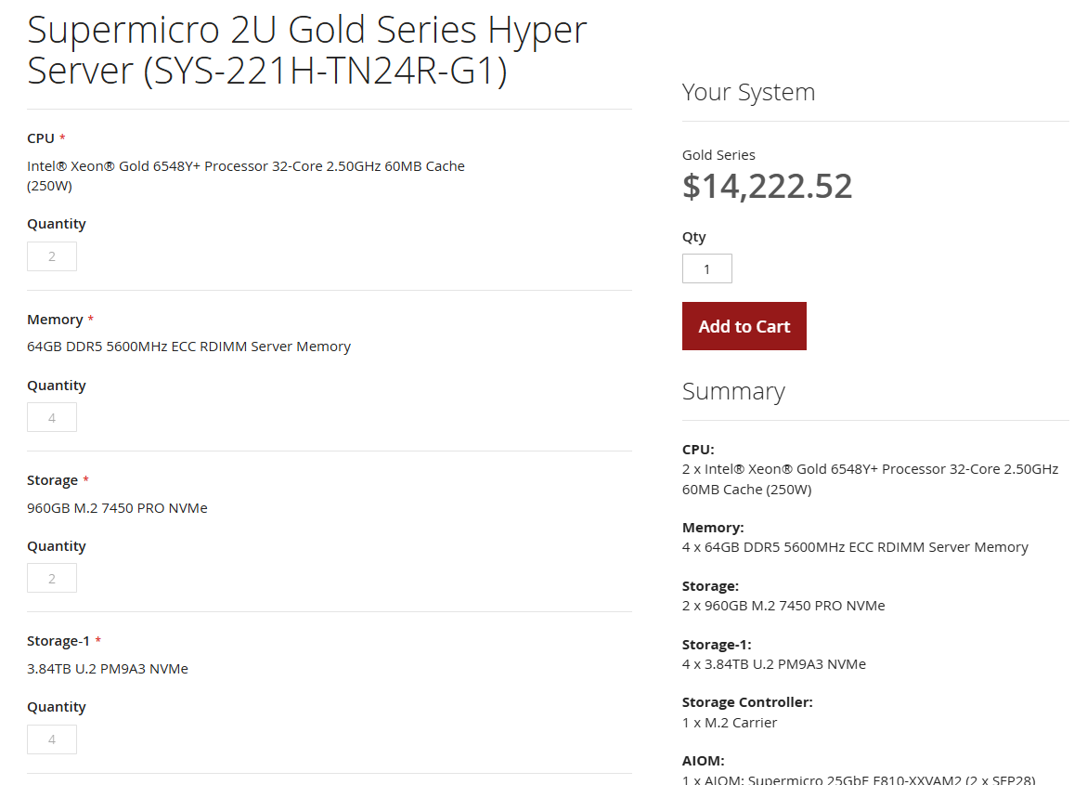

 |  |  | https://store.supermicro.com/us_en/2u-hyper-server-gold-series-sys-221h-tn24r-g1.html
 |  |  | 2.5 GHz

 |  |  | 5th Gen

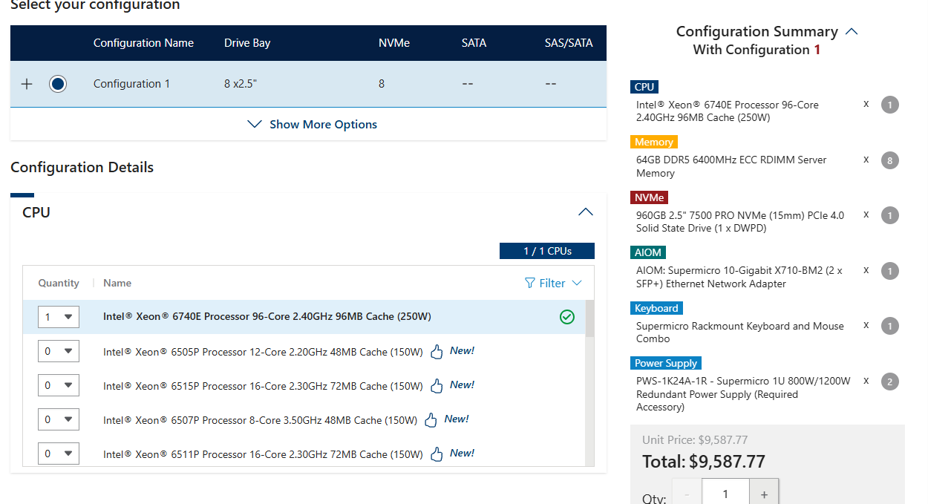

 |  | 96 cores

