Input
 | Wave
 | 50 yr RP |  |  | 10 yr RP
 | Hs | 10.7 | m | Hs | 7.8 | m
 | Tz | 10.4 |  | Tz | 8.9 | s
 | Tp | 14.4 |  | Tp | 12.4 | s
 | Hmax | 6 | s | Hmax | 13 | s
 | Tass (Tmax) | 7.7 | s | Tass (Tmax) | 11.3 | s

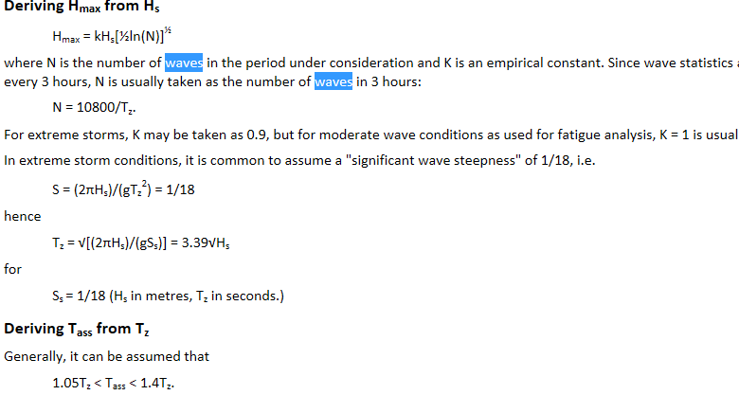

 | Simulation Time
 | Stage Duration (1) | 45
1 | Stage Duration (2) | 10800
2
3

Current
50 yr RP |  | 10 yr RP
Depth | Factor | Depth | Factor
0 | 0.6 | 0 | 0.6
10 | 0.6 | 10 | 0.6
20 | 0.6 | 20 | 0.6
156.25 | 0.6 | 156.25 | 0.6
312.5 | 0.5 | 312.5 | 0.5
468.75 | 0.5 | 468.75 | 0.5
624 | 0.2 | 624 | 0.2

Riser Tensioner System

 |  |  |  | te | Kn | kips
Total Running Weight from OB to LMRP (te) |  |  |  | 194.70 | 1910.0 | 409.2
Total Running Wt with BOP stack |  |  |  | 340.20 | 3337.37 | 709.12
Content Density |  | 12 | ppg
 |  |  |  | 465.00
Available Tensioners |  |  |  | 95% (Allowable as per API) | 90% | 85% | 80% | 75% | 70% | 65% | 60% | 50%
 | 100% |  | kips | 1520 | 1368 | 1292 | 1216 | 1140 | 1064 | 988 | 912 | 760
kips | 1600 |  | te | 689.46 | 620.51 | 586.04 | 551.57 | 517.10 | 482.62 | 448.15 | 413.68 | 344.73
te | 725.7
 |  | Tension on Four Tensioner | te | 691.1 | 622.0 | 587.5 | 552.9 | 518.4 | 483.8 | 449.2 | 414.7 | 345.57199722
 |  |  | Kn | 6780 | 6102 | 5763 | 5424 | 5085 | 4746 | 4407 | 4068 | 3390
No. of Tensioners |  | 4 | kips | 1524 | 1371 | 1295 | 1219 | 1143 | 1067 | 990 | 914

 |  | Tension on Single Tensioner (OrcaFlex) | Kn | 1695.0 | 1525.5 | 1440.8 | 1356.0 | 1271.3 | 1186.5 | 1101.8 | 1017.0 | 847.5

No. of Tensioners |  | 10 | kips | 95% | 90% | 85% | 80% | 75% | 70% | 65% | 60% | 50%
 |  |  | te | 68.9 | 62.1 | 58.6 | 55.2 | 51.7 | 48.3 | 44.8
 |  |  | Kn | 676.4 | 608.7 | 574.9 | 541.1 | 507.3 | 473.5 | 439.6

 | Total | Vertical Pull on Riser | kips | 1520 | 1368 | 1292 | 1216 | 1140 | 1064 | 988 | 912
 |  |  | te | 689.5 | 620.5 | 586.0 | 551.6 | 517.1 | 482.6 | 448.1 | 413.7
 |  | Vertical Pull on Riser | Kn | 6764 | 6087 | 5749 | 5411 | 5073 | 4735 | 4396 | 4058
 |  | Tension on one in 10 | kips | 152 | 137 | 129 | 122 | 114 | 106 | 99 | 91

Unit Convention
1 | kips | 0.45 | te
1 | te | 9.81 | Kn

 |  |  | SOF T HANG OFF
 |  |  |  | Length in Statics (m) | Tension (Kn)-10yr | 50 yr
 |  |  | 2B | 8.5 | 687 | 683
 |  |  | 5B | 8.5 | 733 | 728

 |  |  | Weight of Riser String in 625m WD

 |  |  | 2 BARE RISER JOINTS
 |  |  | Components |  | No. | Length | Total Running Length | Dry Wt | Wt Weigth | Running Dry Wt (te) | Running Wet Wt (te)
 |  | 1 | Divertor housing + UFJ |  | 1 | 5.98 | 5.98 | 5.31
 |  | 2 | Telescopic joint stroke (IB) |  | 1 | 8.5 | 8.5 | 11.5
 |  | 3 | Telescopic joint (OB) & Tensioner ring |  | 1 | 22.31 | 22.31 | 31 | 31 | 31 | 31
 |  | 4 | Buoyant - 500 ft rating 21" x 0.625" (51 JT) |  | 3 | 22.86 | 68.58 | 15.815 | 0.69 | 47.445 | 2.07
 |  | 5 | Buoyant - 1000 ft rating |  | 5 | 22.86 | 114.3 | 15.985 | 0.95 | 79.925 | 4.75
 |  | 6 | Buoyant-2000 ft rating 21" x 0.625" |  | 15 | 22.86 | 342.9 | 16.68 | 1.21 | 250.2 | 18.15
 |  | Bare | Bare Riser Joint 21" x 0.688" |  | 2 | 22.86 | 45.72 | 11.907 | 10.35 | 23.814 | 20.7
 |  | 8 | 5 ft Pup Joint |  | 1 | 1.524 | 1.524 | 1.19 | 1.03 | 1.19 | 1.03
 |  | 9 | 20 ft Pup Joint |  | 2 | 6.096 | 12.192 | 3.3 | 2.9 | 6.6 | 5.8
 |  | 10 | Termination Joint |  | 1 | 2.13 | 2.13 | 1.13 | 0.98 | 1.13 | 0.98
 |  | 11 | LMRP |  | 1 | 7.07 | 7.07 | 122.5 | 106 | 122.5 | 106
 |  | 12 | BOP stack |  | 1 | 6.34 | 6.34 | 140.6 | 122.18 | 140.6 | 122.18

 |  |  | with LMRP (m) |  |  |  | 616.726
 |  |  | with BOP (m) |  |  |  | 623.066
 |  |  | without LMRP |  |  |  | 609.656

 |  |  |  |  |  | Weight with BOP (te) |  |  |  | 704.404 | 312.66
 |  |  |  |  |  | Weight with LMR (te) |  |  |  | 563.804 | 190.48
 |  |  |  |  |  | Weight without LMRP (te) |  |  |  | 441.304 | 84.48

 |  |  | Hang Off Ratio of in water weight to in air weight of string with LMRP |  |  |  |  |  |  | 33.8 | %

