output
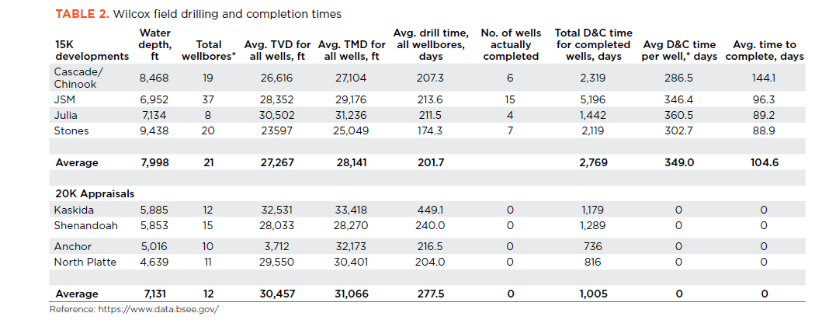

Avg D&C time
per well,* days
 | Water | Total | Avg. TVD for | Avg. TMD for | Avg. drill time, | No. of wells | Total D&C time | Avg D&C time | Avg. time to
 | depth, | wellbores* | all wells, ft | all wells, ft | all wellbores, | actually | for completed | per well,* days | complete, days
Cascade/ | ft |  |  |  | days | completed | wells, days
Chinook | 8,468 | 19 | 26,616 | 27,104 | 207.3 | 6 | 2,319 | 286.5 | 144.1
JSM | 6,952 | 37 | 28,352 | 29,176 | 213.6 | 15 | 5,196 | 346.4 | 96.3
Julia | 7,134 | 8 | 30,502 | 31,236 | 211.5 | 4 | 1,442 | 360.5 | 89.2
Stones | 9,438 | 20 | 23597 | 25,049 | 174.3 | 7 | 2,119 | 302.7 | 88.9

Calculation verification (VA)
Julia | 7134 | 8 | average for all wells | average for all wells | ?? | 4 | 1422 | 355.5 | 111.5

