Questions
Background
Spring Venture Group (SVG) sells insurance to individuals, and as part of this process, SVG generates leads two ways:
Ads on Facebook/Google/Bing/etc that SVG directly manages
Purchases leads from third-party vendors who do their own advertising but are not interested in selling insurance to these prospects
In both instances above, a lead is still defined the same: a person who has shown interest in purchasing insurance.
Key Terms
Lead = An individual’s information (phone, name) SVG has purchased with the intent of selling an insurance product to
Marketing Spend = The amount of money SVG spends on advertising to acquire leads (through both means outlined above)
Policies = Insurance contracts sold by SVG to customers
LTV = Long Term Value (the expected revenue that will be generated over the life of a policy)
CPA = Cost per Acquisition (marketing spend / policies)
EV = Expected Value (LTV / marketing spend)
Close Rate = Policies / leads
Source = The marketing channel that SVG acquired the prospect’s information from (e.g. SVG Adwords, SVG Bing, Marketing Company ABC)
*Important note: EV is the business metric SVG optimized for. Although CPA is important, EV is the most relevant metric as it takes into account both revenue and their largest per unit expense (CPA).
Questions
1. Which day in November had the HIGHEST EV?
Why? CPA low? Average LTV per policy high? Both?
2. Which day in November had the LOWEST EV?
Why? CPA high? Average LTV per policy low? Both?
3. What states have the highest CPAs? Lowest?
4. What states have the highest LTV per policy? Lowest?
5. How would you change how SVG spends their marketing dollars to optimize EV? Shift marketing spend to different days of the week? Allocate more spend towards better performing sources/states?
Please answer the questions on the "Answers" tab. Keep in mind that the purpose of this project is to see how you solve problems and present your data. Leave your equations, side work, charts etc... so we can see how you arrived at your answers.
Thank you for your interest and Good Luck!`1 `
`

Answers
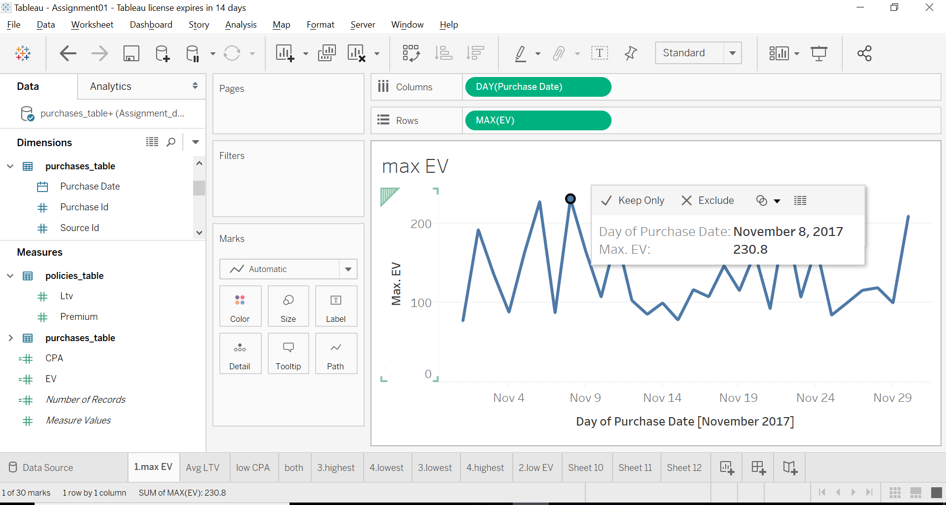
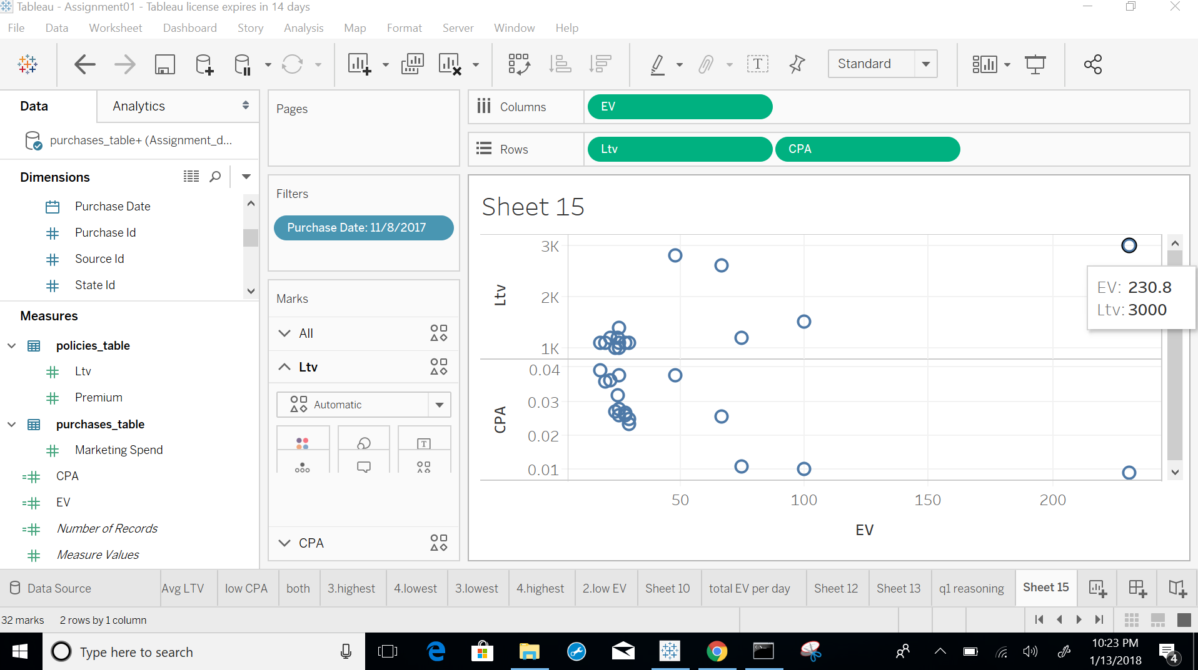
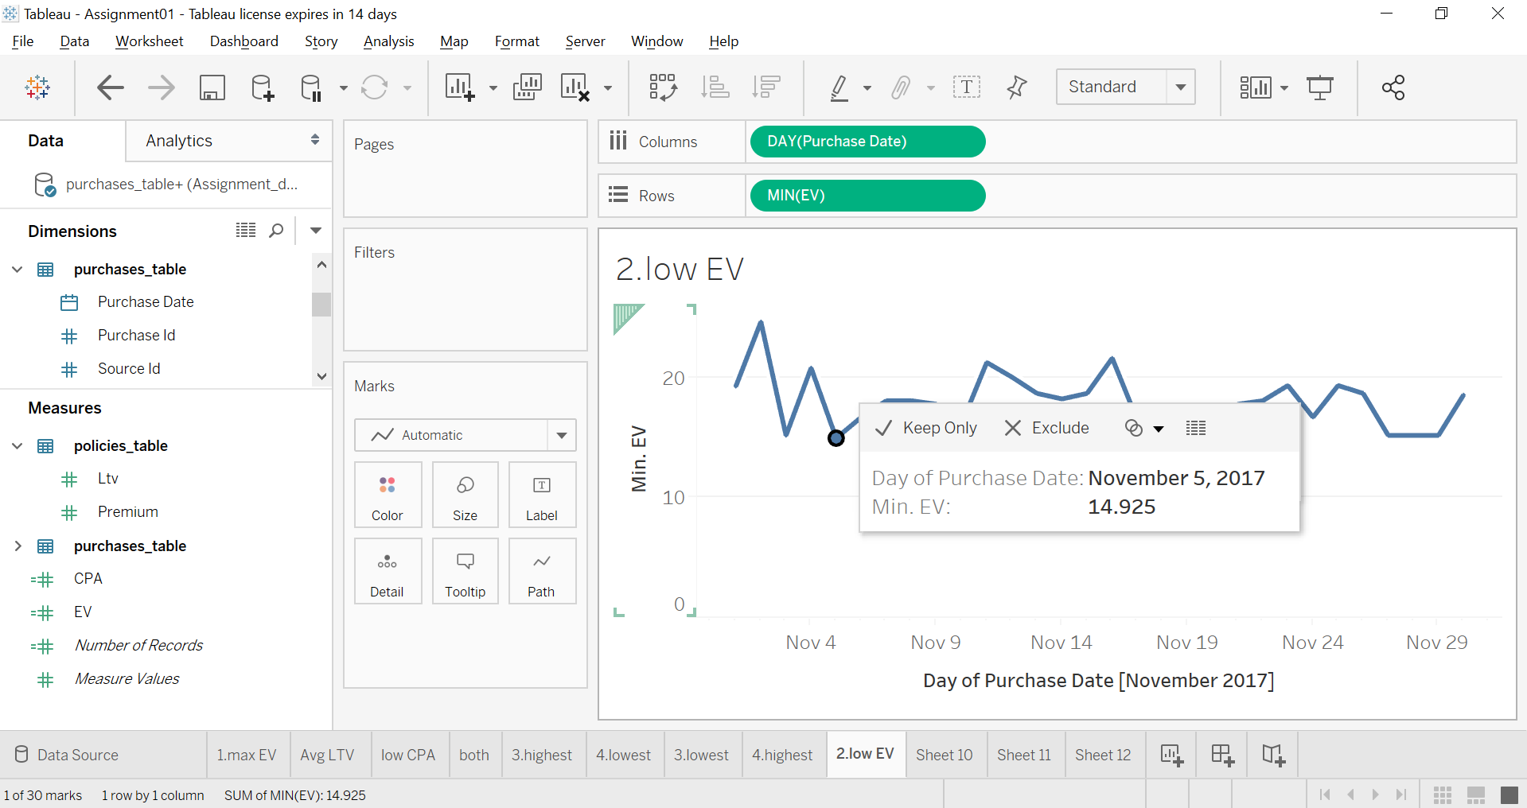
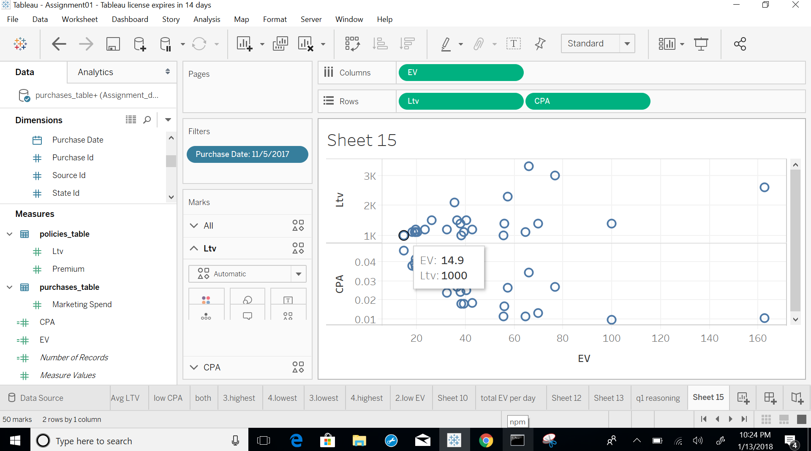
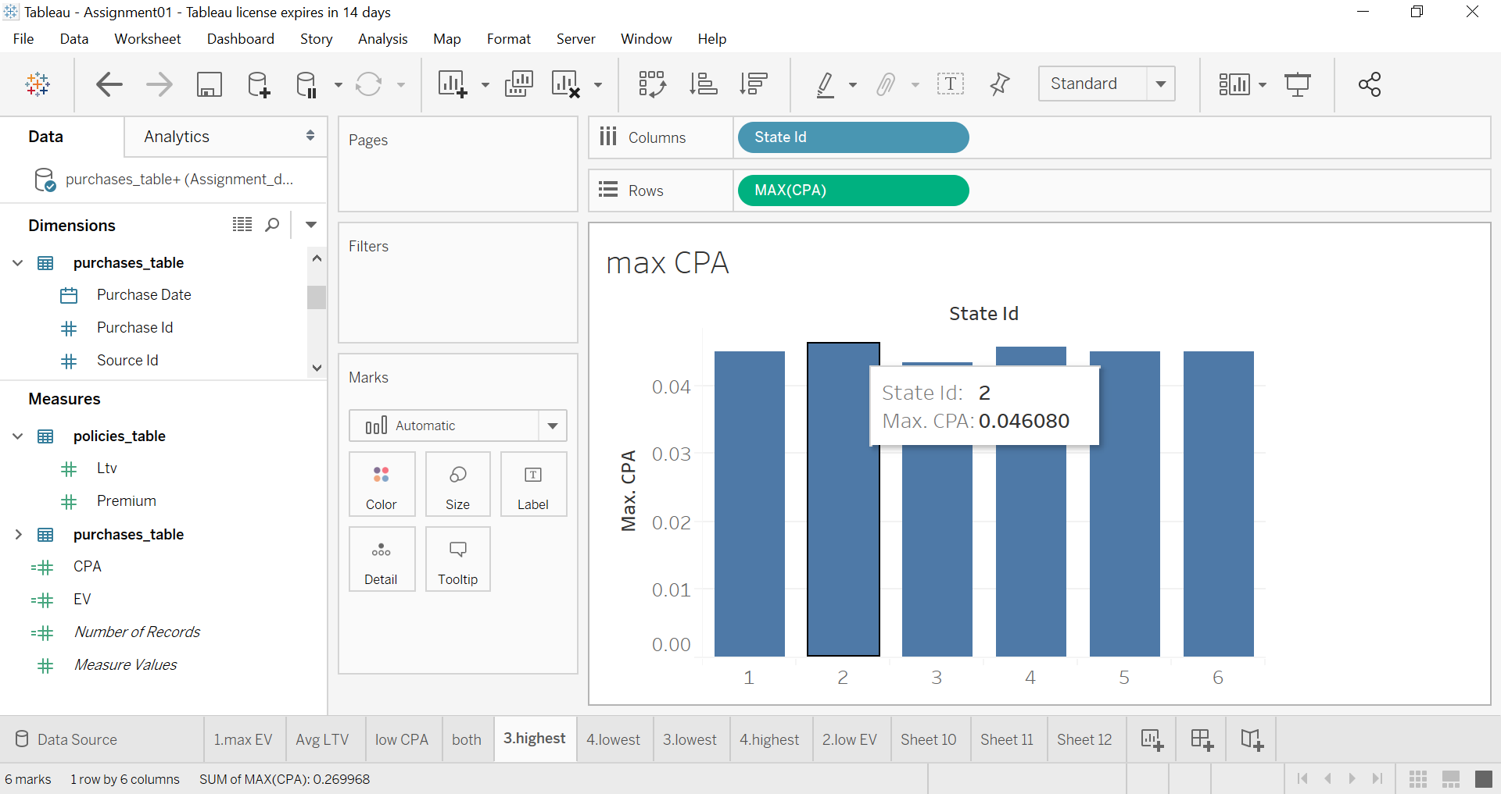
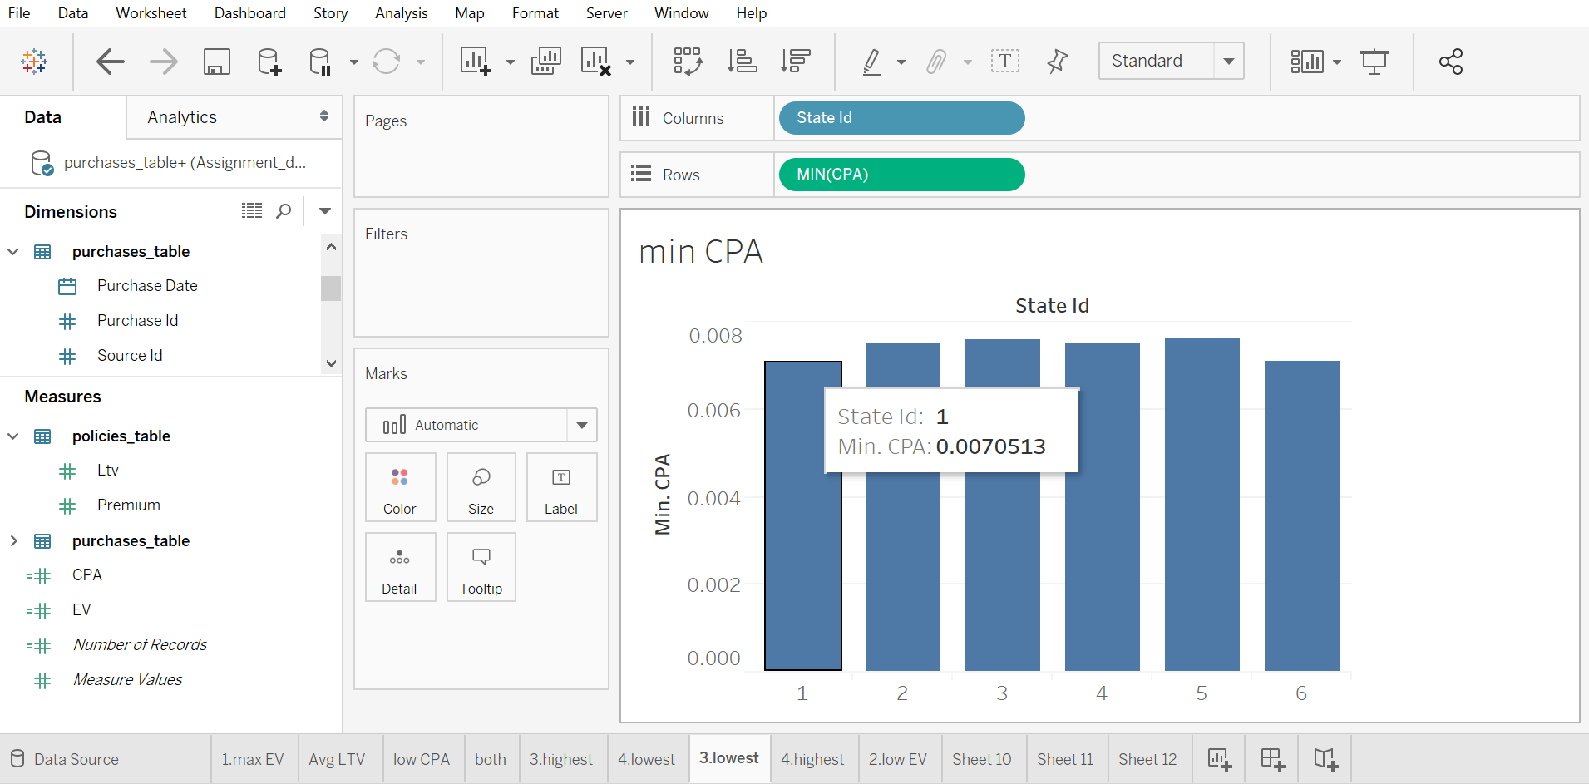
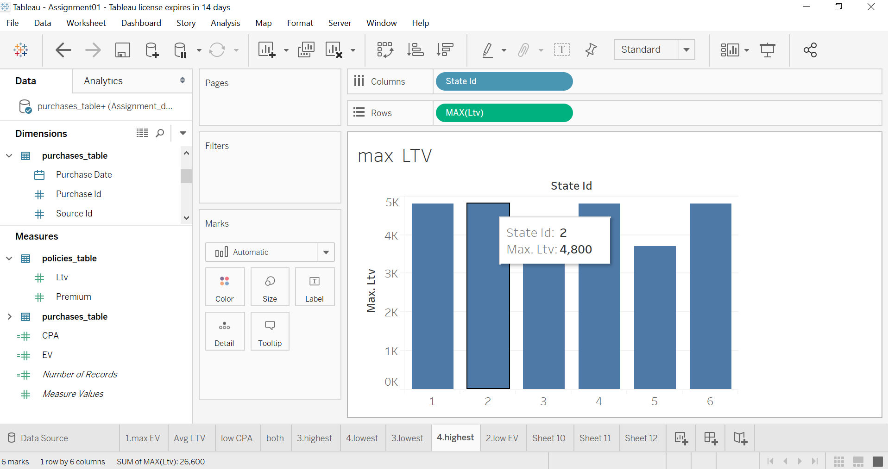
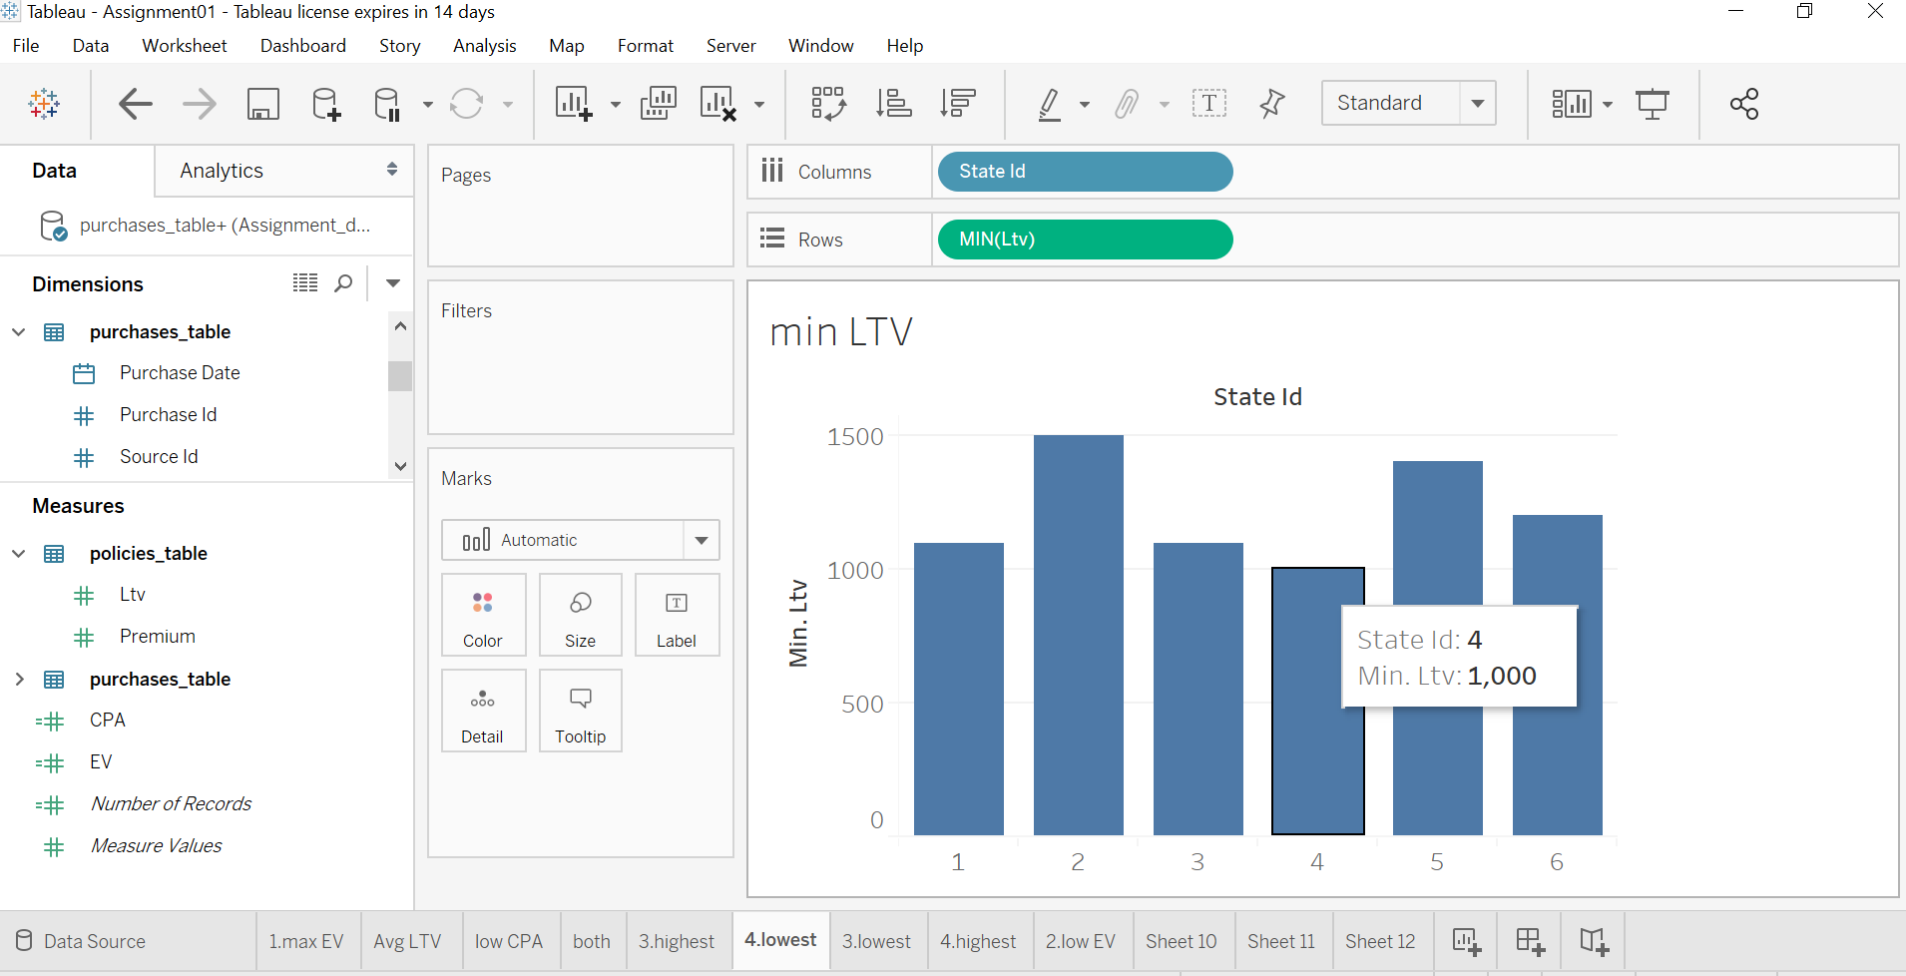
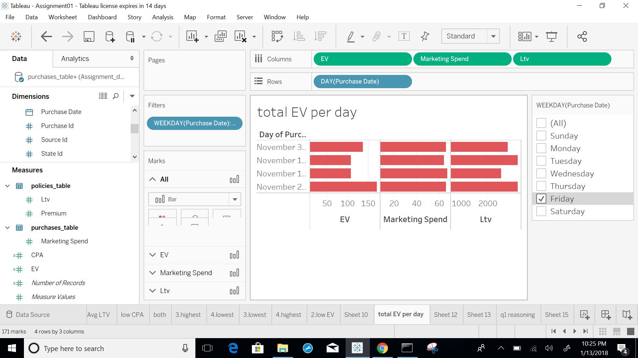
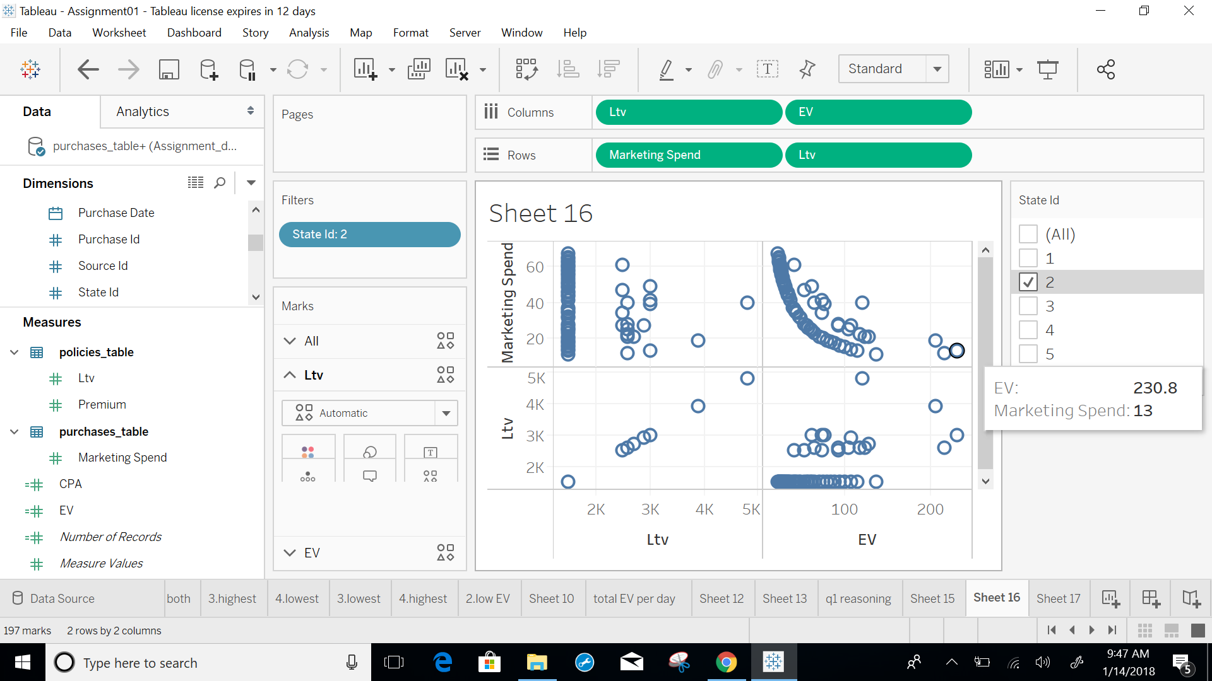
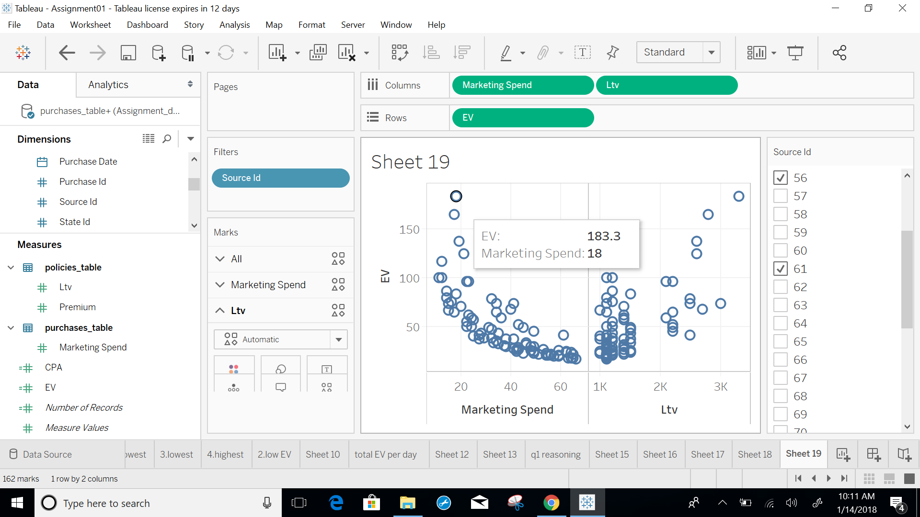
I have used tableau for visualization
1. Highest EV - 230.8
November 8th 2017 LTV-3000 CPA-0.00897
My Analysis: I have created a new calculated field named EV using the given formula and used the aggregate function MAX for the EV field and visualized it with
DAY(purchase date) to find the highest EV.
MAX(EV) holds the maximum EV for each day of the November month.
It is due to low CPA and high Average LTV per policy but these are not the extreme values in the data set.
2. Lowest EV - 14.925
November 5th 2017. LTV-1000 CPA-0.04567
November 18th 2017. LTV-1000 CPA-0.04533
My Analysis: I have used the aggregate function MIN for the EV field and visualized it with DAY(purchase date) to find the lowest EV.
MIN(EV) holds the minimum EV for each day of the November month.
It is due to high CPA and low Average LTV per policy.
3. MAX CPA -0.046080 is for KS with State id -2
MIN CPA -0.0070513 is for NJ with State id -1
My Analysis: I have created a new calculated field CPA using the formula given and visualized it with state Id to find the states with maximum and minimum CPA.
4. The Highest LTV value is 4800 and four states have this value.
NJ - 1
KS - 2
FL - 4
CA - 6
Lowest LTV value is 1000
FL - 4
My Analysis: I have visualized the given LTV per policy with state Id to find the states with maximum and minimum LTV
5. According to me, Shifting marketing spend to Friday and Tuesday will optimize EV.
Allocating more spend to states with id 2 and 4, you can optimize EV.
Allocating more spend to source id 56,61,,72,79 you can optimize EV

