📊 Executive Dashboard
📊 CODING STANDARDS DASHBOARD
FPI • MatchReport | Generated: February 24, 2026 at 05:29 PM

🎯 OVERALL QUALITY |  | 📋 PROCESSES | ⚙️ COMPLEXITY | ✅ ACTION ITEMS
87.5 |  | 1 | 40 | 9

Quality Score |  | 78 Activities | Medium | Items to Address

📈 QUALITY METRICS VISUALIZATION
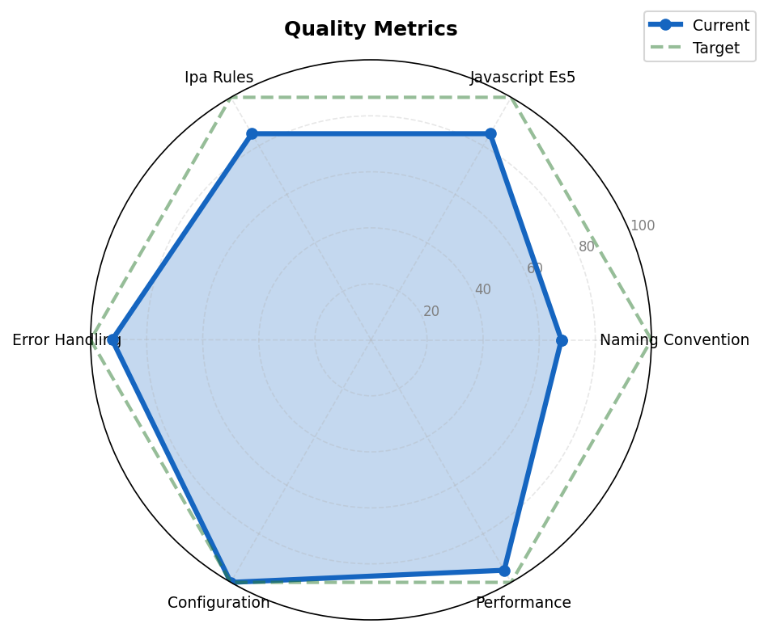

🔍 KEY FINDINGS
 | Naming
 | JavaScript
 | Error Handling
 | Performance
 | JavaScript

