Pivot-Analysis-1
SUM of Total Sales vs. Product

Pivot-Analysis-2
SUM of Total Sales vs. Region

Pivot-Analysis-3
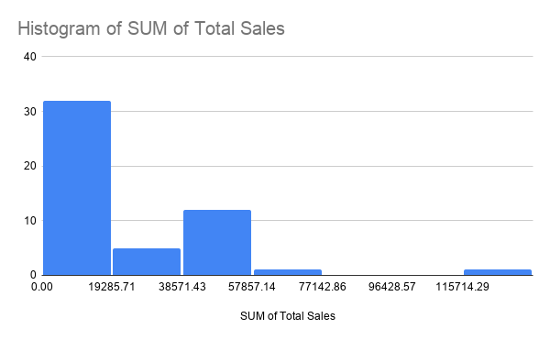

Dashboard
Sales Dashboard

SUM of Total Sales vs. Product
SUM of Total Sales vs. Region

Summary |  | Key Insights
Total Sales | 958523 | • Top Product : Laptop is the highest selling item in the catalog.
Total Profit | 191704.6 | • Leading Market : The East Region has recorded the maximum sales volume.
Average Sales | 19170.46 | • Profitability : Total business profit stands strong at 191704.6.

