GCNN B2
Hyperparameters | best_model_weights_09_07 | best_model_weights_09_25
batch_size | 10 | 10
learning_rate | 0.001 | 0.001
number_of_epochs | 100 | 100
train vs val

Train Results
R^2 | 0.94225950578
corr_coeff | 0.97413754397
MAE | 24.516315559
RMSE | 34.509016474
time training (s) | 70.072421789
Train parody

Val Results
R^2 | 0.96394852238
corr_coeff | 0.98432144423
MAE | 23.306146735
RMSE | 28.295733681
Val parody

Test Results
R^2
corr_coeff
MAE
RMSE
test parody | 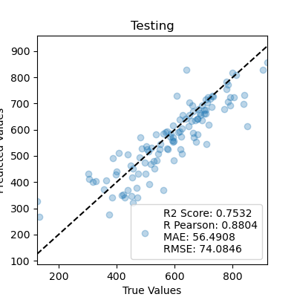

Notes: |  | removed processed file name

