Sheet1
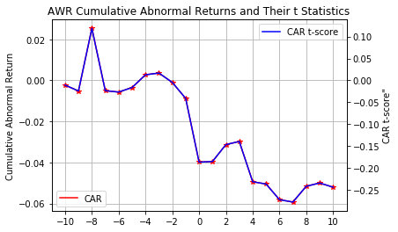
No. | Date | Stock | Ticker | Actual | Consensus | Yr Ago | Yr/Yr Rev | Guidiance | Consensus | Previous | Rev
1 | 23-Apr-18 | FirstEnergy | FE | 0.67 | 0.68 | 0.78 | -0.18 |  | 2 | 2 | 2
2 | 23-Apr-18 | Hasbro | HAS | 0.10 | 0.33 | 0.54 | -0.16 |  | 2 | 2 | 2
3 | 23-Apr-18 | Philips | PHG | 0.13 | 0.18 | 0.25 | -0.02 |  | 2 | 2 | 2
4 | 25-Apr-18 | trivago | TRVG | -0.06 | -0.02 | 0.02 | -3.10% |  | 2 | 2 | 2
5 | 26-Apr-18 | Ensco Rowan | ESV | -0.32 | -0.26 | -0.04 | -11.50% |  | 2 | 2 | 2
6 | 26-Apr-18 | Oceaneering Intl | OII | -0.41 | -0.33 | -0.08 | -6.80% |  | 2 | 2 | 2
7 | 26-Apr-18 | Altisource Portfolio Solutions | ASPS | -0.24 | 0.18 | 0.69 | -17.90% |  | 2 | 2 | 2
8 | 26-Apr-18 | GNC Holdings | GNC | 0.24 | 0.31 | 0.37 | -7.20% |  | 2 | 2 | 2
9 | 26-Apr-18 | Nokia | NOK | 0.02 | 0.04 | 0.03 | -8.50% |  | 2 | 2 | 2
10 | 27-Apr-18 | CBL & Assoc | CBL | 0.42 | 0.43 | 0.52 | -7.50% | Guidance In-line | 2 | 2 | 2
11 | 27-Apr-18 | Dril-Quip | DRQ | -0.16 | -0.01 | 0 | -16.80% |  | 2 | 2 | 2
12 | 27-Apr-18 | Mattel | MAT | -0.6 | -0.39 | -0.32 | -3.70% |  | 2 | 2 | 2
13 | 30-Apr-18 | Cooper Tire | CTB | 0.16 | 0.58 | 0.57 | -6.50% |  | 2 | 2 | 2
14 | 1-May-18 | Rent-A-Center | RCII | -0.08 | 0.13 | 0.04 | -5.90% |  | 2 | 2 | 2
15 | 1-May-18 | Incyte | INCY | -0.01 | 0.09 | 0.14 | -0.50% |  | 2 | 2 | 2
16 | 1-May-18 | Vista Outdoor | VSTO | -0.22 | -0.15 | 0.03 | -1.30% | Guidance Downside | 2 | 2 | 2
17 | 2-May-18 | Ballard Power | BLDP | -0.03 | -0.02 | -0.02 | -11.50% |  | 2 | 2 | 2
...

