Sprint 1 (0903 to 1603)
Task name | Volunteer | estimate time (hours) | Day 1 (09/03) | Day 2 | Day 3 | Day 4 | Day 5 | Day 6 | Day 7 (16/03) | Status
Create and design database for every data types in project | Vũ | 6 | 4 | 2 | 0 |  |  |  |  | Done
Code front-end for login page | Hiệp, Huệ | 5 | 3 | 1 | 0 |  |  |  |  | Done
Deploy the web online | Vũ | 8 | 6 | 4 | 2 | 0 |  |  |  | Done
Code draft pages for every required pages | Hiệp, Huệ | 6 | 4 | 3 | 2 | 0 |  |  |  | Done
Testing of linking MongoDB to project | Vũ | 2 | 2 | 2 | 2 | 1 | 0 |  |  | Done
Gather user requirements, drawing use cases for references | Minh, Hiếu | 5 | 3 | 0 | 0 | 0 | 0 |  |  | Done
Testing of first sprint's requirements | Vũ | 3 | 3 | 3 | 3 | 3 | 1 | 0 |  | Done
 | Daily progress | 35 | 25 | 15 | 9 | 4 | 1 | 0
 | Ideal progress | 35 | 27 | 20 | 12 | 6 | 3 | 0

Link meeting:

Sprint 2 (1703 to 2303)
Task name | volunteer | estimate time (hours) | Day 1 (03/03) | Day 2 | Day 3 | Day 4 | Day 5 | Day 6 | Day 7 | Status
Coding roles | Minh | 3 | 1 | 0 |  |  |  |  |  | Done
General testing and quality assurance | Vũ | 3 | 3 | 3 | 2 | 2 | 2 | 0 |  | Done
Create database for upload file and image | Vũ | 6 | 4 | 2 | 0 |  |  |  |  | Done
Code front-end for general upload | Hiệp, Huệ | 6 | 6 | 6 | 6 | 4 |  |  |  | Done
Code back-end for upload file | Hiếu, Minh | 6 | 6 | 6 | 6 | 6 | 6 | 6 | 6
Test upload file (docx) | Vũ | 3 | 3 | 3 | 3 | 3 | 3 | 3 | 3
Code back-end for upload images | Hiếu, Minh | 5 | 5 | 5 | 5 | 5 | 5 | 5 | 5
Test upload image | Vũ | 3 | 4 | 3 | 3 | 3 | 3 | 3 | 3
CRUD for admin creating accounts | Hiếu, Minh | 8 | 6 | 4 | 0 |  |  |  |  | Done
Code front-end of pages that need CRUD (Student, MC, MM, Guest, Admin) | Hiệp, Huệ | 2 | 2 | 2 | 2 | 2 | 2 | 2 | 2
Code frontend for the Marketing Coordinator to view the student's articles | Hiệp, Huệ | 4 | 4 | 4 | 4 | 4 | 4 | 4 | 3
Code backend for the Marketing Coordinator to view the student's articles | Hiếu, Minh | 5 | 5 | 5 | 5 | 5 | 5 | 5 | 3
Test function: CRUD admin (also events) | Vũ | 4 | 4 | 4 | 4 | 2 | 0 |  |  | Done
 | Daily progress | 58 | 53 | 47 | 40 | 36 | 30 | 28 | 25
 | Ideal progress | 58 | 48 | 35 | 25 | 19 | 10 | 5 | 0

Sprint 3 (2403 to 3003)
Task name | volunteer | estimate time (hours) | Day 1 (12/03) | Day 2 | Day 3 | Day 4 | Day 5 | Day 6 | Day 7 | Status
Code back-end for upload file (local) | Hiếu, Minh | 3 | 3 | 3 | 3 | 3 | 2 | 0 |  | Done
Test upload file (docx) (local) | Vũ | 4 | 4 | 4 | 4 | 4 | 4 | 2 | 0 | Done
Code back-end for upload images (local) | Hiếu, Minh | 3 | 3 | 3 | 3 | 3 | 2 | 0 |  | Done
Test upload image (local) | Vũ | 3 | 3 | 3 | 3 | 3 | 3 | 1 | 0 | Done
Code front-end of pages that need CRUD (Student, MC, MM, Guest, Admin) (local) | Hiệp, Huệ | 7 | 5 | 2 | 1 | 0 |  |  |  | Done
Code frontend for the Marketing Coordinator to view the student's articles (local) | Hiệp, Huệ | 2 | 2 | 2 | 0 |  |  |  |  | Done
Code backend for the Marketing Coordinator to view the student's articles (local) | Hiếu, Minh | 4 | 4 | 4 | 4 | 2 | 0 |  |  | Done
Database re-design | Hiếu, Minh | 6 | 5 | 3 | 2 | 0 |  |  |  | Done
Deploying Database on Azure | Vũ | 4 | 4 | 4 | 4 | 2 | 1 | 0 |  | Done
API Back-End | Hiếu, Minh | 12 | 12 | 8 | 4 | 1 | 0 | 0 |  | Done
Testing functions on Azure website through Swagger (No FE implemented yet) | Vũ | 6 | 6 | 6 | 6 | 6 | 6 | 3 | 0 | Done
Deploying Back-End on Azure | Vũ | 3 | 3 | 3 | 3 | 3 | 0 |  |  | Done
 | Daily progress | 57 | 54 | 45 | 37 | 27 | 18 | 6 | 0 | Done
 | Ideal progress | 54 | 48 | 42 | 32 | 25 | 17 | 8 | 0

Sprint 4 (2103 to 2903)
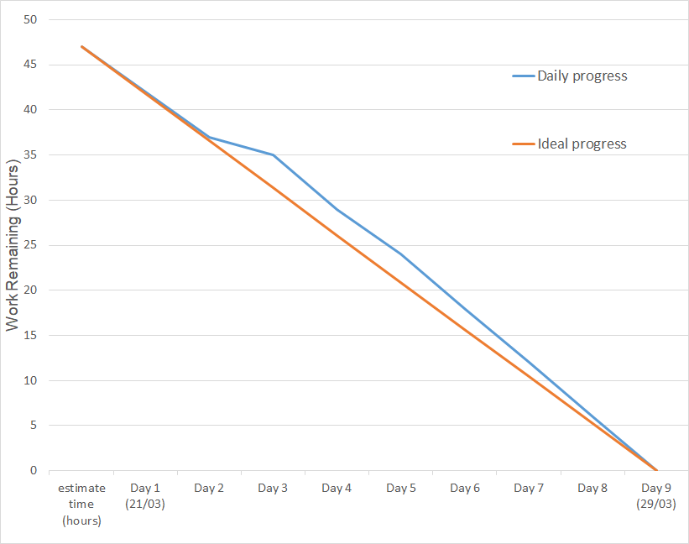
Task name | volunteer | estimate time (hours) | Day 1 (21/03) | Day 2 | Day 3 | Day 4 | Day 5 | Day 6 | Day 7 | Day 8 | Day 9 (29/03) | Status
Code validate data | Sơn | 2 | 0 |  |  |  |  |  |  |  |  | Done
Create database for chat box | Minh | 8 | 5 | 2 | 0 |  |  |  |  |  |  | Done
Code interface for chat box | Minh, Tuấn | 8 | 8 | 6 | 4 | 2 | 0 |  |  |  |  | Done
Code back-end for chat box | Minh | 8 | 8 | 8 | 10 | 6 | 3 | 0 |  |  |  | Done
Deplay code to sever | Sơn | 3 | 3 | 3 | 3 | 3 | 3 | 0 |  |  |  | Done
Test Role Admin in sever | Khang, Hướng | 3 | 3 | 3 | 3 | 3 | 3 | 3 | 0 |  |  | Done
Test Role Marketing Manager in sever | Khang, Hướng | 3 | 3 | 3 | 3 | 3 | 3 | 3 | 0 |  |  | Done
Test Role Marketing Coordinator in sever | Khang, Hướng | 3 | 3 | 3 | 3 | 3 | 3 | 3 | 3 | 0 |  | Done
Test Role student in sever | Khang, Hướng | 3 | 3 | 3 | 3 | 3 | 3 | 3 | 3 | 0 |  | Done
Test Role Guest in sever | Khang, Hướng | 3 | 3 | 3 | 3 | 3 | 3 | 3 | 3 | 3 | 0 | Done
Test chat box in sever | Khang, Hướng | 3 | 3 | 3 | 3 | 3 | 3 | 3 | 3 | 3 | 0 | Done
 | Daily progress | 47 | 42 | 37 | 35 | 29 | 24 | 18 | 12 | 6 | 0
 | Ideal progress | 47 | 41,8 | 36,6 | 31,3 | 26,1 | 20,9 | 15,7 | 10,4 | 5,2 | 0

